Part1
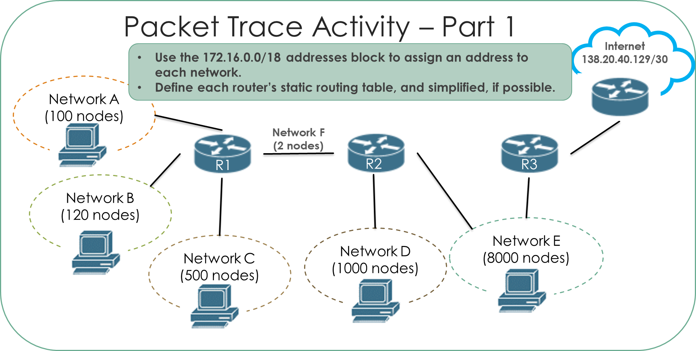
Network | Network address | Broacast address | Mask | First valid node address | Last valid node address
A - 100 nodes | 172.16.38.128 | 172.16.38.255 | 255.255.255.128 /25 | 172.16.38.129 | 172.16.38.254
B - 120 nodes | 172.16.38.0 | 172.16.38.127 | 255.255.255.128 /25 | 172.16.38.1 | 172.16.38.126
C - 500 nodes | 172.16.36.0 | 172.16.37.255 | 255.255.254.0 /23 | 172.16.36.1 | 172.16.37.254
D - 1000 nodes | 172.16.32.0 | 172.16.35.255 | 255.255.252.0 /22 | 172.16.32.1 | 172.16.35.254
E -8000 nodes | 172.16.0.0 | 172.16.31.255 | 255.255.224.0 /19 | 172.16.0.1 | 172.16.31.254
F -2 nodes | 172.16.39.0 | 172.16.39.3 | 255.255.255.252 /30 | 172.16.39.1 | 172.16.39.2

Router 1 |  |  | Router 2 |  |  | Router 3
Network | address |  | Network | address |  | Network | address
A | 172.16.38.129 |  | D | 172.16.32.1 |  | E | 172.16.0.2
B | 172.16.38.1 |  | E | 172.16.0.1 |  | Internet | 138.20.40.129
C | 172.16.36.1 |  | F | 172.16.0.2
F | 172.16.39.1
* The routers have the first valid node addresses

Router 1 - routing table |  |  |  | Router 2 - routing table |  |  |  | Router 3 - routing table

Network | Mask | Next hop |  | Network | Mask | Next hop |  | Network | Mask | Next hop
172.16.0.0 (E) | 255.255.224.0 | 172.16.39.2 |  | 172.16.38.128 (A) | 255.255.255.128 | 172.16.39.1 |  | 172.16.38.128 | 255.255.255.128 | 172.16.0.1
172.16.32.0 (D) | 255.255.255.252 | 172.16.39.2 |  | 172.16.38.0 (B) | 255.255.255.128 | 172.16.39.1 |  | 172.16.38.0 | 255.255.255.128 | 172.16.0.1
0.0.0.0 | 0.0.0.0 | 172.16.39.2 |  | 172.16.36.0 (C) | 255.255.254.0 | 172.16.39.1 |  | 172.16.36.0 | 255.255.254.0 | 172.16.0.1
 |  |  |  | 0.0.0.0 | 0.0.0.0 | 172.16.0.2 |  | 172.16.32.0 | 255.255.252.0 | 172.16.0.1
 |  |  |  |  |  |  |  | 0.0.0.0 | 0.0.0.0 | 138.20.40.129

Simplified

Router 1 - routing table |  |  |  | Router 2 - routing table |  |  |  | Router 3 - routing table

Network | Mask | Next hop |  | Network | Mask | Next hop |  | Network | Mask | Next hop
0.0.0.0 | 0.0.0.0 | 172.16.39.2 |  | 172.16.38.128 | 255.255.254.0 | 172.16.39.1 |  | 172.16.38.128 | 255.255.254.0 | 172.16.0.1
 |  |  |  | 172.16.36.0 (C) | 255.255.254.0 | 172.16.39.1 |  | 172.16.36.0 | 255.255.254.0 | 172.16.0.1
 |  |  |  | 0.0.0.0 | 0.0.0.0 | 172.16.0.2 |  | 172.16.32.0 | 255.255.252.0 | 172.16.0.1
 |  |  |  |  |  |  |  | 0.0.0.0 | 0.0.0.0 | 138.20.40.129

