Tabelle1
Time | Markov chain A, state probabilities |  |  | Markov chain B, state probabilities |  |  | Functions, probabilities
 | State 1 | State 2 | State 3 | State 4 | State 5 | State 6 | Gate 11 | Gate 12 | Gate 13 | Gate 14 | Gate 15 | Gate 16
0.0 | 0.90000 | 0.10000 | 0.00000 | 1.00000 | 0.00000 | 0.00000 | 1.00000 | 1.00000 | 0.00000 | 1.00000 | 0.00000 | 0.00000
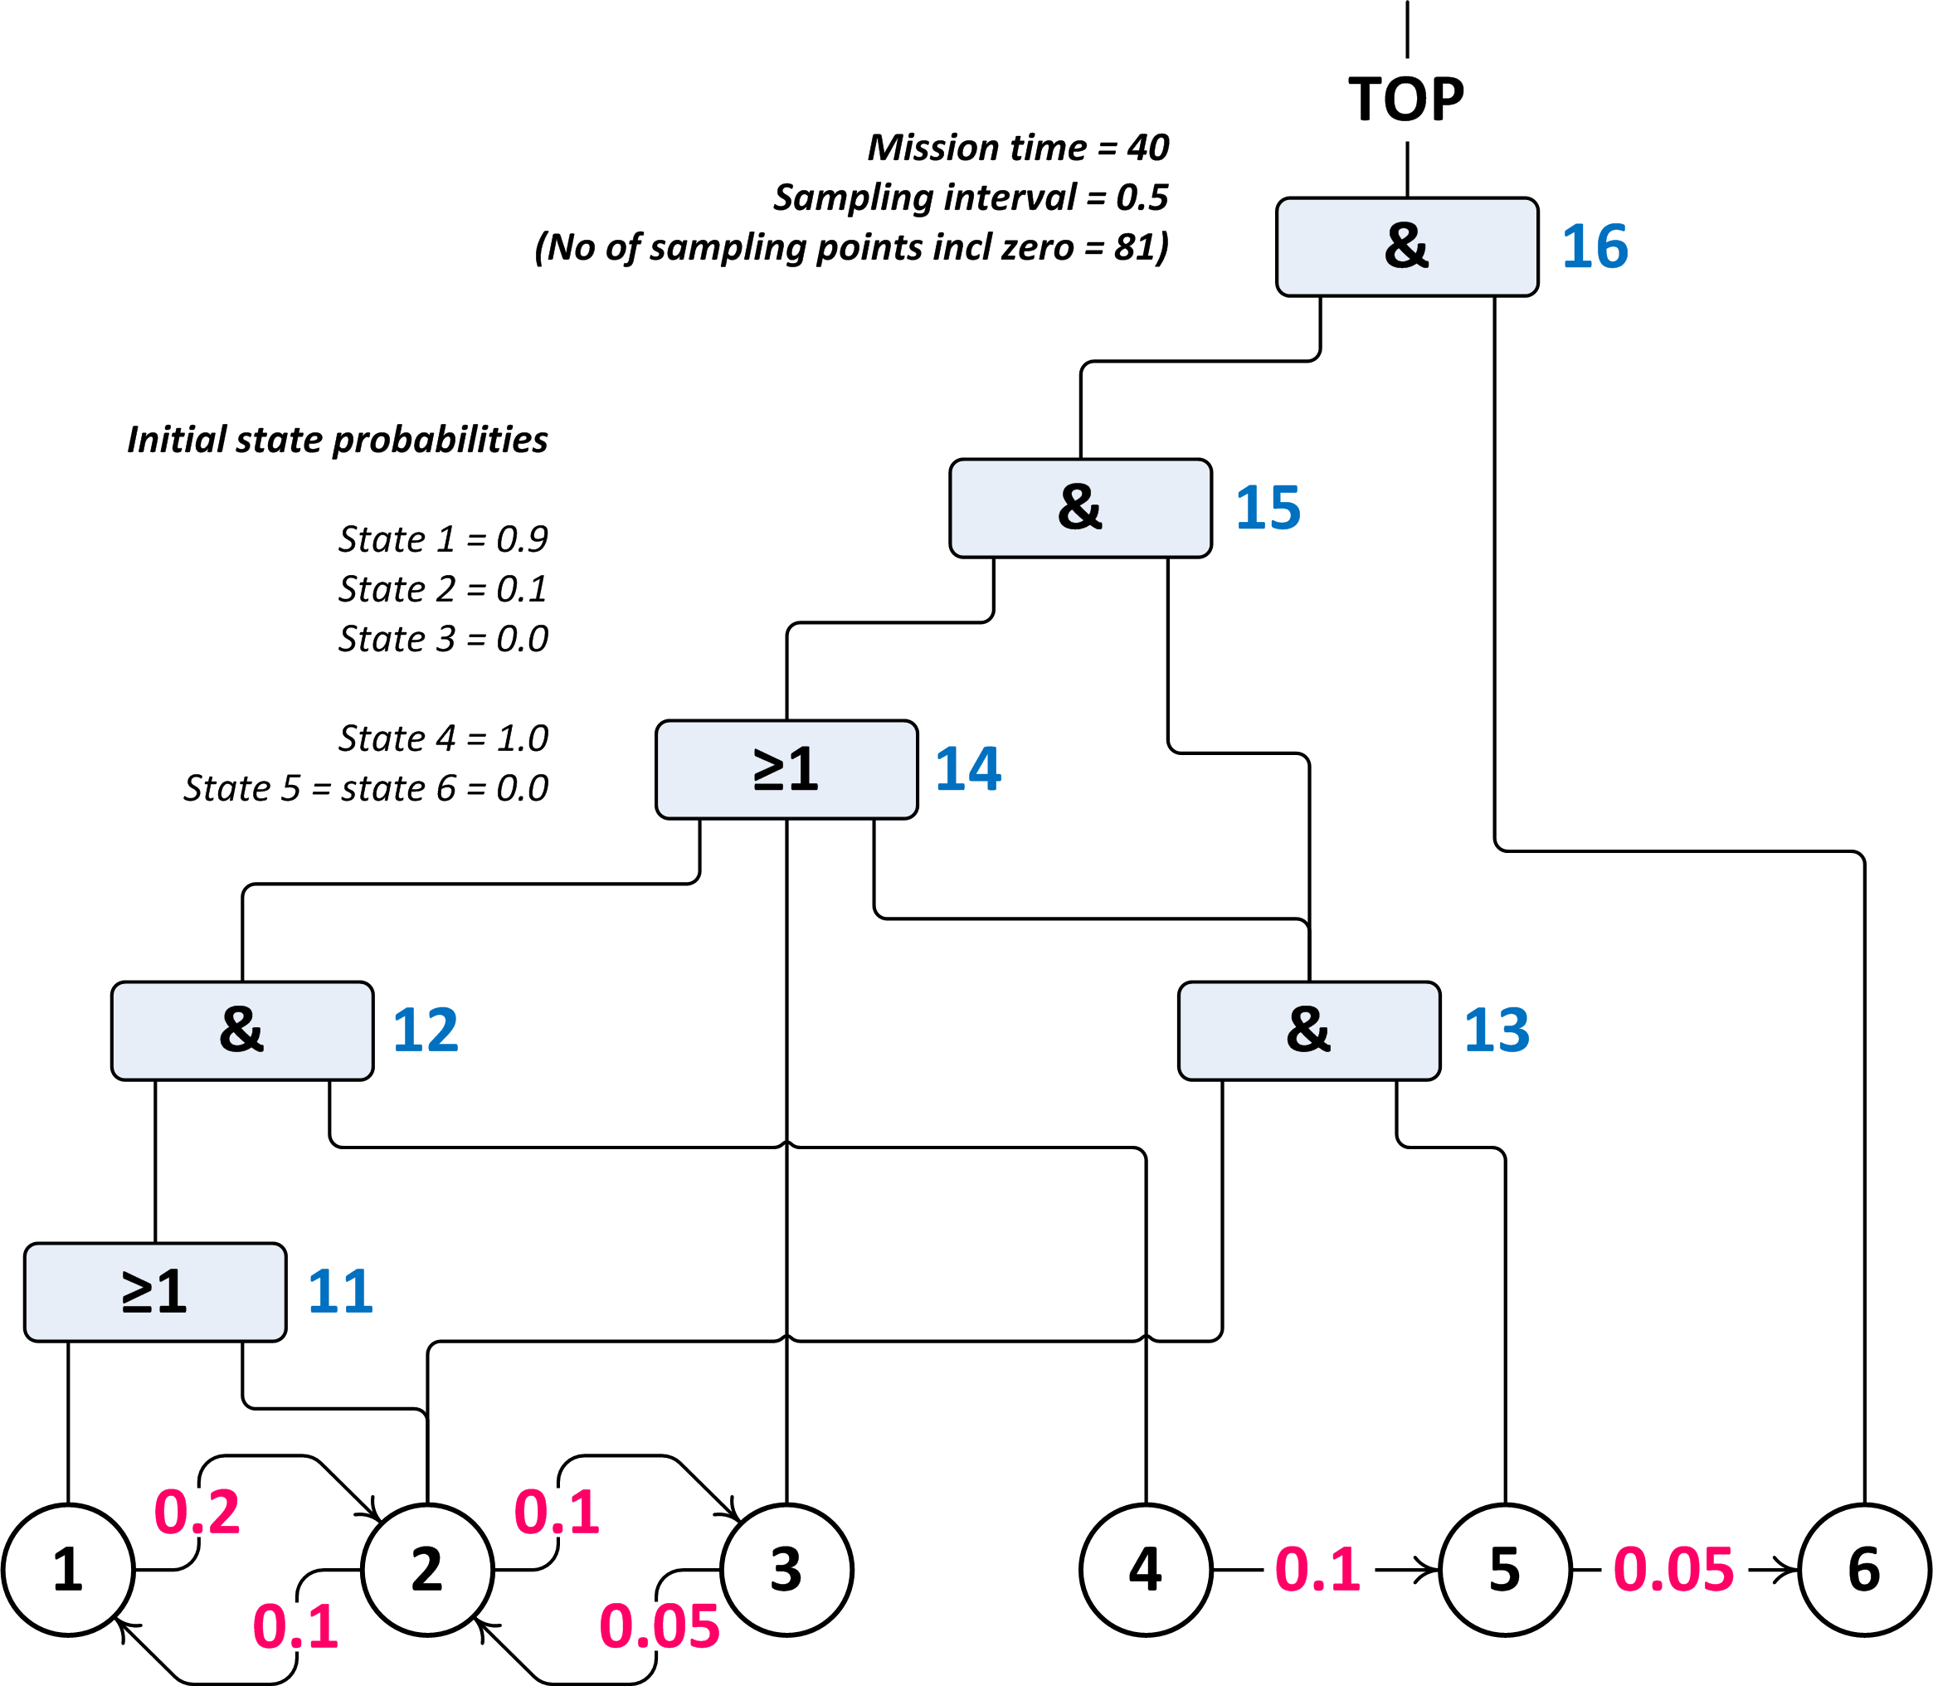
0.5 | 0.82092 | 0.17229 | 0.00679 | 0.95123 | 0.04816 | 0.00061 | 0.99321 | 0.94477 | 0.00830 | 0.95986 | 0.00830 | 0.00000
1.0 | 0.75246 | 0.23090 | 0.01664 | 0.90484 | 0.09278 | 0.00238 | 0.98336 | 0.88978 | 0.02142 | 0.92784 | 0.02142 | 0.00000
1.5 | 0.69303 | 0.27813 | 0.02884 | 0.86071 | 0.13407 | 0.00522 | 0.97116 | 0.83588 | 0.03729 | 0.90201 | 0.03729 | 0.00000
2.0 | 0.64126 | 0.31591 | 0.04283 | 0.81873 | 0.17221 | 0.00906 | 0.95717 | 0.78366 | 0.05440 | 0.88090 | 0.05440 | 0.00000
2.5 | 0.59602 | 0.34583 | 0.05815 | 0.77880 | 0.20739 | 0.01381 | 0.94185 | 0.73351 | 0.07172 | 0.86339 | 0.07172 | 0.00000
3.0 | 0.55634 | 0.36926 | 0.07439 | 0.74082 | 0.23978 | 0.01940 | 0.92561 | 0.68571 | 0.08854 | 0.84864 | 0.08854 | 0.00000
3.5 | 0.52143 | 0.38731 | 0.09126 | 0.70469 | 0.26954 | 0.02577 | 0.90874 | 0.64038 | 0.10440 | 0.83603 | 0.10440 | 0.00000
4.0 | 0.49058 | 0.40093 | 0.10849 | 0.67032 | 0.29682 | 0.03286 | 0.89151 | 0.59760 | 0.11901 | 0.82509 | 0.11901 | 0.00000
4.5 | 0.46323 | 0.41091 | 0.12587 | 0.63763 | 0.32178 | 0.04060 | 0.87413 | 0.55737 | 0.13222 | 0.81546 | 0.13222 | 0.00000
5.0 | 0.43888 | 0.41789 | 0.14323 | 0.60653 | 0.34454 | 0.04893 | 0.85677 | 0.51965 | 0.14398 | 0.80687 | 0.14398 | 0.00000
5.5 | 0.41711 | 0.42243 | 0.16045 | 0.57695 | 0.36524 | 0.05781 | 0.83955 | 0.48438 | 0.15429 | 0.79912 | 0.15429 | 0.00000
6.0 | 0.39759 | 0.42499 | 0.17742 | 0.54881 | 0.38401 | 0.06718 | 0.82258 | 0.45144 | 0.16320 | 0.79206 | 0.16320 | 0.00000
6.5 | 0.38000 | 0.42594 | 0.19406 | 0.52205 | 0.40096 | 0.07699 | 0.80594 | 0.42074 | 0.17079 | 0.78558 | 0.17079 | 0.00000
7.0 | 0.36410 | 0.42560 | 0.21030 | 0.49659 | 0.41621 | 0.08721 | 0.78970 | 0.39216 | 0.17714 | 0.77959 | 0.17714 | 0.00000
7.5 | 0.34968 | 0.42423 | 0.22609 | 0.47237 | 0.42985 | 0.09779 | 0.77391 | 0.36557 | 0.18235 | 0.77401 | 0.18235 | 0.00000
8.0 | 0.33654 | 0.42206 | 0.24141 | 0.44933 | 0.44198 | 0.10869 | 0.75859 | 0.34086 | 0.18654 | 0.76881 | 0.18654 | 0.00000
8.5 | 0.32453 | 0.41925 | 0.25622 | 0.42741 | 0.45271 | 0.11988 | 0.74378 | 0.31790 | 0.18980 | 0.76392 | 0.18980 | 0.00000
9.0 | 0.31351 | 0.41597 | 0.27052 | 0.40657 | 0.46212 | 0.13131 | 0.72948 | 0.29659 | 0.19223 | 0.75933 | 0.19223 | 0.00000
9.5 | 0.30339 | 0.41233 | 0.28429 | 0.38674 | 0.47029 | 0.14297 | 0.71571 | 0.27679 | 0.19391 | 0.75500 | 0.19391 | 0.00000
10.0 | 0.29404 | 0.40843 | 0.29753 | 0.36788 | 0.47730 | 0.15482 | 0.70247 | 0.25842 | 0.19494 | 0.75090 | 0.19494 | 0.00000
10.5 | 0.28539 | 0.40435 | 0.31026 | 0.34994 | 0.48324 | 0.16683 | 0.68974 | 0.24137 | 0.19540 | 0.74702 | 0.19540 | 0.00000
11.0 | 0.27737 | 0.40017 | 0.32246 | 0.33287 | 0.48816 | 0.17897 | 0.67754 | 0.22553 | 0.19534 | 0.74334 | 0.19534 | 0.00000
11.5 | 0.26992 | 0.39593 | 0.33415 | 0.31664 | 0.49214 | 0.19123 | 0.66585 | 0.21083 | 0.19485 | 0.73984 | 0.19485 | 0.00000
12.0 | 0.26297 | 0.39168 | 0.34535 | 0.30119 | 0.49523 | 0.20357 | 0.65465 | 0.19718 | 0.19398 | 0.73650 | 0.19398 | 0.00000
12.5 | 0.25648 | 0.38746 | 0.35606 | 0.28650 | 0.49751 | 0.21598 | 0.64394 | 0.18449 | 0.19277 | 0.73332 | 0.19277 | 0.00000
13.0 | 0.25040 | 0.38330 | 0.36630 | 0.27253 | 0.49903 | 0.22844 | 0.63370 | 0.17270 | 0.19128 | 0.73028 | 0.19128 | 0.00000
13.5 | 0.24471 | 0.37921 | 0.37608 | 0.25924 | 0.49983 | 0.24093 | 0.62392 | 0.16175 | 0.18954 | 0.72736 | 0.18954 | 0.00000
14.0 | 0.23937 | 0.37521 | 0.38542 | 0.24660 | 0.49998 | 0.25343 | 0.61458 | 0.15155 | 0.18760 | 0.72457 | 0.18760 | 0.00000
14.5 | 0.23435 | 0.37131 | 0.39433 | 0.23457 | 0.49951 | 0.26592 | 0.60567 | 0.14207 | 0.18547 | 0.72188 | 0.18547 | 0.00000
15.0 | 0.22963 | 0.36754 | 0.40284 | 0.22313 | 0.49847 | 0.27840 | 0.59716 | 0.13324 | 0.18321 | 0.71929 | 0.18321 | 0.00000
15.5 | 0.22517 | 0.36388 | 0.41095 | 0.21225 | 0.49691 | 0.29084 | 0.58905 | 0.12502 | 0.18081 | 0.71679 | 0.18081 | 0.00000
16.0 | 0.22097 | 0.36034 | 0.41868 | 0.20190 | 0.49486 | 0.30324 | 0.58132 | 0.11737 | 0.17832 | 0.71437 | 0.17832 | 0.00000
16.5 | 0.21701 | 0.35694 | 0.42606 | 0.19205 | 0.49237 | 0.31558 | 0.57394 | 0.11023 | 0.17575 | 0.71203 | 0.17575 | 0.00000
17.0 | 0.21326 | 0.35366 | 0.43308 | 0.18268 | 0.48946 | 0.32785 | 0.56692 | 0.10357 | 0.17310 | 0.70975 | 0.17310 | 0.00000
17.5 | 0.20972 | 0.35051 | 0.43977 | 0.17377 | 0.48618 | 0.34005 | 0.56023 | 0.09735 | 0.17041 | 0.70754 | 0.17041 | 0.00000
18.0 | 0.20636 | 0.34749 | 0.44615 | 0.16530 | 0.48254 | 0.35216 | 0.55385 | 0.09155 | 0.16768 | 0.70538 | 0.16768 | 0.00000
18.5 | 0.20319 | 0.34459 | 0.45222 | 0.15724 | 0.47859 | 0.36417 | 0.54778 | 0.08613 | 0.16492 | 0.70327 | 0.16492 | 0.00000
19.0 | 0.20018 | 0.34182 | 0.45800 | 0.14957 | 0.47434 | 0.37609 | 0.54200 | 0.08107 | 0.16214 | 0.70121 | 0.16214 | 0.00000
19.5 | 0.19733 | 0.33916 | 0.46351 | 0.14227 | 0.46984 | 0.38789 | 0.53649 | 0.07633 | 0.15935 | 0.69919 | 0.15935 | 0.00000
20.0 | 0.19463 | 0.33663 | 0.46875 | 0.13534 | 0.46509 | 0.39958 | 0.53125 | 0.07190 | 0.15656 | 0.69720 | 0.15656 | 0.00000
20.5 | 0.19207 | 0.33420 | 0.47373 | 0.12873 | 0.46012 | 0.41114 | 0.52627 | 0.06775 | 0.15377 | 0.69526 | 0.15377 | 0.00000
21.0 | 0.18963 | 0.33188 | 0.47848 | 0.12246 | 0.45496 | 0.42258 | 0.52152 | 0.06386 | 0.15099 | 0.69334 | 0.15099 | 0.00000
21.5 | 0.18732 | 0.32967 | 0.48300 | 0.11648 | 0.44963 | 0.43389 | 0.51700 | 0.06022 | 0.14823 | 0.69145 | 0.14823 | 0.00000
22.0 | 0.18513 | 0.32756 | 0.48730 | 0.11080 | 0.44414 | 0.44506 | 0.51270 | 0.05681 | 0.14548 | 0.68959 | 0.14548 | 0.00000
22.5 | 0.18305 | 0.32555 | 0.49140 | 0.10540 | 0.43851 | 0.45609 | 0.50860 | 0.05361 | 0.14276 | 0.68776 | 0.14276 | 0.00000
23.0 | 0.18108 | 0.32363 | 0.49529 | 0.10026 | 0.43276 | 0.46699 | 0.50471 | 0.05060 | 0.14005 | 0.68595 | 0.14005 | 0.00000
23.5 | 0.17920 | 0.32180 | 0.49900 | 0.09537 | 0.42690 | 0.47773 | 0.50100 | 0.04778 | 0.13738 | 0.68416 | 0.13738 | 0.00000
24.0 | 0.17741 | 0.32006 | 0.50253 | 0.09072 | 0.42095 | 0.48833 | 0.49747 | 0.04513 | 0.13473 | 0.68239 | 0.13473 | 0.00000
24.5 | 0.17572 | 0.31840 | 0.50588 | 0.08629 | 0.41493 | 0.49878 | 0.49412 | 0.04264 | 0.13211 | 0.68063 | 0.13211 | 0.00000
25.0 | 0.17411 | 0.31682 | 0.50907 | 0.08208 | 0.40884 | 0.50908 | 0.49093 | 0.04030 | 0.12953 | 0.67890 | 0.12953 | 0.00000
25.5 | 0.17258 | 0.31531 | 0.51211 | 0.07808 | 0.40270 | 0.51922 | 0.48789 | 0.03810 | 0.12697 | 0.67718 | 0.12697 | 0.00000
26.0 | 0.17112 | 0.31388 | 0.51500 | 0.07427 | 0.39652 | 0.52921 | 0.48500 | 0.03602 | 0.12446 | 0.67548 | 0.12446 | 0.00000
26.5 | 0.16974 | 0.31251 | 0.51775 | 0.07065 | 0.39030 | 0.53905 | 0.48225 | 0.03407 | 0.12197 | 0.67380 | 0.12197 | 0.00000
27.0 | 0.16842 | 0.31121 | 0.52037 | 0.06721 | 0.38407 | 0.54872 | 0.47963 | 0.03223 | 0.11953 | 0.67213 | 0.11953 | 0.00000
27.5 | 0.16717 | 0.30997 | 0.52286 | 0.06393 | 0.37782 | 0.55825 | 0.47714 | 0.03050 | 0.11711 | 0.67047 | 0.11711 | 0.00000
28.0 | 0.16599 | 0.30879 | 0.52522 | 0.06081 | 0.37157 | 0.56762 | 0.47478 | 0.02887 | 0.11474 | 0.66883 | 0.11474 | 0.00000
28.5 | 0.16486 | 0.30767 | 0.52748 | 0.05784 | 0.36533 | 0.57683 | 0.47252 | 0.02733 | 0.11240 | 0.66721 | 0.11240 | 0.00000
29.0 | 0.16378 | 0.30660 | 0.52962 | 0.05502 | 0.35909 | 0.58588 | 0.47038 | 0.02588 | 0.11010 | 0.66560 | 0.11010 | 0.00000
29.5 | 0.16276 | 0.30558 | 0.53166 | 0.05234 | 0.35288 | 0.59478 | 0.46834 | 0.02451 | 0.10783 | 0.66400 | 0.10783 | 0.00000
30.0 | 0.16179 | 0.30462 | 0.53360 | 0.04979 | 0.34669 | 0.60353 | 0.46640 | 0.02322 | 0.10561 | 0.66242 | 0.10561 | 0.00000
30.5 | 0.16086 | 0.30370 | 0.53544 | 0.04736 | 0.34052 | 0.61212 | 0.46456 | 0.02200 | 0.10342 | 0.66086 | 0.10342 | 0.00000
31.0 | 0.15998 | 0.30282 | 0.53719 | 0.04505 | 0.33440 | 0.62055 | 0.46281 | 0.02085 | 0.10126 | 0.65931 | 0.10126 | 0.00000
31.5 | 0.15915 | 0.30199 | 0.53886 | 0.04285 | 0.32831 | 0.62884 | 0.46114 | 0.01976 | 0.09915 | 0.65777 | 0.09915 | 0.00000
32.0 | 0.15835 | 0.30120 | 0.54045 | 0.04076 | 0.32227 | 0.63697 | 0.45955 | 0.01873 | 0.09707 | 0.65625 | 0.09707 | 0.00000
32.5 | 0.15760 | 0.30044 | 0.54196 | 0.03877 | 0.31627 | 0.64495 | 0.45804 | 0.01776 | 0.09502 | 0.65474 | 0.09502 | 0.00000
33.0 | 0.15688 | 0.29972 | 0.54340 | 0.03688 | 0.31033 | 0.65278 | 0.45660 | 0.01684 | 0.09301 | 0.65325 | 0.09301 | 0.00000
33.5 | 0.15619 | 0.29904 | 0.54477 | 0.03508 | 0.30445 | 0.66047 | 0.45523 | 0.01597 | 0.09104 | 0.65178 | 0.09104 | 0.00000
34.0 | 0.15554 | 0.29839 | 0.54607 | 0.03337 | 0.29862 | 0.66801 | 0.45393 | 0.01515 | 0.08911 | 0.65032 | 0.08911 | 0.00000
34.5 | 0.15492 | 0.29777 | 0.54730 | 0.03175 | 0.29285 | 0.67540 | 0.45270 | 0.01437 | 0.08720 | 0.64888 | 0.08720 | 0.00000
35.0 | 0.15433 | 0.29719 | 0.54848 | 0.03020 | 0.28715 | 0.68265 | 0.45152 | 0.01363 | 0.08534 | 0.64745 | 0.08534 | 0.00000
35.5 | 0.15377 | 0.29663 | 0.54960 | 0.02872 | 0.28152 | 0.68976 | 0.45040 | 0.01294 | 0.08351 | 0.64604 | 0.08351 | 0.00000
36.0 | 0.15324 | 0.29610 | 0.55066 | 0.02732 | 0.27595 | 0.69673 | 0.44934 | 0.01228 | 0.08171 | 0.64465 | 0.08171 | 0.00000
36.5 | 0.15273 | 0.29559 | 0.55168 | 0.02599 | 0.27045 | 0.70356 | 0.44832 | 0.01165 | 0.07994 | 0.64327 | 0.07994 | 0.00000
37.0 | 0.15225 | 0.29511 | 0.55264 | 0.02472 | 0.26503 | 0.71025 | 0.44736 | 0.01106 | 0.07821 | 0.64191 | 0.07821 | 0.00000
37.5 | 0.15179 | 0.29465 | 0.55356 | 0.02352 | 0.25967 | 0.71681 | 0.44644 | 0.01050 | 0.07651 | 0.64057 | 0.07651 | 0.00000
38.0 | 0.15136 | 0.29421 | 0.55443 | 0.02237 | 0.25440 | 0.72323 | 0.44557 | 0.00997 | 0.07485 | 0.63924 | 0.07485 | 0.00000
38.5 | 0.15094 | 0.29380 | 0.55526 | 0.02128 | 0.24919 | 0.72953 | 0.44474 | 0.00946 | 0.07321 | 0.63793 | 0.07321 | 0.00000
39.0 | 0.15055 | 0.29341 | 0.55604 | 0.02024 | 0.24406 | 0.73569 | 0.44396 | 0.00899 | 0.07161 | 0.63664 | 0.07161 | 0.00000
39.5 | 0.15017 | 0.29303 | 0.55680 | 0.01925 | 0.23901 | 0.74173 | 0.44320 | 0.00853 | 0.07004 | 0.63537 | 0.07004 | 0.00000
40.0 | 0.14982 | 0.29267 | 0.55751 | 0.01832 | 0.23404 | 0.74765 | 0.44249 | 0.00810 | 0.06850 | 0.63411 | 0.06850 | 0.00000

