Hoja1
$$E →id+id$$
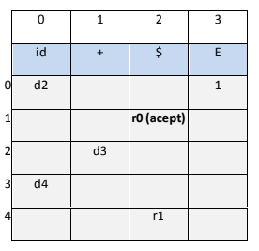
Ejercicio 1
 |  |  |  |  | R1
 | Pila |  | Entrada | Salida
 | $0 |  | hola+mundo$ | d2
 | $0hola2 |  | /+mundo$ | d3
 | $0hola2+3 |  | mundo$ | d4
 | $0hola2+3mundo4 |  | $ | R1 E -> id +id
 | $0 |  | $ | 1
 | $0E1 |  | $ | R0 (accept)

 | Ejercicio 2

$$E →id+E$$
$$E →id$$
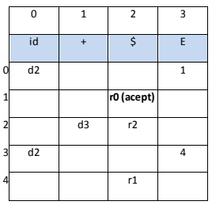
 | Pila | Entrada | Salida | R1
 | $0 | a+b+c+d+e+f$ | d2 | R2
 | $0a2 | +b+c+d+e+f$ | d3
 | $0a2+3 | b+c+d+e+f$ | d2
 | $0a2+3b2 | +c+d+e+f$ | d3
 | $0a2+3b2+3 | c+d+e+f$ | d2
 | $0a2+3b2+3c2 | +d+e+f$ | d3
 | $0a2+3b2+3c2+3 | d+e+f$ | d2
 | $0a2+3b2+3c2+3d2 | +e+f$ | d3
 | $0a2+3b2+3c2+3d2+3 | e+f$ | d2
 | $0a2+3b2+3c2+3d2+3e2 | +f$ | d3
 | $0a2+3b2+3c2+3d2+3e2+3 | f$ | d2
 | $0a2+3b2+3c2+3d2+3e2+3f2 | $ | R2 E-> id
 | $0a2+3b2+3c2+3d2+3e2+3 | $ | 4
 | $0a2+3b2+3c2+3d2+3e2+3E4 | $ | R1 E-> id + E
 | $0a2+3b2+3c2+3d2+3 | $ | 4
 | $0a2+3b2+3c2+3d2+3E4 | $ | R1 E-> id + E
 | $0a2+3b2+3c2+3 | $ | 4
 | $0a2+3b2+3c2+3E4 | $ | R1 E-> id + E
 | $0a2+3b2+3 | $ | 4
 | $0a2+3b2+3E4 | $ | R1 E-> id + E
 | $0a2+3 | $ | 4
 | $0a2+3E4 | $ | R1 E-> id + E
 | $0 | $ | 1
 | $0E1 | $ | R0 (accept)

