GRAPH
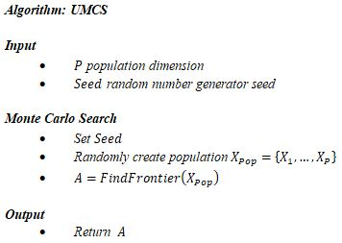
IMG 1 | Portfolio Homogenety Level Distribution

IMG 2 | Homogenity Level vs Algorithm Performance
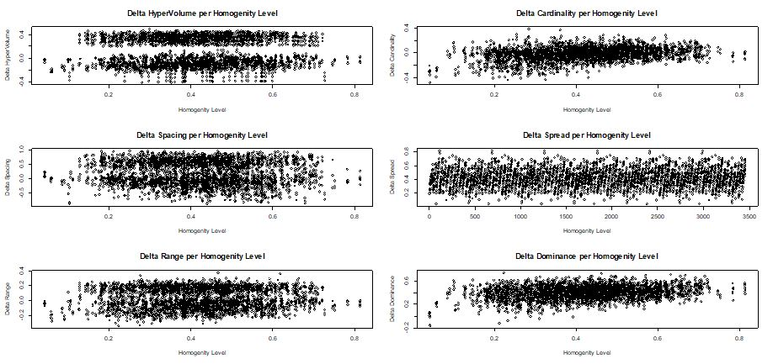

IMG 3 | Algorithm HyperVolume Delta

IMG 4 | Algorithm Cardinality Delta

IMG 5 | Algorithm Spacing Delta

IMG 6 | Algorithm Spread Delta

IMG 7 | Algorithm Range Delta

IMG 8 | Portfolio Dominance Level Distribution

IMG 9 | DEMO Algorithm

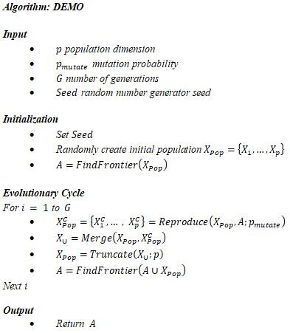

IMG 10 | UMCS Algorithm

