Pitch LM (nftool)
IDENTIFICACIÓN | CARACTERÍSTICAS DE LOS DATOS |  |  |  |  | CONFIGURACIÓN DE LA RED |  |  |  |  | PROGRESS |  |  |  |  |  | RESULTS
Identificador | Inputs |  | Outputs |  | Orden de los datos | Nº neuronas | % Train | % Validation | % Test | Training algorithm | Epoch | Time | Perfomance | Gradient | Mu | Validation Checks | Best Validation Performance | Error Histogram | Regression | Fit
1a | 3 | m1Position m2Position m3Position | 1 | RotationPitch | Orden aleatorio | 10 | 70 (46754 samples) | 15 (10019 samples) | 15 (10019 samples) | Levenberg-Marquardt backpropagation algorithm (trainlm) | 456 | 12s | 0.153 | 0.0410 | 1.00e-06 | 6 | 0.15916 at epoch 450 | 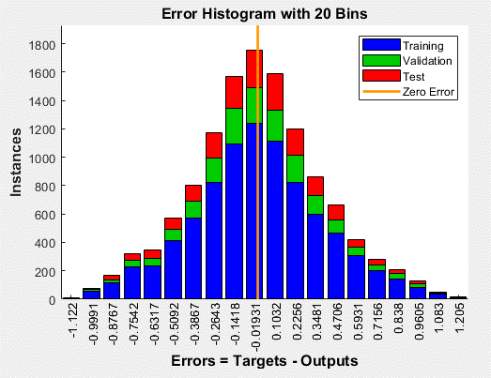 | Training: R=0.99985 Validation: R=0.99984 Test: R=0.99985 All: R=0.99985 | No disponible, al tener múltiples inputs
1b | 3 | m1Position m2Position m3Position | 1 | RotationPitch | Orden aleatorio | 30 | 70 (46754 samples) | 15 (10019 samples) | 15 (10019 samples) | Levenberg-Marquardt backpropagation algorithm (trainlm) | 713 | 27s | 0.0339 | 0.364 | 1.00e-05 | 6 | 0.039053 at epoch 707 | 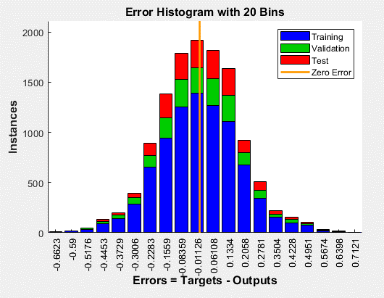 | Training: R=0.99997 Validation: R=0.99996 Test: R=0.99997 All: R=0.99997 | No disponible, al tener múltiples inputs
1c | 3 | m1Position m2Position m3Position | 1 | RotationPitch | Orden aleatorio | 50 | 70 (46754 samples) | 15 (10019 samples) | 15 (10019 samples) | Levenberg-Marquardt backpropagation algorithm (trainlm) | 1000 | 1min 35s | 0.0227 | 0.240 | 0.0001 | 0 | 0.023622 at epoch 1000 | 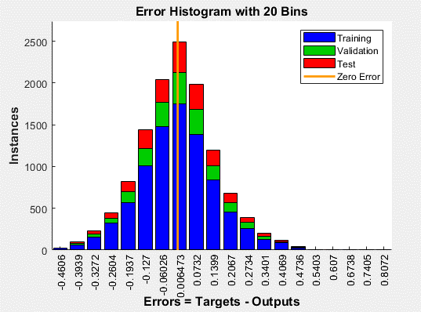 | Training: R=0.99998 Validation: R=0.99998 Test: R=0.99998 All: R=0.99998 | No disponible, al tener múltiples inputs

1d | 3 | m1Position m2Position m3Position | 1 | RotationPitch | Orden aleatorio | 30 | 60 (40076 samples) | 20 (13358 samples) | 20 (13358 samples) | Levenberg-Marquardt backpropagation algorithm (trainlm) | 215 | 12s | 0.0475 | 0.0329 | 0.00100 | 6 | 0.047823 at epoch 209 | 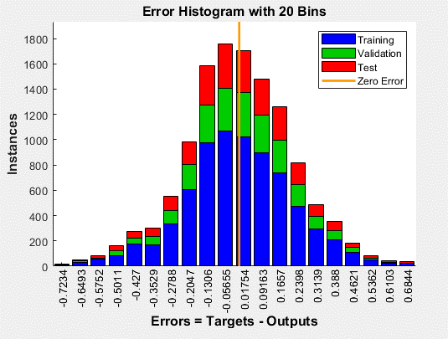 | Training: R=0.99995 Validation: R=0.99995 Test: R=0.99995 All: R=0.99995 | No disponible, al tener múltiples inputs
1e | 3 | m1Position m2Position m3Position | 1 | RotationPitch | Orden aleatorio | 30 | 65 (43415 samples) | 20 (13358 samples) | 15 (10019 samples) | Levenberg-Marquardt backpropagation algorithm (trainlm) | 415 | 22s | 0.0396 | 0.0451 | 0.00100 | 6 | 0.042499 at epoch 409 | 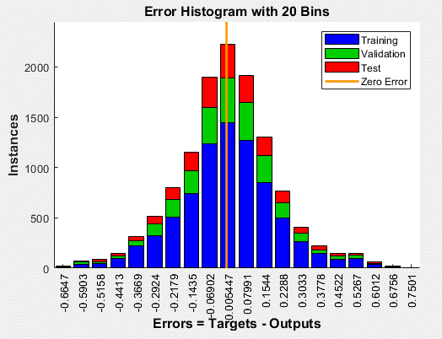 | Training: R=0.99996 Validation: R=0.99996 Test: R=0.99996 All: R=0.99996 | No disponible, al tener múltiples inputs
1f | 3 | m1Position m2Position m3Position | 1 | RotationPitch | Orden aleatorio | 30 | 65 (43415 samples) | 15 (10019 samples) | 20 (13358 samples) | Levenberg-Marquardt backpropagation algorithm (trainlm) | 603 | 33s | 0.0376 | 0.588 | 1.00e-05 | 6 | 0.039964 at epoch 597 | 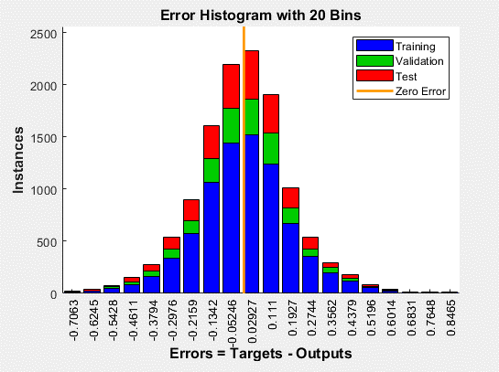 | Training: R=0.99996 Validation: R=0.99996 Test: R=0.99996 All: R=0.99996 | No disponible, al tener múltiples inputs

Pitch Bayesian (nftool)
IDENTIFICACIÓN | CARACTERÍSTICAS DE LOS DATOS |  |  |  |  | CONFIGURACIÓN DE LA RED |  |  |  |  | PROGRESS |  |  |  |  |  |  | RESULTS
Identificador | Inputs |  | Outputs |  | Orden de los datos | Nº neuronas | % Train | % Validation | % Test | Training algorithm | Epoch | Time | Perfomance | Gradient | Mu | Effective # Param | Sum Squared Param | Best Validation Performance | Error Histogram | Regression | Fit
1g | 3 | m1Position m2Position m3Position | 1 | RotationPitch | Orden aleatorio | 10 | 70 (46754 samples) | 15 (10019 samples) | 15 (10019 samples) | Bayesian Regularization | 548 | 10s | 0.154 | 4.12e-05 | 5.00e+10 | 49.1 | 1.26e+03 | 0.15418 at epoch 547 | 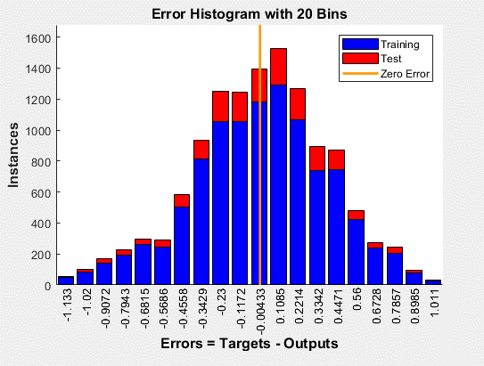 | Training: R=0.99985 Test: R=0.99986 All: R=0.99985 | No disponible, al tener múltiples inputs
1h | 3 | m1Position m2Position m3Position | 1 | RotationPitch | Orden aleatorio | 30 | 70 (46754 samples) | 15 (10019 samples) | 15 (10019 samples) | Bayesian Regularization | 1000 | 44s | 0.0285 | 0.436 | 50.0 | 144 | 1.32e+03 | 0.028544 at epoch 1000 | 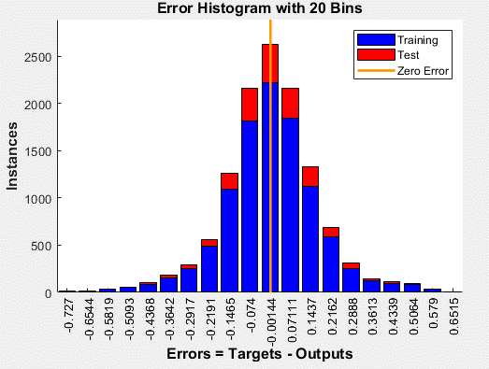 | Training: R=0.99997 Test: R=0.99997 All: R=0.99997 | No disponible, al tener múltiples inputs
1i | 3 | m1Position m2Position m3Position | 1 | RotationPitch | Orden aleatorio | 50 | 70 (46754 samples) | 15 (10019 samples) | 15 (10019 samples) | Bayesian Regularization | 1000 | 1min 17s | 0.0381 | 0.119 | 50.0 | 146 | 1.21e+03 | 0.038105 at epoch 1000 | 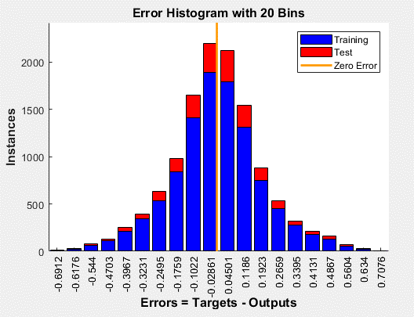 | Training: R=0.99996 Test: R=0.99996 All: R=0.99996 | No disponible, al tener múltiples inputs

1j | 3 | m1Position m2Position m3Position | 1 | RotationPitch | Orden aleatorio | 30 | 60 (40076 samples) | 20 (13358 samples) | 20 (13358 samples) | Bayesian Regularization | 1000 | 42s | 0.0434 | 0.314 | 50.0 | 121 | 915 | 0.043372 at epoch 1000 | 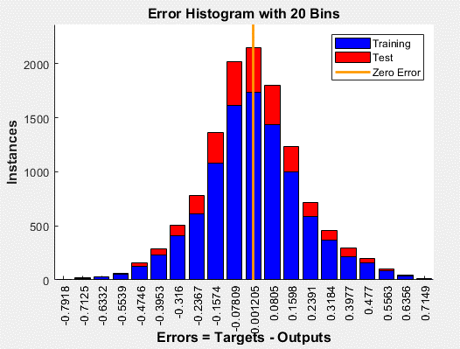 | Training: R=0.99996 Test: R=0.99996 All: R=0.99996 | No disponible, al tener múltiples inputs
1k | 3 | m1Position m2Position m3Position | 1 | RotationPitch | Orden aleatorio | 30 | 65 (43415 samples) | 20 (13358 samples) | 15 (10019 samples) | Bayesian Regularization | 1000 | 40s | 0.0279 | 0.165 | 50.0 | 144 | 1.26e+03 | 0.027902 at epoch 1000 | 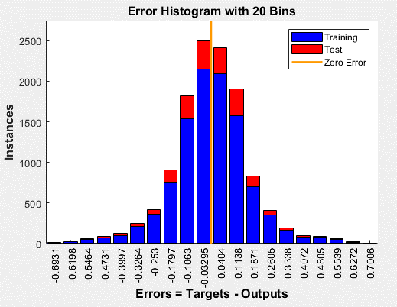 | Training: R=0.99997 Test: R=0.99997 All: R=0.99997 | No disponible, al tener múltiples inputs
1l | 3 | m1Position m2Position m3Position | 1 | RotationPitch | Orden aleatorio | 30 | 65 (43415 samples) | 15 (10019 samples) | 20 (13358 samples) | Bayesian Regularization | 1000 | 43s | 0.0384 | 0.0982 | 50.0 | 132 | 1.19e+03 | 0.038363 at epoch 1000 | 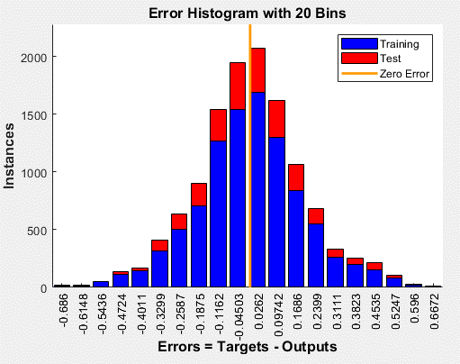 | Training: R=0.99996 Test: R=0.99996 All: R=0.99996 | No disponible, al tener múltiples inputs

Pitch Scaled Conjugate (nftool)
IDENTIFICACIÓN | CARACTERÍSTICAS DE LOS DATOS |  |  |  |  | CONFIGURACIÓN DE LA RED |  |  |  |  | PROGRESS |  |  |  |  | RESULTS
Identificador | Inputs |  | Outputs |  | Orden de los datos | Nº neuronas | % Train | % Validation | % Test | Training algorithm | Epoch | Time | Perfomance | Gradient | Validation Checks | Best Validation Performance | Error Histogram | Regression | Fit
1m | 3 | m1Position m2Position m3Position | 1 | RotationPitch | Orden aleatorio | 10 | 70 (46754 samples) | 15 (10019 samples) | 15 (10019 samples) | Scaled Conjugate Gradient | 252 | 2s | 1.2 | 5.24 | 6 | 1.1999 at epoch 246 | 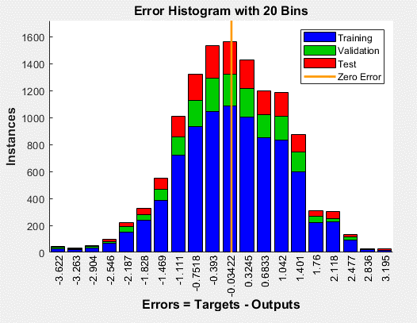 | Training: R=0.99879 Validation: R=0.99882 Test: R=0.99881 All: R=0.9988 | No disponible, al tener múltiples inputs
1n | 3 | m1Position m2Position m3Position | 1 | RotationPitch | Orden aleatorio | 30 | 70 (46754 samples) | 15 (10019 samples) | 15 (10019 samples) | Scaled Conjugate Gradient | 508 | 7s | 0.342 | 1.57 | 6 | 0.36408 at epoch 502 | 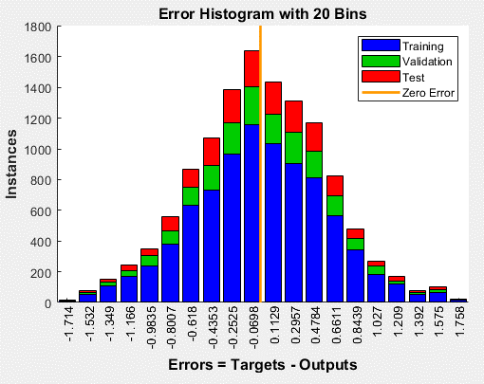 | Training: R=0.99966 Validation: R=0.99963 Test: R=0.99966 All: R=0.99966 | No disponible, al tener múltiples inputs
1o | 3 | m1Position m2Position m3Position | 1 | RotationPitch | Orden aleatorio | 50 | 70 (46754 samples) | 15 (10019 samples) | 15 (10019 samples) | Scaled Conjugate Gradient | 273 | 5s | 0.448 | 3.53 | 6 | 0.47012 at epoch 267 | 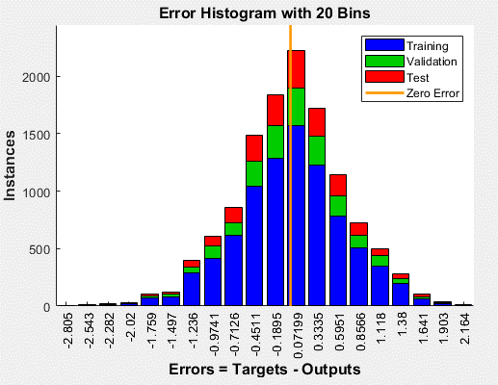 | Training: R=0.99955 Validation: R=0.99954 Test: R=0.99955 All: R=0.99955 | No disponible, al tener múltiples inputs

1p | 3 | m1Position m2Position m3Position | 1 | RotationPitch | Orden aleatorio | 30 | 60 (40076 samples) | 20 (13358 samples) | 20 (13358 samples) | Scaled Conjugate Gradient | 466 | 7s | 0.556 | 1.51 | 6 | 0.57847 at epoch 460 | 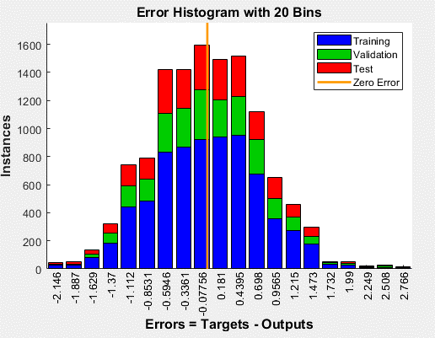 | Training: R=0.99945 Validation: R=0.99942 Test: R=0.9994 All: R=0.99943 | No disponible, al tener múltiples inputs
1q | 3 | m1Position m2Position m3Position | 1 | RotationPitch | Orden aleatorio | 30 | 65 (43415 samples) | 20 (13358 samples) | 15 (10019 samples) | Scaled Conjugate Gradient | 767 | 10s | 0.280 | 0.779 | 6 | 0.27515 at epoch 761 | 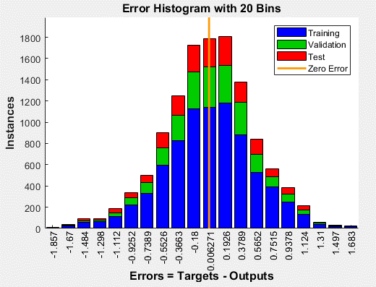 | Training: R=0.99972 Validation: R=0.99973 Test: R=0.9997 All: R=0.99972 | No disponible, al tener múltiples inputs
1r | 3 | m1Position m2Position m3Position | 1 | RotationPitch | Orden aleatorio | 30 | 65 (43415 samples) | 15 (10019 samples) | 20 (13358 samples) | Scaled Conjugate Gradient | 336 | 5s | 0.393 | 1.35 | 6 | 0.41125 at epoch 330 | 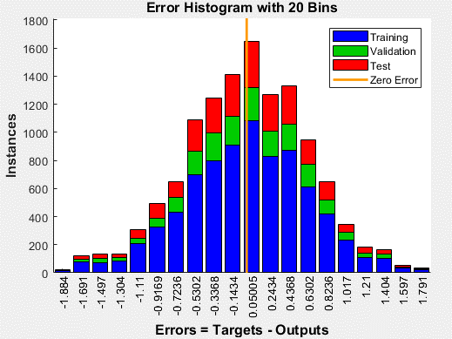 | Training: R=0.99961 Validation: R=0.99959 Test: R=0.99961 All: R=0.99961 | No disponible, al tener múltiples inputs

