BD_completa
 | IDENTIFICACIÓN | FECHA | CARACTERÍSTICAS DE LOS DATOS |  |  |  |  | CONFIGURACIÓN DE LA RED |  |  |  |  | PROGRESS |  |  |  |  |  | RESULTS
 | Identificador | Fecha de creación | Inputs |  | Outputs |  | Orden de los datos | Nº neuronas | % Train | % Validation | % Test | Training algorithm | Epoch | Time | Perfomance | Gradient | Mu | Validation Checks | Best Validation Performance | Error Histogram | Regression | Fit
DIRECTA | 1 | 2022-05-01 | 3 | m1Position m2Position m3Position | 1 | RotationPitch | Orden aleatorio | 30 | 70 (46754 samples) | 15 (10019 samples) | 15 (10019 samples) | Levenberg-Marquardt backpropagation algorithm (trainlm) | 713 | 27s | 0.0339 | 0.364 | 1.00e-05 | 6 | 0.039053 at epoch 707 | 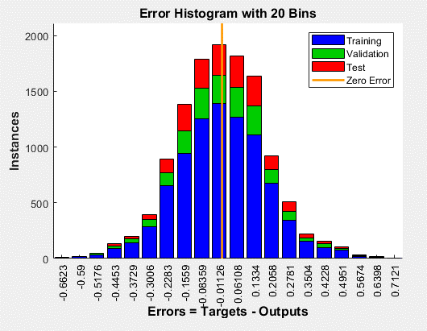 | Training: R=0.99997 Validation: R=0.99996 Test: R=0.99997 All: R=0.99997 | No disponible, al tener múltiples inputs
 | 4 | 2022-05-01 | 3 | m1Position m2Position m3Position | 1 | RotationYaw | Orden aleatorio | 30 | 70 (46754 samples) | 15 (10019 samples) | 15 (10019 samples) | Levenberg-Marquardt backpropagation algorithm (trainlm) | 1000 | 39s | 0.0479 | 0.0692 | 0.000100 | 0 | 0.048289 at epoch 1000 |  | Training: R=0.99997 Validation: R=0.99997 Test: R=0.99997 All: R=0.99997 | No disponible, al tener múltiples inputs
 | 7 | 2022-05-01 | 3 | m1Position m2Position m3Position | 2 | RotationPitch RotationYaw | Orden aleatorio | 30 | 70 (46754 samples) | 15 (10019 samples) | 15 (10019 samples) | Levenberg-Marquardt backpropagation algorithm (trainlm) | 925 | 1min 8s | 0.0803 | 3.24 | 0.000100 | 6 | 0.081007 at epoch 919 | 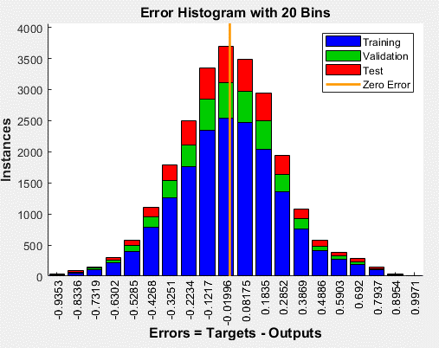 | Training: R=0.99994 Validation: R=0.99994 Test: R=0.99994 All: R=0.99994 | No disponible, al tener múltiples inputs

INVERSA | 9 | 2022-05-01 | 2 | RotationPitch RotationYaw | 3 | m1Position m2Position m3Position | Orden aleatorio | 30 | 70 (46754 samples) | 15 (10019 samples) | 15 (10019 samples) | Levenberg-Marquardt backpropagation algorithm (trainlm) | 815 | 1min 23s | 0.0231 | 0.000237 | 1.00e-06 | 6 | 0.02346 at epoch 809 | 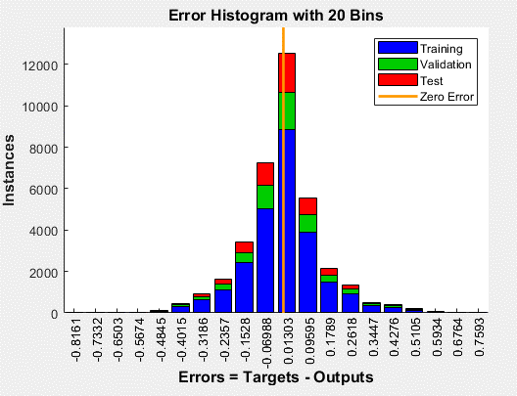 | Training: R=0.99775 Validation: R=0.99772 Test: R=0.99765 All: R=0.99773 | No disponible, al tener múltiples inputs

BD_P0orY0
 | IDENTIFICACIÓN | FECHA | CARACTERÍSTICAS DE LOS DATOS |  |  |  |  | CONFIGURACIÓN DE LA RED |  |  |  |  | PROGRESS |  |  |  |  |  | RESULTS
 | Identificador | Fecha de creación | Inputs |  | Outputs |  | Orden de los datos | Nº neuronas | % Train | % Validation | % Test | Training algorithm | Epoch | Time | Perfomance | Gradient | Mu | Validation Checks | Best Validation Performance | Error Histogram | Regression | Fit
DIRECTA | 2 | 2022-05-01 | 3 | m1Position m2Position m3Position | 1 | RotationPitch | Orden aleatorio | 30 | 70 (46754 samples) | 15 (10019 samples) | 15 (10019 samples) | Levenberg-Marquardt backpropagation algorithm (trainlm) | 1000 | 19s | 0.00460 | 0.0312 | 0.000100 | 0 | 0.0059307 at epoch 1000 | 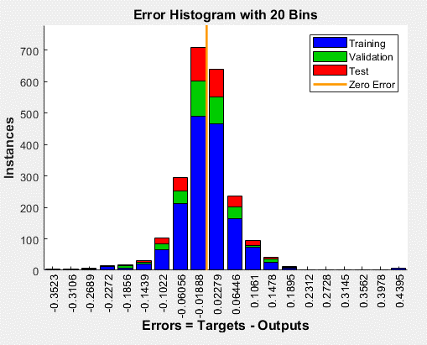 | Training: R=0.99999 Validation: R=0.99999 Test: R=0.99999 All: R=0.99999 | No disponible, al tener múltiples inputs
 | 5 | 2022-05-01 | 3 | m1Position m2Position m3Position | 1 | RotationYaw | Orden aleatorio | 30 | 70 (46754 samples) | 15 (10019 samples) | 15 (10019 samples) | Levenberg-Marquardt backpropagation algorithm (trainlm) | 931 | 11s | 0.00151 | 0.130 | 1.00e-05 | 6 | 0.0012935 at epoch 925 | 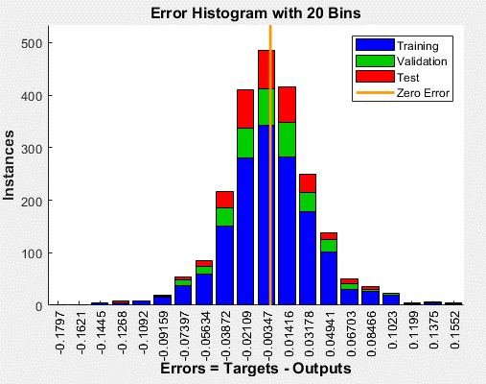 | Training: R=1 Validation: R=1 Test: R=1 All: R=1 | No disponible, al tener múltiples inputs
 | 8 | 2022-05-01 | 3 | m1Position m2Position m3Position | 2 | RotationPitch RotationYaw | Orden aleatorio | 30 | 70 (46754 samples) | 15 (10019 samples) | 15 (10019 samples) | Levenberg-Marquardt backpropagation algorithm (trainlm) | 965 | 16s | 0.00566 | 0.00819 | 0.000100 | 6 | 0.0065569 at epoch 959 | 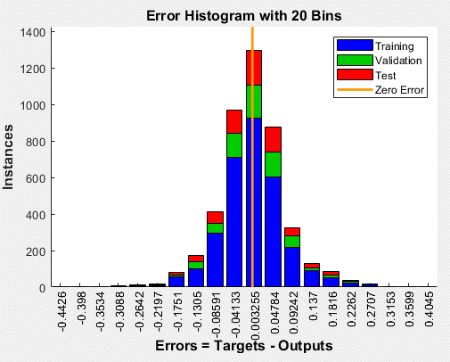 | Training: R=0.99999 Validation: R=0.99999 Test: R=0.99999 All: R=0.99999 | No disponible, al tener múltiples inputs

INVERSA | 10 | 2022-05-01 | 2 | RotationPitch RotationYaw | 3 | m1Position m2Position m3Position | Orden aleatorio | 30 | 70 (46754 samples) | 15 (10019 samples) | 15 (10019 samples) | Levenberg-Marquardt backpropagation algorithm (trainlm) | 366 | 9s | 0.00394 | 0.000428 | 1.00e-05 | 6 | 0.0040028 at epoch 360 | 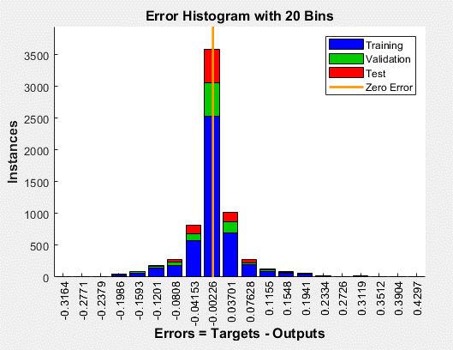 | Training: R=0.99923 Validation: R=0.99925 Test: R=0.99916 All: R=0.99922 | No disponible, al tener múltiples inputs

BD_P0
 | IDENTIFICACIÓN | FECHA | CARACTERÍSTICAS DE LOS DATOS |  |  |  |  | CONFIGURACIÓN DE LA RED |  |  |  |  | PROGRESS |  |  |  |  |  | RESULTS
 | Identificador | Fecha de creación | Inputs |  | Outputs |  | Orden de los datos | Nº neuronas | % Train | % Validation | % Test | Training algorithm | Epoch | Time | Perfomance | Gradient | Mu | Validation Checks | Best Validation Performance | Error Histogram | Regression | Fit
DIRECTA | 6 | 2022-05-01 | 3 | m1Position m2Position m3Position | 1 | RotationYaw | Orden aleatorio | 30 | 70 (46754 samples) | 15 (10019 samples) | 15 (10019 samples) | Levenberg-Marquardt backpropagation algorithm (trainlm) | 113 | 1s | 0.00225 | 0.0678 | 0.000100 | 6 | 0.0028579 at epoch 107 | 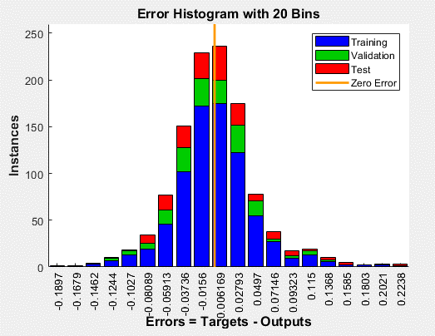 | Training: R=1 Validation: R=1 Test: R=1 All: R=1 | No disponible, al tener múltiples inputs

INVERSA | 11 | 2022-05-01 | 1 | RotationYaw | 3 | m1Position m2Position m3Position | Orden aleatorio | 30 | 70 (46754 samples) | 15 (10019 samples) | 15 (10019 samples) | Levenberg-Marquardt backpropagation algorithm (trainlm) | 16 | 0s | 0.00354 | 0.000118 | 1.00e-06 | 6 | 0.0043101 at epoch 10 | 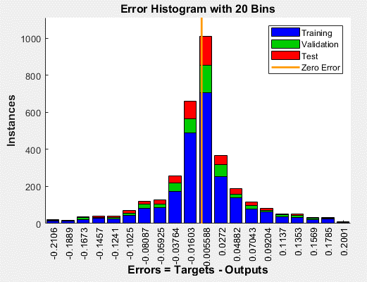 | Training: R=0.9993 Validation: R=0.99915 Test: R=0.99932 All: R=0.99928 | 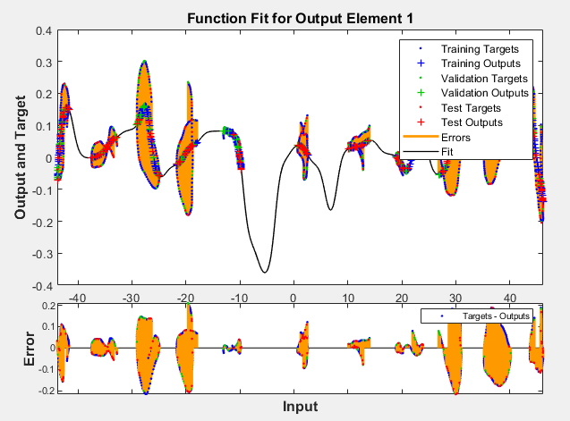

BD_Y0
 | IDENTIFICACIÓN | FECHA | CARACTERÍSTICAS DE LOS DATOS |  |  |  |  | CONFIGURACIÓN DE LA RED |  |  |  |  | PROGRESS |  |  |  |  |  | RESULTS
 | Identificador | Fecha de creación | Inputs |  | Outputs |  | Orden de los datos | Nº neuronas | % Train | % Validation | % Test | Training algorithm | Epoch | Time | Perfomance | Gradient | Mu | Validation Checks | Best Validation Performance | Error Histogram | Regression | Fit
DIRECTA | 3 | 2022-05-01 | 3 | m1Position m2Position m3Position | 1 | RotationPitch | Orden aleatorio | 30 | 70 (46754 samples) | 15 (10019 samples) | 15 (10019 samples) | Levenberg-Marquardt backpropagation algorithm (trainlm) | 811 | 6s | 0.00147 | 0.482 | 1.00e-05 | 6 | 0.0018317 at epoch 805 | 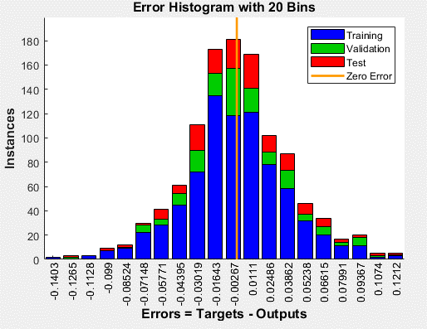 | Training: R=1 Validation: R=1 Test: R=1 All: R=1 | No disponible, al tener múltiples inputs

INVERSA | 12 | 2022-05-01 | 1 | RotationPitch | 3 | m1Position m2Position m3Position | Orden aleatorio | 30 | 70 (46754 samples) | 15 (10019 samples) | 15 (10019 samples) | Levenberg-Marquardt backpropagation algorithm (trainlm) | 10 | 0s | 2.44 | 0.00534 | 0.00100 | 6 | 2.6437 at epoch 4 | 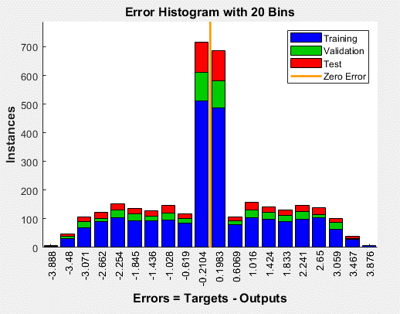 | Training: R=0.20499 Validation: R=0.13418 Test: R=0.075472 All: R=0.15316 | 