Sheet1
 |  | Imaging Solution
 |  |  | Image Analysis Report
Author: |  |  |  | Title:
Sample: |  |  |  | Type:
Result: | {{MT.1.1.6}} {{MT.1.-1.6}} |  |  | Date: | {{YYYY}}-{{mm}}-{{DD}}-{{HH}}-{{MM}}-{{SS}}
Assistant:
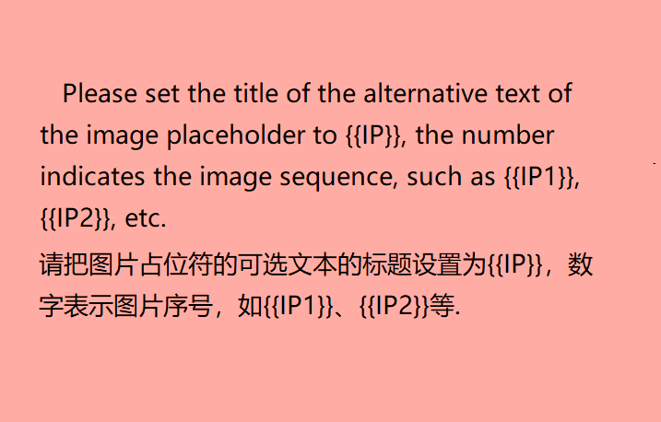

 |  |  |  |  |  | Unit: | {{LU}}
{{MH}}
{{MT}}

Comments: Please enter the comments here

