Sheet1
 | 1 | 0.75 | 0.5 | 0.25
13 | 0.60688202415 | 1.9178090637 | 2.0748289729 | 4.4742660402
1 | 0.60679017967 | 1.9165927574 | 2.0746944232 | 4.4777343996
22 | 294.8085223 | 273.93290728 | 250.90672148 | 231.47987765
24 | 0.60684826474 | 1.9174728895 | 2.074577175 | 4.4742435293
29 | 41.901721155 | 34.312979978 | 25.735744702 | 19.670164109
30 | 0.60679958681 | 1.9166435277 | 2.0745704036 | 4.4741815008
6 | 0.6068131513 | 1.9170114913 | 2.0745018702 | 4.4741718222
 | 339.74437666 | 317.83141699 | 287.01563902 | 273.52463905

Storage Duration
 | δ | LDES |  |  | BESS
 |  | P | E | Duration | P | E | Duration
 | 1.00 | 9.231 | 1460.253 | 87.000 | 9.854 | 149.948 | 14.000
Complete | 0.75 | 9.312 | 1471.191 | 86.891 | 9.917 | 150.870 | 13.996
 | 0.50 | 9.319 | 1476.369 | 87.132 | 9.922 | 150.959 | 13.997
 | 0.25 | 9.360 | 1515.444 | 89.051 | 9.975 | 151.693 | 13.991
 | 0.75 | 9.045 | 1445.464 | 87.895 | 9.833 | 149.640 | 14.000
 | 0.50 | 8.899 | 1480.119 | 91.480 | 9.841 | 149.758 | 14.000
 | 0.25 | 9.097 | 1540.579 | 93.138 | 9.743 | 148.257 | 14.000

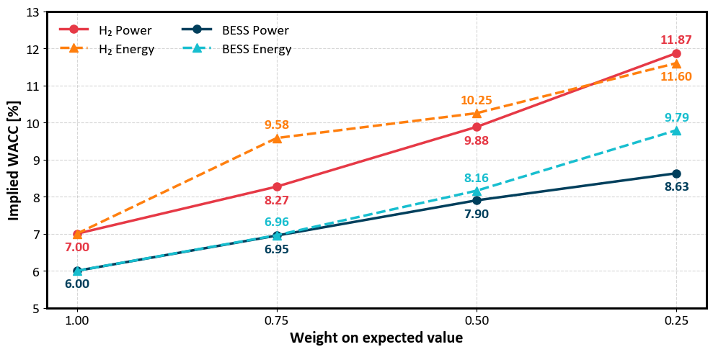
 |  | WACC (%)
δ=0.75 | H2 P | 8.27
 | H2 E | 9.58
 | BESS P | 6.95
 | BESS E | 6.96
δ=0.50 | H2 P | 9.88
 | H2 E | 10.25
 | BESS P | 7.9
 | BESS E | 8.16
δ=0.25 | H2 P | 11.87
 | H2 E | 11.6
 | BESS P | 8.63
 | BESS E | 9.79

 | risk neutral
 | average price | UE | total energy |  | sw |  |  |  |  |  | SW |  | total costs
1 | 139.8791 | 12.114566095 | 570458.22548 | 0.0021236552572 | 10923247265 |  |  |  |  |  | 10923247265 |  | 76899334.458

 | complete |  |  |  |  |  |  |  |  |  | SW Complete
 | average price | UE | sw |  |  |  |  |  | 150040.546 | 150040.546 | 10923270565 | 0.03
0.9 | 136.1422 | 11.5 | 10922995152 | 11.93 |  |  | -3.7369 | -1.5235056216 | 300040.546 | 300040.546 | 10923320565 | 0.10
0.8 | 132.7545 | 10.852166784 | 10922782112 | 11.55 |  |  | -7.1246 | -4.6602254761 | 477740.4367 | 477740.4367 | 10923379565 | 0.17
0.7 | 129.6229 | 10.999738686 | 10922560711 | 11.16 |  |  | -10.2562 | -7.8794905899 | 737240.1047 | 737240.1047 | 10923447065 | 0.26
0.6 | 126.5853 | 11.162758833 | 10922302339 | 10.99 |  |  | -13.2938 | -9.2827599984 | 931980.098 | 931980.098 | 10923505657 | 0.34
0.5 | 123.7778 | 11.935476438 | 10922081013 | 10.85 |  |  | -16.1013 | -10.438393629 | 1180165.952 | 1180165.952 | 10923599657 | 0.46
0.4 | 121.2859 | 11.55170695 | 10921883049 | 9.96 |  |  | -18.5932 | -17.784921709 | 1551621.4845 | 1551621.4845 | 10923670657 | 0.55
0.3 | 119.1034 | 13.169294166 | 10921628804 | 9.24 |  |  | -20.7757 | -23.728180381 | 2886826.3337 | 2886826.3337 | 10923765657 | 0.67
0.2 | 117.1351 | 15.911137879 | 10921355167 | 8.4 |  |  | -22.744 | -30.661982164 | 4630098.2475 | 4630098.2475 | 10923885657 | 0.83
0.1 | 115.9317 | 20.691522848 | 10921045379 | 7.89 | 34.87179039 |  | -23.9474 | -34.87179039 |  |  |  |  |  | sw
 |  |  |  |  |  |  |  |  |  |  | SW Incomplete |  |  | 10922995152
 | incomplete |  |  |  |  |  |  |  |  |  | 10923120524 | -0.16 |  | 10922782112
 | average price | UE | sw |  |  |  |  |  |  |  | 10923020524 | -0.29 |  | 10922560711
0.9 | 144.4936 | 12.2 | 10923116521 | -0.7 | -0.000122708 |  | 4.6145 | 0.70521638025 |  |  | 10922901825 | -0.45 |  | 10922302339
0.8 | 149.5679 | 12.344589827 | 10922863408 | -1.4924230434 | -0.00026161828803 |  | 9.6888 | 1.8987368568 |  |  | 10922709825 | -0.70 |  | 10922081013
0.7 | 155.0815 | 12.881285058 | 10922574936 | -1.8815463716 | -0.00032983070232 |  | 15.2024 | 6.3289015564 |  |  | 10922573677 | -0.88 |  | 10921883049
0.6 | 161.3403 | 13.429691244 | 10922238615 | -2.2669324105 | -0.00039738797852 |  | 21.4612 | 10.855734643 |  |  | 10922419491 | -1.08 |  | 10921628804
0.5 | 168.9677 | 16.099853951 | 10921849033 | -4.164377513 | -0.0007300056914 |  | 29.0886 | 32.896661953 |  |  | 10922119036 | -1.47 |  | 10921355167
0.4 | 180.7343 | 16.707565248 | 10921849033 | -5.1558582983 | -0.0009038099668 |  | 40.8552 | 37.913030614 |  |  | 10920878831 | -3.08 |  | 10921045379
0.3 | 199.2776 | 18.6421012 | 10920737182 | -5.4728070331 | -0.00095937034276 |  | 59.3985 | 53.881707793 |  |  | 10919255559 | -5.19
0.2 | 223.6784 | 21.611071152 | 10919868341 | -5.6999332726 | -0.00099918504424 |  | 83.7993 | 78.389147257
0.1 | 305.9627 | 38.503650887 | 10916415280 | -17.812128038 | -0.0031224246129 |  | 166.0836 | 217.82938475 |  |  |  |  |  | sw
 |  |  |  |  |  |  |  |  |  |  |  |  |  | 10923116521
 |  |  | -121368.4214 | 1131.58 | -5.778168153 |  |  |  |  |  | -5.1908204614 |  |  | 10922863408
 |  |  | -81295.454 | 8704.55 | -12.319244715 |  |  |  |  |  | -3.0799154383 |  |  | 10922574936
 |  |  | -14225.563299 | 25774.44 | -15.531273318 |  |  |  |  |  | -1.4671513514 |  |  | 10922238615
 |  |  | 63724.1047 | 63724.10 | -18.712452371 |  |  |  |  |  | -1.0764385648 |  |  | 10921849033
 |  |  | 231980.098 | 231980.10 | -34.374962175 |  |  |  |  |  | -0.87593506881 |  |  | 10921849033
 |  |  | 34016.5952 | 340165.95 | -42.559166029 |  |  |  |  |  | -0.69888803159 |  |  | 10920737182
 |  |  | 891621.4845 | 891621.48 | -45.17542758 |  |  |  |  |  | -0.44921139999 |  |  | 10919868341
 |  |  | 1486826.3337 | 1486826.33 | -47.050247014 |  |  |  |  |  | -0.29485389932 |  |  | 10916415280
 |  |  | 4630098.2475 | 4630098.25 | -147.03067281 |  |  |  |  |  | -0.16481376216

 |  |  |  | 1.0359360843E-05
 |  |  |  | 7.9688262915E-05
 |  |  |  | 0.00023595947318
 |  |  |  | 0.00058338059327
 |  |  |  | 0.0021237283417
 |  |  |  | 0.003114146771
 |  |  |  | 0.008162604607
 |  |  |  | 0.013611578111
 |  |  |  | 0.042387562371

