Sheet1
 | 1 | 0.75 | 0.5 | 0.25
13 | 0.60688202415 | 1.9178090637 | 2.0748289729 | 4.4742660402
1 | 0.60679017967 | 1.9165927574 | 2.0746944232 | 4.4777343996
22 | 294.8085223 | 273.93290728 | 250.90672148 | 231.47987765
24 | 0.60684826474 | 1.9174728895 | 2.074577175 | 4.4742435293
29 | 41.901721155 | 34.312979978 | 25.735744702 | 19.670164109
30 | 0.60679958681 | 1.9166435277 | 2.0745704036 | 4.4741815008
6 | 0.6068131513 | 1.9170114913 | 2.0745018702 | 4.4741718222
 | 339.74437666 | 317.83141699 | 287.01563902 | 273.52463905

Storage Duration
 | δ | LDES |  |  | BESS
 |  | P | E | Duration | P | E | Duration
 | 1.00 | 9.231 | 1460.253 | 87.000 | 9.854 | 149.948 | 14.000
Complete | 0.75 | 9.312 | 1471.191 | 86.891 | 9.917 | 150.870 | 13.996
 | 0.50 | 9.319 | 1476.369 | 87.132 | 9.922 | 150.959 | 13.997
 | 0.25 | 9.360 | 1515.444 | 89.051 | 9.975 | 151.693 | 13.991
Fully Incomplete | 0.75 | 9.045 | 1445.464 | 87.895 | 9.833 | 149.640 | 14.000
 | 0.50 | 8.899 | 1480.119 | 91.480 | 9.841 | 149.758 | 14.000
 | 0.25 | 9.097 | 1540.579 | 93.138 | 9.743 | 148.257 | 14.000

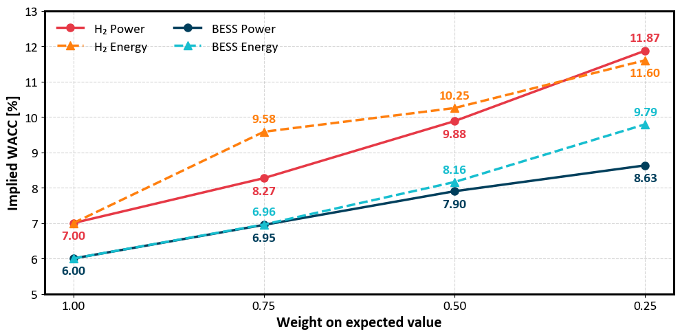
 |  | WACC (%)
δ=0.75 | H2 P | 8.27
 | H2 E | 9.58
 | BESS P | 6.95
 | BESS E | 6.96
δ=0.50 | H2 P | 9.88
 | H2 E | 10.25
 | BESS P | 7.9
 | BESS E | 8.16
δ=0.25 | H2 P | 11.87
 | H2 E | 11.6
 | BESS P | 8.63
 | BESS E | 9.79

