MFA 7
Results from the study on Google accounts with multi factor authentication.
2FA phone, authenticator app, backup codes and security key as the registered secondary factors.
Recovery email and recovery phone registered.
Signed in on phone.

NOTE: Providing any two of the factors in the recovery procedure would lead to a successful recovery.

Scenario | Recovery email | Recovery phone | Signed in on phone | Secondary factors | Known browser | Known IP address | Recovery procedure
Scenario 1 | Yes | Yes | Yes | -2FA phone (SMS) -Authenticator app -Backup codes -Security key | Yes | Same result for both | Test 1 1) Security key ✘ 2) Google prompt ✘ 3) Authenticator app ✘ 4) Backup code, 2FA phone or recovery phone ✘ 5) Verification code sent to account email ✘ --> Failed recovery Test 2 1) Security key ✔ 2) Google prompt ✘ 3) Authenticator app ✘ 4) Backup code ✘ 5) Verification code sent to account email or recovery email ✘ --> Verify new email --> Password reset link sent after 48hrs Test 3 1) Security key ✘ 2) Google prompt ✔ 3) Authenticator app ✘ 4) Backup code ✘ 5) Verification code sent to account email or recovery email ✘ --> Password reset link sent to account email after 48hrs Test 4 1) Security key ✘ 2) Google prompt ✘ 3) Authenticator app ✔ 4) Backup code ✘ 5) Verification code sent to account email or recovery email ✘ --> Verify new email --> Password reset link sent after 48hrs Test 5 1) Security key ✘ 2) Google prompt ✘ 3) Authenticator app ✘ 4) Backup code, 2FA phone or recovery phone ✔Any 5) Verification code sent to account email or recovery email ✘ --> Verify new email --> Password reset link sent after 48hrs Test 6 1) Security key ✘ 2) Google prompt ✘ 3) Authenticator app ✘ 4) Backup code, 2FA phone or recovery phone ✘ 5) Verification code sent to account email ✔ --> Password reset link sent to account email after 48hrs

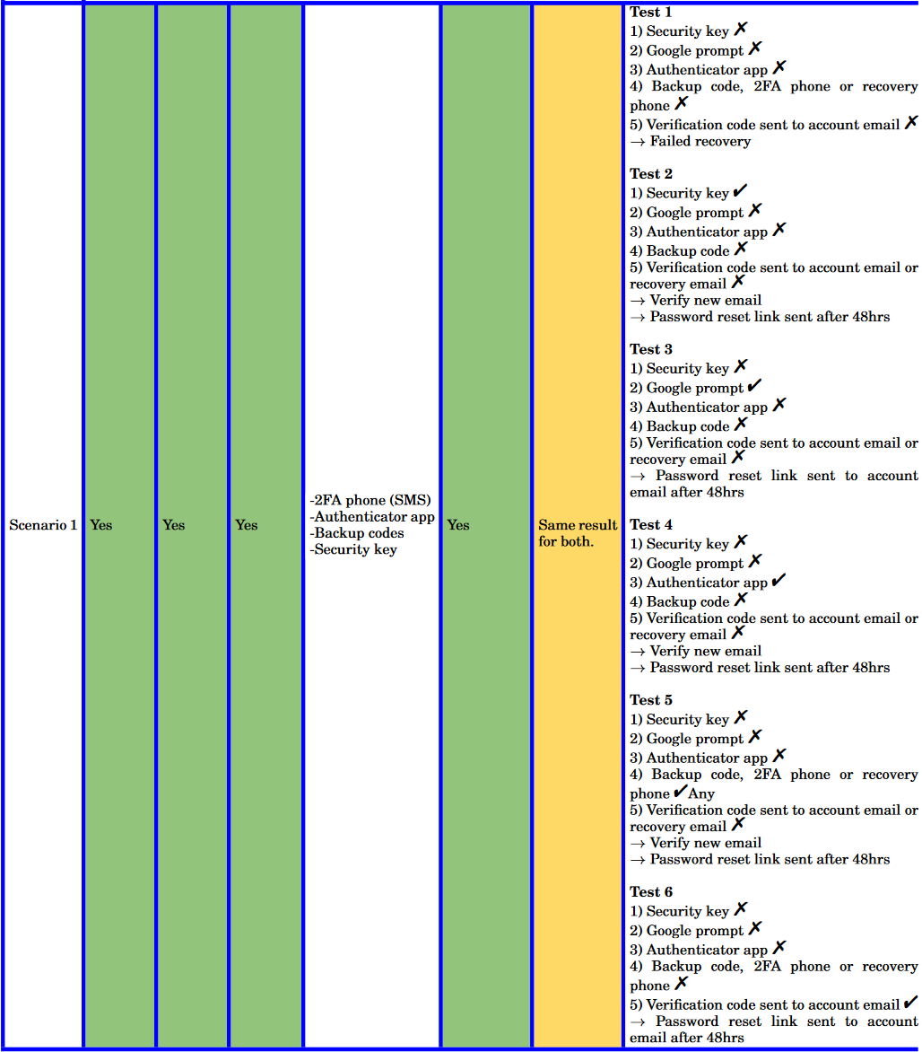
Scenario 2 | Yes | Yes | Yes | -2FA phone (SMS) -Authenticator app -Backup codes -Security key | No | Yes | Test 1 1) Security key ✘ 2) Google prompt ✘ 3) Authenticator app ✘ 4) Backup code, 2FA phone or recovery phone ✘ --> Failed recovery Test 2 1) Security key ✔ 2) Google prompt ✘ 3) Authenticator app ✘ 4) Backup code ✘ 5) Verification code sent to account email or recovery email ✘ --> Verify new email --> Password reset link sent after 48hrs Test 3 1) Security key ✘ 2) Google prompt ✔ 3) Authenticator app ✘ 4) Backup code ✘ 5) Verification code sent to account email or recovery email ✘ --> Password reset link sent to account email after 48hrs Test 4 1) Security key ✘ 2) Google prompt ✘ 3) Authenticator app ✔ 4) Backup code ✘ 5) Verification code sent to account email or recovery email ✘ --> Failed recovery Test 5 1) Security key ✘ 2) Google prompt ✘ 3) Authenticator app ✘ 4) Backup code, 2FA phone or recovery phone ✔Any 5) Verification code sent to account email or recovery email ✘ --> Failed recovery

Scenario 3 | Yes | Yes | Yes | -2FA phone (SMS) -Authenticator app -Backup codes -Security key | No | No | Test 1 1) Security key ✘ 2) Confirm 2FA phone number and Google prompt with two steps ✘ 3) Confirm recovery phone number and Google prompt with two steps ✘ 4) Authenticator app ✘ 5) Backup code ✘ --> Failed recovery Test 2 1) Security key ✔ 2) Verification code sent to account email or recovery email ✘ --> Verify new email --> Password reset link sent after 48hrs Test 3 1) Security key ✘ 2) Confirm 2FA phone number and Google prompt with two steps ✔ 3) Verification code sent to account email or recovery email ✘ 4) Google prompt with two steps (again) ✘ 5) Authenticator app ✘ --> Failed recovery Test 4 1) Security key ✘ 2) Confirm 2FA phone number and Google prompt with two steps ✔ 3) Verification code sent to account email or recovery email ✘ 4) Google prompt with two steps (again) ✔ --> Password reset link sent to account email after 48hrs Test 5 1) Security key ✘ 2) Confirm 2FA phone number and Google prompt with two steps ✔ 3) Verification code sent to account email or recovery email ✔ --> Successful recovery Test 6 1) Security key ✘ 2) Confirm 2FA phone number and Google prompt with two steps ✘ 3) Confirm recovery phone number and Google prompt with two steps ✘ 4) Authenticator app ✔ 5) Verification code sent to account email or recovery email ✘ 6) Backup code ✘ --> Failed recovery Test 7 1) Security key ✘ 2) Confirm 2FA phone number and Google prompt with two steps ✘ 3) Confirm recovery phone number and Google prompt with two steps ✘ 4) Authenticator app ✘ 5) Backup code ✔ 6) Verification code sent to account email or recovery email ✘ --> Failed recovery

 |  |  |  |  |  |  |  | Scenario 1 | Yes | Yes | Yes | -2FA phone (SMS) -Authenticator app -Backup codes -Security key | Yes | Same result for both | Test 1 1) Security key X 2) Google prompt X 3) Authenticator app X 4) Backup code, 2FA phone or recovery phone X 5) Verification code sent to account email X --> Failed recovery Test 2 1) Security key 2) Google prompt X 3) Authenticator app X 4) Backup code X 5) Verification code sent to account email or recovery email X --> Verify new email --> Password reset link sent after 48hrs Test 3 1) Security key X 2) Google prompt 3) Authenticator app X 4) Backup code X 5) Verification code sent to account email or recovery email X --> Password reset link sent to account email after 48hrs Test 4 1) Security key X 2) Google prompt X 3) Authenticator app 4) Backup code X 5) Verification code sent to account email or recovery email X --> Verify new email --> Password reset link sent after 48hrs Test 5 1) Security key X 2) Google prompt X 3) Authenticator app X 4) Backup code, 2FA phone or recovery phone Any 5) Verification code sent to account email or recovery email X --> Verify new email --> Password reset link sent after 48hrs Test 6 1) Security key X 2) Google prompt X 3) Authenticator app X 4) Backup code, 2FA phone or recovery phoneX 5) Verification code sent to account email Password reset link sent to account email after 48hrs
 |  |  |  |  |  |  |  |  |  |  |  |  |  |  |  | Any

