avg_rewards_200Train=TrueNN=3NN
 | avg_rewards | avg_rewards | 200ep, reward = paper, Binomial
0 | -6.32E-06 | -6.32E-06 |  | 200 MEMORY, 100 EP, Rew = paper, pre-trained
1 | -2.97E-05 | -2.97E-05
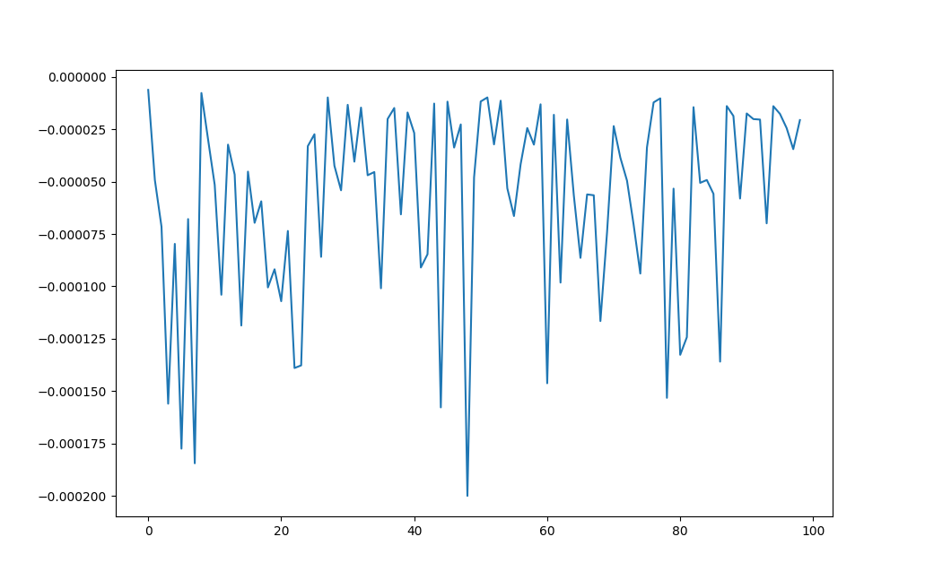
2 | -5.40E-05 | -5.40E-05
3 | -0.00018444 | -0.00018444
4 | -8.96E-06 | -8.96E-06
5 | -3.06E-05 | -3.06E-05
6 | -1.20E-05 | -1.20E-05
7 | -1.02E-05 | -1.02E-05
8 | -2.90E-05 | -2.90E-05
9 | -5.04E-05 | -5.04E-05
10 | -1.55E-05 | -1.55E-05
11 | -3.44E-05 | -3.44E-05
12 | -2.10E-05 | -2.10E-05
13 | -2.84E-05 | -2.84E-05
14 | -1.24E-05 | -1.24E-05
15 | -2.72E-05 | -2.72E-05
16 | -3.32E-05 | -3.32E-05
17 | -2.01E-05 | -2.01E-05
18 | -4.76E-05 | -4.76E-05
19 | -2.01E-05 | -2.01E-05
20 | -5.10E-05 | -5.10E-05
21 | -2.61E-05 | -2.61E-05
22 | -2.33E-05 | -2.33E-05
23 | -2.04E-05 | -2.04E-05
24 | -5.20E-05 | -5.20E-05
avg_rewards_using Rewards (ii)
 | avg_rewards_binomial
 | -0.0074224759003
 | -0.009793134695
 | -0.0096609336444
 | -0.023319606025
 | -0.01414716031
 | -0.029866751607
 | -0.014497185862
 | -0.0099294342078
 | -0.017545838721
 | -0.054193922392
 | -0.048016450729
 | -0.093500060245
 | -0.15092386294
 | -0.22111213065
 | -0.2213054996
 | -0.18348055395
 | -0.18670296408
 | -0.075277271755
 | -0.12893584967
 | -0.18299597835
 | -0.062556440762
 | -0.10714472637
 | -0.039332407243
 | -0.026716601628
 | -0.040639031376
 | -0.053253838404
 | -0.048650783856
 | -0.13592367325
 | -0.044831134854
 | -0.037432478916
 | -0.02854210516
 | -0.020790823406
 | -0.034599232998
 | -0.018186893428
 | -0.047830998619
 | -0.20943331727
 | -0.060802198289
 | -0.11334562885
 | -0.064740442667
 | -0.082665605739
 | -0.11057593868
 | -0.022694358203
 | -0.10954949801
 | -0.082248448698
 | -0.20798339044
 | -0.20838724716
 | -0.20730950194
 | -0.084514453364
 | 0.0020293839928
 | -0.0020713007983
...
25 | -1.58E-05 | -1.58E-05
avg_rewards_using Rewards (i)
26 | -7.28E-05 | -7.28E-05
27 | -3.89E-05 | -3.89E-05
28 | -7.44E-05 | -7.44E-05
29 | -1.33E-05 | -1.33E-05
30 | -1.70E-05 | -1.70E-05
31 | -2.80E-05 | -2.80E-05
32 | -1.60E-05 | -1.60E-05
33 | -3.12E-05 | -3.12E-05
34 | -6.04E-05 | -6.04E-05
35 | -1.06E-05 | -1.06E-05
36 | -4.44E-05 | -4.44E-05
37 | -4.57E-05 | -4.57E-05
38 | -2.22E-05 | -2.22E-05
39 | -1.27E-05 | -1.27E-05
40 | -0.00012096 | -0.00012096
41 | -2.36E-05 | -2.36E-05
42 | -1.24E-05 | -1.24E-05
43 | -6.90E-05 | -6.90E-05
44 | -1.09E-05 | -1.09E-05
45 | -1.18E-05 | -1.18E-05
46 | -1.09E-05 | -1.09E-05
47 | -3.86E-05 | -3.86E-05
48 | -1.20E-05 | -1.20E-05
49 | -1.45E-05 | -1.45E-05
50 | -6.02E-05 | -6.02E-05
51 | -1.09E-05 | -1.09E-05
52 | -2.02E-05 | -2.02E-05
53 | -7.70E-05 | -7.70E-05
54 | -9.64E-05 | -9.64E-05
55 | -9.44E-06 | -9.44E-06
56 | -8.40E-06 | -8.40E-06
57 | -0.00013228 | -0.00013228
58 | -0.0001324 | -0.0001324
59 | -1.07E-05 | -1.07E-05
60 | -7.20E-06 | -7.20E-06
61 | -9.88E-06 | -9.88E-06
62 | -1.10E-05 | -1.10E-05
63 | -5.01E-05 | -5.01E-05
64 | -1.12E-05 | -1.12E-05
65 | -9.44E-06 | -9.44E-06
66 | -2.35E-05 | -2.35E-05
67 | -1.16E-05 | -1.16E-05
68 | -1.36E-05 | -1.36E-05
69 | -3.00E-05 | -3.00E-05
70 | -1.42E-05 | -1.42E-05
71 | -1.55E-05 | -1.55E-05
72 | -1.47E-05 | -1.47E-05
73 | -9.48E-06 | -9.48E-06
74 | -3.26E-05 | -3.26E-05
75 | -7.72E-06 | -7.72E-06
76 | -1.95E-05 | -1.95E-05
77 | -1.36E-05 | -1.36E-05
78 | -1.11E-05 | -1.11E-05
79 | -1.10E-05 | -1.10E-05
80 | -8.24E-06 | -8.24E-06
81 | -1.06E-05 | -1.06E-05
82 | -1.91E-05 | -1.91E-05
83 | -8.36E-06 | -8.36E-06
84 | -1.32E-05 | -1.32E-05
85 | -1.08E-05 | -1.08E-05
86 | -1.38E-05 | -1.38E-05
87 | -1.14E-05 | -1.14E-05
88 | -9.36E-06 | -9.36E-06
89 | -8.12E-06 | -8.12E-06
90 | -7.92E-06 | -7.92E-06
91 | -1.34E-05 | -1.34E-05
92 | -1.24E-05 | -1.24E-05
93 | -1.46E-05 | -1.46E-05
94 | -1.11E-05 | -1.11E-05
95 | -9.20E-06 | -9.20E-06
96 | -8.68E-06 | -8.68E-06
97 | -9.96E-06 | -9.96E-06
98 | -3.28E-05 | -3.28E-05
99 | -6.58E-05 | -6.58E-05
100 | -0.00015572
101 | -1.12E-05
102 | -1.30E-05
103 | -1.32E-05
104 | -9.00E-06
105 | -8.36E-06
106 | -8.72E-06
107 | -9.72E-06
108 | -9.88E-06
109 | -2.14E-05
110 | -7.96E-06
111 | -1.18E-05
112 | -1.14E-05
113 | -1.36E-05
114 | -9.04E-06
115 | -8.56E-06
116 | -7.84E-06
117 | -9.75E-05
118 | -9.52E-06
119 | -1.52E-05
120 | -9.12E-06
121 | -7.96E-06
122 | -7.88E-06
123 | -8.68E-06
124 | -1.08E-05
125 | -1.26E-05
126 | -9.70E-05
127 | -3.54E-05
128 | -1.36E-05
129 | -1.26E-05
130 | -1.04E-05
131 | -9.28E-06
132 | -3.45E-05
133 | -1.84E-05
134 | -9.73E-05
135 | -0.00011444
136 | -3.82E-05
137 | -8.76E-06
138 | -8.20E-06
139 | -8.00E-06
140 | -2.43E-05
141 | -8.16E-06
142 | -9.96E-06
143 | -9.52E-06
144 | -1.00E-05
145 | -8.44E-06
146 | -8.84E-06
147 | -9.16E-06
148 | -9.84E-06
149 | -6.76E-05
150 | -3.02E-05
151 | -0.0001182
152 | -0.00011108
153 | -0.00012704
154 | -1.07E-05
155 | -9.56E-06
156 | -1.71E-05
157 | -6.50E-05
158 | -0.00012652
159 | -0.00014888
160 | -8.72E-05
161 | -0.00015044
162 | -0.00014876
163 | -0.00015184
164 | -0.00014972
165 | -0.0001496
166 | -1.34E-05
167 | -1.49E-05
168 | -4.65E-05
169 | -8.89E-05
170 | -7.69E-05
171 | -9.80E-05
172 | -8.56E-05
173 | -7.26E-05
174 | -8.89E-05
175 | -7.80E-05
176 | -5.44E-05
177 | -9.70E-05
178 | -0.00010644
179 | -3.09E-05
180 | -1.56E-05
181 | -5.12E-05
182 | -1.79E-05
183 | -6.93E-05
184 | -6.61E-05
185 | -6.93E-05
186 | -6.93E-05
187 | -6.93E-05
188 | -5.95E-05
189 | -2.34E-05
190 | -2.22E-05
191 | -3.48E-05
192 | -2.63E-05
193 | -4.72E-05
194 | -3.99E-05
195 | -2.45E-05
196 | -3.07E-05
197 | -5.24E-05
198 | -2.23E-05
199 | -2.19E-05

