RC Snubber Calculator
RC Snubber Calculator paulorenato.com
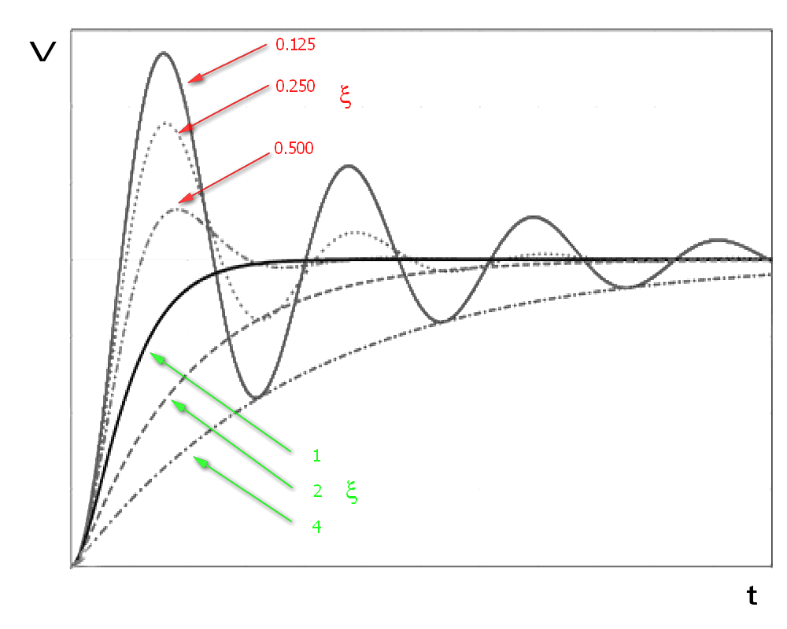
INPUTS |  |  |  | RESULTS
fRING | 7500000000 | Hz

fTEST | 5000000000 | Hz |  | CP | 1.6e-09 | F

CTEST | 2e-09 | F |  | LP | 0 | H

x | 1
(damping factor)
 |  |  |  | Rs | 0.0 | W
VS | 12 | V
(Supply Voltage) |  |  |  | Cs | 3.2e-09 | F
fS | 330000 | Hz
(Switching Freq) |  |  |  | Pdiss | 0.152064 | W
 |  |  |  | Power in Rs (approx.)

10 % Standard Resistor Values (decade multiples also available)
10 | 12 | 15 | 18 | 22 | 27 | 33 | 39 | 47
56 | 68 | 82

5 % Standard Values (decade multiples also available)
10 | 11 | 12 | 13 | 15 | 16 | 18 | 20 | 22
24 | 27 | 30 | 33 | 36 | 39 | 43 | 47 | 51
56 | 62 | 68 | 75 | 82 | 91

1 % Standard Values (decade multiples also available)
10 | 10.2 | 10.5 | 10.7 | 11 | 11.3 | 11.5 | 11.8 | 12.1
12.4 | 12.7 | 13 | 13.3 | 13.7 | 14 | 14.3 | 14.7 | 15
15.4 | 15.8 | 16.2 | 16.5 | 16.9 | 17.4 | 17.8 | 18.2 | 18.7
19.1 | 19.6 | 20 | 20.5 | 21 | 21.5 | 22.1 | 22.6 | 23.2
23.7 | 24.3 | 24.9 | 25.5 | 26.1 | 26.7 | 27.4 | 28 | 28.7
29.4 | 30.1 | 30.9 | 31.6 | 32.4 | 33.2 | 34 | 34.8 | 35.7
36.5 | 37.4 | 38.3 | 39.2 | 40.2 | 41.2 | 42.2 | 43.2 | 44.2
45.3 | 46.4 | 47.5 | 48.7 | 49.9 | 51.1 | 52.3 | 53.6 | 54.9
56.2 | 57.6 | 59 | 60.4 | 61.9 | 63.4 | 64.9 | 66.5 | 68.1
69.8 | 71.5 | 73.2 | 75 | 76.8 | 78.7 | 80.6 | 82.5 | 84.5
86.6 | 88.7 | 90.9 | 93.1 | 95.3 | 97.6

