Req_CFG_CC_Paths
Source code to be tested using WBT
Control Flow Graph of the source code being tested
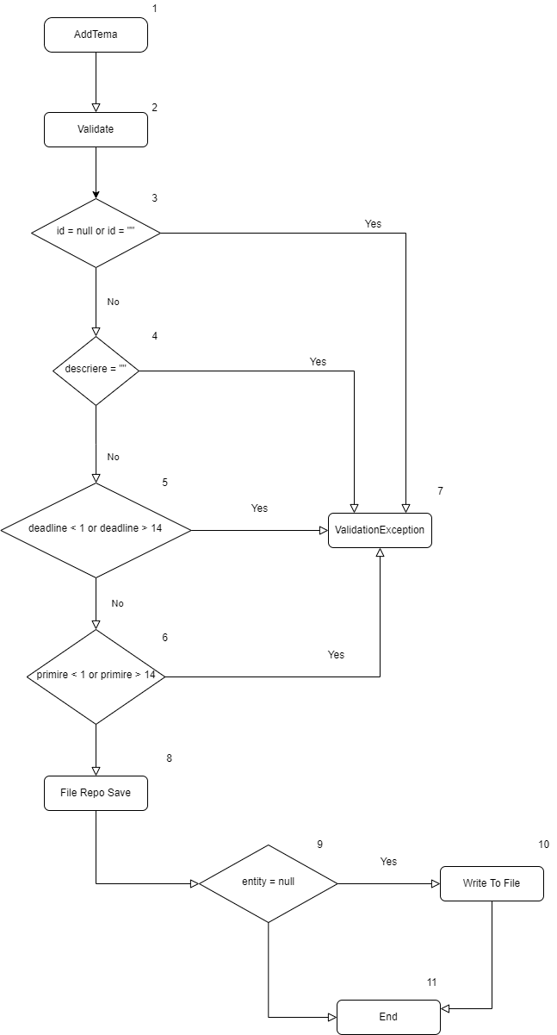
Cyclomatic complexity
CC_1 | regions
CC_2 | E-N+2
CC_3 | Predicate+1

Individual Paths
1
2
3
4
5
6

