Btrx.json
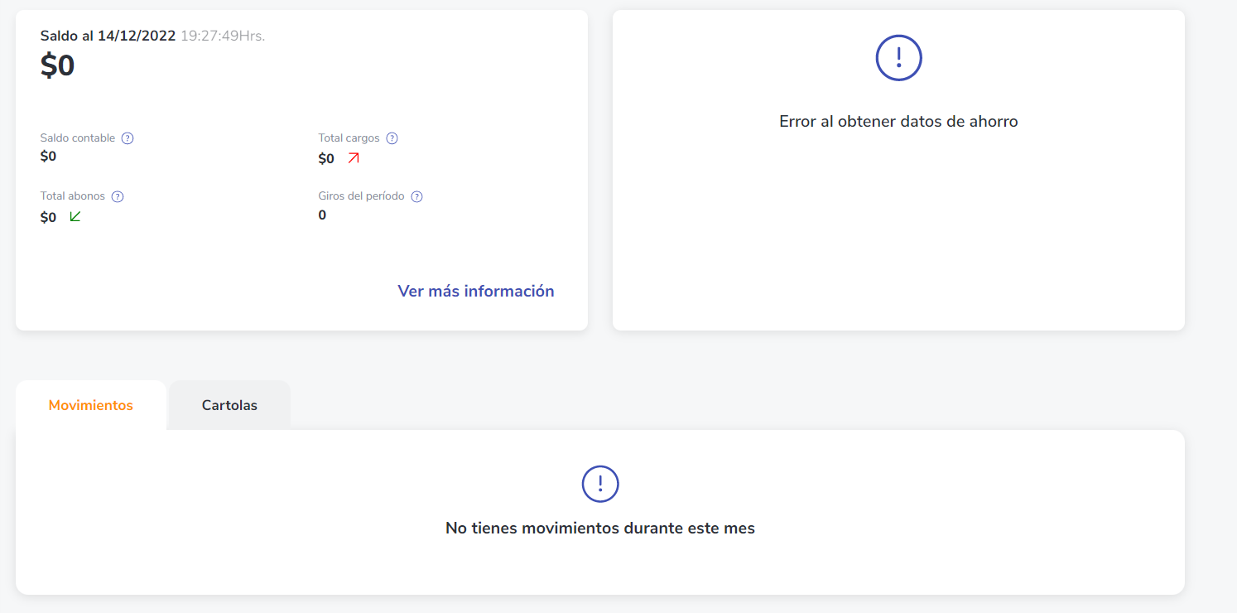
 | Estatus | OK

account_id | credential_id | state | institution | client_id | trx ID | trx status | trx made on | trx amount | trx description | trx create_at | trx extra_data | trx extra_data2 | trx extra_data3 | trx extra_data4
39d0b266-9984-436c-acdc-c0dfb32a6485 | 199933f7-0b4c-64fd-1c38-208c80baaa16 | 199933f7-0b4c-64fd-1c38-208c80baaa16 | bestado | 9ket5h619fhde1c2jae58lr42

 | La cuenta no tiene movimientos

