Cuentas
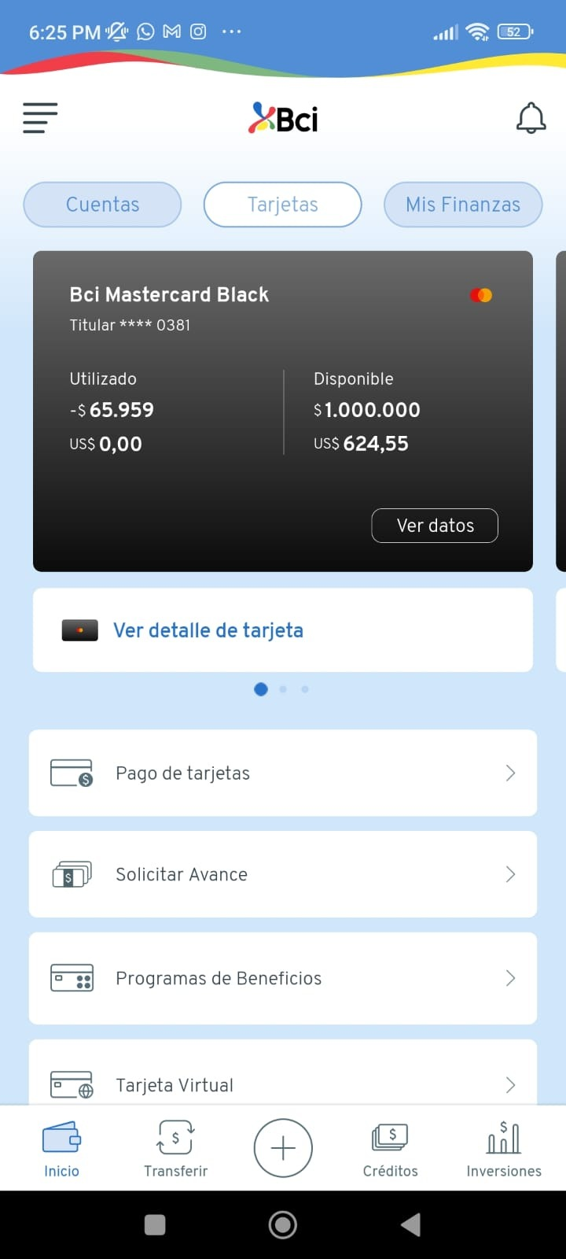
ID | Name | Balance | currency | number | nature | Credit Card | Available balance | AvailableOverdraft | FinerioProducType | Credential ID | State | timestamp | version | Credit_detail | closing date | non_interest_payment | statement_balance | credit_limit | due_date | last_closing_date | card_number | Comentarios | Comentarios2
hEgqg9ovzmOZXF39IZUraawY0gAT7qPa4O1XAImwOkY= | Cuenta Corriente | 1016421 | CLP | 13015214 | account | Not credit card | 1016421 | 7840000 | Nombre : account, Description : Cuenta | 84b66931-ddbb-28b8-384d-bc15e90ea466 | 84b66931-ddbb-28b8-384d-bc15e90ea466 | 2022-12-14T23:59:20.435314 | v2.1-preview | Not
1nKBIqWTiXcRCS9HuQqJRgdWqkubpM/tdDAZc4kSJsY= | Bci Mastercard Black | 65959 | CLP | XXXX-XXXX-XXXX-0381 | credit_card | credit_card | 65959 | 0 | Nombre : credit_card, Description : Crédito | 84b66931-ddbb-28b8-384d-bc15e90ea466 | 84b66931-ddbb-28b8-384d-bc15e90ea466 | 2022-12-15T00:00:18.945426 | v2.1-preview | Yes | 2022-12-12T00:00:00+00:00 | 0 | -65959 | 3000000 | 2022-12-12T00:00:00+00:00 | null | XXXX-XXXX-XXXX-0381 | El statemen balance choca con el balance, favor de validar | el credit limit en la app es de , $1.000.000
Zg8JqANUSB7ru0F9pjHYdgz+KRCzXTUnVeHzF1hK4mM= | Bci Visa Platinum Opensky | 0 | CLP | XXXX-XXXX-XXXX-5369 | credit_card | credit_card | 0 | 0 | Nombre : credit_card, Description : Crédito | 84b66931-ddbb-28b8-384d-bc15e90ea466 | 84b66931-ddbb-28b8-384d-bc15e90ea466 | 2022-12-15T00:00:33.563168 | v2.1-preview | Yes | 2022-12-14T00:00:00+00:00 | 0 | 0 | 5000000 | 2022-12-14T00:00:00+00:00 | null | XXXX-XXXX-XXXX-5369 | Ok
hO8iYkVs0ljsy2NWN5+2JyeLw5pFFe3mzCb6EwQyxn8= | XXXX-XXXX-XXXX-1424 | 1016421 | CLP | XXXX-XXXX-XXXX-1424 | debit_card | Not credit card | 1016421 | 0 | Nombre : debit_card, Description : Débito | 84b66931-ddbb-28b8-384d-bc15e90ea466 | 84b66931-ddbb-28b8-384d-bc15e90ea466 | 2022-12-15T00:00:39.961966 | v2.1-preview | Not |  |  |  |  |  |  |  | OK
hEgqg9ovzmOZXF39IZUraawY0gAT7qPa4O1XAImwOkY= | Cuenta Corriente | 1016421 | CLP | 13015214 | account | Not credit card | 1016421 | 7840000 | Nombre : account, Description : Cuenta | 84b66931-ddbb-28b8-384d-bc15e90ea466 | 84b66931-ddbb-28b8-384d-bc15e90ea466 | 2022-12-15T00:01:11.218854 | v2.1-preview | Not |  |  |  |  |  |  |  | Callback duplicado
1nKBIqWTiXcRCS9HuQqJRgdWqkubpM/tdDAZc4kSJsY= | Bci Mastercard Black | 65959 | CLP | XXXX-XXXX-XXXX-0381 | credit_card | credit_card | 65959 | 0 | Nombre : credit_card, Description : Crédito | 84b66931-ddbb-28b8-384d-bc15e90ea466 | 84b66931-ddbb-28b8-384d-bc15e90ea466 | 2022-12-15T00:01:27.540181 | v2.1-preview | Yes | 2022-12-12T00:00:00+00:00 | 0 | -65959 | 3000000 | 2022-12-12T00:00:00+00:00 | null | XXXX-XXXX-XXXX-0381 | Callback duplicado
hO8iYkVs0ljsy2NWN5+2JyeLw5pFFe3mzCb6EwQyxn8= | XXXX-XXXX-XXXX-1424 | 1016421 | CLP | XXXX-XXXX-XXXX-1424 | debit_card | Not credit card | 1016421 | 0 | Nombre : debit_card, Description : Débito | 84b66931-ddbb-28b8-384d-bc15e90ea466 | 84b66931-ddbb-28b8-384d-bc15e90ea466 | 2022-12-15T00:01:37.325071 | v2.1-preview | Not |  |  |  |  |  |  |  | Callback duplicado
hO8iYkVs0ljsy2NWN5+2JyeLw5pFFe3mzCb6EwQyxn8= | XXXX-XXXX-XXXX-1424 | 1016421 | CLP | XXXX-XXXX-XXXX-1424 | debit_card | Not credit card | 1016421 | 0 | Nombre : debit_card, Description : Débito | 84b66931-ddbb-28b8-384d-bc15e90ea466 | 84b66931-ddbb-28b8-384d-bc15e90ea466 | 2022-12-15T00:01:37.325071 | v2.1-preview | Not |  |  |  |  |  |  |  | Callback duplicado

 | Se repiten callbacks | Fail |  |  | BCI mastercard Black

