explicación
NORMALIZACION BASE DE DATOS ATHLETICA
Es un proceso para organizar datos en tablas de manera que: - Evitar redundancias (no repetir datos). - Prever anomalías (errores al insertar /actualizar / borrar). - Mantener integridad (datos consistentes).

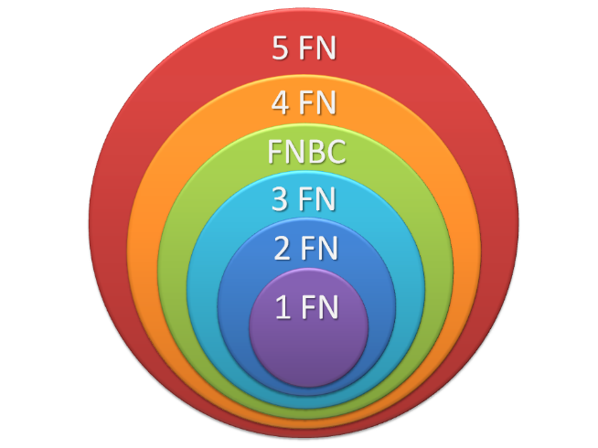
FORMAS NORMALES
FORMA | CONCEPTO | REQUISITO
1FN | Eliminar grupos repetidos, asegurando que cada celda en la tabla contenga solo un valor atómico. Tener grupos atómicos. | GRUPOS ATÓMICOS
2FN | Eliminar dependencias parciales. Toda columna no clave debe depender completamente de la clave primaria. | 1FN
3FN | Eliminar dependencias transitivas, es decir, una columna no clave no debe depender de otra columna no clave. | 1FN, 2FN
4FN | Cumple F1, F2, F3 y los campos multivaluados se identifican por una clave única. | 1FN, 2FN,3FN

