Main Screen
Search on player information or player statistics
Search pitchers based on key KPI criteria
Search fielders based on key KPI criteria
Search cards (graded or raw)
Insert/update graded cards

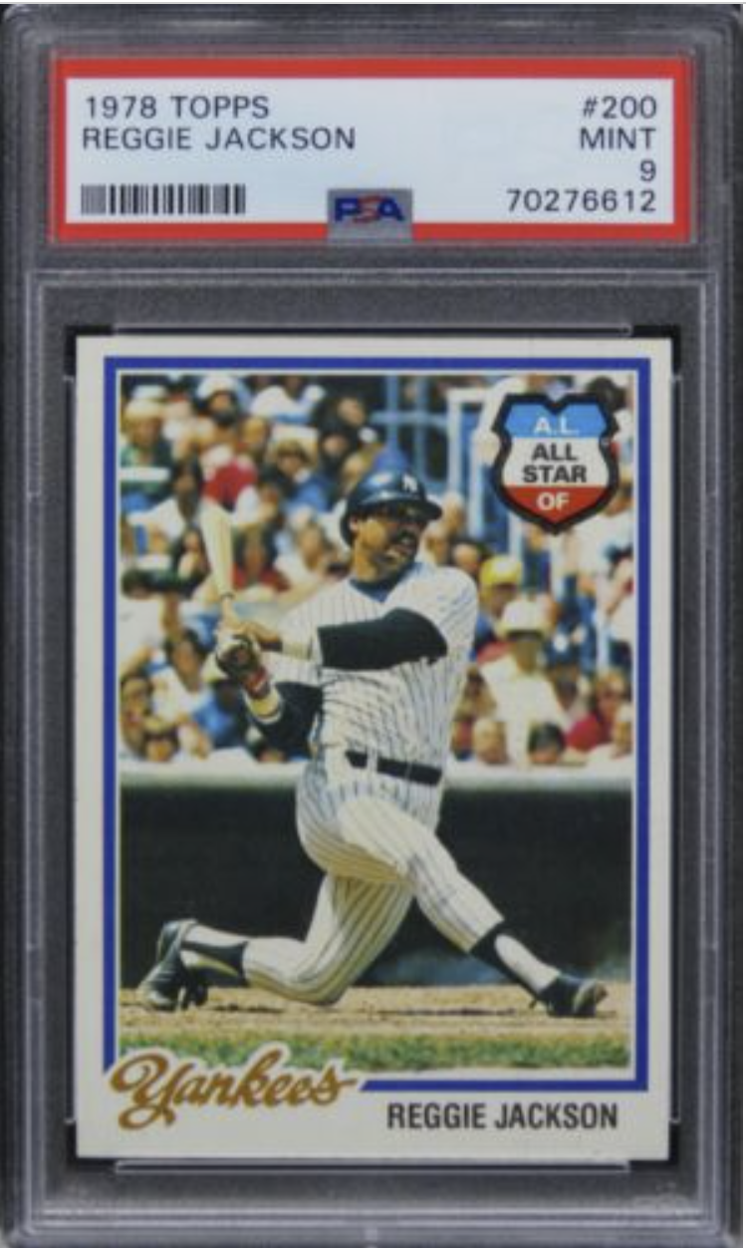
Welcome to TAKE ME OUT TO THE BALLPARK!

15000 Topps raw baseball cards!
4000 graded baseball cards!
Over 2600 players with personal information and website urls!
Player performance statistics by year from 1970-1989!

Enjoy revisiting an outstanding ERA of baseball from 1970-1989!

Where to?

