Аркуш1
Bug-reports
ID | BR124307 | BR124308 | BR124309 | BR124310. | BR124311
Summary | The test language in the "Markdown" section does not change when selecting Russian | The language on the main page in the "Payment methods" field does not completely change when selecting the Russian language | The language on the main page in the "Payment methods" field does not completely change when selecting English | Language does not change in the "Error in text" window when selecting any language | The language in the "Quality Department" window does not change when selecting any language
Pre-conditions | Open site: https://exe.ua/. | Open site: https://exe.ua/ | Open site: https://exe.ua/ | Open site: https://exe.ua/. | Open site: https://exe.ua/.

Steps | 1. Click on the "Discount" button. | 1. Click on the "Russian" button in the upper right part of the site | 1. Click on the "Eng" button in the upper right part of the site | 1. Select any text on the page | 1. Click on the "Quality Department" button
 | 2. Click on the "Rus" button in the upper right part of the site |  |  | 2. Press ctrl + F1

Expected result | The page should be translated into Russian | The page should be translated into Russian | The page should be translated into English | The "Text error" window should be translated according to the selected language | The "Quality Department" window should be translated in accordance with the selected language
Actual result | Changing the localization does not work | Changing the localization does not work | Changing the localization does not work | The text is not displayed correctly | The text is not displayed correctly
Post-condition
Environment | Opera GX. LVL4 (core: 94.0.4606.107) | Opera GX. LVL4 (core: 94.0.4606.107) | Opera GX. LVL4 (core: 94.0.4606.107) | Opera GX. LVL4 (core: 94.0.4606.107) | Opera GX. LVL4 (core: 94.0.4606.107)
Severity | Low | Low | Low | Low | Low
Priority | Low | Low | Low | Low | Low
Type of bug | Localization | Localization | Localization | Localization | Localization
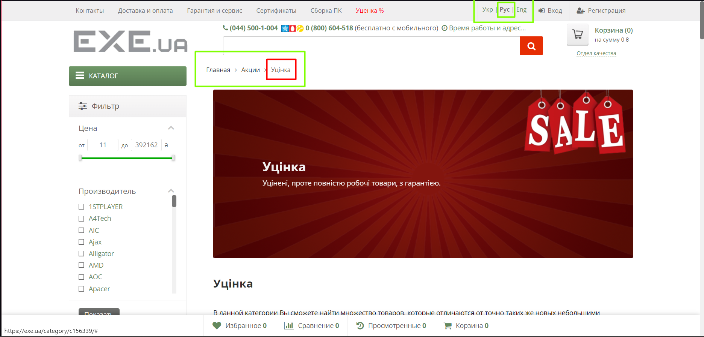
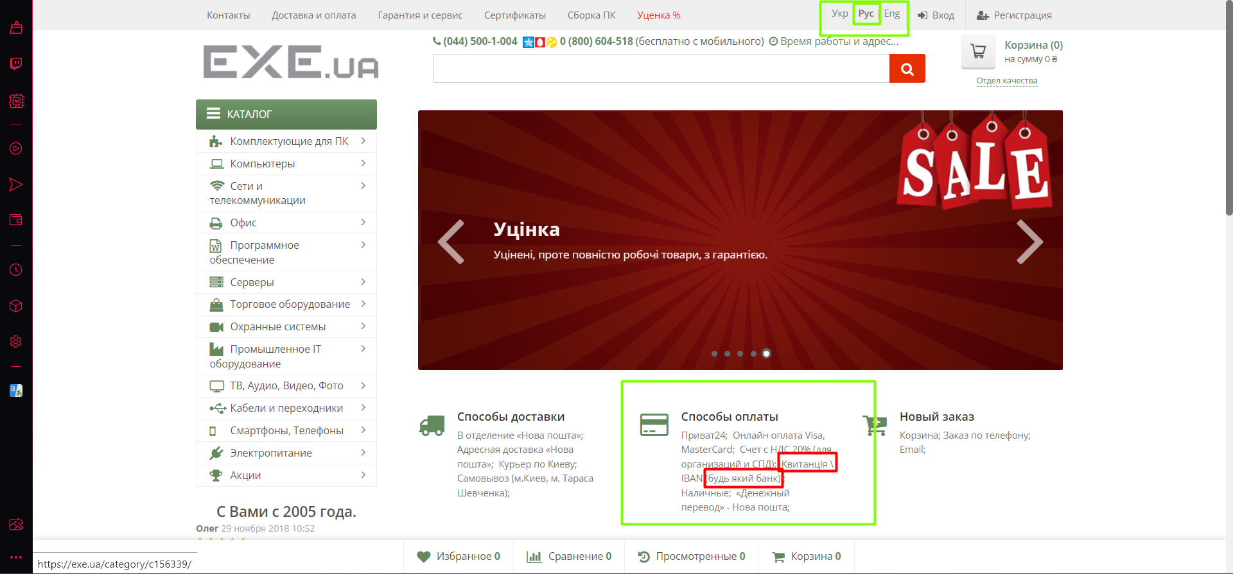
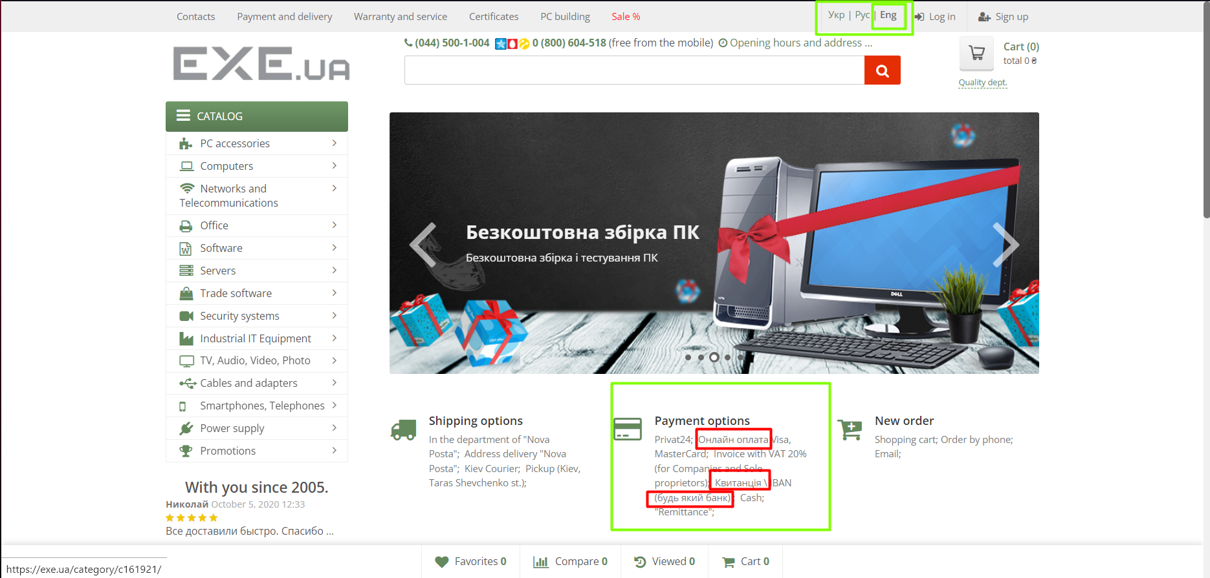
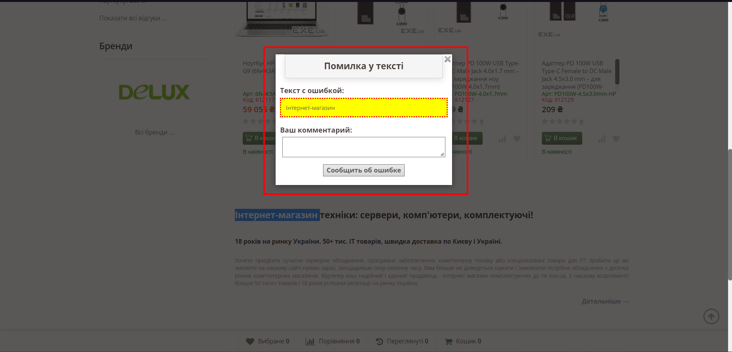
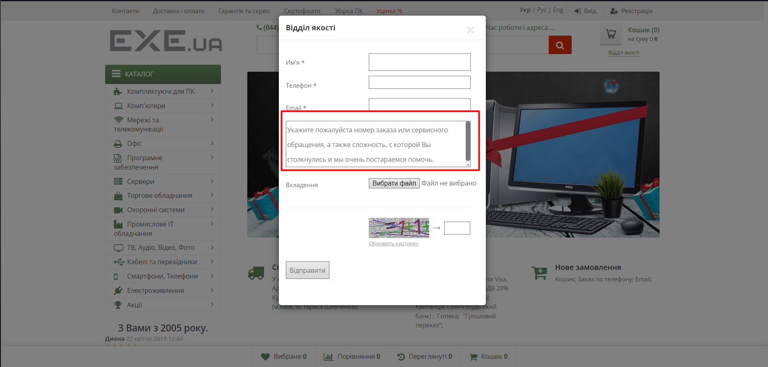
Attachment

