Guess 1
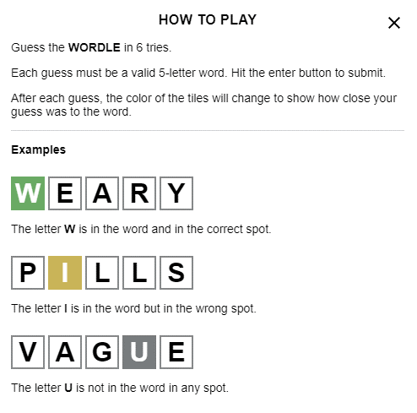
DO NOT TYPE IN THESE CELLS
Move to the next tab to submit.

Enter guess here, then move to next tab (one letter per cell)

