9 Layer relu with dropout
NN(
(flatten): Flatten(start_dim=1, end_dim=-1)
(linear_relu_stack): Sequential(
(0): Linear(in_features=497664, out_features=1024, bias=True)
(1): ReLU()
(2): Linear(in_features=1024, out_features=512, bias=True)
(3): ReLU()
(4): Linear(in_features=512, out_features=256, bias=True)
(5): ReLU()
(6): Dropout(p=0.5, inplace=False)
(7): Linear(in_features=256, out_features=128, bias=True)
(8): ReLU()
(9): Linear(in_features=128, out_features=2, bias=True)
)
)

Epoch : 1, train accuracy : 0.5000000596046448, train loss : 881.1499633789062
Epoch : 2, train accuracy : 0.47857147455215454, train loss : 10.252729415893555
Epoch : 3, train accuracy : 0.7785714268684387, train loss : 1.742382287979126
Epoch : 4, train accuracy : 0.6714285612106323, train loss : 2.196819305419922
Epoch : 5, train accuracy : 0.800000011920929, train loss : 0.8943629264831543
Epoch : 6, train accuracy : 0.7642857432365417, train loss : 1.1609915494918823
Epoch : 7, train accuracy : 0.5071429014205933, train loss : 1.6405982971191406
Epoch : 8, train accuracy : 0.6714286208152771, train loss : 0.678508460521698
Epoch : 9, train accuracy : 0.8214285373687744, train loss : 0.4279744029045105
Epoch : 10, train accuracy : 0.8857142925262451, train loss : 0.31097888946533203

id label
0 tensor(0) metal
1 tensor(0) classical
2 tensor(0) classical
3 tensor(0) metal
4 tensor(0) classical
5 tensor(0) metal
6 tensor(0) metal
7 tensor(0) metal
8 tensor(0) classical
9 tensor(0) metal
10 tensor(0) metal
11 tensor(0) metal
12 tensor(0) classical
13 tensor(0) metal
14 tensor(0) metal
15 tensor(0) metal
16 tensor(0) metal
17 tensor(0) metal
18 tensor(0) metal
19 tensor(0) metal
20 tensor(0) metal
21 tensor(0) metal
22 tensor(0) metal
23 tensor(0) metal
24 tensor(0) classical
25 tensor(0) metal
26 tensor(0) metal
27 tensor(0) metal
28 tensor(0) metal
29 tensor(0) metal
30 tensor(1) classical
31 tensor(1) classical
32 tensor(1) classical
33 tensor(1) classical
34 tensor(1) classical
35 tensor(1) classical
36 tensor(1) classical
37 tensor(1) classical
38 tensor(1) classical
39 tensor(1) classical
40 tensor(1) classical
41 tensor(1) classical
42 tensor(1) classical
43 tensor(1) classical
44 tensor(1) classical
45 tensor(1) metal
46 tensor(1) classical
47 tensor(1) classical
48 tensor(1) classical
49 tensor(1) classical
50 tensor(1) classical
51 tensor(1) classical
52 tensor(1) classical
53 tensor(1) metal
54 tensor(1) classical
55 tensor(1) classical
56 tensor(1) classical
57 tensor(1) classical
58 tensor(1) classical
59 tensor(1) classical

0 tensor(0) classical | 10 epochs
1 tensor(0) metal | Epochs | Train Accuracy | Train Loss
2 tensor(0) classical | 1 | 0.571428597 | 417.6427917
3 tensor(0) classical | 2 | 0.657142878 | 14.31409168
4 tensor(0) classical | 3 | 0.864285767 | 2.890500784
5 tensor(0) metal | 4 | 0.857142925 | 0.909225047
6 tensor(0) metal | 5 | 0.928571522 | 0.316287488
7 tensor(0) metal | 6 | 0.921428621 | 0.228561342
8 tensor(0) metal | 7 | 0.907142878 | 0.254204571
9 tensor(0) classical | 8 | 0.935714304 | 0.143436417
10 tensor(0) metal | 9 | 0.928571463 | 0.144363835
11 tensor(0) metal | 10 | 0.942857146 | 0.13954927
12 tensor(0) metal
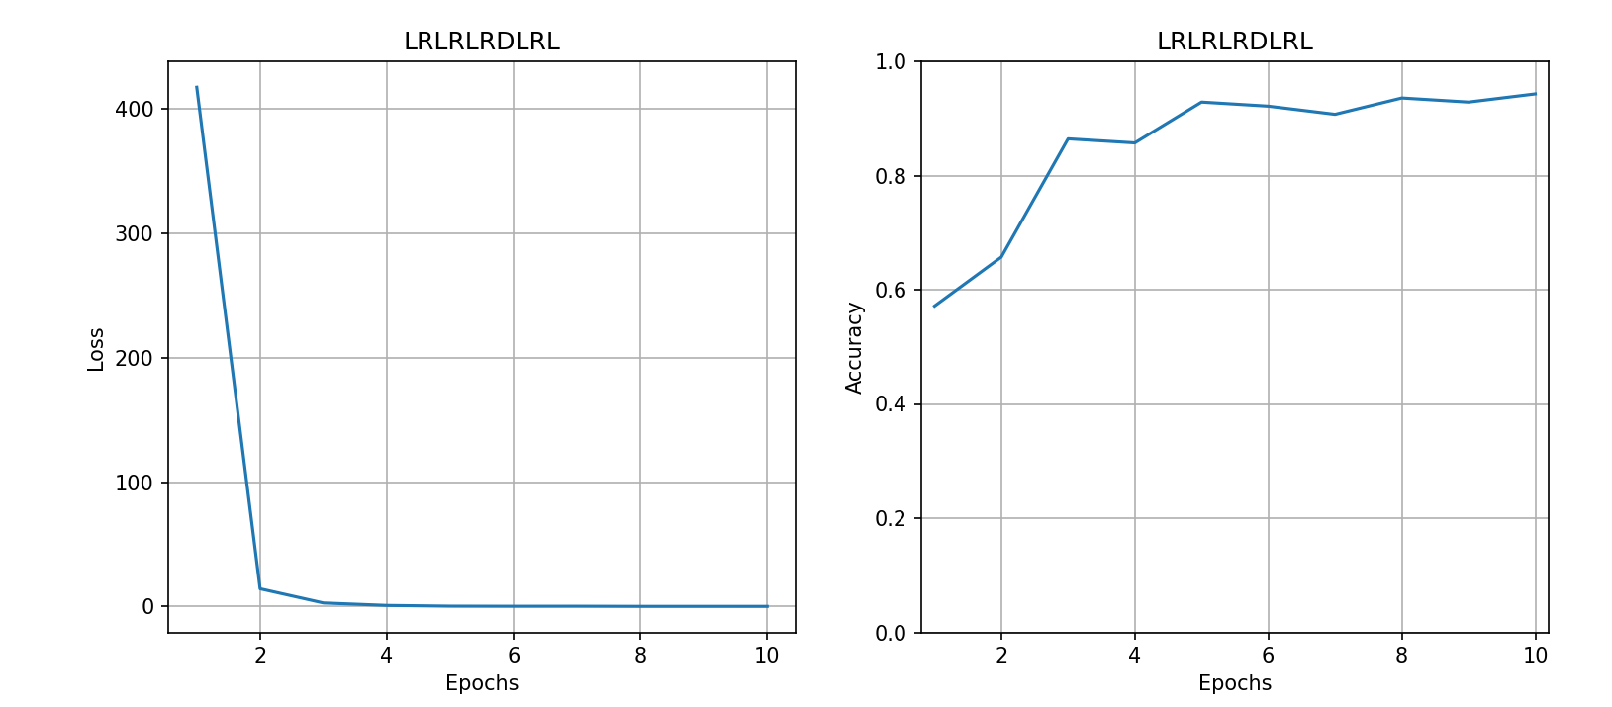
13 tensor(0) metal
14 tensor(0) classical
15 tensor(0) metal
16 tensor(0) classical
17 tensor(0) metal
18 tensor(0) classical
19 tensor(0) metal
20 tensor(0) metal
21 tensor(0) metal
22 tensor(0) metal
23 tensor(0) metal
24 tensor(0) metal
25 tensor(0) classical
26 tensor(0) metal
27 tensor(0) metal
28 tensor(0) metal
29 tensor(0) metal
30 tensor(1) classical
31 tensor(1) classical
32 tensor(1) classical
33 tensor(1) classical
34 tensor(1) classical
35 tensor(1) classical
36 tensor(1) classical
37 tensor(1) classical
38 tensor(1) classical
39 tensor(1) classical
40 tensor(1) classical
41 tensor(1) classical
42 tensor(1) classical
43 tensor(1) classical
44 tensor(1) classical
45 tensor(1) classical
46 tensor(1) classical
47 tensor(1) classical
48 tensor(1) classical
49 tensor(1) classical
50 tensor(1) classical
51 tensor(1) classical
52 tensor(1) classical
53 tensor(1) classical
54 tensor(1) classical
55 tensor(1) classical
56 tensor(1) classical
57 tensor(1) classical
58 tensor(1) classical
59 tensor(1) classical

id label | 5 epochs
0 tensor(0) classical |  | Accuracy | Loss
1 tensor(0) classical | 1 | 0.578571439 | 325.1414795
2 tensor(0) classical | 2 | 0.821428597 | 3.714527607
3 tensor(0) classical | 3 | 0.850000024 | 0.445164829
4 tensor(0) classical | 4 | 0.828571379 | 0.683871269
5 tensor(0) classical | 4 | 0.864285707 | 1.320230246
6 tensor(0) classical
7 tensor(0) classical
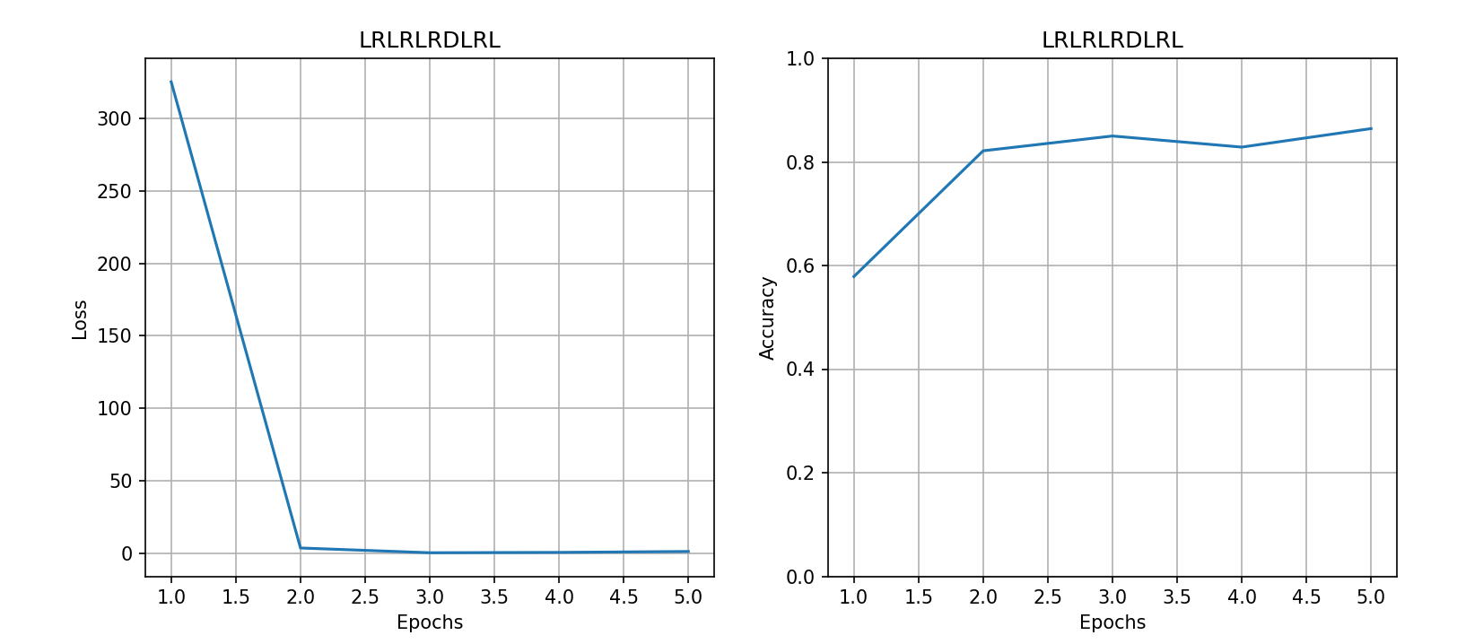
8 tensor(0) classical
9 tensor(0) classical
10 tensor(0) classical
11 tensor(0) classical
12 tensor(0) classical
13 tensor(0) classical
14 tensor(0) classical
15 tensor(0) classical
16 tensor(0) classical
17 tensor(0) classical
18 tensor(0) classical
19 tensor(0) classical
20 tensor(0) classical
21 tensor(0) classical
22 tensor(0) classical
23 tensor(0) classical
24 tensor(0) classical
25 tensor(0) classical
26 tensor(0) classical
27 tensor(0) classical
28 tensor(0) classical
29 tensor(0) classical
30 tensor(1) classical
31 tensor(1) classical
32 tensor(1) classical
33 tensor(1) classical
34 tensor(1) classical
35 tensor(1) classical
36 tensor(1) classical
37 tensor(1) classical
38 tensor(1) classical
39 tensor(1) classical
40 tensor(1) classical
41 tensor(1) classical
42 tensor(1) classical
43 tensor(1) classical
44 tensor(1) classical
45 tensor(1) classical
46 tensor(1) classical
47 tensor(1) classical
48 tensor(1) classical
49 tensor(1) classical
50 tensor(1) classical
51 tensor(1) classical
52 tensor(1) classical
53 tensor(1) classical
54 tensor(1) classical
55 tensor(1) classical
56 tensor(1) classical
57 tensor(1) classical
58 tensor(1) classical
59 tensor(1) classical

 |  | 20 epochs
id label |  | Epoch : 1, train accuracy : 0.5571429133415222, train loss : 457.4462890625
0 tensor(0) classical |  | Epoch : 2, train accuracy : 0.6142857670783997, train loss : 2.5915520191192627
1 tensor(0) classical |  | Epoch : 3, train accuracy : 0.5, train loss : 0.6993460655212402
2 tensor(0) classical |  | Epoch : 4, train accuracy : 0.5000000596046448, train loss : 0.6965075731277466
3 tensor(0) classical |  | Epoch : 5, train accuracy : 0.5000000596046448, train loss : 0.6952728033065796
4 tensor(0) classical |  | Epoch : 6, train accuracy : 0.5, train loss : 0.6938676238059998
5 tensor(0) classical |  | Epoch : 7, train accuracy : 0.5000000596046448, train loss : 0.6935864090919495
6 tensor(0) classical |  | Epoch : 8, train accuracy : 0.5000000596046448, train loss : 0.6934935450553894
7 tensor(0) classical |  | Epoch : 9, train accuracy : 0.5, train loss : 0.6933525800704956
8 tensor(0) classical |  | Epoch : 10, train accuracy : 0.5000000596046448, train loss : 0.6932677030563354
9 tensor(0) classical |  | Epoch : 11, train accuracy : 0.4571429193019867, train loss : 0.693247377872467
10 tensor(0) classical |  | Epoch : 12, train accuracy : 0.5000000596046448, train loss : 0.6945356130599976
11 tensor(0) classical |  | Epoch : 13, train accuracy : 0.5000000596046448, train loss : 0.6931291818618774
12 tensor(0) classical |  | Epoch : 14, train accuracy : 0.4571428894996643, train loss : 0.6935555934906006
13 tensor(0) classical |  | Epoch : 15, train accuracy : 0.5000000596046448, train loss : 0.6934574246406555
14 tensor(0) classical |  | Epoch : 16, train accuracy : 0.4857143461704254, train loss : 0.6941694021224976
15 tensor(0) classical |  | Epoch : 17, train accuracy : 0.4571429193019867, train loss : 0.6933773756027222
16 tensor(0) classical |  | Epoch : 18, train accuracy : 0.5000000596046448, train loss : 0.6933738589286804
17 tensor(0) classical |  | Epoch : 19, train accuracy : 0.5, train loss : 0.6936821937561035
18 tensor(0) classical |  | Epoch : 20, train accuracy : 0.5000000596046448, train loss : 0.693256139755249
19 tensor(0) classical
20 tensor(0) classical
21 tensor(0) classical
22 tensor(0) classical
23 tensor(0) classical
24 tensor(0) classical
25 tensor(0) classical
26 tensor(0) classical
27 tensor(0) classical
28 tensor(0) classical
29 tensor(0) classical
30 tensor(1) classical
31 tensor(1) classical
32 tensor(1) classical
33 tensor(1) classical
34 tensor(1) classical
35 tensor(1) classical
36 tensor(1) classical
37 tensor(1) classical
38 tensor(1) classical
39 tensor(1) classical
40 tensor(1) classical
41 tensor(1) classical
42 tensor(1) classical
43 tensor(1) classical
44 tensor(1) classical
45 tensor(1) classical
46 tensor(1) classical
47 tensor(1) classical
48 tensor(1) classical
49 tensor(1) classical
50 tensor(1) classical
51 tensor(1) classical
52 tensor(1) classical
53 tensor(1) classical
54 tensor(1) classical
55 tensor(1) classical
56 tensor(1) classical
57 tensor(1) classical
58 tensor(1) classical
59 tensor(1) classical

5FNN( Layer Linear
FNN(
(flatten): Flatten(start_dim=1, end_dim=-1)
(linear_stack): Sequential(
(0): Linear(in_features=497664, out_features=1024, bias=True)
(1): Linear(in_features=1024, out_features=512, bias=True)
(2): Linear(in_features=512, out_features=256, bias=True)
(3): Linear(in_features=256, out_features=128, bias=True)
(4): Linear(in_features=128, out_features=2, bias=True)
)
 |  | Epoch | Accuracy | Loss
Actual | Predicted | 1 | 0.44285717607 | 433321.21875
metal | metal | 2 | 0.51428580284 | 248146.125
metal | metal | 3 | 0.57857137918 | 43268.96875
metal | metal | 4 | 0.82857137918 | 10489.632812
metal | classical | 5 | 0.87857139111 | 3873.0397949
metal | metal
metal | metal
metal | metal
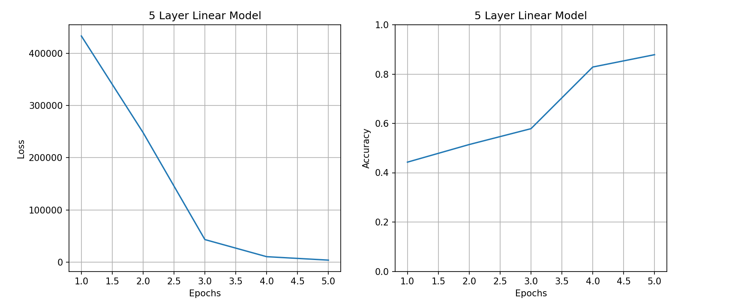
metal | classical
metal | metal
metal | classical
metal | classical
metal | metal
metal | metal
metal | classical
metal | metal
metal | classical
metal | classical
metal | classical
metal | classical
metal | metal
metal | metal
metal | classical
metal | classical
metal | metal
metal | metal
metal | metal
metal | metal
metal | classical
metal | classical
metal | metal
classical | classical
classical | classical
classical | classical
classical | classical
classical | classical
classical | classical
classical | classical
classical | classical
classical | classical
classical | classical
classical | classical
classical | classical
classical | classical
classical | classical
classical | classical
classical | classical
classical | classical
classical | classical
classical | classical
classical | classical
classical | classical
classical | classical
classical | classical
classical | classical
classical | classical
classical | classical
classical | classical
classical | classical
classical | classical
classical | classical

Conv1+ 5LL Model
ConvNet(
(flatten): Flatten(start_dim=1, end_dim=-1)
(conv1): Conv2d(4, 6, kernel_size=(5, 5), stride=(1, 1))
(pool): MaxPool2d(kernel_size=2, stride=2, padding=0, dilation=1, ceil_mode=False)
(fc1): Linear(in_features=182328, out_features=1024, bias=True)
(fc2): Linear(in_features=1024, out_features=512, bias=True)
(fc3): Linear(in_features=512, out_features=256, bias=True)
(fc4): Linear(in_features=256, out_features=128, bias=True)
(fc5): Linear(in_features=128, out_features=2, bias=True)
)
 |  |  |  | Accuracy | Loss
5 Epochs |  |  | 1 | 0.51428574324 | 83.629989624
Actual | Predicted |  | 2 | 0.5000000596 | 0.6987080574
metal | metal |  | 3 | 0.51428580284 | 0.69457525015
metal | metal |  | 4 | 0.48571431637 | 0.69410610199
metal | metal |  | 5 | 0.5 | 0.69443047047
metal | metal
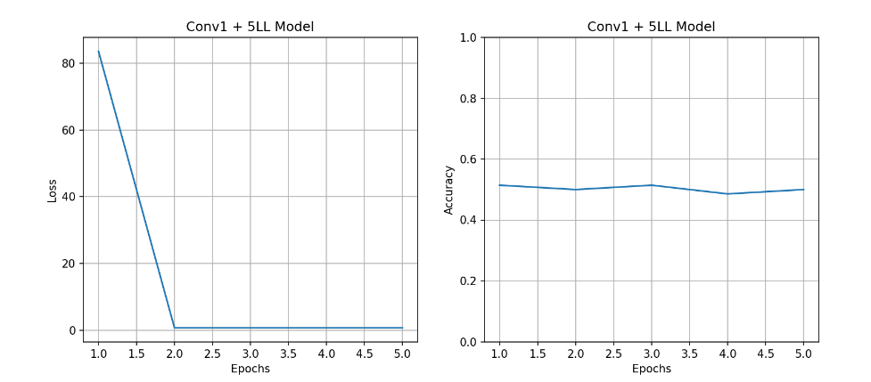
metal | metal
metal | metal
metal | metal
metal | metal
metal | metal
metal | metal
metal | metal
metal | metal
metal | metal
metal | metal
metal | metal
metal | metal
metal | metal
metal | metal
metal | metal
metal | metal
metal | metal
metal | metal
metal | metal
metal | metal
metal | metal
metal | metal
metal | metal
metal | metal
metal | metal
classical | metal
classical | metal
classical | metal
classical | metal
classical | metal
classical | metal
classical | metal
classical | metal
classical | metal
classical | metal
classical | metal
classical | metal
classical | metal
classical | metal
classical | metal
classical | metal
classical | metal
classical | metal
classical | metal
classical | metal
classical | metal
classical | metal
classical | metal
classical | metal
classical | metal
classical | metal
classical | metal
classical | metal
classical | metal
classical | metal
classical | metal

 |  |  |  | Accuracy | Loss
10 Epochs |  |  | 1 | 0.47142860293 | 110.5820694
Actual | Predicted |  | 2 | 0.5 | 0.69447302818
metal | metal |  | 3 | 0.5000000596 | 0.69664716721
metal | metal |  | 4 | 0.5000000596 | 0.6939804554
metal | metal |  | 5 | 0.5000000596 | 0.69329422712
metal | metal |  | 6 | 0.48571431637 | 0.69416111708
metal | metal |  | 7 | 0.5 | 0.69368493557
metal | metal |  | 8 | 0.5 | 0.69359862804
metal | metal |  | 9 | 0.47142863274 | 0.6933978796
metal | metal |  | 10 | 0.5000000596 | 0.69362825155
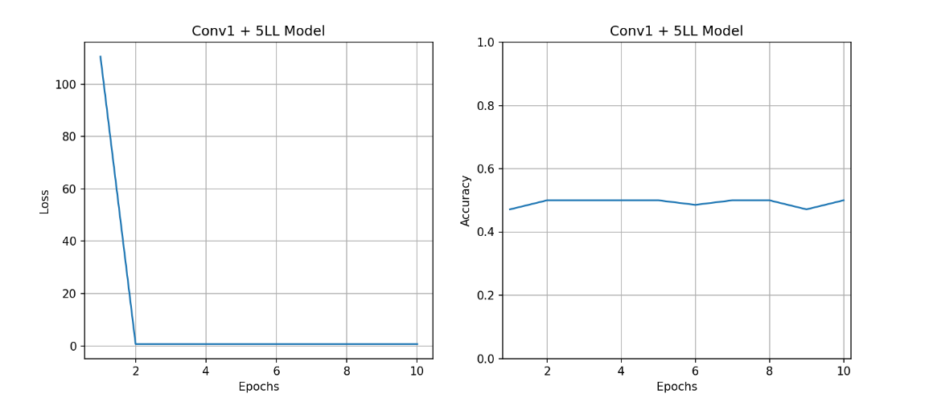
metal | metal
metal | metal
metal | metal
metal | metal
metal | metal
metal | metal
metal | metal
metal | metal
metal | metal
metal | metal
metal | metal
metal | metal
metal | metal
metal | metal
metal | metal
metal | metal
metal | metal
metal | metal
metal | metal
metal | metal
metal | metal
metal | metal
classical | metal
classical | metal
classical | metal
classical | metal
classical | metal
classical | metal
classical | metal
classical | metal
classical | metal
classical | metal
classical | metal
classical | metal
classical | metal
classical | metal
classical | metal
classical | metal
classical | metal
classical | metal
classical | metal
classical | metal
classical | metal
classical | metal
classical | metal
classical | metal
classical | metal
classical | metal
classical | metal
classical | metal
classical | metal
classical | metal

20 Epochs |  | 1 | 0.4142857492 | 202.93836975
Actual | Predicted | 2 | 0.48571437597 | 0.69555318356
metal | metal | 3 | 0.5000000596 | 0.69399988651
metal | metal | 4 | 0.47142860293 | 0.69349378347
metal | metal | 5 | 0.40000000596 | 0.69363367558
metal | metal | 6 | 0.42857143283 | 0.69431656599
metal | metal | 7 | 0.5000000596 | 0.69387507439
metal | metal | 8 | 0.42857146263 | 0.69336265326
metal | metal | 9 | 0.5 | 0.69346553087
metal | metal | 10 | 0.4142857492 | 0.69436085224
metal | metal | 11 | 0.47142860293 | 0.69383645058
metal | metal | 12 | 0.44285717607 | 0.6938893795
metal | metal | 13 | 0.5 | 0.69344848394
metal | metal | 14 | 0.47142866254 | 0.69349265099
metal | metal | 15 | 0.5 | 0.69331598282
metal | metal | 16 | 0.44285717607 | 0.69335305691
metal | metal | 17 | 0.47142860293 | 0.69332438707
metal | metal | 18 | 0.44285717607 | 0.69338679314
metal | metal | 19 | 0.4571429193 | 0.69333356619
metal | metal | 20 | 0.5 | 0.6933838129
metal | metal
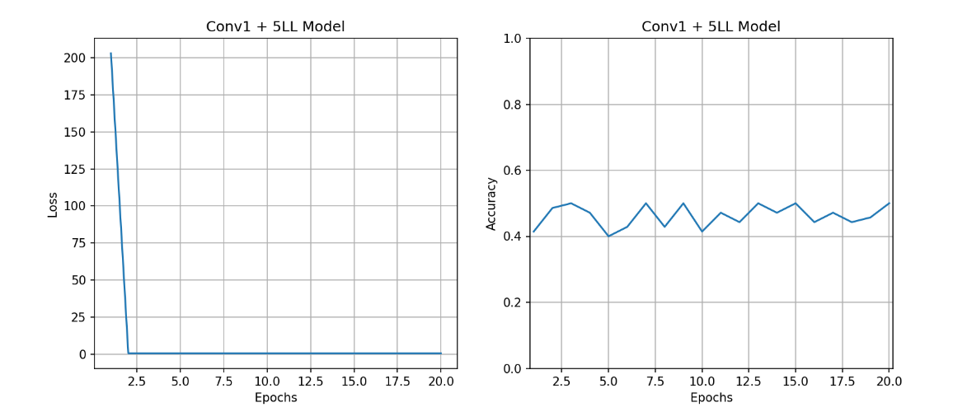
metal | metal
metal | metal
metal | metal
metal | metal
metal | metal
metal | metal
metal | metal
metal | metal
metal | metal
metal | metal
metal | metal
classical | metal
classical | metal
classical | metal
classical | metal
classical | metal
classical | metal
classical | metal
classical | metal
classical | metal
classical | metal
classical | metal
classical | metal
classical | metal
classical | metal
classical | metal
classical | metal
classical | metal
classical | metal
classical | metal
classical | metal
classical | metal
classical | metal
classical | metal
classical | metal
classical | metal
classical | metal
classical | metal
classical | metal
classical | metal
classical | metal

5G C+5LL Model
ConvNet(
(flatten): Flatten(start_dim=1, end_dim=-1)
(conv1): Conv2d(4, 6, kernel_size=(5, 5), stride=(1, 1))
(pool): MaxPool2d(kernel_size=2, stride=2, padding=0, dilation=1, ceil_mode=False)
(conv2): Conv2d(6, 16, kernel_size=(5, 5), stride=(1, 1))
(fc1): Linear(in_features=115920, out_features=1024, bias=True)
(fc2): Linear(in_features=1024, out_features=512, bias=True)
(fc3): Linear(in_features=512, out_features=256, bias=True)
(fc4): Linear(in_features=256, out_features=128, bias=True)
(fc5): Linear(in_features=128, out_features=5, bias=True)
)
5 Epoch

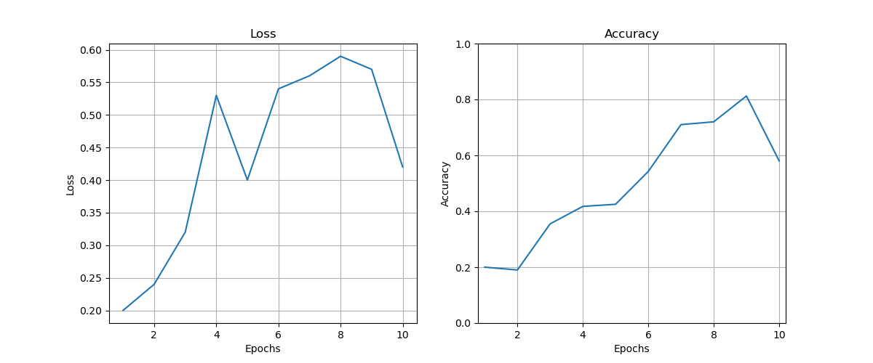
10 Epoch | (25mins)
 | Accuracy |  | Accuracy | Loss
Total | 42% | 1 | 0.2, | 0.2,
Blues | 5% | 2 | 0.19, | 0.19,
Classical | 45% | 3 | 0.355, | 0.355,
Country | 20% | 4 | 0.4175, | 0.4175,
Disco | 40% | 5 | 0.425, | 0.425,
Hiphop | 100% | 6 | 0.5425, | 0.5425,
 |  | 7 | 0.71, | 0.71,
 |  | 8 | 0.72, | 0.72,
 |  | 9 | 0.8125, | 0.8125,
 |  | 10 | 0.58, | 0.58,

2G 6-Layer-Linear
FNN( (flatten): Flatten(start_dim=1, end_dim=-1) (linear_stack): Sequential( (0): Linear(in_features=497664, out_features=1024, bias=True) (1): Linear(in_features=1024, out_features=512, bias=True) (2): Linear(in_features=512, out_features=256, bias=True) (3): Linear(in_features=256, out_features=128, bias=True) (4): Linear(in_features=128, out_features=64, bias=True) (5): Linear(in_features=64, out_features=2, bias=True) ) )

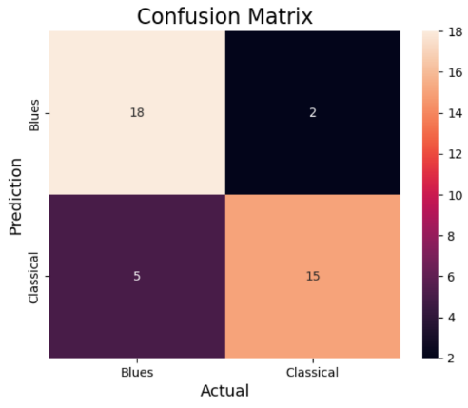
Epochs | Accuracy | Loss
1 | 0.5 | 50.59
2 | 0.5 | 9.74
3 | 0.5 | 1.17
4 | 0.65625 | 0.53
5 | 0.6625 | 1.18
6 | 0.78125 | 0.19
7 | 0.78125 | 0.22
8 | 0.96875 | 0.39
9 | 0.74375 | 0.25
10 | 0.98125 | 0.06

 | Accuracy | Loss
1 | 0.2
2 | 0.22 | 15633.7
3 | 0.435 | 1131.1
4 | 0.413 | 90.6
5 | 0.355 | 60.3
6 | 0.6 | 30.6
7 | 0.5 | 45.9
8 | 0.63 | 8.8
9 | 0.6 | 7.6
10 | 0.68 | 7.4
11 | 0.66 | 4.6
12 | 0.64 | 1.5
13 | 0.7 | 2.4
14 | 0.64 | 0.3
15 | 0.618 | 19.4
16 | 0.715 | 0.2
17 | 0.74 | 1.5
18 | 0.7 | 4.2
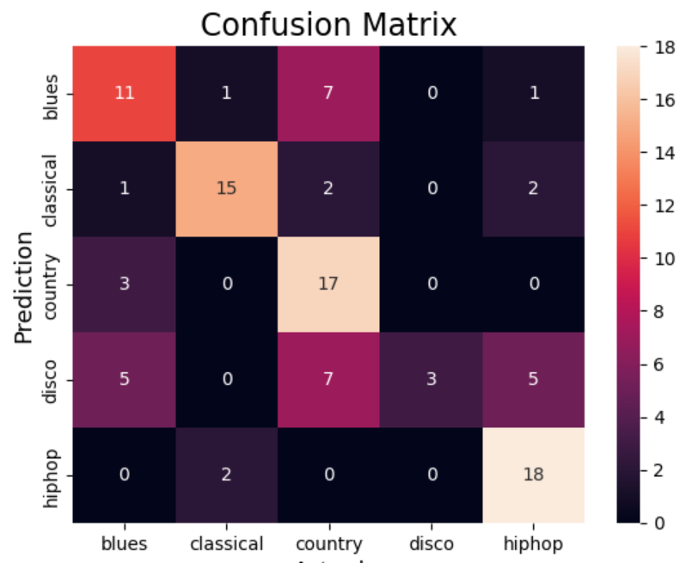
19 | 0.84 | 9.5
20 | 0.74 | 6.3
21 | 0.64 | 2
22 | 0.91 | 0.1
23 | 0.78 | 3.9 | F1 Score = 0.604892275808471
24 | 0.82 | 1.7
25 | 0.82 | 0.2
26 | 0.84 | 0.1
27 | 0.81 | 1.1
28 | 0.85 | 8.9
29 | 0.69 | 1.2
30 | 0.83 | 9.5
31 | 0.85 | 0.01
32 | 0.87 | 5
33 | 0.85 | 2.2
34 | 0.94 | 2.9
35 | 0.54 | 3
36 | 0.88 | 2
37 | 0.6 | 8.2
38 | 0.92 | 0.2
39 | 0.65 | 7.9
40 | 0.86 | 0.3
41 | 0.8 | 4.6
42 | 0.98 | 1.4
43 | 0.96 | 1.6
44 | 0.94 | 0.05
45 | 0.93 | 8.4
46 | 0.95 | 0
47 | 0.98 | 2.1
48 | 0.97 | 0.64
49 | 0.91 | 1.1
50 | 0.97 | 2.1
51 | 0.98 | 6.8
52 | 0.55 | 29.1
53 | 0.52 | 29.1
54 | 0.69 | 13.8
55 | 0.63 | 1.6
56 | 0.84 | 19.8
57 | 0.77 | 18.1
58 | 0.9 | 0
59 | 0.93 | 3.3
60 | 0.95 | 0
61 | 0.97 | 0.7
62 | 0.99 | 0
63 | 1 | 1.1
64 | 1 | 0
65 | 1 | 0
66 | 0.98 | 1.4
67 | 0.93 | 0
68 | 1 | 0
69 | 0.98 | 0
70 | 1 | 0
71 | 0.98 | 0
72 | 0.99 | 0
73 | 1 | 0
74 | 1 | 0
75 | 1 | 0
76 | 1 | 0
77 | 1 | 0
78 | 1 | 0
79 | 1 | 0
80 | 1 | 0
81 | 1 | 0
82 | 1 | 0
83 | 1 | 0
84 | 1 | 0
85 | 1 | 0
86 | 1 | 0
87 | 1 | 0
88 | 1 | 0
89 | 1 | 0
90 | 1 | 0
91 | 1 | 0
92 | 1 | 0
93 | 1 | 0
94 | 1 | 0
96 | 1 | 0
97 | 1 | 0
98 | 1 | 0
99 | 1 | 0
100 | 1 | 0

No. of Layers
input->output | 1 | 2 | 3 | 4 | 5 | Average
Accuracy | 49% | 63% | 46% | 51% | 49% | 52%
F1 Score | 0.462 | 0.564 | 0.383 | 0.474 | 0.488 | 0.4742 | Hidden Layers | 0 | 1 | 2 | 3 | 4
 |  |  |  |  |  |  | Avg Accuracy | 52% | 44% | 54% | 55% | 59%
in->1024->out | 1 | 2 | 3 | 4 | 5 | Average
Accuracy vs Hidden Layers
Accuracy | 44% | 40% | 49% | 48% | 39% | 44%
F1 Score | 0.377 | 0.379 | 0.46 | 0.482 | 0.341 | 0.4078

in->1024->512->out | 1 | 2 | 3 | 4 | 5 | Average
Accuracy | 63% | 48% | 59% | 53% | 49% | 54%
F1 Score | 0.628 | 0.447 | 0.58 | 0.529 | 0.414 | 0.5196

in->1024->512->256->out | 1 | 2 | 3 | 4 | 5 | Average
Accuracy | 52% | 61% | 49% | 61% | 54% | 55%
F1 Score | 0.512 | 0.602 | 0.449 | 0.567 | 0.531 | 0.5322

in->1024->512->256->128->out | 1 | 2 | 3 | 4 | 5 | Average
Accuracy | 57% | 63% | 54% | 71% | 50% | 59%
F1 Score | 0.569 | 0.627 | 0.53 | 0.7 | 0.481 | 0.5814

