equations
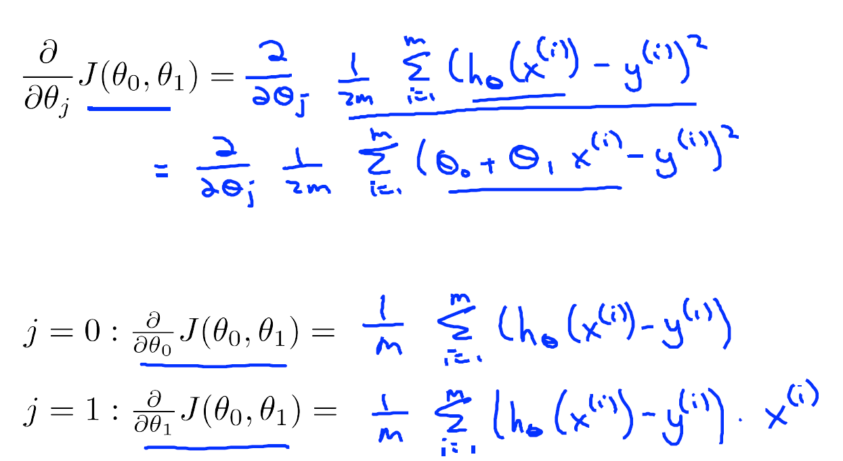
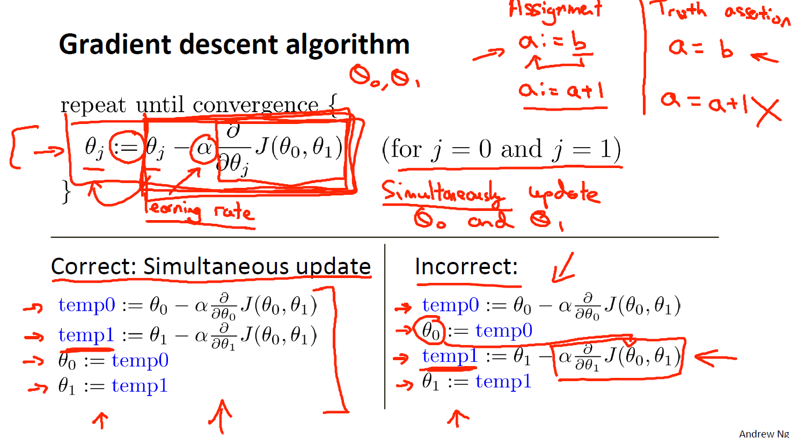

https://github.com/schneems/Octave/blob/master/mlclass-ex1/gradientDescent.m
function [theta, J_history] = gradientDescent(X, y, theta, alpha, num_iters)
%GRADIENTDESCENT Performs gradient descent to learn theta
% theta = GRADIENTDESENT(X, y, theta, alpha, num_iters) updates theta by
% taking num_iters gradient steps with learning rate alpha
% Initialize some useful values
m = length(y); % number of training examples
J_history = zeros(num_iters, 1);
for iter = 1:num_iters
% ====================== YOUR CODE HERE ======================
% Instructions: Perform a single gradient step on the parameter vector
% theta.
%
% Hint: While debugging, it can be useful to print out the values
% of the cost function (computeCost) and gradient here.
%
x = X(:,2);
h = theta(1) + (theta(2)*x);
theta_zero = theta(1) - alpha * (1/m) * sum(h-y);
theta_one = theta(2) - alpha * (1/m) * sum((h - y) .* x);
theta = [theta_zero; theta_one];
% ============================================================
% Save the cost J in every iteration
J_history(iter) = computeCost(X, y, theta);
% disp(J_history(iter));
end
disp(min(J_history));
end

