Copy
 | Y
30.058822447 | 0
30.286710768 | 0
32.577200168 | 0
32.722833041 | 0
33.915500109 | 0
34.183640026 | 0
34.212060978 | 0
34.524513853 | 0
34.623659625 | 0
35.286112815 | 0
35.84740877 | 0
38.785803797 | 0
39.538339144 | 0
40.236893735 | 0
42.075454538 | 0
44.668261725 | 0
45.083277477 | 0
49.072563219 | 0
49.586677216 | 0
50.286496119 | 0
50.53478829 | 0
51.047751771 | 0
51.547720269 | 0
52.107979732 | 0
52.348003988 | 0
54.635105554 | 0
55.482161141 | 0
56.253817497 | 0
60.455556293 | 0
61.830206023 | 0
62.222675761 | 0
66.560894472 | 0
67.372027546 | 0
67.946855477 | 0
74.789252959 | 0
75.01365839 | 0
82.226661578 | 0
82.368753757 | 0
93.114388797 | 0
95.861555071 | 0
X1 | X2 | Y | theta0 | theta1 | theta2
30.058822447 | 49.592973867 | 0
30.286710768 | 43.894997524 | 0
32.577200168 | 95.598547614 | 0
32.722833041 | 43.307173064 | 0
33.915500109 | 98.869435742 | 0
34.183640026 | 75.237720336 | 0
34.212060978 | 44.209528599 | 0
34.524513853 | 60.396342458 | 0
34.623659625 | 78.024692815 | 0
35.286112815 | 47.020513947 | 0
35.84740877 | 72.902198027 | 0
38.785803797 | 64.995680955 | 0
39.538339144 | 76.036810851 | 0
40.236893735 | 71.167748022 | 0
42.075454538 | 78.844786001 | 0
44.668261725 | 66.450086146 | 0
45.083277477 | 56.316371782 | 0
49.072563219 | 51.883211821 | 0
49.586677216 | 59.808950995 | 0
50.286496119 | 49.804538813 | 0
50.53478829 | 48.855811528 | 0
51.047751771 | 45.822701458 | 0
51.547720269 | 46.856290263 | 0
52.107979732 | 63.127623769 | 0
52.348003988 | 60.769505256 | 0
54.635105554 | 52.213885881 | 0
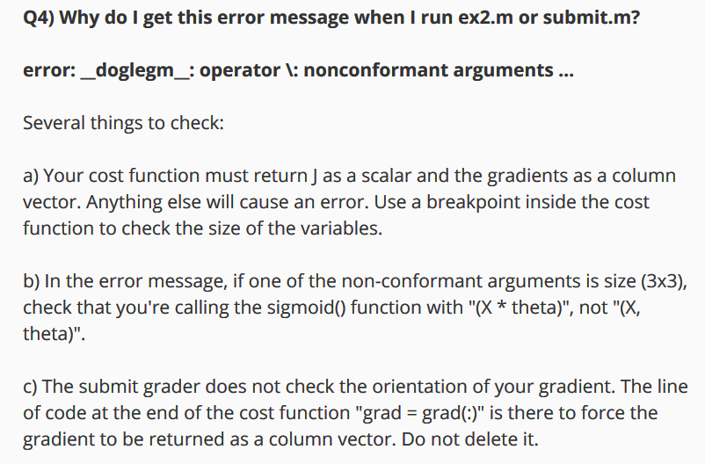
55.482161141 | 35.570703472 | 0
56.253817497 | 39.261472511 | 0
60.455556293 | 42.508409436 | 0
61.830206023 | 50.256107892 | 0
62.222675761 | 52.060991948 | 0
66.560894472 | 41.092098079 | 0
67.372027546 | 42.83843832 | 0
67.946855477 | 46.678574107 | 0
74.789252959 | 41.573415228 | 0
75.01365839 | 30.603263234 | 0
82.226661578 | 42.719878537 | 0
82.368753757 | 40.61825516 | 0
93.114388797 | 38.800670337 | 0
95.861555071 | 38.225278058 | 0

