adm1
 | S_su | S_aa | S_fa | S_va | S_bu | S_pro | S_ac | S_h2 | S_ch4 | S_IC | S_IN | S_I | X_xc | X_ch | X_pr | X_li | X_su | X_aa | X_fa | X_c4 | X_pro | X_ac | X_h2 | X_I | S_cat | S_an | S_hva | S_hbu | S_hpro | S_hac | S_hco3 | S_nh3 | S_gas_h2 | S_gas_ch4 | S_gas_co2 | Q_D | T_D | S_D1_D | S_D2_D | S_D3_D | X_D4_D | X_D5_D | S_H_ion
AD1 | 0.0124 | 0.0055 | 0.1074 | 0.0123 | 0.014 | 0.0176 | 0.0893 | 2.51E-07 | 0.0555 | 0.0951 | 0.0945 | 0.1309 | 0.1079 | 0.0205 | 0.0842 | 0.0436 | 0.3122 | 0.9317 | 0.3384 | 0.3258 | 0.1011 | 0.6772 | 0.2848 | 17.2162 | 3.57E-43 | 0.0052 | 0.0123 | 0.014 | 0.0175 | 0.089 | 0.0857 | 0.0019 | 1.10E-05 | 1.6535 | 0.0135 | 178.4674 | 35 | 0 | 0 | 0 | 0 | 0 | 5.46E-08

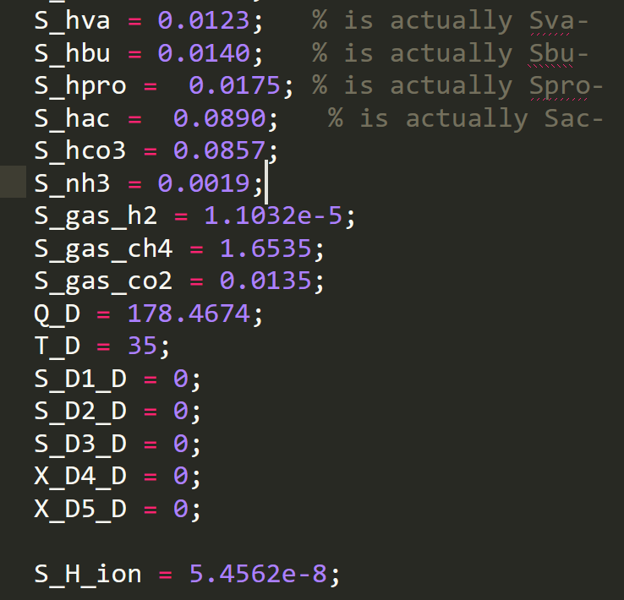

D1-D5 are reserved soluble (S) and particulate (X) dummy parameters
Not sure if Q_D and T_D are dummies as well

