Sheet1
Toys & Games | Toys & Games
› See more Best Sellers in Toys & Games | › See more Best Sellers in Toys & Games
1 | 1

Dynasty Toys Laser Tag Set and Carrying Case for Kids Multiplayer 4 Pack | Dynasty Toys Laser Tag Set and Carrying Case for Kids Multiplayer 4 Pack
4.3 out of 5 stars 842 | 4.3 out of 5 stars 842
2 | 2


L.O.L. Surprise! Surprise Confetti Pop-Series 3 Collectible Dolls | L.O.L. Surprise! Surprise Confetti Pop-Series 3 Collectible Dolls
4.1 out of 5 stars 54 | 4.1 out of 5 stars 54
3 | 3
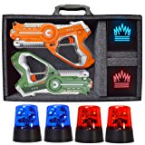

DYNASTY TOYS Camping Games - Laser Tag - Capture the Flag Complete Set. Glow in the Dark Outdoor Toys for Day… | DYNASTY TOYS Camping Games - Laser Tag - Capture the Flag Complete Set. Glow in the Dark Outdoor Toys for Day…
4.2 out of 5 stars 92 | 4.2 out of 5 stars 92
Electronics | Electronics
› See more Best Sellers in Electronics | › See more Best Sellers in Electronics
1 | 1
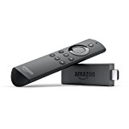

Fire TV Stick with Alexa Voice Remote | Streaming Media Player | Fire TV Stick with Alexa Voice Remote | Streaming Media Player
4.4 out of 5 stars 170,245 | 4.4 out of 5 stars 170,245
2 | 2
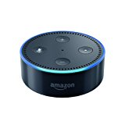

Echo Dot (2nd Generation) - Smart speaker with Alexa - Black | Echo Dot (2nd Generation) - Smart speaker with Alexa - Black
4.3 out of 5 stars 110,260 | 4.3 out of 5 stars 110,260
3 | 3
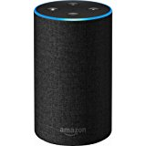

Echo (2nd Generation) - Smart speaker with Alexa - Charcoal Fabric | Echo (2nd Generation) - Smart speaker with Alexa - Charcoal Fabric
4.4 out of 5 stars 24,620 | 4.4 out of 5 stars 24,620
Camera & Photo | Camera & Photo
› See more Best Sellers in Camera & Photo | › See more Best Sellers in Camera & Photo
1 | 1
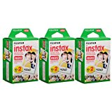

Fujifilm Instax Mini Instant Film (3 Twin Packs, 60 Total Pictures) - International Version | Fujifilm Instax Mini Instant Film (3 Twin Packs, 60 Total Pictures) - International Version
4.5 out of 5 stars 2,695 | 4.5 out of 5 stars 2,695
2 | 2
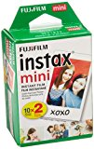

Fujifilm INSTAX Mini Instant Film Twin Pack (White) | Fujifilm INSTAX Mini Instant Film Twin Pack (White)
4.4 out of 5 stars 4,676 | 4.4 out of 5 stars 4,676
3 | 3
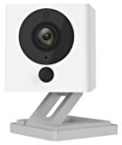

Wyze Cam 1080p HD Indoor Wireless Smart Home Camera with Night Vision, 2-Way Audio, White | Wyze Cam 1080p HD Indoor Wireless Smart Home Camera with Night Vision, 2-Way Audio, White
3.9 out of 5 stars 1,109 | 3.9 out of 5 stars 1,109
Video Games | Video Games
› See more Best Sellers in Video Games | › See more Best Sellers in Video Games
1 | 1


$50 PlayStation Store Gift Card - PS3/ PS4/ PS Vita [Digital Code] | $50 PlayStation Store Gift Card - PS3/ PS4/ PS Vita [Digital Code]
SCEA | SCEA
4.5 out of 5 stars 30,471 | 4.5 out of 5 stars 30,471
2 | 2


$10 Xbox Gift Card - [Digital Code] | $10 Xbox Gift Card - [Digital Code]
Microsoft | Microsoft
4.4 out of 5 stars 8,725 | 4.4 out of 5 stars 8,725
3 | 3


Donkey Kong Country: Tropical Freeze - Nintendo Switch | Donkey Kong Country: Tropical Freeze - Nintendo Switch
Nintendo | Nintendo
4.5 out of 5 stars 40 | 4.5 out of 5 stars 40
Books | Books
› See more Best Sellers in Books | › See more Best Sellers in Books
1 | 1


Magnolia Table: A Collection of Recipes for Gathering | Magnolia Table: A Collection of Recipes for Gathering
Joanna Gaines | Joanna Gaines
4.6 out of 5 stars 335 | 4.6 out of 5 stars 335
2 | 2


Barracoon: The Story of the Last Black Cargo | Barracoon: The Story of the Last Black Cargo
Zora Neale Hurston | Zora Neale Hurston
4.6 out of 5 stars 6 | 4.6 out of 5 stars 6
3 | 3


The Soul of America: The Battle for Our Better Angels | The Soul of America: The Battle for Our Better Angels
Jon Meacham | Jon Meacham
4.5 out of 5 stars 7 | 4.5 out of 5 stars 7
Clothing, Shoes & Jewelry | Clothing, Shoes & Jewelry
› See more Best Sellers in Clothing, Shoes & Jewelry | › See more Best Sellers in Clothing, Shoes & Jewelry
1 | 1
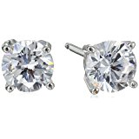

Sterling Silver Round Cut Cubic Zirconia Stud Earrings | Sterling Silver Round Cut Cubic Zirconia Stud Earrings
4.4 out of 5 stars 2,901 | 4.4 out of 5 stars 2,901
2 | 2
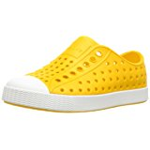

native Jefferson Slip-On Sneaker | native Jefferson Slip-On Sneaker
4.5 out of 5 stars 2,018 | 4.5 out of 5 stars 2,018
3 | 3
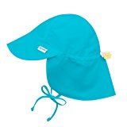

i play. Baby Boys' Flap Sun Protection Swim Hat | i play. Baby Boys' Flap Sun Protection Swim Hat
4.7 out of 5 stars 2,665 | 4.7 out of 5 stars 2,665

