ESOP
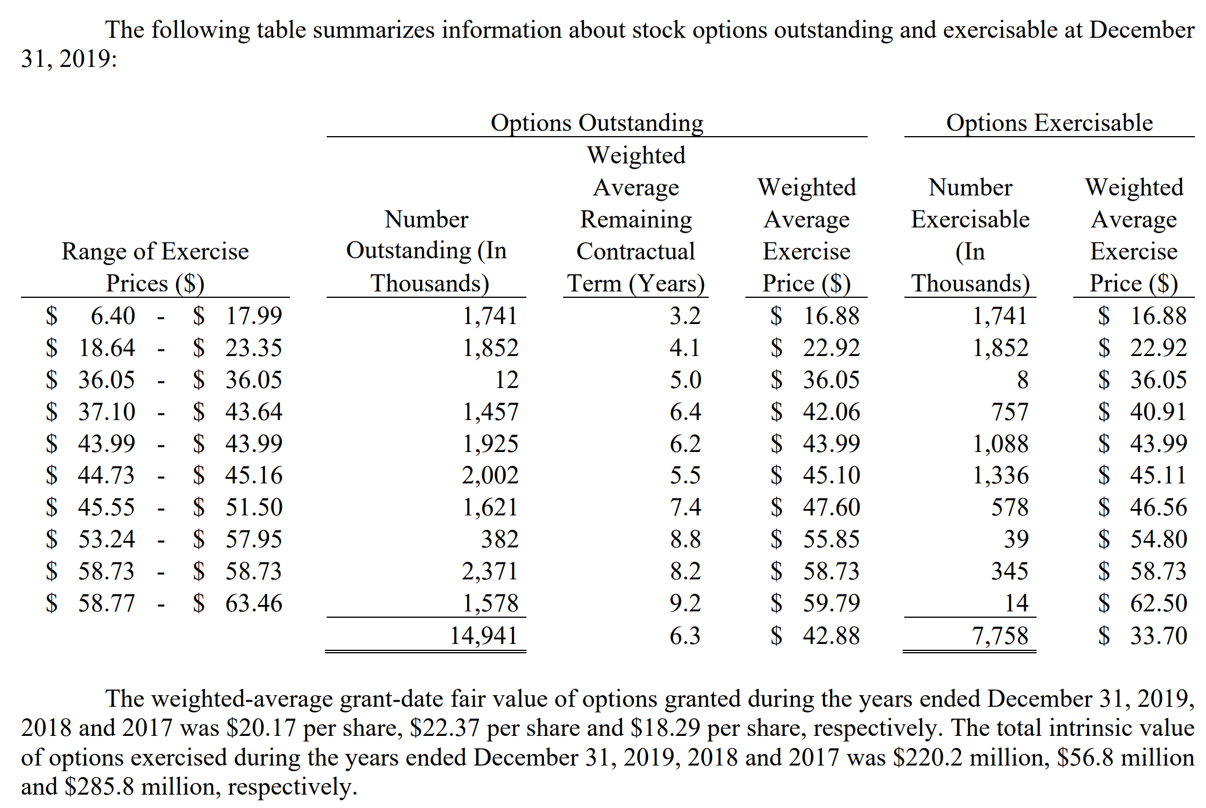
Home Depot, Inc.
Valuation of Options Granted under ESOP

Current Stock Price |  |  | $324.46
Risk Free Rate |  |  | 1.97%
Current Dividend Yield |  |  | 1.84%
Annualized St. Dev. of Stock Returns |  |  | 22.85%

 |  | Average | Average | B-S | Value
Range of | Number | Exercise | Remaining | Option | of Options
Outstanding Options | of Shares | Price | Life (yrs) | Price | Granted | How to use this worksheet:
Range 1 | 4.35 | 129.50 | 5.00 | $179.88 | $782 | Enter the number of options, prices, and remaining life for each range provided in the notes to the annual report (10K).
Total | 4.35 | $129.50 | 5.00 | $207.85 | $782 | The value of all options granted under the ESOP as of the end of the most recent fiscal year.
 |  |  |  |  |  | You may need to scale this number up or down by 1,000 or 1,000,000 to put on the same scale as your valuation.
 |  |  |  |  |  | Subtract this amount from your value of operating assets to arrive at the value of equity.

EXAMPLE: Stock options reported in total only, which will result in using only 1 row above.

EXAMPLE: Stock options reported in "ranges", which will result in using multiple rows above.

