Sheet1
 | Runoff-fed | Groundwater-fed
April | 18 | 18
August | 19 | 19
June | 19 | 22
October | 17 | 18
Table 1. Sample sizes by flow regime and month.

Runoff | estimate | SE | df | t.ratio | p
April - August | -6.92216 | 2.309003 | 142 | -2.9979 | 0.01675
April - June | -0.35994 | 2.309003 | 142 | -0.15589 | 0.998645
April - October | -11.4488 | 2.37416 | 142 | -4.82225 | 2.13E-05
August - June | 6.562225 | 2.277586 | 142 | 2.881219 | 0.023434
August - October | -4.52663 | 2.343617 | 142 | -1.93147 | 0.219603
June - October | -11.0889 | 2.343617 | 142 | -4.73151 | 3.14E-05
Groundwater | estimate | SE | df | t.ratio | p
April - August | -0.63766 | 2.309003 | 142 | -0.27616 | 0.992614
April - June | 2.189665 | 2.2311 | 142 | 0.981428 | 0.760251
April - October | 4.9449 | 2.339998 | 142 | 2.113207 | 0.153872
August - June | 2.827322 | 2.198571 | 142 | 1.285982 | 0.573351
August - October | 5.582556 | 2.309003 | 142 | 2.417735 | 0.078327
June - October | 2.755235 | 2.2311 | 142 | 1.234922 | 0.605764
Table 2. Pairwise comparisons of estimated marginal means of fish densities between months within flow regimes.

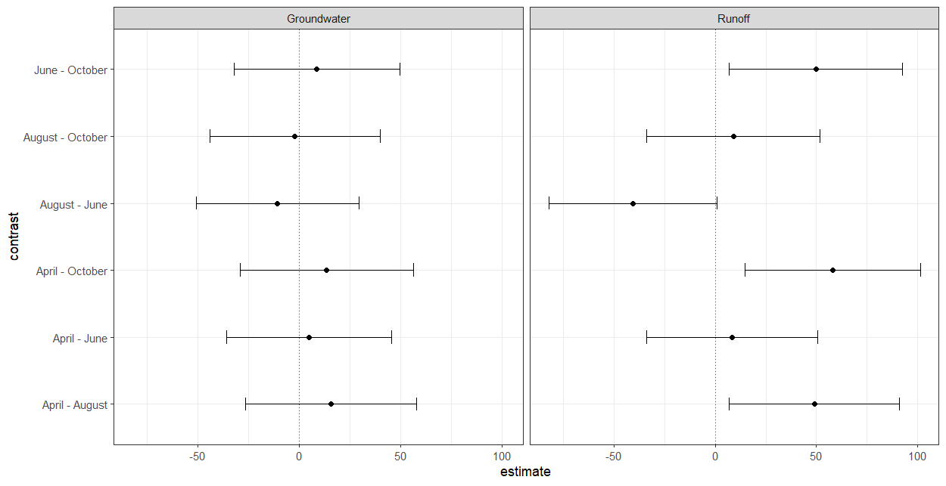

Figure 1. Confidence intervals for pairwise comparisons of estimated marginal means of water volume between months within flow regimes.

