Sheet1
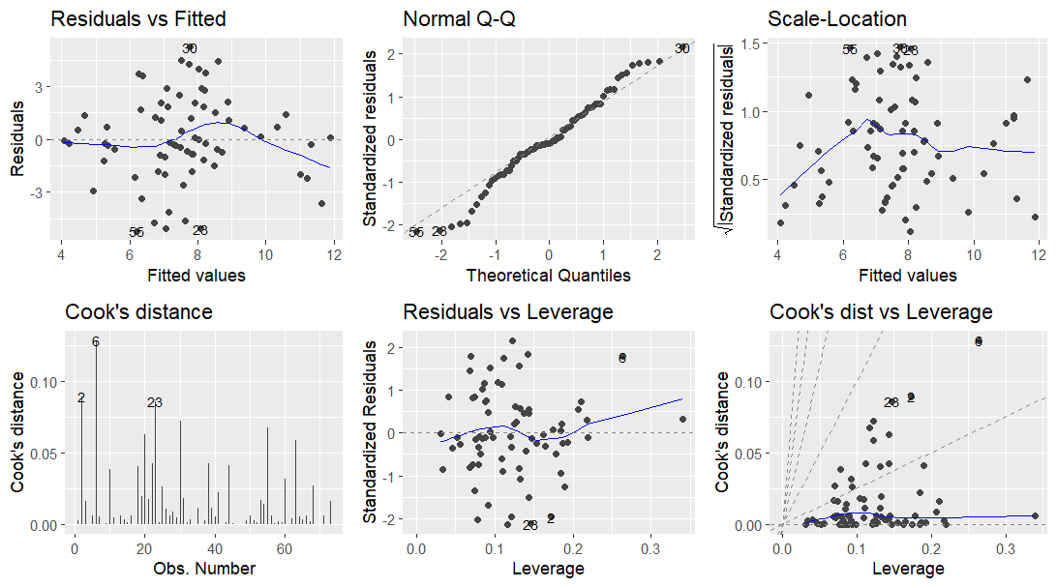

Figure 1. Residual plots for the global model.
Table 1. Tolerance scores for covariates.
 | tolerance
temperature | 0.7238243
DO | 0.4149873
SpC | 0.740948
Cover | 0.5339058
Canopy | 0.7946194
Depth | 0.6550529
Velocity | 0.3098932
Substrate | 0.7584018
Table 2. List of candidate models and the justification for covariate inclusion for each model.
 | covariates | justification for covariate inclusion
model6 | Temp, SpC, Depth | N/A; stepwise selection
model2a | Temp, DO, SpC | variables that directly affect water
model1a | Temp, DO, SpC, Cover, Depth, Velocity, Substrate | global model
model3a | Canopy, DO, Temp | light availability (canopy) affects temperature and algae abundance, which affects DO, which affects fish survival
model6a | Cover, Canopy, Depth | the ability to hide might affect species richness
model4a | Depth, Cover, Substrate, Velocity | habitat properties that might affect fish community composition and thereby species richness
model7a | Substrate, Velocity | velocity and particle size may act as proxies for the amount of suspended sediment in the water, which affects fish habitationn
model5a | Depth, Cover, Substrate | same as model4a, but perhaps velocity is not an important habitat property

