price_proposal
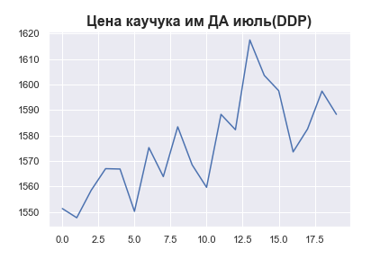
 | MWP_PRICE_EUR_EU
0 | 1551.3106913
1 | 1547.7143371
2 | 1558.4840253
3 | 1566.9743702
4 | 1566.8347253
5 | 1550.2230678
6 | 1575.2393631
7 | 1563.8571342
8 | 1583.4033606
9 | 1568.4712037
10 | 1559.6440252
11 | 1588.2846215
12 | 1582.253889
13 | 1617.4812239
14 | 1603.5701579
15 | 1597.571063
16 | 1573.5568644
17 | 1582.5416142
18 | 1597.4013661
19 | 1588.294111

