price_proposal
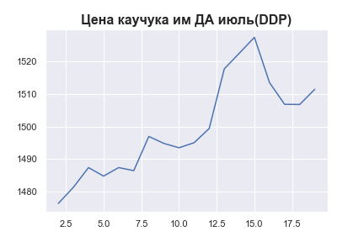
 | MWP_PRICE_EUR_EU_MA
0
1
2 | 1476.377867
3 | 1481.338032
4 | 1487.3928216
5 | 1484.7768517
6 | 1487.3940994
7 | 1486.4511956
8 | 1496.9582883
9 | 1494.8150379
10 | 1493.4808866
11 | 1495.0266193
12 | 1499.3911363
13 | 1517.7062493
14 | 1522.5466691
15 | 1527.3971075
16 | 1513.487727
17 | 1506.8286882
18 | 1506.7749508
19 | 1511.4417456

