price_proposal
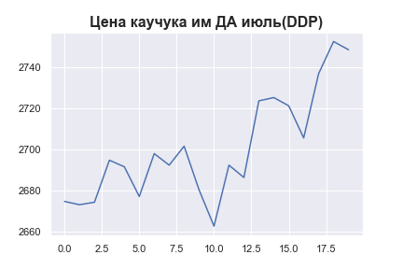
 | MWP_PRICE_USD_CN
0 | 2674.8
1 | 2673.2
2 | 2674.4
3 | 2694.8
4 | 2691.6
5 | 2677.2
6 | 2698
7 | 2692.4
8 | 2701.6
9 | 2680.4
10 | 2662.8
11 | 2692.4
12 | 2686.4
13 | 2723.6
14 | 2725.2
15 | 2721.2
16 | 2705.6
17 | 2736.8
18 | 2752.4
19 | 2748.4

