Dog
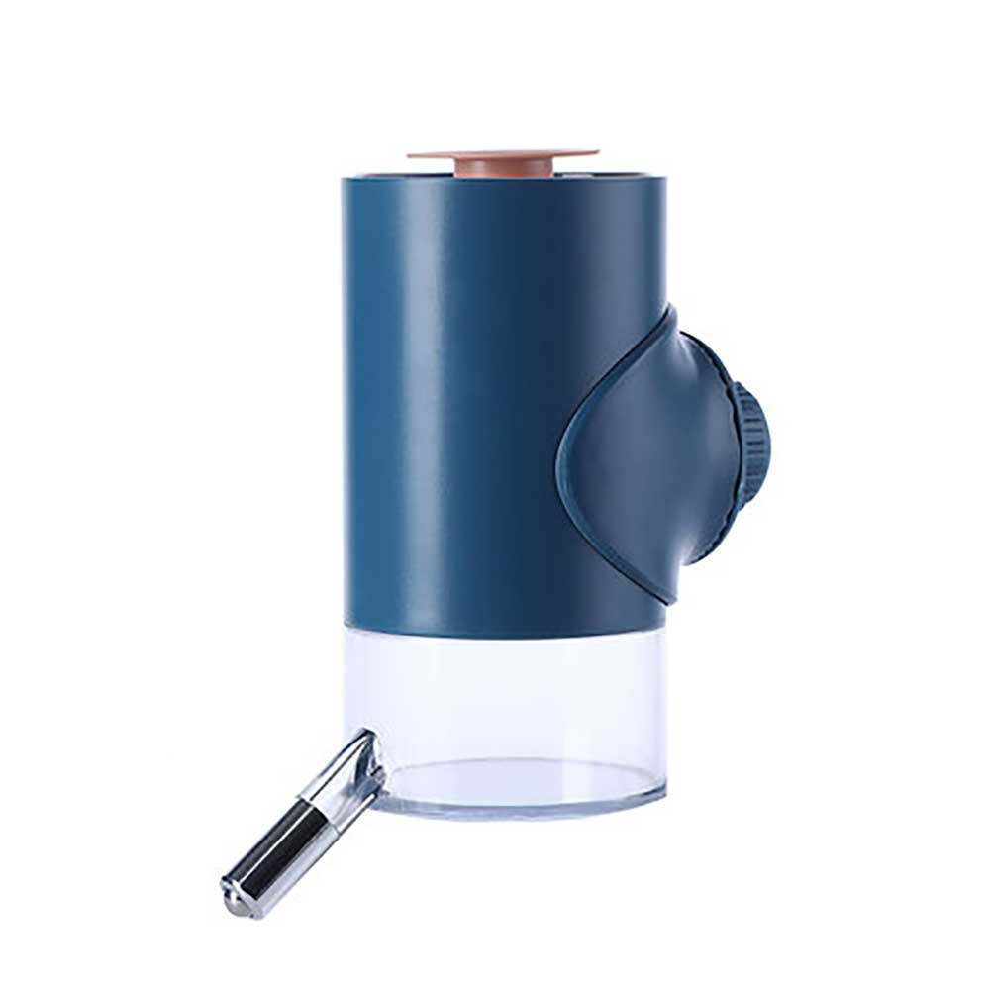
Prodcut Name | Prcie | Picture | Website

