answer
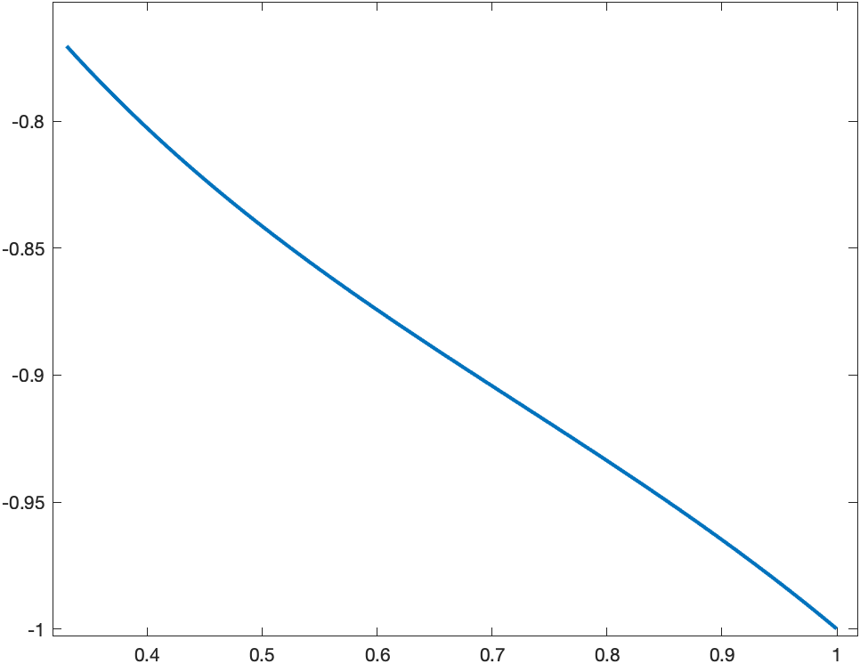
n1/n2 | 25/50 | 50/100 | 100/200 | 200/500 | 500/1000 | 1000/2000 | 2000/4000 | 4000/8000
||•|| | 0.98473 | 0.934487 | 0.93451 | 0.996521 | 0.98743 | 0.99983 | 0.91373 | 0.99258
||•||1 | 0.444641 | 0.60275 | 0.44988 | 0.496316 | 0.43831 | 0.49347 | 0.499239 | 0.438914
||•||2 | 0.54856 | 0.648254 | 0.74874 | 0.534092 | 0.4861378 | 0.55219 | 0.512583 | 0.548843

