Attachments
Attach_EPAM-EXT_2021_build_2022_BUG_1

Attach_EPAM-EXT_2021_build_2022_BUG_2
Attach_EPAM-EXT_2021_build_2022_BUG_3

Attach_EPAM-EXT_2021_build_2022_BUG_4 | https://drive.google.com/file/d/1fxhiP75W6nid95KgJJRVHpQgL2_SRFZ_/view?usp=sharing

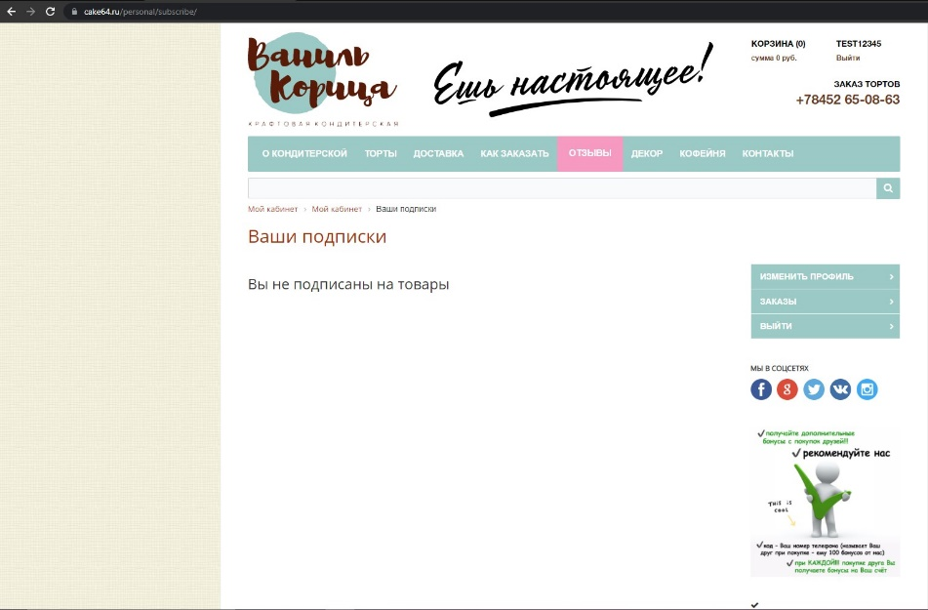

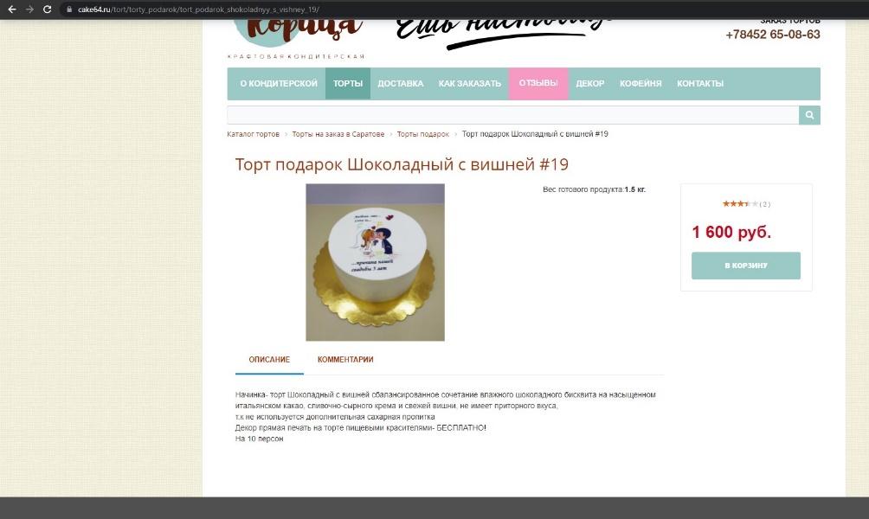

Attach_EPAM-EXT_2021_build_2022_BUG_5

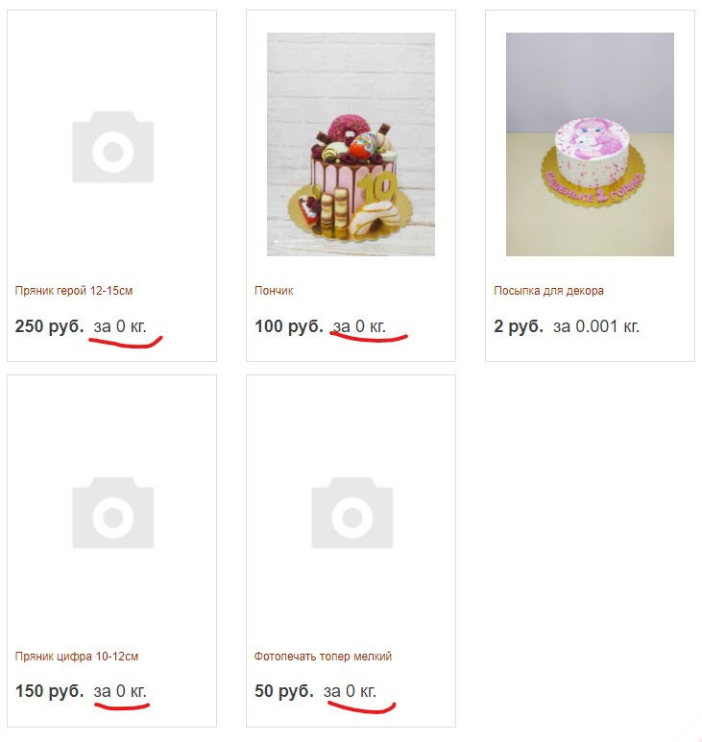

Attach_EPAM-EXT_2021_build_2022_BUG_6

Attach_EPAM-EXT_2021_build_2022_BUG_7

Attach_EPAM-EXT_2021_build_2022_BUG_8

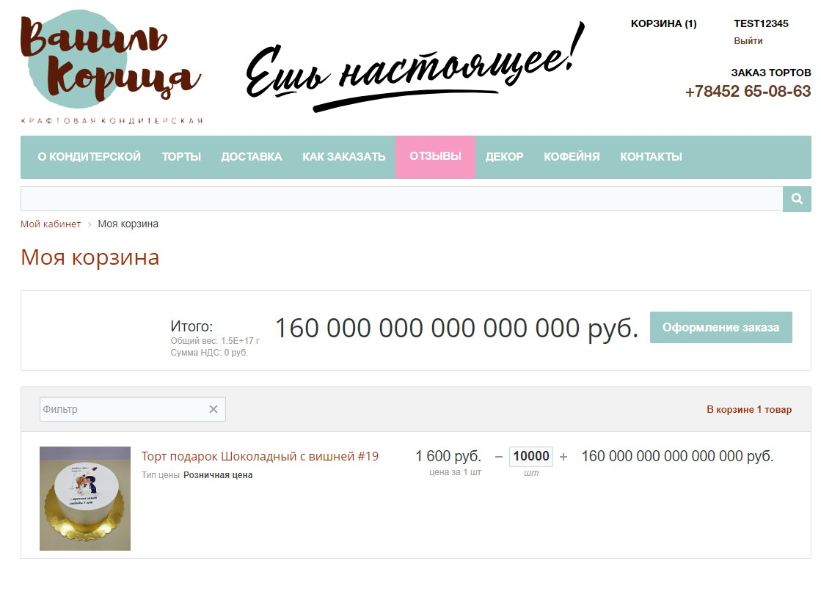

Attach_EPAM-EXT_2021_build_2022_BUG_9

Attach_EPAM-EXT_2021_build_2022_BUG_10

