Attachments
Attach_EPAM-EXT_2021_build_2022_BUG_1

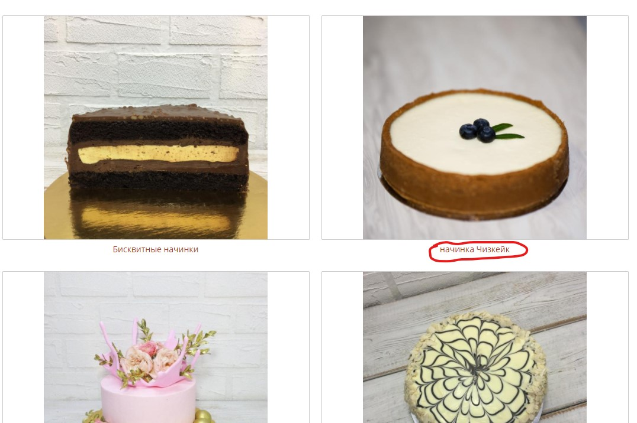

Attach_EPAM-EXT_2021_build_2022_BUG_2

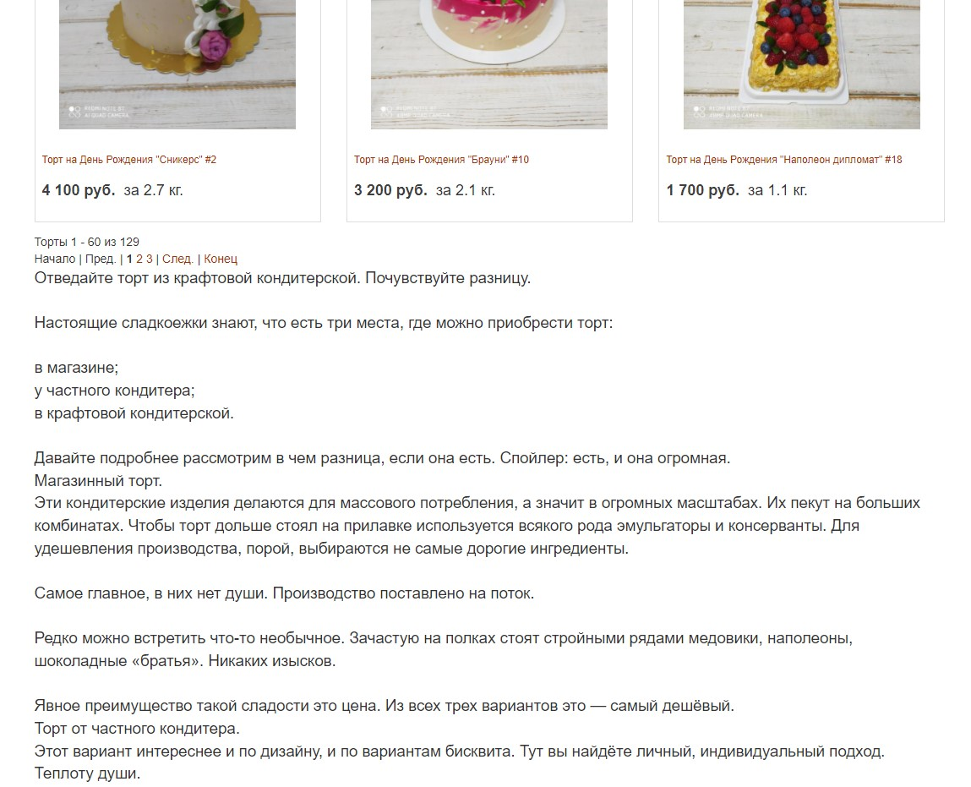

Attach_EPAM-EXT_2021_build_2022_BUG_3

Attach_EPAM-EXT_2021_build_2022_BUG_4 | https://drive.google.com/file/d/1ZoIOjC7ImGLpDe4KJIiJBUhuN8IrI1Ri/view?usp=sharing

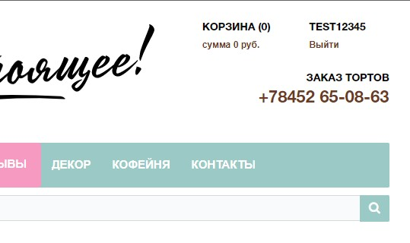

Attach_EPAM-EXT_2021_build_2022_BUG_5

