EF & CML
Monthly Variance-Covariance

COV | GOOGL | JPM | MSFT | AAPL | VZ | AMZN | JNJ | MMM | BRK-B | BMY |  | E(R)
GOOGL | 0.003428369178 | 0.0010644826863 | 0.002132300611 | 0.0017626549984 | 0.00035386377122 | 0.0031277445574 | 0.00062676904232 | 0.0013662844029 | 0.00064782637602 | 0.00056027073345 |  | 0.22700753983
JPM | 0.0010644826863 | 0.0037059341364 | 0.0018898455829 | 0.0012609461581 | 0.00030848798099 | 0.0015322700575 | 0.00095126146034 | 0.0013475647031 | 0.0015918588052 | 0.0014525190448 |  | 0.23286236037
MSFT | 0.002132300611 | 0.0018898455829 | 0.0037907935678 | 0.0021603342784 | 0.00090103453695 | 0.0026866410755 | 0.0010023693144 | 0.0012141902796 | 0.0010591388043 | 0.00036833834561 |  | 0.33339794565
AAPL | 0.0017626549984 | 0.0012609461581 | 0.0021603342784 | 0.0057175146554 | 0.00036811841301 | 0.0021728758271 | 0.00086102751265 | 0.0014895858546 | 0.00084592549453 | 0.00060427373691 |  | 0.27935473939
VZ | 0.00035386377122 | 0.00030848798099 | 0.00090103453695 | 0.00036811841301 | 0.0023287412844 | 0.00015223224068 | 0.00096043413524 | 0.00078227449612 | 0.00071075015842 | 0.00047046757474 |  | 0.12029724991
AMZN | 0.0031277445574 | 0.0015322700575 | 0.0026866410755 | 0.0021728758271 | 0.00015223224068 | 0.00669983645 | 0.0010136475935 | 0.0016596703963 | 0.0011450251813 | 0.00093369883542 |  | 0.48384365562
JNJ | 0.00062676904232 | 0.00095126146034 | 0.0010023693144 | 0.00086102751265 | 0.00096043413524 | 0.0010136475935 | 0.0016145865969 | 0.0013868811995 | 0.00089501831782 | 0.00097991622477 |  | 0.10924634455
MMM | 0.0013662844029 | 0.0013475647031 | 0.0012141902796 | 0.0014895858546 | 0.00078227449612 | 0.0016596703963 | 0.0013868811995 | 0.0028679061577 | 0.0012977820203 | 0.0016247641423 |  | 0.060381500591
BRK-B | 0.00064782637602 | 0.0015918588052 | 0.0010591388043 | 0.00084592549453 | 0.00071075015842 | 0.0011450251813 | 0.00089501831782 | 0.0012977820203 | 0.0015546701619 | 0.00095790924751 |  | 0.095742823392
BMY | 0.00056027073345 | 0.0014525190448 | 0.00036833834561 | 0.00060427373691 | 0.00047046757474 | 0.00093369883542 | 0.00097991622477 | 0.0016247641423 | 0.00095790924751 | 0.0054758166333 |  | 0.079655142645
 |  |  |  |  |  |  |  |  |  |  |  |  | Portfolio | 100%
 |  |  |  |  |  |  |  |  |  |  |  |  | Variance | 0.0803980374
 |  |  |  |  |  |  |  |  |  |  |  |  | S.D | 0.28354547678
Temporary Output |  |  |  |  |  |  |  |  |  |  |  |  | E(R) | 0.48384365562 | Traget | 0.48384365562
S.D | E(R) | GOOGL | JPM | MSFT | AAPL | VZ | AMZN | JNJ | MMM | BRK-B | BMY |  | Sharpe Ratio | 1.6527989124
0.28593830803 | 0.48384365562 | 0.0000% | 0.0000% | 0.0000% | 0.0000% | 0.0000% | 100.0000% | 0.0000% | 0.0000% | 0.0000% | 0.0000%
0.13078840372 | 0.20217893019 | 10% | 10% | 10% | 10% | 10% | 10% | 10% | 10% | 10% | 10%
Efficient Frontier
 | Efficient Frontier |  | GMVP |  | Optimal risky |  | EF2
 |  | 0.11135939522 | 0.12904821048 | 0.16743248028 | 0.32847730128 | 0.16743248028 | 0.32847730128
0.11135939522 | 0.12904821048 |  |  |  |  | 0.17946812876 | 0.34999999938
0.11155911352 | 0.13500000076 |  |  |  |  | 0.19148919595 | 0.37000000046
0.11234491936 | 0.14500000005 |  |  |  |  | 0.20417071055 | 0.38999999983
0.11339903324 | 0.15500000004 |  |  |  |  | 0.21742017959 | 0.41000000003
0.11470366274 | 0.16500000006 |  |  |  |  | 0.23186745719 | 0.43000099998
0.1162503695 | 0.17500000006 |  |  |  |  | 0.24867459518 | 0.450001
0.11802732036 | 0.18500000001 |  |  |  |  | 0.28593830803 | 0.48384365562
0.12001542972 | 0.19499999998
0.12220419957 | 0.20499999997
0.12458271255 | 0.21499999998
0.12714045987 | 0.22499999998
0.12987949125 | 0.23500099994
0.13283889232 | 0.24499999994
0.13601112305 | 0.25500099992
0.13938761083 | 0.26499999987
0.14299690478 | 0.27499999994
0.14687270764 | 0.28499999997
0.15107705832 | 0.29500000007
0.15561661984 | 0.30500000007
0.16046293427 | 0.31500000007
0.16402344471 | 0.32200000001
0.16743248028 | 0.32847730128

EF
S.D | E(R) | Weight
 |  | GOOGL | JPM | MSFT | AAPL | VZ | AMZN | JNJ | MMM | BRK-B | BMY
0.11135939522 | 0.12904821048 | 15.1476% | 0.0000% | 0.0000% | 3.2843% | 21.3288% | 0.0000% | 22.4493% | 0.0000% | 32.3386% | 5.4514% | GMVP
0.11155911352 | 0.13500000076 | 16.3534% | 1.2618% | 0.0000% | 4.6592% | 22.0244% | 0.0000% | 21.5405% | 0.0000% | 29.1213% | 5.0394%
0.11234491936 | 0.14500000005 | 15.7648% | 3.5329% | 0.0000% | 5.3776% | 23.3391% | 1.5747% | 20.3995% | 0.0000% | 25.3416% | 4.6699%
0.11339903324 | 0.15500000004 | 14.6452% | 5.2838% | 0.0000% | 5.8614% | 24.6112% | 3.6252% | 19.4104% | 0.0000% | 22.1630% | 4.3997%
0.11470366274 | 0.16500000006 | 13.5170% | 7.0243% | 0.0000% | 6.3478% | 25.8909% | 5.6806% | 18.4193% | 0.0000% | 18.9915% | 4.1285%
0.1162503695 | 0.17500000006 | 12.3832% | 8.7541% | 0.0000% | 6.8268% | 27.1147% | 7.7486% | 17.4364% | 0.0000% | 15.8755% | 3.8604%
0.11802732036 | 0.18500000001 | 11.1264% | 10.2746% | 0.5191% | 7.2280% | 28.2746% | 9.6649% | 16.2890% | 0.0000% | 12.9353% | 3.6881%
0.12001542972 | 0.19499999998 | 9.8517% | 11.6412% | 1.3687% | 7.5492% | 29.2061% | 11.4812% | 15.4577% | 0.0000% | 9.9105% | 3.5336%
0.12220419957 | 0.20499999997 | 8.5479% | 12.9915% | 2.1990% | 7.8882% | 30.2404% | 13.3202% | 14.3370% | 0.0000% | 7.0947% | 3.3812%
0.12458271255 | 0.21499999998 | 7.2129% | 14.3799% | 3.0264% | 8.2233% | 31.2262% | 15.1577% | 13.3794% | 0.0000% | 4.1553% | 3.2390%
0.12714045987 | 0.22499999998 | 5.9702% | 15.7352% | 3.8512% | 8.5586% | 32.2117% | 16.9788% | 12.3553% | 0.0000% | 1.2607% | 3.0784%
0.12987949125 | 0.23500099994 | 4.3718% | 16.4626% | 5.0626% | 8.8643% | 32.7529% | 18.9684% | 10.6599% | 0.0000% | 0.0000% | 2.8574%
0.13283889232 | 0.24499999994 | 2.6264% | 16.8775% | 6.3339% | 9.1707% | 33.1377% | 21.1087% | 8.2609% | 0.0000% | 0.0000% | 2.4840%
0.13601112305 | 0.25500099992 | 0.8435% | 17.2348% | 7.7640% | 9.4802% | 33.4439% | 23.1917% | 5.8630% | 0.0000% | 0.0000% | 2.1789%
0.13938761083 | 0.26499999987 | 0.0000% | 17.6632% | 8.8173% | 9.6830% | 33.7520% | 25.2168% | 3.1515% | 0.0000% | 0.0000% | 1.7162%
0.14299690478 | 0.27499999994 | 0.0000% | 18.0891% | 9.7692% | 9.8479% | 33.8982% | 27.0561% | 0.1410% | 0.0000% | 0.0000% | 1.1985%
0.14687270764 | 0.28499999997 | 0.0000% | 17.9910% | 10.9067% | 9.7131% | 32.2981% | 29.0910% | 0.0000% | 0.0000% | 0.0000% | 0.0000%
0.15107705832 | 0.29500000007 | 0.0000% | 17.0096% | 12.7655% | 9.4272% | 29.6166% | 31.1811% | 0.0000% | 0.0000% | 0.0000% | 0.0000%
0.15561661984 | 0.30500000007 | 0.0000% | 16.0367% | 14.6112% | 9.1214% | 26.9457% | 33.2849% | 0.0000% | 0.0000% | 0.0000% | 0.0000%
0.16046293427 | 0.31500000007 | 0.0000% | 15.0638% | 16.4570% | 8.8157% | 24.2748% | 35.3887% | 0.0000% | 0.0000% | 0.0000% | 0.0000%
0.16402344471 | 0.32200000001 | 0.0000% | 14.4306% | 17.7239% | 8.6378% | 22.3623% | 36.8454% | 0.0000% | 0.0000% | 0.0000% | 0.0000%
0.16743248028 | 0.32847730128 | 0.0000% | 13.7527% | 18.9445% | 8.4036% | 20.6752% | 38.2240% | 0.0000% | 0.0000% | 0.0000% | 0.0000% | Optimal risky portfolio
0.17946812876 | 0.34999999938 | 0.0000% | 11.6588% | 22.9171% | 7.7455% | 14.9268% | 42.7518% | 0.0000% | 0.0000% | 0.0000% | 0.0000%
0.19148919595 | 0.37000000046 | 0.0000% | 9.7130% | 26.6086% | 7.1340% | 9.5850% | 46.9593% | 0.0000% | 0.0000% | 0.0000% | 0.0000%
0.20417071055 | 0.38999999983 | 0.0000% | 7.7673% | 30.3001% | 6.5224% | 4.2433% | 51.1669% | 0.0000% | 0.0000% | 0.0000% | 0.0000%
0.21742017959 | 0.41000000003 | 0.0000% | 4.8467% | 33.5319% | 5.4927% | 0.0000% | 56.1287% | 0.0000% | 0.0000% | 0.0000% | 0.0000%
0.23186745719 | 0.43000099998 | 0.0000% | 0.0000% | 33.1382% | 1.9500% | 0.0000% | 64.9117% | 0.0000% | 0.0000% | 0.0000% | 0.0000%
0.24867459518 | 0.450001 | 0.0000% | 0.0000% | 22.4949% | 0.0000% | 0.0000% | 77.5051% | 0.0000% | 0.0000% | 0.0000% | 0.0000%
0.28593830803 | 0.48384365562 | 0.0000% | 0.0000% | 0.0000% | 0.0000% | 0.0000% | 100.0000% | 0.0000% | 0.0000% | 0.0000% | 0.0000%

EF & CML
 |  |  | Weight in Rf
 | Rf | Portfolio | 50.00%
S.D | 0 | 0.16743248028
Mean | 0.0152 | 0.32847730128

CML
Weight in Rf | S.D | E(R)

100.00% | 0 | 0.0152
90.00% | 0.016743248028 | 0.046527730128
80.00% | 0.033486496057 | 0.077855460255
70.00% | 0.050229744085 | 0.10918319038
60.00% | 0.066972992113 | 0.14051092051
50.00% | 0.083716240142 | 0.17183865064
40.00% | 0.10045948817 | 0.20316638077
30.00% | 0.1172027362 | 0.23449411089
20.00% | 0.13394598423 | 0.26582184102
10.00% | 0.15068923225 | 0.29714957115
0.00% | 0.16743248028 | 0.32847730128
-10.00% | 0.18417572831 | 0.3598050314
-20.00% | 0.20091897634 | 0.39113276153
-30.00% | 0.21766222437 | 0.42246049166
-40.00% | 0.2344054724 | 0.45378822179
-50.00% | 0.25114872042 | 0.48511595192
-60.00% | 0.26789196845 | 0.51644368204
-70.00% | 0.28463521648 | 0.54777141217
-80.00% | 0.30137846451 | 0.5790991423
-90.00% | 0.31812171254 | 0.61042687243
-100.00%

 | Mean | S.D
Rf | 0 | 0.0152
GOOGL | 0.20454272307 | 0.22700753983 | 1.0355173562
JPM | 0.21266160667 | 0.23286236037 | 1.0235150753
MSFT | 0.21508261593 | 0.33339794565 | 1.479421962
AAPL | 0.26414590703 | 0.27935473939 | 1.0000334374
VZ | 0.16857798702 | 0.12029724991 | 0.62343400682
AMZN | 0.28593830803 | 0.48384365562 | 1.638967716
JNJ | 0.14036890559 | 0.10924634455 | 0.66999414259
MMM | 0.18707799667 | 0.060381500591 | 0.24151156948
BRK-B | 0.13773977655 | 0.095742823392 | 0.58474629052
BMY | 0.25850246617 | 0.079655142645 | 0.2493405328
Equal Weight Pf | 0.20217893019 | 0.13078840372 | 0.57171340067

Performance(2015-2020)
2015-2020 Matched Daily Return(Data Source: Stock, Yahoo Finance; Fund, FT) |  |  |  |  |  |  |  |  |  |  |  |  |  |  |  |  |  | Accumulative Return(2015-2020)
Date | GOOGL | JPM | MSFT | AAPL | VZ | AMZN | JNJ | MMM | BRK-B | BMY | Fund | Optimal Risky Portfolio | Minimum Variance Portfolio | Equally Weight Portfolio | S&P 500 | Russell_1000 | MSCI | Date | GOOGL | JPM | MSFT | AAPL | VZ | AMZN | JNJ | MMM | BRK-B | BMY | Fund | Optimal Risky Portfolio | Minimum Variance Portfolio | Equally-Weighted Portfolio | S&P 500 | Russell_1000 | MSCI |  | Portfolio | Fund | Russell 1000 | S&P 500 | MSCI
2015-01-01 | 0 | 0 | 0 | 0 | 0 | 0 | 0 | 0 | 0 | 0 | 0 | 0 | 0 | 0 | 0 | 0 | 5.85E-06 | 2015-01-01 | 0 | 0 | 0 | 0 | 0 | 0 | 0 | 0 | 0 | 0 | 0 | 0 | 0 | 0 | 0 | 0 | 5.8490819865E-06 | 31/12/2019 | 3.750300 | 1.026948 | 1.559120 | 1.569177 | 1.3794884393
2015-01-02 | -0.0020917073225 | 0.0049854114688 | 0.0066739126395 | -0.0095125856432 | 0.0038479218082 | -0.0058966233409 | -0.00047826137418 | -0.0015824230772 | -0.0065267783375 | 0.008131471745 | 0 | -0.000307787761 | -0.0015833060651 | -0.00024496614339 | -0.00034 | -0.0003145707709 | -0.0029069767442 | 2015-01-02 | -0.0020917073225 | 0.0049854114688 | 0.0066739126395 | -0.0095125856432 | 0.0038479218082 | -0.0058966233409 | -0.00047826137418 | -0.0015824230772 | -0.0065267783375 | 0.008131471745 | 0 | -0.000307787761 | -0.0015833060651 | -0.00024496614339 | -0.00034 | -0.0003145707709 | -0.0029011446653 | 31/12/2018 | 2.754832 | 0.967903 | 1.209626 | 1.217567 | 1.1019085555
2015-01-05 | -0.019053849595 | -0.031044767723 | -0.0091955954665 | -0.028171722226 | -0.0083047983007 | -0.020517265648 | -0.0069842541195 | -0.022552725044 | -0.014547148861 | -0.015627415922 | -0.016116248349 | -0.017938533006 | -0.012706930907 | -0.017599954291 | -0.0182781 | -0.018041812984 | -0.019627971913 | 2015-01-05 | -0.02110570184 | -0.026214127195 | -0.0025830534278 | -0.037416321949 | -0.004488832707 | -0.026292906401 | -0.0074591751947 | -0.024099460168 | -0.020978981182 | -0.0076230180683 | -0.016116248349 | -0.018240799507 | -0.014270118011 | -0.017840609041 | -0.018611885446 | -0.018350708328 | -0.022472172992 | 01/01/2017 | 1.712922 | 0.942933 | 1.085016 | 1.087391 | 1.025396714
2015-01-06 | -0.024679487895 | -0.025929095143 | -0.014677495866 | 9.44E-05 | 0.010092041738 | -0.022833296405 | -0.0049140957884 | -0.010663496938 | -0.0010884602865 | -0.0017072032023 | -0.0080558539205 | -0.012979832929 | -0.0031309727895 | -0.0096306235722 | -0.0088935 | -0.0089551408415 | -0.010094240838 | 2015-01-06 | -0.045264311822 | -0.051463513741 | -0.017222636538 | -0.037325498267 | 0.0055579075439 | -0.048525849081 | -0.012336615882 | -0.034505972586 | -0.022044606681 | -0.0093172072298 | -0.024042272127 | -0.030983869905 | -0.01735641145 | -0.027299416423 | -0.027339860643 | -0.027141515992 | -0.032339574304
2015-01-07 | -0.0029409851351 | 0.001525854243 | 0.012705224328 | 0.014022197517 | -0.0064528113674 | 0.010599765628 | 0.022076354916 | 0.0072487223567 | 0.013892730835 | 0.012995877678 | 0.012181916622 | 0.0065126792118 | 0.0087958877081 | 0.0085672930999 | 0.01162984 | 0.011649917831 | 0.004738935432 | 2015-01-07 | -0.048072175289 | -0.050016185318 | -0.0047362296702 | -0.023826686259 | -0.00093076795245 | -0.038440446081 | 0.0094673915239 | -0.027507374444 | -0.008458135633 | 0.0035575851624 | -0.01215323646 | -0.024672978699 | -0.0087131887876 | -0.018966005425 | -0.016027978848 | -0.015807794592 | -0.027753894026 | 1y Avg | 0.361353 | 0.061003 | 0.288927 | 0.288781 | 0.251908
2015-01-08 | 0.0034841330038 | 0.022346626169 | 0.029418127441 | 0.038422085474 | 0.021432952045 | 0.0068359290113 | 0.0078625686935 | 0.023967475845 | 0.016724812955 | 0.024983120431 | 0.01658197379 | 0.018919500752 | 0.014896644815 | 0.019547783107 | 0.01788828 | 0.017695360942 | 0.019221282381 | 2015-01-08 | -0.044755532138 | -0.028787252145 | 0.024542566762 | 0.013679928239 | 0.020482234988 | -0.03186729323 | 0.017404398234 | -0.0041991809321 | 0.0081252165854 | 0.028629585172 | 0.0042272126816 | -0.0062202783862 | 0.0060536587489 | 0.00021103432115 | 0.0015735881789 | 0.0016078417192 | -0.0090660770792 | 3y Avg | 0.29850257021 | 0.028859323642 | 0.12844679059 | 0.13004426325 | 0.10393130205
Historical Performance(2015-2020)
 | Fund | Optimal Risky Portfolio | S&P 500 | MSCI | Russell 1000
1/1/15 | 0 | 0 | 0 | 5.8490819865E-06 | 0
1/2/15 | 0 | -0.000307787761 | -0.00034 | -0.0029011446653 | -0.0003145707709
1/5/15 | -0.016116248349 | -0.018240799507 | -0.018611885446 | -0.022472172992 | -0.018350708328
1/6/15 | -0.024042272127 | -0.030983869905 | -0.027339860643 | -0.032339574304 | -0.027141515992
1/7/15 | -0.01215323646 | -0.024672978699 | -0.016027978848 | -0.027753894026 | -0.015807794592
1/8/15 | 0.0042272126816 | -0.0062202783862 | 0.0015735881789 | -0.0090660770792 | 0.0016078417192
1/9/15 | -0.0031704095112 | -0.016381381405 | -0.0068434359415 | -0.015131575099 | -0.0066849222251
1/12/15 | -0.0097754293263 | -0.027508286627 | -0.014881747224 | -0.019278574228 | -0.014383425822
1/13/15 | -0.012417437252 | -0.023034006359 | -0.017421973151 | -0.018412910094 | -0.016568033956
1/14/15 | -0.017437252312 | -0.032340656605 | -0.023133797478 | -0.025905584119 | -0.022291749936
1/15/15 | -0.027741083223 | -0.048142814439 | -0.032167758433 | -0.027625214223 | -0.031502091965
1/16/15 | -0.014795244386 | -0.034989045579 | -0.019175384856 | -0.020191031018 | -0.018577916108
1/19/15 | -0.014795244386 | -0.034989045579 | -0.019175384856 | -0.016242900677 | -0.018577916108
1/20/15 | -0.015059445178 | -0.033688690271 | -0.017655155743 | -0.014271760047 | -0.017380755117
1/21/15 | -0.010832232497 | -0.024237244701 | -0.013007073231 | -0.0089666426854 | -0.012557123289
1/22/15 | 0.0021136063408 | 0.0013667938359 | 0.0020640324024 | 0.00046792655893 | 0.0027613745495
1/23/15 | -0.0044914134742 | -0.0004359527945 | -0.0034388022315 | -0.0011288728234 | -0.0023593341169
1/26/15 | -0.0021136063408 | -0.0049824693471 | -0.0008791746575 | 0.0016845356121 | 0.0013370057791
1/27/15 | -0.015323645971 | -0.032973361522 | -0.014255304355 | -0.0023805763685 | -0.011272599307
1/28/15 | -0.026155878468 | -0.042839444482 | -0.02755852047 | -0.011973070827 | -0.024694818884
1/29/15 | -0.017437252312 | -0.024781135849 | -0.018286592419 | -0.0092766440307 | -0.015711684635
1/30/15 | -0.031175693527 | 0.013194472215 | -0.03104101301 | -0.018793100423 | -0.028417399678
2/2/15 | -0.018758256275 | 0.037915242884 | -0.0184809209 | -0.0089607936034 | -0.016384561007
2/3/15 | -0.0036988110964 | 0.045551933247 | -0.0043082761573 | 0.0032462405026 | -0.0020535103122
2/4/15 | -0.011624834875 | 0.04769013755 | -0.0084463709616 | 0.0031935987647 | -0.0059246828611
2/5/15 | -0.0010568031704 | 0.062515857331 | 0.0017581139718 | 0.0104230641 | 0.0045090610569
2/6/15 | -0.0044914134742 | 0.071628086347 | -0.0016660956134 | 0.0063638012014 | 0.0011272919318
2/9/15 | -0.0066050198151 | 0.066659623195 | -0.0059062193721 | 0.0026671813859 | -0.0033119000661
2/10/15 | 0.002642007926 | 0.075721777457 | 0.0047062884286 | 0.0094521164903 | 0.0070868559873
2/11/15 | 0.0015852047556 | 0.080267232607 | 0.0046771519463 | 0.006966256646 | 0.0071829659448
2/12/15 | 0.011096433289 | 0.088832666234 | 0.014366770785 | 0.018453853668 | 0.017004955583
2/13/15 | 0.016116248349 | 0.0974540513 | 0.018500051641 | 0.024864447525 | 0.021426653649
2/16/15 | 0.016116248349 | 0.0974540513 | 0.018500051641 | 0.02529143051 | 0.021426653649
2/17/15 | 0.017173051519 | 0.091552080223 | 0.020127176768 | 0.026396907005 | 0.022929638444
2/18/15 | 0.015852047556 | 0.08673933149 | 0.019806550796 | 0.028876917768 | 0.023226715283
2/19/15 | 0.014002642008 | 0.092179378851 | 0.018723414259 | 0.029906356197 | 0.022239268139
2/20/15 | 0.019022457067 | 0.10149759852 | 0.024964653818 | 0.034170336966 | 0.028714476517
2/23/15 | 0.017965653897 | 0.099446118383 | 0.024653782038 | 0.035492229495 | 0.028330036687
2/24/15 | 0.018494055482 | 0.10271536541 | 0.027480566153 | 0.038165259962 | 0.030837962559
2/25/15 | 0.017173051519 | 0.1081254634 | 0.026693824283 | 0.039299981868 | 0.030418534864
2/26/15 | 0.015587846764 | 0.11090001004 | 0.025178424199 | 0.037621295338 | 0.028723223483
2/27/15 | 0.014002642008 | 0.1030015468 | 0.022147689223 | 0.036960349073 | 0.025420070383
3/2/15 | 0.01928665786 | 0.11100406228 | 0.028408262048 | 0.039177151146 | 0.031825409702
3/3/15 | 0.013474240423 | 0.10803124254 | 0.023740831151 | 0.034451092901 | 0.027412458603
3/4/15 | 0.0084544253633 | 0.10246686189 | 0.019248144513 | 0.029970696099 | 0.022824781521
3/5/15 | 0.0076618229855 | 0.10578675315 | 0.020467246834 | 0.031625986301 | 0.024231656359
3/6/15 | -0.0081902245707 | 0.088179641805 | 0.0060032461238 | 0.018904232981 | 0.0099530874604
3/9/15 | -0.0050198150594 | 0.090499654922 | 0.0099713454479 | 0.018816496751 | 0.013763031246
3/10/15 | -0.023513870542 | 0.067564391666 | -0.0071590815337 | 0.0016845356121 | -0.0028923657013
3/11/15 | -0.026684280053 | 0.063695977681 | -0.009063052563 | 0.0006550971825 | -0.0038711725489
...
2015-01-09 | -0.012211245382 | -0.017387261954 | -0.0084051273172 | 0.0010725560315 | -0.0089020259097 | -0.011748648338 | -0.013629022023 | -0.012283695311 | -0.012551984923 | -0.0065876254697 | -0.0073664825046 | -0.010224703521 | -0.011191054925 | -0.01026340806 | -0.0084038 | -0.0082794518961 | -0.0061209913999 | 2015-01-09 | -0.056420256735 | -0.045673982605 | 0.015931156047 | 0.01476715676 | 0.011397875692 | -0.043241543947 | 0.0035381712843 | -0.016431294784 | -0.0045287559336 | 0.021853358718 | -0.0031704095112 | -0.016381381405 | -0.0052051430037 | -0.01005453967 | -0.0068434359415 | -0.0066849222251 | -0.015131575099 | 5y Avg | 0.30260637504 | 0.0053325205403 | 0.09288860917 | 0.094294955499 | 0.066457647914
2015-01-12 | -0.0073094816528 | -0.0085944320791 | -0.012502535404 | -0.024640713432 | 0.006843536882 | -0.018590203583 | -0.0034303474638 | -0.0054449023892 | -0.0079614801076 | 0.030835499112 | -0.0066260270342 | -0.011312214929 | -0.0021205923823 | -0.0050795060118 | -0.0080937 | -0.007750313842 | -0.0042107138615 | 2015-01-12 | -0.063317335556 | -0.053875872742 | 0.0032294408 | -0.010237429949 | 0.018319414356 | -0.061027878424 | 9.5686663575E-05 | -0.021786730377 | -0.012454180441 | 0.053362717053 | -0.0097754293263 | -0.027508286627 | -0.0073146973994 | -0.015082973587 | -0.014881747224 | -0.014383425822 | -0.019278574228
2015-01-13 | 0.009536052504 | 0.00016984395654 | -0.0051503062668 | 0.0088789423923 | 0.0021239118111 | 0.01142715257 | 0.0017209916626 | -0.00074645938896 | 0.0023604404262 | 0.015117371351 | -0.0026680896478 | 0.0046008415355 | 0.0041628895534 | 0.0045437941018 | -0.0025786 | -0.0022164888371 | 0.00088268096451 | 2015-01-13 | -0.054385080489 | -0.053715179277 | -0.001937498076 | -0.0014493851077 | 0.020482234988 | -0.050298100732 | 0.0018168430021 | -0.022516926856 | -0.010123137366 | 0.069286792414 | -0.012417437252 | -0.023034006359 | -0.0031822581233 | -0.010607713411 | -0.017421973151 | -0.016568033956 | -0.018412910094
2015-01-14 | 0.0082303805964 | -0.034500043086 | -0.0086281276963 | -0.0038107091946 | -0.0044507513122 | -0.0049874508699 | -0.0072547071754 | -0.0048563999645 | -0.005449758003 | -0.0026931719192 | -0.0050829320492 | -0.0095260738925 | -0.0033655645712 | -0.0068400738624 | -0.0058131 | -0.0058201443289 | -0.00763322389 | 2015-01-14 | -0.046602309803 | -0.086362046364 | -0.010548908791 | -0.0052545711172 | 0.015940322342 | -0.055034692296 | -0.0054510448373 | -0.027263975618 | -0.01551772672 | 0.066407019251 | -0.017437252312 | -0.032340656605 | -0.0065371125993 | -0.017375229731 | -0.023133797478 | -0.022291749936 | -0.025905584119
2015-01-15 | -0.0037949576778 | -0.032036743619 | -0.010443770797 | -0.027140463138 | 0.002767519626 | -0.021550029132 | -0.014519320454 | -0.0011261071111 | -0.0016236333464 | -0.020969090381 | -0.01048668997 | -0.01633029014 | -0.0058035848135 | -0.013043659603 | -0.0092479 | -0.0094203378443 | -0.0017653628601 | 2015-01-15 | -0.050220413688 | -0.11563203125 | -0.020882509203 | -0.032252422762 | 0.018751957123 | -0.075398722205 | -0.019891219824 | -0.028359380572 | -0.017116164968 | 0.044045434081 | -0.027741083223 | -0.048142814439 | -0.012302758725 | -0.030192252752 | -0.032167758433 | -0.031502091965 | -0.027625214223
2015-01-16 | 0.012797328554 | 0.017094055622 | 0.016710640463 | -0.0077699194351 | 0.018896162678 | 0.013207798802 | 0.015123576074 | 0.014656123458 | 0.011044889976 | 0.011033713868 | 0.013315217391 | 0.013819057165 | 0.013282019985 | 0.012279437006 | 0.0134242 | 0.013344557329 | 0.0076453887058 | 2015-01-16 | -0.038065772268 | -0.100514596 | -0.0045208288439 | -0.03977174347 | 0.038002459833 | -0.063186774556 | -0.0050684701267 | -0.014118895697 | -0.006260321151 | 0.055565132666 | -0.014795244386 | -0.034989045579 | 0.00081585577202 | -0.018283559611 | -0.019175384856 | -0.018577916108 | -0.020191031018
2015-01-19 | 0 | 0 | 0 | 0 | 0 | 0 | 0 | 0 | 0 | 0 | 0 | 0 | 0 | 0 | 0 | 0 | 0.0040294898964 | 2015-01-19 | -0.038065772268 | -0.100514596 | -0.0045208288439 | -0.03977174347 | 0.038002459833 | -0.063186774556 | -0.0050684701267 | -0.014118895697 | -0.006260321151 | 0.055565132666 | -0.014795244386 | -0.034989045579 | 0.00081585577202 | -0.018283559611 | -0.019175384856 | -0.018577916108 | -0.016242900677
2015-01-20 | -0.0010186675202 | -0.0039336941745 | 0.0032438282522 | 0.025756970545 | 0.0039591269199 | -0.0044713071357 | -0.026432156201 | -0.00037032684587 | -0.0038871510285 | 0.0022467798332 | -0.00026816840976 | 0.0013475031572 | -0.0055323306631 | -0.00049065973553 | 0.00154995 | 0.0012198227556 | 0.0020036863072 | 2015-01-20 | -0.039045663422 | -0.10405289649 | -0.001291665384 | -0.01503917255 | 0.042112043315 | -0.067375554216 | -0.031366655734 | -0.014483993937 | -0.010123137366 | 0.057936755119 | -0.015059445178 | -0.033688690271 | -0.004720988475 | -0.01876524834 | -0.017655155743 | -0.017380755117 | -0.014271760047
2015-01-21 | 0.020492630813 | 0.0032311581372 | -0.010131470949 | 0.0076344398716 | 0.0014527225661 | 0.026983131194 | 0.0060223485375 | 0.0037051996619 | -0.00975585117 | -0.0080065425222 | 0.0042918454936 | 0.0097809530684 | 0.0014253194938 | 0.004162776614 | 0.00473162 | 0.0049089531402 | 0.0053819269316 | 2015-01-21 | -0.019353180974 | -0.10115794972 | -0.011410049863 | -0.0075195483369 | 0.043625942997 | -0.042210426441 | -0.02553320813 | -0.010832460364 | -0.019780228714 | 0.049466339503 | -0.010832232497 | -0.024237244701 | -0.0033023978981 | -0.014680587263 | -0.013007073231 | -0.012557123289 | -0.0089666426854
2015-01-22 | 0.032494807103 | 0.030416908283 | 0.026350291108 | 0.026015576579 | -0.0093265092846 | 0.043969747096 | 0.018253296067 | 0.02061011467 | 0.020179381495 | 0.0022599087794 | 0.013087606838 | 0.02624002443 | 0.014534035751 | 0.02112235219 | 0.01526972 | 0.015513300263 | 0.0095199310646 | 2015-01-22 | 0.012512748246 | -0.073817953512 | 0.01463958311 | 0.018300402857 | 0.03389255595 | -9.666112037E-05 | -0.0077459772699 | 0.0095543960551 | 0 | 0.051838037698 | 0.0021136063408 | 0.0013667938359 | 0.011183640684 | 0.0061316763918 | 0.0020640324024 | 0.0027613745495 | 0.00046792655893
2015-01-23 | 0.0086544286613 | -0.015801342742 | 0.0010606447145 | 0.0051599894788 | -0.013598358776 | 0.0066705570874 | -0.015034896326 | -0.011272188302 | -0.0068597990088 | -0.00032202357541 | -0.0065910888479 | -0.0018002860106 | -0.0070311076788 | -0.0041342988789 | -0.0054915 | -0.0051066074107 | -0.001596052547 | 2015-01-23 | 0.021275467595 | -0.08845287347 | 0.015715755221 | 0.023554822222 | 0.019833314038 | 0.0065732511835 | -0.022664413631 | -0.0018254911988 | -0.0068597990088 | 0.051499321052 | -0.0044914134742 | -0.0004359527945 | 0.0040738996229 | 0.00197202733 | -0.0034388022315 | -0.0023593341169 | -0.0011288728234
2015-01-26 | -0.0096504131121 | 0.0015876918458 | -0.0036028808849 | 0.0010623566512 | -0.0040296619311 | -0.0087391109136 | 0.00058716992803 | 0.0013409209152 | 0.003889497385 | 0.006283211275 | 0.0023885350318 | -0.0045484994836 | -0.00055424492459 | -0.0011271218842 | 0.00256846 | 0.003705081421 | 0.0028165880052 | 2015-01-26 | 0.011419737431 | -0.08700561753 | 0.012056252342 | 0.024642202495 | 0.015723730556 | -0.0022233041013 | -0.022090551565 | -0.00048701812296 | -0.0029969827941 | 0.058106113442 | -0.0021136063408 | -0.0049824693471 | 0.0035173967601 | 0.0008426827307 | -0.0008791746575 | 0.0013370057791 | 0.0016845356121
2015-01-27 | -0.028934955115 | -0.010040580069 | -0.092533644346 | -0.035013234079 | -0.012989906588 | -0.009397415319 | -0.0016626279016 | -0.0037139715806 | -0.013694075441 | -0.0075248007543 | -0.013238019592 | -0.02813105429 | -0.013515409687 | -0.021550521119 | -0.0133879 | -0.012592768482 | -0.0040582756708 | 2015-01-27 | -0.017845647274 | -0.09617261073 | -0.081593000971 | -0.011233834788 | 0.0025295741771 | -0.011599826108 | -0.023716451099 | -0.0041991809321 | -0.016650017327 | 0.050144075761 | -0.015323645971 | -0.032973361522 | -0.010045551985 | -0.020725998641 | -0.014255304355 | -0.011272599307 | -0.0023805763685
2015-01-28 | -0.016807708752 | -0.025800319545 | -0.034458482243 | 0.056532692334 | -0.0064721967938 | -0.0092583417698 | -0.0059749810054 | 0.001894627494 | -0.019437827537 | -0.010646949037 | -0.011000804937 | -0.010202493465 | -0.010277387747 | -0.0070429486854 | -0.0134956 | -0.013575247907 | -0.0096153846154 | 2015-01-28 | -0.034353411584 | -0.11949164619 | -0.11323991224 | 0.04466377862 | -0.0039589945186 | -0.020750772724 | -0.02954972676 | -0.0023125093217 | -0.035764204698 | 0.038963245305 | -0.026155878468 | -0.042839444482 | -0.020219697699 | -0.027622975181 | -0.02755852047 | -0.024694818884 | -0.011973070827
2015-01-29 | 0.0015611650458 | 0.016803325482 | 0.019908003672 | 0.031133445957 | 0.0013031076969 | 0.025895808043 | 0.008868709349 | 0.013358410254 | 0.010429579497 | -0.0030978627634 | 0.008952794357 | 0.018866540758 | 0.0067317948651 | 0.012616369223 | 0.00953469 | 0.009210588053 | 0.0027291025337 | 2015-01-29 | -0.032845877884 | -0.10469617773 | -0.095586289155 | 0.077187761915 | -0.0026610458179 | 0.0046076772923 | -0.020943085349 | 0.011015009484 | -0.025707630818 | 0.035744679755 | -0.017437252312 | -0.024781135849 | -0.013624017691 | -0.015355107612 | -0.018286592419 | -0.015711684635 | -0.0092766440307
2015-01-30 | 0.047386178224 | -0.023172084108 | -0.038324323562 | -0.014634066625 | -0.00867511501 | 0.13711591561 | -0.021879221233 | -0.023054250722 | -0.016268984437 | -0.014229630548 | -0.013982253294 | 0.038940600372 | -0.0061016663682 | 0.0024264417584 | -0.012992 | -0.012908529793 | -0.0096055637881 | 2015-01-30 | 0.012983859716 | -0.1254422332 | -0.13024733284 | 0.061424124439 | -0.011313075949 | 0.14235537879 | -0.042364088185 | -0.012293184028 | -0.041558378209 | 0.02100641562 | -0.031175693527 | 0.013194472215 | -0.019642554849 | -0.012965924128 | -0.03104101301 | -0.028417399678 | -0.018793100423
2015-02-02 | -0.009952517361 | 0.020044181088 | 0.021782173587 | 0.01254693538 | 0.027783992087 | 0.02803712655 | 0.0068901479745 | 0.013062146227 | 0.019595524937 | -0.0006637923597 | 0.012817016635 | 0.024398840841 | 0.01267803763 | 0.013912591811 | 0.01296246 | 0.01238478197 | 0.01002062544 | 2015-02-02 | 0.0029021202662 | -0.10791243895 | -0.11130222927 | 0.07474174434 | 0.016156593725 | 0.17438374111 | -0.035765835047 | 0.00060838683129 | -0.022777211508 | 0.020328679363 | -0.018758256275 | 0.037915242884 | -0.0072135462688 | 0.00076627807339 | -0.0184809209 | -0.016384561007 | -0.0089607936034
2015-02-03 | 0.0020668462246 | 0.022534530367 | 0.0077519363717 | 0.00016845010093 | 0.0180929893 | -0.0025242500745 | 0.016166092932 | 0.0092448537796 | 0.010631756314 | -0.0061431185158 | 0.01534733441 | 0.0073577205989 | 0.010910079939 | 0.00779900868 | 0.0144395 | 0.01456976998 | 0.012317407856 | 2015-02-03 | 0.004974964727 | -0.087809664715 | -0.1044131007 | 0.074922784695 | 0.034541904102 | 0.17141930286 | -0.020177935928 | 0.0098588650582 | -0.012387616956 | 0.01406067936 | -0.0036988110964 | 0.045551933247 | 0.003617833304 | 0.0085712629628 | -0.0043082761573 | -0.0020535103122 | 0.0032462405026
2015-02-04 | -0.013500867001 | -0.0059942827139 | 0.0057692295782 | 0.0076697533631 | -0.00062766732806 | 0.0033008176243 | -0.010736148276 | -0.0068099805195 | -0.0051250559124 | -0.010357461256 | -0.0079554494829 | 0.0020450483951 | -0.0065592192447 | -0.0036411662442 | -0.004156 | -0.0038791383997 | -5.25E-05 | 2015-02-04 | -0.0085930686115 | -0.093277591474 | -0.099246254267 | 0.083167177338 | 0.03389255595 | 0.17528594434 | -0.030697450892 | 0.0029817458597 | -0.017449185639 | 0.0035575851624 | -0.011624834875 | 0.04769013755 | -0.0029651161026 | 0.0048988873252 | -0.0084463709616 | -0.0059246828611 | 0.0031935987647
2015-02-05 | 0.0070899860806 | 0.006917193051 | 0.014579269937 | 0.0071374162427 | 0.0012551933872 | 0.025058299242 | 0.010852664087 | 0.010558021142 | 0.014505520283 | 0.016711641114 | 0.010692328254 | 0.01415086317 | 0.0096143422633 | 0.011466520457 | 0.01029141 | 0.010495928969 | 0.007206450823 | 2015-02-05 | -0.0015640072677 | -0.08700561753 | -0.086113922261 | 0.090898192343 | 0.035190291049 | 0.20473661123 | -0.020177935928 | 0.013571248337 | -0.0031967748721 | 0.020328679363 | -0.0010568031704 | 0.062515857331 | 0.0066207185196 | 0.016421580974 | 0.0017581139718 | 0.0045090610569 | 0.0104230641
2015-02-06 | 0.0076439379845 | 0.019728828442 | -0.00094258839548 | -0.0084207369306 | 0.030714872826 | 0.0010430450549 | -0.013273567956 | -0.0028821129869 | 0.0034074598321 | -0.0092977811654 | -0.0034382438508 | 0.0085760875511 | 0.0050476821031 | 0.0027721356705 | -0.0034182 | -0.0033665889699 | -0.0040173893915 | 2015-02-06 | 0.0060679755422 | -0.068993307991 | -0.086975340673 | 0.081712025647 | 0.066986029189 | 0.2059932058 | -0.03318367068 | 0.010650021479 | 0.00019979207803 | 0.010841886585 | -0.0044914134742 | 0.071628086347 | 0.011701819905 | 0.019239239494 | -0.0016660956134 | 0.0011272919318 | 0.0063638012014
2015-02-09 | -0.0086161226191 | -0.0012090692495 | -0.0011786889872 | 0.0066423985585 | -0.0048651501105 | -0.0099390863333 | -0.013056508905 | -0.0074066253111 | -0.0069915291262 | -0.013742253344 | -0.0021231422505 | -0.0046363689192 | -0.0080658590827 | -0.0060362635427 | -0.0042472 | -0.0044341933675 | -0.0036732440208 | 2015-02-09 | -0.0026004294982 | -0.070118959553 | -0.088051512784 | 0.088897188047 | 0.061794981991 | 0.19400673521 | -0.045806916693 | 0.0031645154495 | -0.0067931339003 | -0.0030493587106 | -0.0066050198151 | 0.066659623195 | 0.0035415755921 | 0.013086842832 | -0.0059062193721 | -0.0033119000661 | 0.0026671813859
2015-02-10 | 0.020556120098 | 0.011068775805 | 0.0056656204325 | 0.01921149423 | 0.0085555617136 | 0.0065846353019 | 0.005712727259 | 0.0059447895758 | 0.0052973463439 | 0.016652667317 | 0.0093085106383 | 0.0084958257209 | 0.0094728756798 | 0.010524973808 | 0.01067556 | 0.010433310134 | 0.0067668865905 | 2015-02-10 | 0.017902235859 | -0.059826314791 | -0.082884758801 | 0.10981653009 | 0.070879234487 | 0.2018688341 | -0.040355871856 | 0.0091281174038 | -0.0015317731394 | 0.01355252865 | 0.002642007926 | 0.075721777457 | 0.013048000177 | 0.023749555317 | 0.0047062884286 | 0.0070868559873 | 0.0094521164903
2015-02-11 | -0.0039987656471 | -0.0015395808347 | -0.0051640672448 | 0.023438922912 | 0.006059403235 | 0.0057373046875 | 0.00029895253732 | -0.0019111160098 | -0.0016008904489 | -0.0086913425918 | -0.0010540184453 | 0.0042254932873 | 0.00053209066353 | 0.0012628820595 | -2.90E-05 | 9.54E-05 | -0.0024625832208 | 2015-02-11 | 0.013831883366 | -0.061273788178 | -0.087620803578 | 0.13582943419 | 0.077368123585 | 0.2087643218 | -0.040068983808 | 0.0071995565026 | -0.0031302113873 | 0.0047433963888 | 0.0015852047556 | 0.080267232607 | 0.01358703356 | 0.025042430264 | 0.0046771519463 | 0.0071829659448 | 0.006966256646
2015-02-12 | 0.014888493988 | 0.020558342064 | 0.01675315589 | 0.012652167436 | -0.0058223657993 | 0.0054113096445 | -0.019326605792 | 0.0086940323582 | 0.00073490523606 | 0.0028663285138 | 0.0094961751517 | 0.0079289951312 | -0.0025158276867 | 0.005740976354 | 0.00964451 | 0.0097519417726 | 0.011408125094 | 2015-02-12 | 0.028926313266 | -0.04197513361 | -0.07233557267 | 0.15020013837 | 0.071095292269 | 0.21530531983 | -0.058621192146 | 0.015956182038 | -0.00239760656 | 0.0076233210349 | 0.011096433289 | 0.088832666234 | 0.011037023238 | 0.030927174618 | 0.014366770785 | 0.017004955583 | 0.018453853668
2015-02-13 | 0.0094319944448 | 0.0016788544387 | 0.018101394517 | 0.0049027216768 | -0.0042404375028 | 0.012355099766 | 0.011987196172 | 0.00018087562029 | -0.0096801990335 | 0.0094150942333 | 0.0049647243271 | 0.0079180073601 | 0.00075914978221 | 0.0054132594332 | 0.00407474 | 0.004347764523 | 0.0062944372337 | 2015-02-13 | 0.038631140537 | -0.040366749311 | -0.055543552891 | 0.15583924952 | 0.066553379622 | 0.23032053831 | -0.047336699704 | 0.016139943743 | -0.012054596285 | 0.017110189554 | 0.016116248349 | 0.0974540513 | 0.011804551774 | 0.036507850871 | 0.018500051641 | 0.021426653649 | 0.024864447525
2015-02-16 | 0 | 0 | 0 | 0 | 0 | 0 | 0 | 0 | 0 | 0 | 0 | 0 | 0 | 0 | 0 | 0 | 0.00041662386285 | 2015-02-16 | 0.038631140537 | -0.040366749311 | -0.055543552891 | 0.15583924952 | 0.066553379622 | 0.23032053831 | -0.047336699704 | 0.016139943743 | -0.012054596285 | 0.017110189554 | 0.016116248349 | 0.0974540513 | 0.011804551774 | 0.036507850871 | 0.018500051641 | 0.021426653649 | 0.02529143051
2015-02-17 | -0.011158218446 | 0.0072064459057 | 0.00045936728494 | 0.0059017621128 | -0.0026363878602 | -0.016761370562 | 0.0082312165895 | 0.0059056546768 | 0.0055952666276 | 0.0009992048361 | 0.0010400416017 | -0.0053778753375 | 0.0016530701588 | 0.00037429411659 | 0.00159757 | 0.0014714564087 | 0.0010782070956 | 2015-02-17 | 0.027041867386 | -0.033451204201 | -0.055109700498 | 0.16266073781 | 0.06374153124 | 0.20969867985 | -0.039495121743 | 0.022140915354 | -0.0065267783375 | 0.018126490974 | 0.017173051519 | 0.091552080223 | 0.013477135685 | 0.036895809662 | 0.020127176768 | 0.022929638444 | 0.026396907005
2015-02-18 | -0.0043301688213 | -0.012146655862 | -0.0011473527967 | 0.0069624065548 | -0.0048800896139 | -0.0054870351298 | -0.0047791331415 | 0.0028757440239 | -0.0033518804461 | -0.0014977574926 | -0.0012987012987 | -0.0044090875923 | -0.0037065980957 | -0.0027781922725 | -0.0003143 | 0.00029041766649 | 0.0024162297698 | 2015-02-18 | 0.022594602714 | -0.045191539797 | -0.056193823025 | 0.17075565455 | 0.058550377241 | 0.2030610207 | -0.044085502439 | 0.025080330983 | -0.0098567818029 | 0.016601584394 | 0.015852047556 | 0.08673933149 | 0.0097205832638 | 0.034015113736 | 0.019806550796 | 0.023226715283 | 0.028876917768
2015-02-19 | 0.007002649262 | -0.0023577065493 | -0.00068957464998 | -0.0020976243688 | -0.00061302793323 | 0.015078889457 | 0.0074031437392 | -0.0018518024641 | -0.0080043213564 | -0.0076651232014 | -0.0018205461638 | 0.0050058438147 | -0.00048330520013 | 0.00062055019346 | -0.0010621 | -0.00096503260595 | 0.0010005457522 | 2015-02-19 | 0.029755474054 | -0.047442697957 | -0.05684464784 | 0.16829984896 | 0.057901456291 | 0.22120184484 | -0.037008730011 | 0.0231820847 | -0.01778220631 | 0.0088092080029 | 0.014002642008 | 0.092179378851 | 0.0092325800552 | 0.034656772015 | 0.018723414259 | 0.022239268139 | 0.029906356197
2015-02-20 | -0.0085095147043 | 0.0096232565229 | 0.0082761950616 | 0.0081743948844 | 0.001226807934 | 0.012295524174 | 0.002600069278 | 0.00616430298 | 0.0084079572083 | 0.016288810295 | 0.0049504950495 | 0.0085317667154 | 0.0034318310517 | 0.0064547803634 | 0.00612653 | 0.006334337351 | 0.004140163562 | 2015-02-20 | 0.020992754706 | -0.038275994687 | -0.049038910172 | 0.17784999327 | 0.059199298191 | 0.23621716165 | -0.034504885995 | 0.029489289074 | -0.0095237611316 | 0.025241509816 | 0.019022457067 | 0.10149759852 | 0.012696095762 | 0.041335254229 | 0.024964653818 | 0.028714476517 | 0.034170336966
2015-02-23 | -0.012550734489 | -0.0075251079992 | 0.0066119112199 | 0.027026859885 | -0.0040841810156 | -0.0091747614556 | -0.00079792605119 | 0.0041042744846 | -0.0090775019663 | 0.012723002912 | -0.0010370754472 | -0.0018624463113 | -0.0043056905462 | 0.0007255835525 | -0.0003033 | -0.00037370897237 | 0.0012782154755 | 2015-02-23 | 0.0081785457263 | -0.045513071692 | -0.042751239872 | 0.20968358 | 0.054873336526 | 0.22487516408 | -0.035275279699 | 0.033714595695 | -0.018514811138 | 0.038285660531 | 0.017965653897 | 0.099446118383 | 0.0083357397561 | 0.042090829963 | 0.024653782038 | 0.028330036687 | 0.035492229495
2015-02-24 | 0.0068224755403 | 0.024768434758 | -0.0013591059665 | -0.0062404024567 | 0.0092269658444 | -0.0040774931626 | 0.0051904383079 | 0.0018361217117 | 0.01072132648 | 0.0026105441736 | 0.00051907604464 | 0.0029735400184 | 0.0075711489984 | 0.004949930523 | 0.00275877 | 0.0024388336253 | 0.0025814104556 | 2015-02-24 | 0.015056819195 | -0.021871924481 | -0.044052242373 | 0.20213466762 | 0.064606616772 | 0.21988074397 | -0.030267935554 | 0.035612621508 | -0.0079919879922 | 0.040996151112 | 0.018494055482 | 0.10271536541 | 0.015969999882 | 0.04724910717 | 0.027480566153 | 0.030837962559 | 0.038165259962
2015-02-25 | 0.016114345646 | 0.0052612511031 | -0.0022681627089 | -0.025573374691 | -0.00040619319728 | 0.017908552378 | 0.0050645201929 | -0.0013598248865 | -0.0011413103218 | -0.0037428589951 | -0.0012970168612 | 0.0049061599688 | 0.0020782212248 | 0.00098569445195 | -0.0007657 | -0.00040688033403 | 0.0010930070088 | 2015-02-25 | 0.03141379563 | -0.016725747065 | -0.046220487429 | 0.17139202733 | 0.064174180807 | 0.24172704217 | -0.025356707932 | 0.034204369692 | -0.0091241769755 | 0.037099849304 | 0.017173051519 | 0.1081254634 | 0.0180814103 | 0.048281374804 | 0.026693824283 | 0.030418534864 | 0.039299981868
2015-02-26 | 0.021851461758 | 0.0071966809227 | 0.0015915365151 | 0.01265650846 | 0.0034550989682 | -0.0014791170341 | 0.015710114333 | 0.0042632466611 | -0.0029574031793 | 0.0039203666039 | -0.0015584415584 | 0.0025038199495 | 0.0072467128013 | 0.0066208494008 | -0.001476 | -0.001645264835 | -0.0016152088516 | 2015-02-26 | 0.053951694742 | -0.0096494360073 | -0.044702512507 | 0.18621776044 | 0.067851007921 | 0.23989038255 | -0.010044950379 | 0.038613438018 | -0.012054596285 | 0.041165660919 | 0.015587846764 | 0.11090001004 | 0.025459153889 | 0.055221887917 | 0.025178424199 | 0.028723223483 | 0.037621295338
2015-02-27 | 0.0059719054278 | -0.0048717274257 | -0.0047663452459 | -0.015028447991 | 0.0016204364217 | -0.012058171201 | -0.0028209598454 | -0.0056603749554 | -0.0062693319316 | -0.008786306285 | -0.0015608740895 | -0.0071099677482 | -0.0023830352121 | -0.0052669323032 | -0.0029563 | -0.0032109249841 | -0.00063698217014 | 2015-02-27 | 0.060245794588 | -0.014474154011 | -0.049255790145 | 0.16839074852 | 0.069581392587 | 0.22493957205 | -0.012837573823 | 0.032734496525 | -0.018248353951 | 0.032017660528 | 0.014002642008 | 0.1030015468 | 0.023015448616 | 0.049664105668 | 0.022147689223 | 0.025420070383 | 0.036960349073
2015-03-02 | 0.02202160308 | 0.0079960949526 | 0.00068434802335 | 0.0049042553551 | 0.00040470334586 | 0.014467592453 | 0.0069258217277 | 0.010969758925 | -0.0022386664599 | 0.022652823405 | 0.0052110474205 | 0.0072552169196 | 0.0056488670652 | 0.0088788334808 | 0.00612492 | 0.006246551539 | 0.0021377886579 | 2015-03-02 | 0.083594106644 | -0.0065937957681 | -0.048605150225 | 0.1741208351 | 0.070014255755 | 0.24266149856 | -0.0060006628429 | 0.044063344986 | -0.020446168433 | 0.055395774343 | 0.01928665786 | 0.11100406228 | 0.028794326891 | 0.058983898473 | 0.028408262048 | 0.031825409702 | 0.039177151146
2015-03-03 | 0.0065562212932 | 0.0032377552838 | -0.013673907782 | 0.0020917415564 | 0.0016169607606 | -0.0027226528563 | -0.0085254028376 | -0.013079050892 | -0.0078189362317 | -0.006099616812 | -0.0057024364956 | -0.0026757955658 | -0.0033682551116 | -0.0038416888517 | -0.0045385 | -0.0042768389477 | -0.0045478850646 | 2015-03-03 | 0.090698389399 | -0.0033773895814 | -0.061614435664 | 0.17657679245 | 0.07174442682 | 0.23927816268 | -0.014474907613 | 0.030407987362 | -0.028105237378 | 0.048958264535 | 0.013474240423 | 0.10803124254 | 0.025329085141 | 0.054915611836 | 0.023740831151 | 0.027412458603 | 0.034451092901
2015-03-04 | -0.0007946940254 | 0.0025819175733 | -0.0050832678443 | -0.0063391256149 | -0.009687397982 | -0.0049140277238 | -0.0067420972252 | -0.0065968231947 | -0.0069210892724 | 0.060561935846 | -0.004953076121 | -0.0050218625871 | -0.0028450457972 | 0.0016065330536 | -0.0043885 | -0.0044652729716 | -0.00433118282 | 2015-03-04 | 0.089831617906 | -0.00080419214966 | -0.066384500829 | 0.16911832436 | 0.061362012022 | 0.23318831543 | -0.021119413603 | 0.023610568051 | -0.034831807793 | 0.11248520766 | 0.0084544253633 | 0.10246686189 | 0.022411976936 | 0.056610368635 | 0.019248144513 | 0.022824781521 | 0.029970696099
2015-03-05 | 0.0053602190693 | -0.0020923648053 | 0.001161307814 | -0.016570595882 | -0.0030566173562 | 0.013351759342 | 0.0085585356128 | 0.0024525844267 | 0.007866404941 | 0.0057863983622 | -0.00078595755829 | 0.0030113297439 | 0.0043964339887 | 0.0022817631524 | 0.00119608 | 0.0013754798119 | 0.0016071235895 | 2015-03-05 | 0.095673354126 | -0.0028948742916 | -0.065300285854 | 0.14974533707 | 0.058117834475 | 0.24965354904 | -0.012741629244 | 0.026121059389 | -0.027239403957 | 0.11892249024 | 0.0076618229855 | 0.10578675315 | 0.026906943702 | 0.059021303241 | 0.020467246834 | 0.024231656359 | 0.031625986301
2015-03-06 | -0.014670671223 | -0.017903226217 | -0.017397334128 | 0.0015029433576 | -0.012878041651 | -0.019957173252 | -0.023507363778 | -0.019155740529 | -0.0053402628532 | -0.01407998696 | -0.015731515469 | -0.01592270055 | -0.012691380925 | -0.014338685723 | -0.0141739 | -0.013940761164 | -0.012331749578 | 2015-03-06 | 0.07959909058 | -0.020746272919 | -0.081561569091 | 0.15147333919 | 0.044491348931 | 0.22471399666 | -0.035949470908 | 0.0064649506241 | -0.032434201233 | 0.10316807617 | -0.0081902245707 | 0.088179641805 | 0.013874076505 | 0.0438363296 | 0.0060032461238 | 0.0099530874604 | 0.018904232981
2015-03-09 | 0.0020945210695 | 0.010017964906 | 0.011567534204 | 0.0042655014359 | -0.0012427632863 | -0.0040253592413 | 0.0054938837003 | 0.012229443939 | 0.0058508129864 | 0.019041556193 | 0.0031965903037 | 0.0021320129763 | 0.0043557345049 | 0.0065293095906 | 0.00394442 | 0.0037723967906 | -8.61E-05 | 2015-03-09 | 0.081860333622 | -0.010936143447 | -0.070937501127 | 0.15638495037 | 0.04319329343 | 0.21978408285 | -0.03065308942 | 0.018773457314 | -0.026773154693 | 0.12417411308 | -0.0050198150594 | 0.090499654922 | 0.018290242803 | 0.050651860157 | 0.0099713454479 | 0.013763031246 | 0.018816496751
2015-03-10 | -0.024821460732 | -0.025040573596 | -0.019136574004 | -0.020685887067 | -0.014928439909 | -0.023906349988 | -0.011225731734 | -0.024704617644 | -0.020119088094 | -0.012507563727 | -0.018587360595 | -0.021031884927 | -0.017331468084 | -0.019707628649 | -0.0169613 | -0.01642928025 | -0.016815551371 | 2015-03-10 | 0.055006979834 | -0.035702869737 | -0.088716574391 | 0.13246410188 | 0.027620045036 | 0.19062349766 | -0.041534717795 | -0.0063949514145 | -0.046353591329 | 0.11011343372 | -0.023513870542 | 0.067564391666 | 0.00064177795991 | 0.029946003458 | -0.0071590815337 | -0.0028923657013 | 0.0016845356121
2015-03-11 | -0.0074305141126 | 0.004669765161 | -0.0011893612428 | -0.01823147558 | 0.0035782103835 | -0.0084977796689 | -0.012157406382 | -0.0032663158529 | 0.0017459319487 | 0.0010684621561 | -0.0032467532468 | -0.0036235884372 | -0.0030675182293 | -0.0039710483189 | -0.0019177 | -0.00098164612727 | -0.0010277072202 | 2015-03-11 | 0.047167735581 | -0.031199828594 | -0.089800419579 | 0.11181761026 | 0.031297085751 | 0.18050584151 | -0.053187169734 | -0.0096403793362 | -0.044688589596 | 0.11129954791 | -0.026684280053 | 0.063695977681 | -0.002427708935 | 0.025856038112 | -0.009063052563 | -0.0038711725489 | 0.0006550971825
2015-03-12 | 0.0098615782985 | 0.018758481871 | -0.022868331534 | 0.018079216033 | 0.022021735497 | 0.021481003418 | 0.015358224333 | 0.016942306155 | 0.015546539944 | 0.016005941561 | 0.0089576547231 | 0.012530730303 | 0.016132436963 | 0.013118669558 | 0.01260144 | 0.012448079904 | 0.010422085703 | 2015-03-12 | 0.057494462197 | -0.013026608141 | -0.11061516535 | 0.13191840103 | 0.054008037392 | 0.20586429152 | -0.038645805885 | 0.007138596561 | -0.029836802595 | 0.12908694353 | -0.017965653897 | 0.077024865101 | 0.013665563167 | 0.03931390449 | 0.0034241799239 | 0.00852871869 | 0.011084010365
2015-03-13 | -0.014558838069 | -0.0060289791979 | 0.0087764541479 | -0.0069104507077 | 0.0022576924784 | -0.0097798304767 | -0.00621058579 | -0.010518931702 | -0.011670192693 | 0.0033008472081 | -0.0053806833468 | -0.0030186684519 | -0.0069390029727 | -0.0051342814802 | -0.0060747 | -0.005874580219 | -0.0050907660446 | 2015-03-13 | 0.042098571564 | -0.01897705019 | -0.10280952012 | 0.12409633471 | 0.05638766341 | 0.19407114317 | -0.044616378582 | -0.0034554255505 | -0.041158794053 | 0.13281388702 | -0.023249669749 | 0.073773684119 | 0.0066317348104 | 0.033977774358 | -0.0026713209419 | 0.0026040358289 | 0.0059368182164
2015-03-16 | 0.01562389629 | 0.013934321701 | 0.0043496369069 | 0.011003992941 | 0.008804082252 | 0.007474822256 | 0.018647139547 | 0.021322461874 | 0.013961203652 | 0.017347218775 | 0.012983500135 | 0.0083425282267 | 0.014252527981 | 0.01324687762 | 0.01353367 | 0.013082328919 | 0.011786117152 | 2015-03-16 | 0.05838021157 | -0.005307160811 | -0.098907067301 | 0.13646588285 | 0.065688187289 | 0.20299661273 | -0.026801206873 | 0.017793358144 | -0.027772216706 | 0.15246505735 | -0.010568031704 | 0.082731671388 | 0.020978781778 | 0.047674751396 | 0.010826196282 | 0.015720431601 | 0.017792907403
2015-03-17 | -0.0071754668324 | -0.0038802806977 | 0.0033685706023 | 0.016726824115 | -0.0064950006464 | -0.0038301664722 | -0.011577061461 | -0.01191245176 | -0.0084257827342 | -0.0060268519345 | -0.0040053404539 | -0.0012967227139 | -0.0075751571185 | -0.003922766782 | -0.0033202 | -0.0025723444303 | -0.0019884028987 | 2015-03-17 | 0.050785839466 | -0.0091668482351 | -0.095871672138 | 0.15547534778 | 0.058766541824 | 0.19838893544 | -0.038067989114 | 0.0056689438641 | -0.035963996776 | 0.14551932109 | -0.014531043593 | 0.081327668637 | 0.013244707091 | 0.043564967683 | 0.0074700511451 | 0.013107648806 | 0.015769125036
2015-03-18 | 0.015333275977 | 0.0022720582555 | 0.019184876884 | 0.011256364813 | 0.012053384679 | 0.0086577788354 | 0.01571724668 | 0.013638889233 | 0.0086355785838 | 0.012570124309 | 0.013672922252 | 0.010694307266 | 0.012269440077 | 0.011931957825 | 0.01215842 | 0.011920220764 | 0.010059713353 | 2015-03-18 | 0.066897828735 | -0.0069156175928 | -0.078526081481 | 0.16848179983 | 0.071528262238 | 0.2087643218 | -0.02294906641 | 0.019385151194 | -0.027638988113 | 0.15991864135 | -0.0010568031704 | 0.09289171898 | 0.025676652308 | 0.056016740865 | 0.019719295164 | 0.025184115637 | 0.025987471266
2015-03-19 | -0.0043980329809 | -0.0089066211966 | -0.004941298442 | -0.0075503893929 | -0.0048447259695 | -0.0050648406991 | 0.0022669162565 | -0.0048655922583 | -0.0076711994328 | -0.0021904584167 | -0.0058185665168 | -0.0057331496152 | -0.0040387618432 | -0.0048166242532 | -0.0048726 | -0.0044408503292 | -0.0015905592612 | 2015-03-19 | 0.062205576897 | -0.015760644003 | -0.083079359119 | 0.15965930724 | 0.066337001438 | 0.20264212307 | -0.020734173765 | 0.014425238695 | -0.035098163356 | 0.1573778878 | -0.0068692206077 | 0.086626007242 | 0.021534188581 | 0.050930305019 | 0.014750610927 | 0.02063142642 | 0.024355577392
2015-03-20 | 0.0022708842686 | 0.0089866619908 | 0.013951385157 | -0.012549143385 | 0.0052739458143 | 0.014066016872 | 0.0069818457262 | 0.0050103288385 | 0.0044864292834 | -0.0081969289035 | 0.010907156159 | 0.0092913398034 | 0.0036280811964 | 0.0040281425662 | 0.00901275 | 0.0088358264114 | 0.01328148643 | 2015-03-20 | 0.064617722832 | -0.0069156175928 | -0.070287046099 | 0.14510657632 | 0.071960805004 | 0.21955850746 | -0.013897090842 | 0.019507842722 | -0.0307691995 | 0.14789094354 | 0.003963011889 | 0.096722218714 | 0.025240397562 | 0.055163602115 | 0.023896304495 | 0.029649548534 | 0.037960542093
2015-03-23 | 0.00074339835575 | -0.0098784450206 | -0.00046645311182 | 0.010405188991 | 0.0016143234517 | -0.0089302358583 | 0.0056642209968 | -0.0021620810387 | 0.00020613467703 | -0.0026562902189 | 0.00026315789474 | -0.0036522299747 | 0.001992091165 | -0.00054602387759 | -0.0017457 | -0.0019010355101 | 0.001932862609 | 2015-03-23 | 0.065409157896 | -0.016725747065 | -0.0707207136 | 0.15702162666 | 0.073691296471 | 0.20866756235 | -0.0083115860387 | 0.017303584147 | -0.030569407422 | 0.14484181206 | 0.0042272126816 | 0.092716736953 | 0.0272827699 | 0.054587457593 | 0.022108888717 | 0.027692148179 | 0.039966777214
2015-03-24 | 0.021525696474 | -0.011122096334 | 0.00093314261941 | -0.0040878546092 | -0.004633537994 | -0.0027191731852 | -0.0099050397498 | 0.0011433059389 | -0.008724953928 | -0.02796701839 | -0.0057879505393 | -0.0036937019116 | -0.0044316448357 | -0.0045557529159 | -0.0061394 | -0.0058755793373 | -0.0031439820022 | 2015-03-24 | 0.088342832049 | -0.027661818029 | -0.069853563492 | 0.15229189047 | 0.068716307055 | 0.20538098592 | -0.018134299198 | 0.018466673376 | -0.039027644679 | 0.11282400004 | -0.0015852047556 | 0.088680567053 | 0.022730217518 | 0.049783017708 | 0.015833753405 | 0.021653861428 | 0.036697140384
2015-03-25 | -0.018249780843 | -0.014058557182 | -0.033566288861 | -0.026126831767 | -0.013762557533 | -0.0083669836495 | -0.015888491699 | -0.021765111832 | -0.0050592262908 | -0.015070751709 | -0.015083355385 | -0.016531634438 | -0.012582373826 | -0.017191458137 | -0.0145589 | -0.014779993103 | -0.0089877624252 | 2015-03-25 | 0.068480813882 | -0.041331489961 | -0.10107512746 | 0.1221861541 | 0.054008037392 | 0.19529558292 | -0.033734664235 | -0.0037003676667 | -0.043889421284 | 0.096052905843 | -0.016644649934 | 0.070682897898 | 0.0098618435985 | 0.031735716907 | 0.0010443313728 | 0.0065538244029 | 0.027379552779
2015-03-26 | -0.0059259000909 | -0.0011744090869 | -0.0060300035717 | 0.0069703821303 | -0.0063614824957 | -0.0097314681764 | -0.0019930026034 | -0.00067581599969 | -0.0036918277258 | 0.0046366715198 | -0.0016120365395 | -0.0057531094161 | -0.0034140712227 | -0.00239768561 | -0.0023775 | -0.0022919380309 | -0.0065927309164 | 2015-03-26 | 0.06214910333 | -0.042457358971 | -0.10649564766 | 0.13000822042 | 0.047302983712 | 0.18366360199 | -0.035660433565 | -0.0043736828987 | -0.047419216827 | 0.10113494314 | -0.01822985469 | 0.064523142037 | 0.0064141033393 | 0.029261939025 | -0.001335651525 | 0.0042468654127 | 0.020606315839
2015-03-27 | -0.010804816367 | 0.00016774290342 | -0.005823648549 | -0.0079683417703 | 0.0028914522475 | 0.0087382371083 | 0.001996982595 | 0.0055966354641 | 0.0060127289218 | 0.0040001271148 | 0.0029601722282 | 0.0021880922697 | 0.0013291460234 | 0.00048070996686 | 0.00236856 | 0.0028018505937 | -4.58E-05 | 2015-03-27 | 0.050672777314 | -0.042296737988 | -0.11169910298 | 0.12100392871 | 0.050331210278 | 0.19400673521 | -0.033734664235 | 0.0011984746566 | -0.041691606802 | 0.10553962288 | -0.015323645971 | 0.066852416895 | 0.0077517746427 | 0.029756715498 | 0.0010297449042 | 0.0070606150888 | 0.020559523183
2015-03-30 | 0.0064389327129 | 0.023677526274 | -0.00024404740285 | 0.025314436259 | 0.011531955009 | 0.010875428556 | 0.012059089324 | 0.015596092796 | 0.014524958974 | 0.007661724373 | 0.012342366515 | 0.011878659148 | 0.012088393798 | 0.012743609688 | 0.01223665 | 0.012278211648 | 0.0071583315184 | 2015-03-30 | 0.05743798863 | -0.019620693839 | -0.11191589051 | 0.14938151121 | 0.062443582539 | 0.20699207015 | -0.02208238424 | 0.016813258975 | -0.027772216706 | 0.11400996275 | -0.0031704095112 | 0.079525193116 | 0.019933874945 | 0.042879533153 | 0.013278995532 | 0.019425518463 | 0.027865026584
2015-03-31 | -0.011476640898 | -0.0062332181309 | -0.0073241461669 | -0.015351853805 | -0.0099753616589 | -0.0066472416741 | -0.00935501706 | -0.0066242030483 | -0.011371341635 | -0.019160765579 | -0.0084813146038 | -0.0081381366479 | -0.011192259626 | -0.010351978966 | -0.0087958 | -0.0082719223521 | -0.0093893507691 | 2015-03-31 | 0.045302152563 | -0.025731611905 | -0.11842034833 | 0.13173637429 | 0.051845323561 | 0.19896890216 | -0.031230820219 | 0.010077681485 | -0.038827750977 | 0.092664679004 | -0.011624834875 | 0.07073986958 | 0.0085185102156 | 0.032083666162 | 0.0043663961433 | 0.010992909731 | 0.018214041306
2015-04-01 | -0.0093925038003 | -0.0038220581724 | 0.0014756579875 | -0.0014464735076 | 0.0059633396408 | -0.0049448973601 | -0.014413521224 | -0.014731935159 | -0.0060283420997 | -0.0088879218217 | -0.0045442395082 | -0.0010248353867 | -0.0058680629053 | -0.0056228655517 | -0.0039654 | -0.0039932540837 | -0.0015280243105 | 2015-04-01 | 0.035484148123 | -0.02945532236 | -0.11711943828 | 0.1300993476 | 0.058117834475 | 0.193040124 | -0.045194195353 | -0.0048027174244 | -0.044622026111 | 0.08295316076 | -0.016116248349 | 0.069642537472 | 0.0026004601565 | 0.026280398469 | 0.000383681636 | 0.0069557581652 | 0.016658185498
2015-04-02 | -0.014886518083 | 0.0095079377823 | -0.010560035819 | 0.008611515058 | 0.011243002331 | 0.0053745751145 | 0.0049419103804 | 0.0017228692674 | 0.00076682197763 | -0.0051921291303 | 0.0026852846402 | 0.0044096136924 | 0.0015002367834 | 0.0011529948879 | 0.00352967 | 0.0036535394968 | 0.0064378793545 | 2015-04-02 | 0.020069394628 | -0.02022744395 | -0.12644268863 | 0.13983121515 | 0.070014255755 | 0.19945220776 | -0.040475630636 | -0.0030881226113 | -0.043889421284 | 0.077330328107 | -0.013474240423 | 0.074359247851 | 0.0041045982459 | 0.027463694522 | 0.0039147059056 | 0.010634710799 | 0.023203308241
2015-04-03 | 0 | 0 | 0 | 0 | 0 | 0 | 0 | 0 | 0 | 0 | 0 | 0 | 0 | 0 | 0 | 0 | 0.00052591262991 | 2015-04-03 | 0.020069394628 | -0.02022744395 | -0.12644268863 | 0.13983121515 | 0.070014255755 | 0.19945220776 | -0.040475630636 | -0.0030881226113 | -0.043889421284 | 0.077330328107 | -0.013474240423 | 0.074359247851 | 0.0041045982459 | 0.027463694522 | 0.0039147059056 | 0.010634710799 | 0.023741423784
2015-04-06 | 0.0048770845917 | -0.00082604722348 | 0.031273298666 | 0.016198682609 | 0.0032340213335 | 0.012867719395 | -0.0048173473965 | 0.016461958329 | 0.001393124489 | -0.0036376480438 | 0.0080342795929 | 0.012759446957 | 0.0011313064491 | 0.007702484675 | 0.00660882 | 0.0066490922463 | 0.0081302206529 | 2015-04-06 | 0.025044359355 | -0.02103678235 | -0.099123669935 | 0.15829497923 | 0.073474704685 | 0.2148864222 | -0.045097992858 | 0.013322999172 | -0.042557440222 | 0.073411379546 | -0.0055482166446 | 0.088067477687 | 0.0052405482534 | 0.035377717883 | 0.010549397492 | 0.017354514219 | 0.03206466745
2015-04-07 | 0.0016728984725 | 0.0062839931318 | -0.00048128143594 | -0.010522277128 | -0.0072535639288 | -0.0069754000191 | 0.0094796612056 | 0.0044115834498 | -0.0048692054465 | 0 | -0.0023910733262 | -0.0042771764452 | -0.001085798797 | -0.00082535916992 | -0.0020619 | -0.0023964672868 | -0.00014168399934 | 2015-04-07 | 0.026759154498 | -0.014884984214 | -0.099557244988 | 0.14610707847 | 0.065688187289 | 0.20641210343 | -0.036045845346 | 0.017793358144 | -0.047219424749 | 0.073411379546 | -0.0079260237781 | 0.0834136211 | 0.0041490592754 | 0.03452315939 | 0.0084657456896 | 0.014916457406 | 0.031918440401
2015-04-08 | 0.0073047050819 | 0.0032865639808 | -0.0026490411625 | -0.0032535620861 | 0.0084152695502 | 0.018135222025 | 0.00059951268413 | 0.00036088164295 | 0.0015378248599 | 0.0082541573143 | 0.0021304926764 | 0.0083486013166 | 0.003876373322 | 0.0041991533891 | 0.00268253 | 0.0030135006342 | 0.0012469958736 | 2015-04-08 | 0.034259327311 | -0.011647340686 | -0.10194255491 | 0.14237814793 | 0.074656240642 | 0.22829065478 | -0.035467942603 | 0.018160661084 | -0.045754215095 | 0.082271485936 | -0.0058124174373 | 0.092458609484 | 0.0080415159001 | 0.03886728082 | 0.011170985306 | 0.017974908794 | 0.033205238438
2015-04-09 | -0.0014940734715 | 0.0068798502057 | 0.0014487881094 | 0.0076430152875 | -0.0024424930383 | 0.0061385001652 | 0.011681264608 | 0.0031273426649 | 0.0025823221688 | -0.00094450355756 | 0.0039861812384 | 0.0037043044157 | 0.002909704065 | 0.0034620013142 | 0.00445748 | 0.0039573777652 | 0.0030683181993 | 2015-04-09 | 0.032714067888 | -0.0048476224398 | -0.10064145996 | 0.15110936158 | 0.072031400255 | 0.23583051716 | -0.024200988418 | 0.021344798359 | -0.04329004505 | 0.081249276667 | -0.0018494055482 | 0.096505408735 | 0.010974618397 | 0.042463840712 | 0.01567825975 | 0.022003420064 | 0.036375440875
2015-04-10 | 0.00094879471107 | 0.0037415581867 | 0.0057860490934 | 0.0042668501758 | 0.0042847537624 | -0.0023205262257 | 0.007204180079 | 0.0016789778397 | -0.0010441622197 | 0.018594175248 | 0.006352567496 | 0.001968159195 | 0.003491002232 | 0.0043140650651 | 0.00520287 | 0.0049078619937 | 0.0042949217207 | 2015-04-10 | 0.033693901533 | -0.0011242019145 | -0.095437727298 | 0.15602097276 | 0.076624790831 | 0.23296274004 | -0.017171156618 | 0.023059613642 | -0.04428900544 | 0.1013542152 | 0.0044914134742 | 0.098663505938 | 0.014503933046 | 0.046961097549 | 0.020962701697 | 0.027019271807 | 0.040826592266
2015-04-13 | 0.00018236887939 | 0.0059967590029 | 0.00095874278682 | -0.0019669010338 | -0.0036567926091 | -0.00075789507265 | -0.014795155872 | -0.0073622544465 | -0.00027869885807 | -0.010674349438 | -0.0055234087322 | -0.00020469519003 | -0.004810356702 | -0.0032354176661 | -0.0045813 | -0.0044754993157 | -0.0041529219374 | 2015-04-13 | 0.033882415132 | 0.0048658155204 | -0.094570484743 | 0.15374719391 | 0.072687797253 | 0.23202828365 | -0.031712262551 | 0.015527588452 | -0.044555361003 | 0.089597975456 | -0.0010568031704 | 0.098438614802 | 0.0096238072524 | 0.043573741118 | 0.016285365272 | 0.022422847758 | 0.036504120678
2015-04-14 | -0.016148995908 | 0.015627559538 | -0.0026341449469 | -0.0043358811759 | 0.0028548873144 | 0.0071921751892 | -0.00029859235414 | 0.000904651236 | -0.0049491613038 | 0.0012509629342 | 0.0015868817773 | 0.0046251966438 | -0.003579000896 | -5.3653947681E-05 | 0.00162976 | 0.0014443572933 | 0.0043846778926 | 2015-04-14 | 0.01718625224 | 0.02056941588 | -0.096955517326 | 0.14874468317 | 0.075750200038 | 0.24088924691 | -0.032001385866 | 0.01644628674 | -0.049284010638 | 0.090961022137 | 0.0005284015852 | 0.1035191094 | 0.0060103627416 | 0.043517749267 | 0.017941666509 | 0.023899591655 | 0.041048857382
2015-04-15 | 0.0023341892291 | 0.018559628143 | 0.014645580574 | 0.0038003942603 | 0.0042699416421 | -0.004310387182 | 0.00079604003167 | 0.002710741586 | -0.00028016312527 | -0.0093706387117 | 0.0071296540797 | 0.0048815702535 | 0.0009663909693 | 0.0033155326447 | 0.0051482 | 0.0051121346261 | 0.0022136696913 | 2015-04-15 | 0.019560557434 | 0.039510804733 | -0.083729906593 | 0.15311036587 | 0.080343590613 | 0.2355405338 | -0.031230820219 | 0.01920160996 | -0.049550366201 | 0.08073802055 | 0.0076618229855 | 0.10890601546 | 0.0069825620712 | 0.04697756643 | 0.023182233796 | 0.029133904212 | 0.043353395685
2015-04-16 | 0.004583841499 | -0.0062294465394 | -0.0023659784209 | -0.0048113866677 | -0.0024296348025 | 0.0067544562666 | -0.0080515975271 | -0.0033043400951 | -0.0042744067105 | 0.0039414126347 | -0.00052438384898 | 0.00037021989195 | -0.0029568378577 | -0.0016187080363 | -0.0007784 | -0.0006877215531 | 0.0015640854585 | 2015-04-16 | 0.024234061428 | 0.033035227748 | -0.085897781861 | 0.14756230603 | 0.077718750227 | 0.2438859383 | -0.039030959751 | 0.015833821215 | -0.053612974493 | 0.084997655039 | 0.0071334214003 | 0.10931655452 | 0.0040050779096 | 0.045282815429 | 0.022385788746 | 0.028426146645 | 0.044985289559
2015-04-17 | -0.019833729963 | -0.015201628546 | -0.012808403983 | -0.011254706211 | -0.007509710448 | -0.027147473719 | -0.0021043651307 | -0.025197261732 | -0.009852280754 | 0.026224816633 | -0.011542497377 | -0.017392412733 | -0.007204591094 | -0.010468474385 | -0.0113112 | -0.011394369871 | -0.0098344322672 | 2015-04-17 | 0.003919679635 | 0.017331409941 | -0.097605972353 | 0.13464682942 | 0.069625394468 | 0.21011757749 | -0.041053189491 | -0.0097624094544 | -0.062937045171 | 0.11345151959 | -0.0044914134742 | 0.090022863153 | -0.0032283681331 | 0.034340299051 | 0.010821378612 | 0.016707878744 | 0.034708452508
2015-04-20 | 0.022130944323 | 0.0063654718306 | 0.030994746054 | 0.022845745577 | 0.0098160238159 | 0.037144563579 | 0.0063264981178 | 0.017314427487 | 0.0098791714271 | 0.007804212208 | 0.0098195329087 | 0.024894710305 | 0.011236747172 | 0.017062180442 | 0.00923513 | 0.0089128356962 | 0.0057150609663 | 2015-04-20 | 0.02613737017 | 0.023807204373 | -0.069636498625 | 0.1605686822 | 0.080124862815 | 0.25506686678 | -0.034986414299 | 0.0073829875023 | -0.053679639602 | 0.12214113153 | 0.005284015852 | 0.11715866656 | 0.0079721026824 | 0.051988399872 | 0.02015644545 | 0.025769629019 | 0.040621874397
2015-04-21 | -0.0029567632639 | -0.014705935451 | -0.006292366031 | -0.0054073798323 | -0.0042528455137 | 0.0042873940805 | 0.00089774723974 | -0.0030996313839 | -0.0066858819954 | 0.014424336659 | -0.0026281208936 | -0.0029094057081 | -0.0027068121208 | -0.0023791325492 | -0.0014806 | -0.0010989718353 | 0.0015906740411 | 2015-04-21 | 0.02310332489 | 0.0087511617116 | -0.075490686318 | 0.15429304652 | 0.075531258638 | 0.26044783304 | -0.034120076016 | 0.0042604715786 | -0.060006625861 | 0.13832727299 | 0.002642007926 | 0.11390839876 | 0.0052437115774 | 0.049485580028 | 0.018646001817 | 0.024642337087 | 0.042277164599
2015-04-22 | 0.011530262217 | 0.010110806141 | 0.0082083248796 | 0.013474184258 | 0.0081349865791 | -0.0035278002675 | 0.0012963246473 | 0.0040849906368 | 0.0060224323876 | -0.0031431065641 | 0.0052700922266 | 0.0044113138266 | 0.0059914294318 | 0.0056191404914 | 0.00508748 | 0.0048526431149 | 0.0027049019333 | 2015-04-22 | 0.034899974501 | 0.018950449152 | -0.067902013517 | 0.16984620371 | 0.084280690992 | 0.25600122483 | -0.032867982065 | 0.008362866202 | -0.054345579321 | 0.13474938907 | 0.0079260237781 | 0.11882219828 | 0.011266558337 | 0.055382786946 | 0.023828342978 | 0.029614560669 | 0.045096422117
2015-04-23 | 0.015077077474 | -0.0022242293178 | 0.0081415960099 | 0.0081635247457 | 0.0096834475004 | 0.00048743572949 | 0.0002988602774 | -0.030424290194 | 0.0030987193858 | -0.009008972328 | 0.0015727391874 | 0.0041109202334 | 0.0051953536631 | 0.0003293169283 | 0.00235772 | 0.0025801088362 | 0.0031005669448 | 2015-04-23 | 0.050503241594 | 0.016684069689 | -0.060313248269 | 0.17939627215 | 0.094780266139 | 0.25661344471 | -0.032578944721 | -0.02231585826 | -0.051415261635 | 0.12452646322 | 0.0095112285337 | 0.12342158709 | 0.016520445755 | 0.055730342364 | 0.026242243539 | 0.032271078295 | 0.048336813537
2015-04-24 | 0.029060292278 | -0.0031847267716 | 0.10452213125 | 0.004704152431 | -0.00039948545883 | 0.1413113599 | 0.0061713715543 | -0.0041965964498 | -0.0023871119524 | -0.0030303354828 | -0.00026171159382 | 0.073690779254 | 0.0049194981716 | 0.02725710513 | 0.0022528 | 0.0016083147932 | 0.0042124409282 | 2015-04-24 | 0.081031172834 | 0.013446208714 | 0.037904813728 | 0.18494433199 | 0.094342917342 | 0.43418719945 | -0.02660862994 | -0.026418804059 | -0.053679639602 | 0.12111877078 | 0.0092470277411 | 0.20620739927 | 0.02152121623 | 0.084506495294 | 0.028554162065 | 0.033931295141 | 0.052752870437
2015-04-27 | -0.013143636266 | -0.0041532791817 | 0.0033422816532 | 0.01819139526 | 0.00099945435511 | -0.014693346338 | -0.0049464720274 | -0.0063523339106 | -0.0070377931295 | -0.0097263320605 | -0.0023560209424 | -0.0038190127015 | -0.0050969091673 | -0.0037520061646 | -0.0041413 | -0.0044623964203 | 0.00095007389464 | 2015-04-27 | 0.066822492306 | 0.0092370836738 | 0.041373783944 | 0.20650012269 | 0.095436663137 | 0.41311419022 | -0.031423483124 | -0.032603316904 | -0.060339646533 | 0.11021439734 | 0.0068692206077 | 0.20160087789 | 0.016314615378 | 0.080437420239 | 0.024294610714 | 0.029317483831 | 0.053753063457
...

VaR_ES
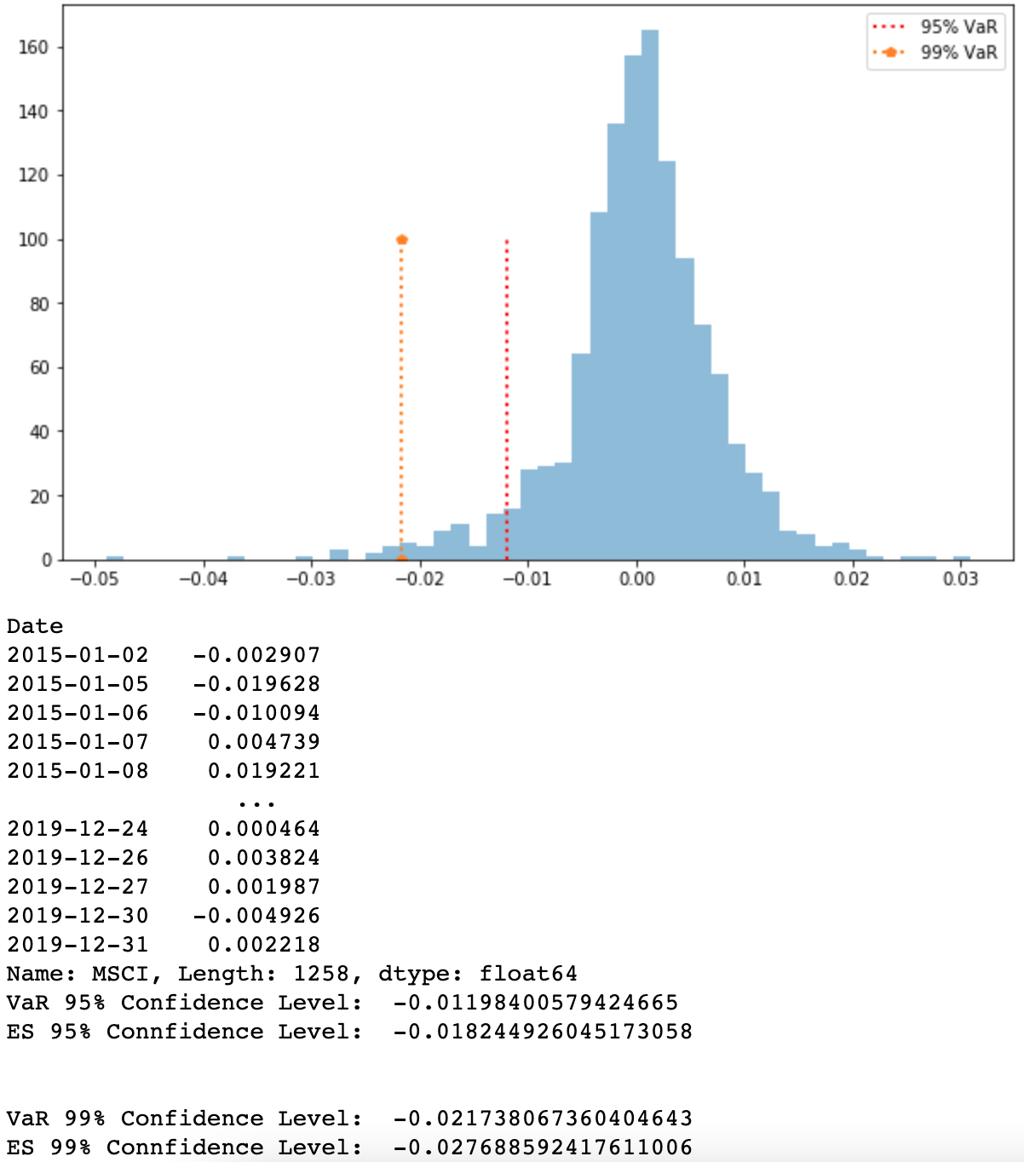
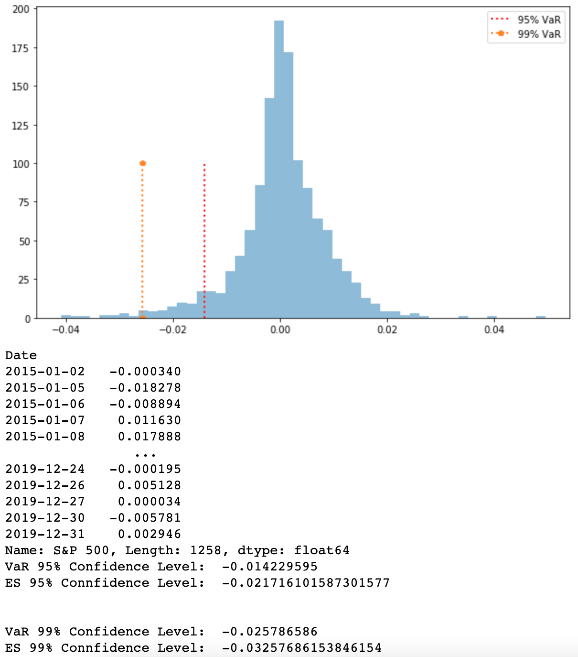
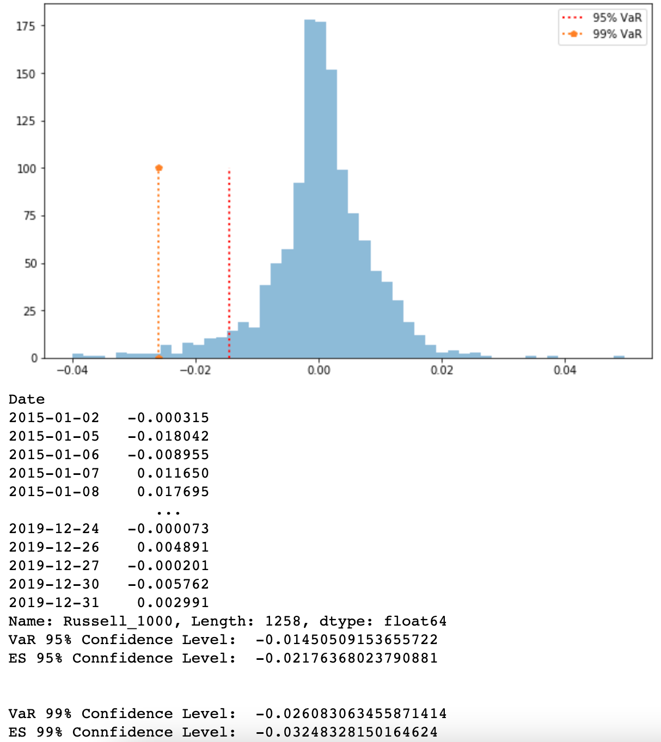
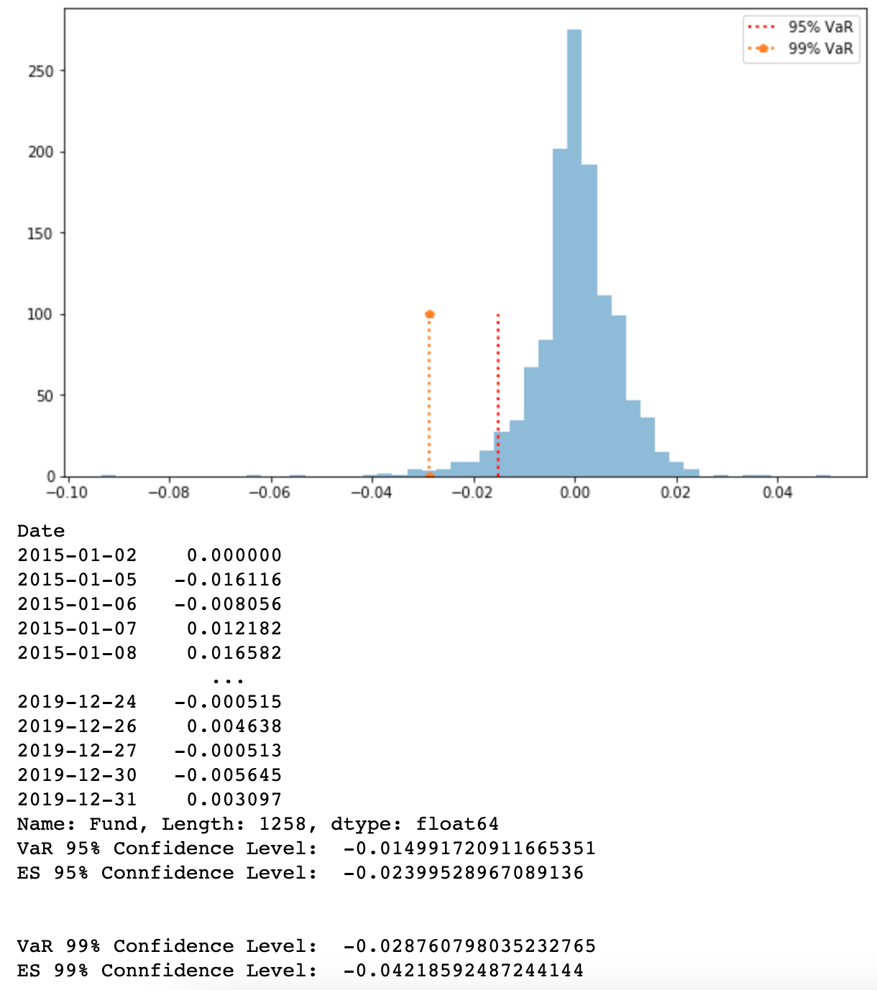
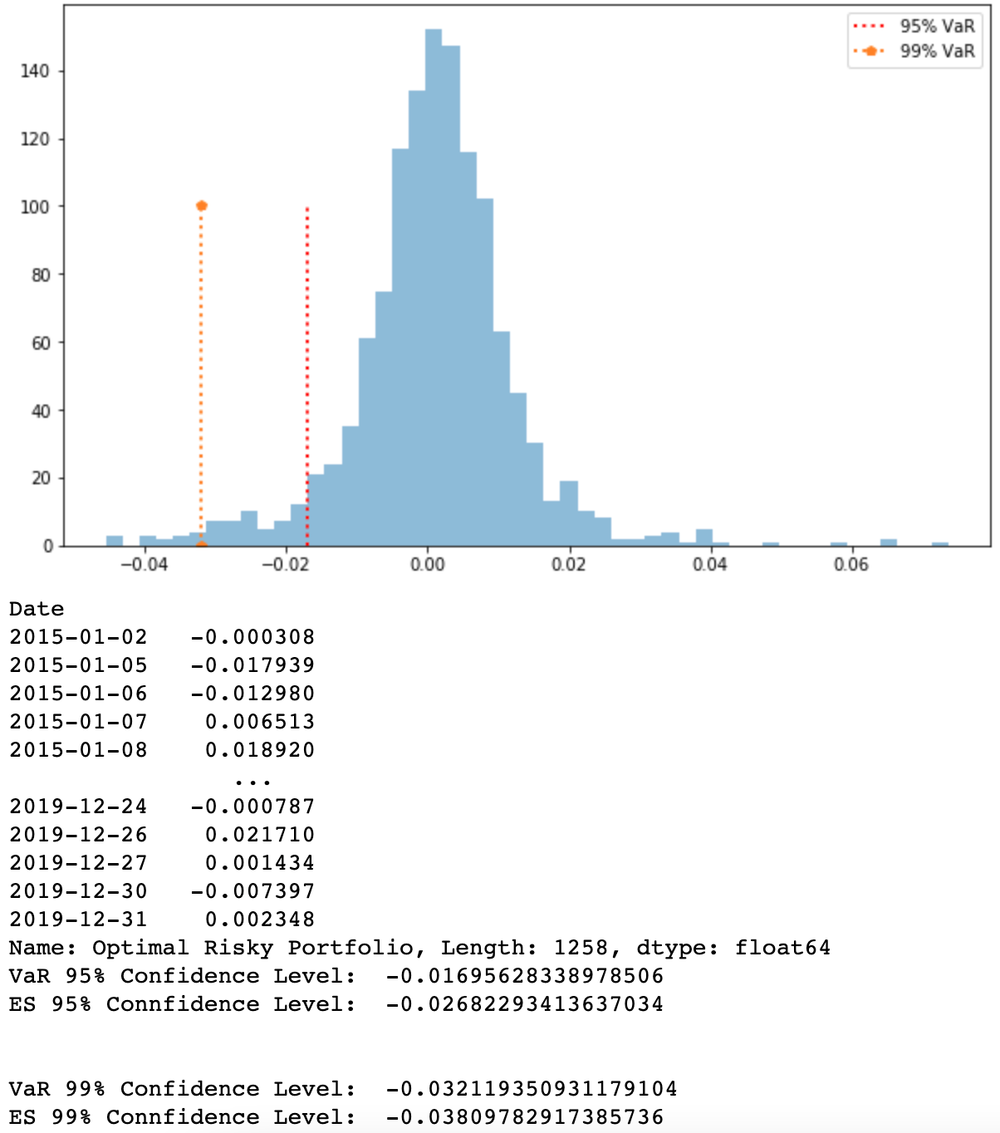
Calculating daily VaR Using Historical Simulation
 | VaR_95 | ES_95 | VaR_99 | ES_99
GOOGL | -0.0233359 | -0.0335072 | -0.0428914 | -0.0519492
JPM | -0.0208724 | -0.0301572 | -0.0371027 | -0.045448
MSFT | -0.0210569 | -0.0335671 | -0.0386417 | -0.0513893
AAPL | -0.0249956 | -0.03618 | -0.0442932 | -0.0579451
VZ | -0.0163721 | -0.0242409 | -0.0291514 | -0.037171
AMZN | -0.0255819 | -0.0407396 | -0.0516677 | -0.0617128
JNJ | -0.0150462 | -0.0249344 | -0.0290309 | -0.0441216
MMM | -0.0184234 | -0.0306521 | -0.0371755 | -0.0535874
BRK-B | -0.0149605 | -0.0242454 | -0.0285548 | -0.0414078
BMY | -0.0229545 | -0.0401104 | -0.0475561 | -0.0805178
Fund | -0.0149917 | -0.0239953 | -0.0287608 | -0.0421859
Optimal Risky Portfolio | -0.0169563 | -0.0268229 | -0.0321194 | -0.0380978
Minimum Variance Portfolio | -0.0126937 | -0.0196381 | -0.0254791 | -0.0319517
Equally-Weighted Portfolio | -0.0137007 | -0.0229628 | -0.0275371 | -0.0349962
MSCI | -0.011984 | -0.0182449 | -0.0217381 | -0.0276886
S&P 500 | -0.01423 | -0.021716 | -0.025787 | -0.032577
Russell_1000 | -0.014505 | -0.021764 | -0.026083 | -0.032483

Perofrmance(2020-2021)
Historical Performance(2020-2021)
 | Fund | Optimal Risky Portfolio | S&P500 | Russell_1000 | MSCI
1/1/20 | 0 | 0 | 0 | 0 | 4.2400369733E-06
1/2/20 | 0.005136106831 | 0.016291987459 | 0.0083788026773 | 0.0081324564279 | 0.007407344592
1/3/20 | -0.0028248587571 | 0.0042671283363 | 0.0012597788529 | 0.0016085523453 | 0.0019716171925
1/6/20 | -0.00077041602465 | 0.010588820869 | 0.0047976030121 | 0.0051171135027 | 0.0025525022578
1/7/20 | -0.0041088854648 | 0.004566211825 | 0.001980915533 | 0.0025557858624 | 0.0016790546414
1/8/20 | 0.0010272213662 | 0.0074181990139 | 0.006893078244 | 0.0074318662354 | 0.0035870712793
1/9/20 | 0.0079609655881 | 0.013091146845 | 0.013594216095 | 0.013983821293 | 0.0090651990485
1/10/20 | 0.0048793014895 | 0.0078608563935 | 0.01070022349 | 0.01122066347 | 0.0081196708035
1/13/20 | 0.01155624037 | 0.015347681048 | 0.017751085805 | 0.018596496173 | 0.012626830106
1/14/20 | 0.010785824345 | 0.0095929472371 | 0.016209668431 | 0.017441890696 | 0.01273283103
1/15/20 | 0.010272213662 | 0.0070677862784 | 0.018110180586 | 0.019252273224 | 0.014242284193
1/16/20 | 0.018489984592 | 0.017459923183 | 0.026628253399 | 0.027855507104 | 0.020224976362
1/17/20 | 0.022085259373 | 0.019337733588 | 0.030593258283 | 0.03127437356 | 0.024185170895
1/20/20 | 0.022085259373 | 0.019337733588 | 0.030593258283 | 0.03127437356 | 0.02398164912
1/21/20 | 0.018746789933 | 0.023050388987 | 0.027860147998 | 0.028718587698 | 0.021547867897
1/22/20 | 0.019517205958 | 0.021884214489 | 0.028157277771 | 0.029183823372 | 0.021946431373
1/23/20 | 0.020801232666 | 0.022854298163 | 0.029330381179 | 0.030343970628 | 0.020212256251
1/24/20 | 0.0092449922958 | 0.011598428023 | 0.020023010177 | 0.021113010671 | 0.015620296209
1/27/20 | -0.0061633281972 | -0.0034767784778 | 0.0039773223182 | 0.0051899776194 | -0.0010091287996
1/28/20 | 0.0025680534155 | 0.012989433002 | 0.01407089326 | 0.015362560898 | 0.0059572519472
1/29/20 | 0.00077041602465 | 0.014511936215 | 0.013191821375 | 0.014538683252 | 0.0063812556445
1/30/20 | 0.0020544427324 | 0.023582704968 | 0.016367528068 | 0.017817431669 | 0.0057410100616
1/31/20 | -0.014637904468 | 0.042406449088 | -0.001628092819 | -0.00010084667419 | -0.0068094993788
2/3/20 | -0.0077041602465 | 0.042137594875 | 0.0056147098885 | 0.007958745637 | -0.0029765059551
2/4/20 | 0.0059065228557 | 0.063518993312 | 0.020679234732 | 0.023579101832 | 0.010528011804
2/5/20 | 0.018746789933 | 0.067713272161 | 0.032162484343 | 0.033605956878 | 0.019711931888
2/6/20 | 0.02157164869 | 0.076208120217 | 0.035595119122 | 0.036677333335 | 0.024596454481
2/7/20 | 0.016692347201 | 0.08249467539 | 0.030002021419 | 0.031089442379 | 0.019622891112
2/10/20 | 0.024396507447 | 0.10090088603 | 0.037548225968 | 0.038622155289 | 0.023163321984
2/11/20 | 0.025423728814 | 0.093394266926 | 0.03930009767 | 0.040864043905 | 0.026623192154
2/12/20 | 0.02978941962 | 0.095895441747 | 0.046016726774 | 0.047606540338 | 0.03242780277
2/13/20 | 0.026707755521 | 0.093654369351 | 0.044311253261 | 0.046423952303 | 0.030282344062
2/14/20 | 0.027221366204 | 0.091611919819 | 0.046236475853 | 0.048548095243 | 0.030909869534
2/17/20 | 0.027221366204 | 0.091611919819 | 0.046236475853 | 0.048548095243 | 0.03062154702
2/18/20 | 0.023369286081 | 0.091792992756 | 0.043181525359 | 0.045975547213 | 0.026712232931
2/19/20 | 0.02645095018 | 0.099815200599 | 0.048090514253 | 0.051019796599 | 0.030846268979
2/20/20 | 0.025680534155 | 0.091861145835 | 0.044091504182 | 0.04764013309 | 0.026177988272
2/21/20 | 0.017205957884 | 0.070763906589 | 0.033109642171 | 0.036554045881 | 0.018796083902
2/24/20 | -0.011813045711 | 0.036060850879 | -0.0015136086872 | 0.0021186011622 | -0.011753382489
2/25/20 | -0.039034411916 | 0.01309424787 | -0.031747772188 | -0.028550418685 | -0.037757529246
2/26/20 | -0.043656908064 | 0.018680150827 | -0.035406352547 | -0.033320042189 | -0.042336769177
2/27/20 | -0.085516178737 | -0.032753142191 | -0.078005935794 | -0.075702943738 | -0.076837950027
2/28/20 | -0.093733949666 | -0.037505660017 | -0.085601636783 | -0.083510350946 | -0.092157203611
3/2/20 | -0.053158705701 | 0.013645984968 | -0.043503441136 | -0.042640696846 | -0.06194270014
3/3/20 | -0.078582434515 | -0.018330735587 | -0.070388547053 | -0.068853990436 | -0.075892421782
3/4/20 | -0.042886492039 | 0.017615926131 | -0.031156535325 | -0.030495240639 | -0.048921546596
3/5/20 | -0.070878274268 | -0.010534839907 | -0.06402171798 | -0.063226828116 | -0.070435494198
3/6/20 | -0.085002568053 | -0.029517590773 | -0.079983753077 | -0.079715943517 | -0.088693093404
3/9/20 | -0.15228556754 | -0.089782883796 | -0.14987710903 | -0.15101358433 | -0.15401934305
3/10/20 | -0.11838726246 | -0.042806174939 | -0.10788417833 | -0.10976845768 | -0.12996137326
...
Accumulative Return(2020-2021)
Date | GOOGL | JPM | MSFT | AAPL | VZ | AMZN | JNJ | MMM | BRK-B | BMY | Fund | Optimal Risky Portfolio | Minimum Variance Portfolio | Equally-Weighted Portfolio | S&P500 | Russell_1000 | MSCI
2020-01-01 | 0 | 0 | 0 | 0 | 0 | 0 | 0 | 0 | 0 | 0 | 0 | 0 | 0 | 0 | 0 | 0 | 4.2400369733E-06
2020-01-02 | 0.021868192791 | 0.012123534456 | 0.018516159042 | 0.022816400445 | -0.0057004179325 | 0.027150643385 | 0.00068552578915 | 0.020292358161 | 0.0083443681662 | -0.0062754075677 | 0.005136106831 | 0.016291987459 | 0.0053562811712 | 0.011982135674 | 0.0083788026773 | 0.0081324564279 | 0.007407344592
2020-01-03 | 0.01652245025 | -0.0012329306486 | 0.0058339507538 | 0.0128724134 | -0.016286658258 | 0.014682010014 | -0.010900182395 | 0.011506523796 | -0.0014128358685 | -0.015061114011 | -0.0028248587571 | 0.0042671283363 | -0.0042880207375 | 0.0016503919995 | 0.0012597788529 | 0.0016085523453 | 0.0019716171925
2020-01-06 | 0.043616902699 | -0.0020269792768 | 0.008433814698 | 0.020943222261 | -0.018403880385 | 0.02978615036 | -0.012134021366 | 0.012470207836 | 0.0021633796608 | -0.011923379353 | -0.00077041602465 | 0.010588820869 | 0.0005828570908 | 0.0072213357041 | 0.0047976030121 | 0.0051171135027 | 0.0025525022578
2020-01-07 | 0.041601005005 | -0.018993189445 | -0.0007607545316 | 0.016141722544 | -0.029316036742 | 0.031940005965 | -0.0061013944218 | 0.0083889494095 | -0.0025607144859 | 0.0029808911502 | -0.0041088854648 | 0.004566211825 | -0.0015677247049 | 0.0042669319161 | 0.001980915533 | 0.0025557858624 | 0.0016790546414
2020-01-08 | 0.049014867735 | -0.011340375637 | 0.015155345 | 0.032487744153 | -0.027524471262 | 0.023881940914 | -0.0062383921304 | 0.023863515355 | -0.0022516313768 | 0.0018826778448 | 0.0010272213662 | 0.0074181990139 | 0.00043885162364 | 0.0098298927459 | 0.006893078244 | 0.0074318662354 | 0.0035870712793
2020-01-09 | 0.060027343443 | -0.0077305171378 | 0.027837651072 | 0.054418499244 | -0.031556206898 | 0.028795828639 | -0.0032906312371 | 0.027094395731 | 0.0094922467836 | 0.026827773354 | 0.0079609655881 | 0.013091146845 | 0.0076751391813 | 0.019052337731 | 0.013594216095 | 0.013983821293 | 0.0090651990485
2020-01-10 | 0.066873685267 | -0.017621413722 | 0.023081761849 | 0.056802163033 | -0.029252293117 | 0.01911424637 | -0.0055529737905 | 0.022956529166 | 0.00052977976683 | 0.023376413429 | 0.0048793014895 | 0.0078608563935 | 0.0056558692116 | 0.015847901153 | 0.01070022349 | 0.01122066347 | 0.0081196708035
2020-01-13 | 0.075138692649 | -0.0094633581156 | 0.035383690655 | 0.079380092277 | -0.026619350697 | 0.023519397681 | -0.0011655012907 | 0.025507214757 | 0.0086092580496 | 0.037809906409 | 0.01155624037 | 0.015347681048 | 0.012518826335 | 0.024539427581 | 0.017751085805 | 0.018596496173 | 0.012626830106
2020-01-14 | 0.068090660804 | 0.0020882344567 | 0.028091301104 | 0.06480504691 | -0.028429591827 | 0.011689310755 | 0.0044560250786 | 0.028057900348 | 0.002958049311 | 0.042359726638 | 0.010785824345 | 0.0095929472371 | 0.010349395629 | 0.022289393349 | 0.016209668431 | 0.017441890696 | 0.01273283103
2020-01-15 | 0.074518949247 | -0.012928699765 | 0.034749565573 | 0.060241703928 | -0.027442181679 | 0.0076738537824 | 0.0078151014455 | 0.019045364291 | 0.0081677973665 | 0.04455602975 | 0.010272213662 | 0.0070677862784 | 0.013919029069 | 0.021486880943 | 0.018110180586 | 0.019252273224 | 0.014242284193
2020-01-16 | 0.082701840629 | -0.0091024062963 | 0.053709661064 | 0.073522925101 | -0.018062206774 | 0.016289276205 | 0.015972965785 | 0.02601731599 | 0.014260466788 | 0.047693764408 | 0.018489984592 | 0.017459923183 | 0.021581524515 | 0.030120456176 | 0.026628253399 | 0.027855507104 | 0.020224976362
2020-01-17 | 0.10462225592 | -0.0022436411168 | 0.059606877651 | 0.085407700848 | -0.010492343308 | 0.0091349928538 | 0.022622888288 | 0.02794468407 | 0.016335527365 | 0.046752332862 | 0.022085259373 | 0.019337733588 | 0.028892635567 | 0.035690926701 | 0.030593258283 | 0.03127437356 | 0.024185170895
2020-01-20 | 0.10462225592 | -0.0022436411168 | 0.059606877651 | 0.085407700848 | -0.010492343308 | 0.0091349928538 | 0.022622888288 | 0.02794468407 | 0.016335527365 | 0.046752332862 | 0.022085259373 | 0.019337733588 | 0.028892635567 | 0.035690926701 | 0.030593258283 | 0.03127437356 | 0.02398164912
2020-01-21 | 0.1066604826 | -0.012062279276 | 0.055802224943 | 0.078052200769 | -0.0073656633909 | 0.023898191941 | 0.023308414077 | 0.016834686381 | 0.0094039950676 | 0.057891432924 | 0.018746789933 | 0.023050388987 | 0.02812709819 | 0.034977372842 | 0.027860147998 | 0.028718587698 | 0.021547867897
2020-01-22 | 0.10786998476 | -0.013217506594 | 0.050729322071 | 0.08190023497 | -0.0047326561249 | 0.021441248079 | 0.016315943578 | 0.0091258420461 | 0.013421603912 | 0.057891432924 | 0.019517205958 | 0.021884214489 | 0.028745694218 | 0.033787868658 | 0.028157277771 | 0.029183823372 | 0.021946431373
2020-01-23 | 0.10848216365 | -0.014228330498 | 0.057197300123 | 0.087110542461 | -0.004238983474 | 0.019882668907 | 0.018235308339 | 0.0074820529323 | 0.012715253346 | 0.049105849979 | 0.020801232666 | 0.022854298163 | 0.028841885045 | 0.033863105816 | 0.029330381179 | 0.030343970628 | 0.020212256251
2020-01-24 | 0.094655050366 | -0.038702951059 | 0.04654409653 | 0.083977502574 | -0.0080239800534 | 0.0074682056257 | 0.016795811631 | 0.0098061265437 | 0.0015894066682 | 0.0065893415821 | 0.0092449922958 | 0.011598428023 | 0.019711653029 | 0.021782037653 | 0.020023010177 | 0.021113010671 | 0.015620296209
2020-01-27 | 0.068941805457 | -0.046788861676 | 0.029042537619 | 0.05210286526 | -0.014112631029 | -0.010552861915 | 0.019743465075 | -0.0044779639586 | -0.017880808176 | -0.00062749753218 | -0.0061633281972 | -0.0034767784778 | 0.0076183882518 | 0.0074862406024 | 0.0039773223182 | 0.0051899776194 | -0.0010091287996
2020-01-28 | 0.082955662008 | -0.029461813124 | 0.049207421874 | 0.081866167656 | -0.0011123035571 | 0.002927761213 | 0.024885230841 | -0.061444322127 | -0.010905082652 | 0.016786886598 | 0.0025680534155 | 0.012989433002 | 0.017801635626 | 0.015377999978 | 0.01407089326 | 0.015362560898 | 0.0059572519472
2020-01-29 | 0.087584598392 | -0.030905733836 | 0.065567555638 | 0.10451223153 | -0.020366055709 | 0.0054983301409 | 0.032014806497 | -0.081736859712 | -0.0088300220751 | 0.006275592816 | 0.00077041602465 | 0.014511936215 | 0.016682396839 | 0.01534706666 | 0.013191821375 | 0.014538683252 | 0.0063812556445
2020-01-30 | 0.085755443967 | -0.018921044455 | 0.095624693388 | 0.10291159186 | -0.023163512449 | 0.012360425314 | 0.030780752628 | -0.078845987017 | 0.0060927367895 | 0.0010982750549 | 0.0020544427324 | 0.023582704968 | 0.02014772579 | 0.020756384044 | 0.016367528068 | 0.017817431669 | 0.0057410100616
2020-01-31 | 0.069725780861 | -0.04440648892 | 0.079454748257 | 0.054009901115 | -0.021847073662 | 0.087063819302 | 0.020566203471 | -0.10066891801 | -0.0091391051842 | -0.012394033377 | -0.014637904468 | 0.042406449088 | 0.0086604846975 | 0.01188432976 | -0.001628092819 | -0.00010084667419 | -0.0068094993788
2020-02-03 | 0.10692177735 | -0.037114513496 | 0.10577049913 | 0.05111533243 | -0.044721178382 | 0.084617709457 | 0.029478253628 | -0.11240232293 | -0.013377478054 | -0.002510175377 | -0.0077041602465 | 0.042137594875 | 0.0099836215055 | 0.015913221614 | 0.0056147098885 | 0.007958745637 | -0.0029765059551
2020-02-04 | 0.079155450147 | -0.023252920029 | 0.14216869213 | 0.085816508622 | -0.040771602637 | 0.1092248029 | 0.03928170221 | -0.10871785974 | -0.0062693075892 | 0.0086288629352 | 0.0059065228557 | 0.063518993312 | 0.013258830162 | 0.027505715908 | 0.020679234732 | 0.023579101832 | 0.010528011804
2020-02-05 | 0.079633290538 | -0.0066476616799 | 0.14077371474 | 0.094670656071 | -0.026948509028 | 0.10392135296 | 0.055665983469 | -0.079866368907 | 0.0094922467836 | 0.029024076467 | 0.018746789933 | 0.067713272161 | 0.026612744135 | 0.039653228202 | 0.032162484343 | 0.033605956878 | 0.019711931888
2020-02-06 | 0.1019717592 | -0.0065032582651 | 0.16442623805 | 0.10747493484 | -0.021847073662 | 0.10952789116 | 0.05251234994 | -0.076692096669 | 0.013730687021 | 0.052714115162 | 0.02157164869 | 0.076208120217 | 0.033366490093 | 0.049142267932 | 0.035595119122 | 0.036677333335 | 0.024596454481
2020-02-07 | 0.1043161209 | -0.0096799065201 | 0.16607486548 | 0.092421374735 | -0.013619023225 | 0.12524897597 | 0.041269619549 | -0.092619976286 | 0.0038852312707 | 0.039378711989 | 0.016692347201 | 0.08249467539 | 0.028655023917 | 0.044843059388 | 0.030002021419 | 0.031089442379 | 0.019622891112
2020-02-10 | 0.1263784392 | -0.005564579351 | 0.1965758419 | 0.097609774321 | -0.0086821021779 | 0.15481316109 | 0.041063854363 | -0.092223181042 | 0.0026931594276 | 0.049733347511 | 0.024396507447 | 0.10090088603 | 0.033144540543 | 0.05480389673 | 0.037548225968 | 0.038622155289 | 0.023163321984
2020-02-11 | 0.12742370936 | -0.0036875618294 | 0.16956260232 | 0.090987612496 | -0.034189214164 | 0.16395363701 | 0.041955252788 | -0.07918608441 | 0.0036644672453 | 0.050988342575 | 0.025423728814 | 0.093394266926 | 0.028004709603 | 0.052037510007 | 0.03930009767 | 0.040864043905 | 0.026623192154
2020-02-12 | 0.1338221043 | -0.0036875618294 | 0.17127469115 | 0.11689617205 | -0.041759012784 | 0.16893239672 | 0.035785198338 | -0.071533937925 | 0.0041501211541 | 0.051145433081 | 0.02978941962 | 0.095895441747 | 0.026774367085 | 0.055230289896 | 0.046016726774 | 0.047606540338 | 0.03242780277
2020-02-13 | 0.12990988293 | -0.0045538688828 | 0.1649336359 | 0.1089427644 | -0.034847401134 | 0.16345038367 | 0.028929832997 | -0.086233394011 | -0.00013244494171 | 0.036711754853 | 0.026707755521 | 0.093654369351 | 0.023866860441 | 0.049449898762 | 0.044311253261 | 0.046423952303 | 0.030282344062
2020-02-14 | 0.13389674692 | -0.007586113723 | 0.17533299389 | 0.1092157222 | -0.037151314915 | 0.15533279758 | 0.029204043313 | -0.07908381297 | 0.0013245167848 | 0.041418171592 | 0.027221366204 | 0.091611919819 | 0.024698194467 | 0.050958896926 | 0.046236475853 | 0.048548095243 | 0.030909869534
2020-02-17 | 0.13389674692 | -0.007586113723 | 0.17533299389 | 0.1092157222 | -0.037151314915 | 0.15533279758 | 0.029204043313 | -0.07908381297 | 0.0013245167848 | 0.041418171592 | 0.027221366204 | 0.091611919819 | 0.024698194467 | 0.050958896926 | 0.046236475853 | 0.048548095243 | 0.03062154702
2020-02-18 | 0.13442680981 | -0.020725916987 | 0.18725444765 | 0.088905418233 | -0.04702496247 | 0.16658907792 | 0.022417123102 | -0.091266494522 | 0.0011920718431 | 0.036554664347 | 0.023369286081 | 0.091792992756 | 0.020091676082 | 0.046116337805 | 0.043181525359 | 0.045975547213 | 0.026712232931
2020-02-19 | 0.13848093419 | -0.007369451883 | 0.19081513088 | 0.10467575464 | -0.04192359195 | 0.17446316285 | 0.021046071524 | -0.088635606591 | 0.012097154495 | 0.03090687781 | 0.02645095018 | 0.099815200599 | 0.025276831786 | 0.051743928489 | 0.048090514253 | 0.051019796599 | 0.030846268979
2020-02-20 | 0.13259765538 | -0.007369451883 | 0.17262977294 | 0.093342974209 | -0.044062861719 | 0.16519835997 | 0.017138574525 | -0.093096884157 | 0.0073730603485 | 0.022434981882 | 0.025680534155 | 0.091861145835 | 0.020752781008 | 0.045178206044 | 0.044091504182 | 0.04764013309 | 0.026177988272
2020-02-21 | 0.10756384975 | -0.019498658115 | 0.13556000383 | 0.068595114265 | -0.042252685435 | 0.13428111172 | 0.027832884285 | -0.10241991272 | 0.01249448932 | 0.029651759247 | 0.017205957884 | 0.070763906589 | 0.021468958201 | 0.034639290373 | 0.033109642171 | 0.036554045881 | 0.018796083902
2020-02-24 | 0.060079565939 | -0.045850409633 | 0.086599778286 | 0.017836492823 | -0.045708393991 | 0.087372324567 | 0.006652716181 | -0.12747175043 | -0.021236192312 | 0.0036084504318 | -0.011813045711 | 0.036060850879 | -0.0046828132088 | 0.0023116933682 | -0.0015136086872 | 0.0021186011622 | -0.011753382489
...

