Sheet1
 | cost | u
copy4 | (newthdot + c1 * newth) ** 2 + 0.5 * abs(np.arctan(u)) | 1
timevarying target 5 | (newe_thdot + c1 * newe_th) ** 2 + 0.05 * abs(u) | 1
timevarying target 6 | (newe_thdot + c1 * newe_th) ** 2 + 0.05 * abs(u1) + 0.01 * u2 | 1,2 |  | 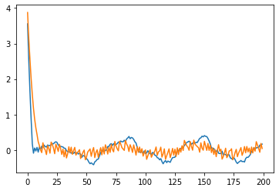 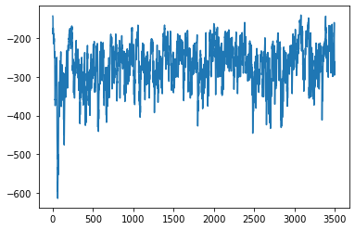 costs = (newe_thdot + c1 * newe_th) ** 2 + 0.05 * abs(u1) + 0.01 * u2 LR_A = 0.00005 # learning rate for actor LR_C = 0.0001 | 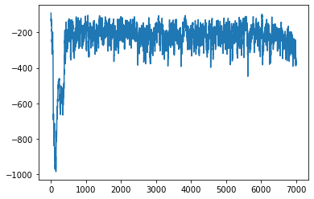 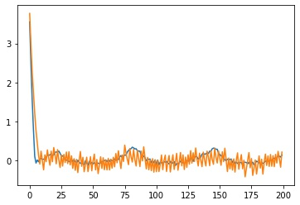 costs = (newe_thdot + c1 * newe_th) ** 2 + 0.05 * abs(u1) + 0.01 * abs(u2) LR_A = 0.00001 # learning rate for actor LR_C = 0.00002 | 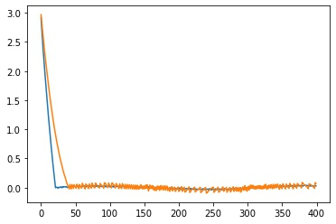 costs = (c1 * newe_th ) ** 2 + 0.05 * abs(u1) + 0.01 * u2 去掉了叫速度误差 训练曲线有问题 但是效果不错 | 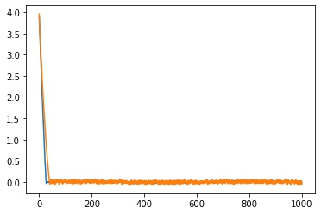 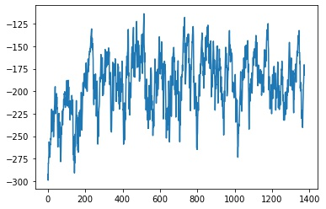 costs = (c1 * newe_th + 0.1 * newe_thdot) ** 2 + 0.05 * abs(u1) + 0.01 * u2 LR_A = 0.000001 # learning rate for actor LR_C = 0.000002 | 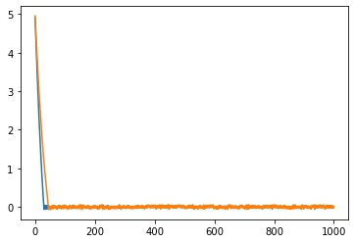 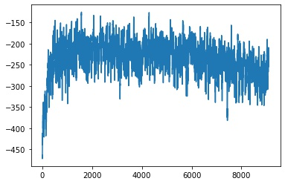 costs=(c1 * abs(newe_th) + 0.1 * abs(newe_thdot)) ** 2 + 0.1 * abs(u1) + 0.02 * u2 LR_A = 0.000001 # learning rate for actor LR_C = 0.000002
copy6 | costs = (newthdot + c1 * newth) ** 2 + 0.05 * abs(u1) + 0.01 * u2 LR_A = 0.00005 # learning rate for actor LR_C = 0.0001 # learning rate for critic | 1,2 | 训练200轮左右效果很不错 越训练越平滑 但是收敛越慢 可能需要early stopping |  | 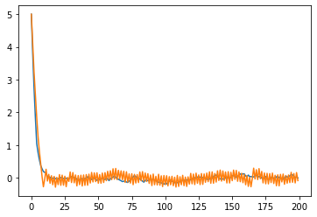 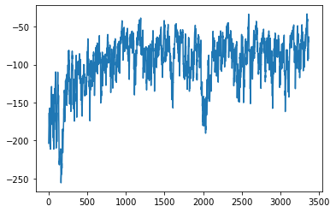 LR_A = 0.00005 # learning rate for actor LR_C = 0.0001
copy5 | (thdot + c1 * th) ** 2 + 0.05 * abs(u) | 1 |  |  | 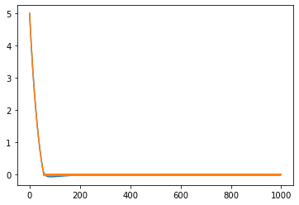 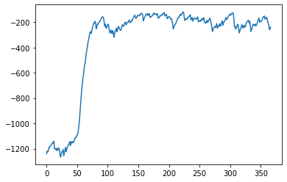 costs = (c1 * th) ** 2 + 0.1 * abs(u) LR_A = 0.00005 # learning rate for actor LR_C = 0.0001
copy1 | (newe_thdot + c1 * newe_th) ** 2 + abs(np.arctan(u)) | 1
timevarying target 1 | (thdot + c1 * th) ** 2 + abs(np.arctan(u)) | 1 | 好像不太行了

 | costs = (c1 * abs(newe_th) + 0.1 * abs(newe_thdot)) ** 2 + 0.2 * abs(u1) + 0.1 * u2 | 不行 输出惩罚不够 精度不行

6 copy 7 | 加大输出的惩罚 | 惩罚过大 | 4000轮 | costs = (c1 * abs(newe_th) + 0.1 * abs(newe_thdot)) ** 2 + 0.2 * abs(u1) + 0.2 * u2
6 copy 5 | 加大输出的惩罚 | 效果不错 | 4000轮 | costs = (c1 * abs(newe_th) + 0.1 * abs(newe_thdot)) ** 2 + 0.2 * abs(u1) + 0.05 * u2
6 copy 10 |  | 效果比10稍差 |  | costs = (c1 * abs(newe_th) + 0.1 * abs(newe_thdot)) ** 2 + 0.17 * abs(u1) + 0.08 * u2
6 copy 11 |  | 很不错 |  | 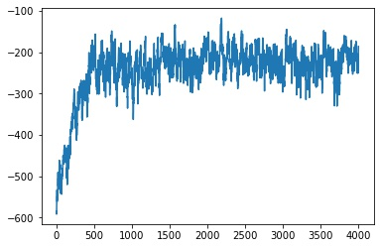 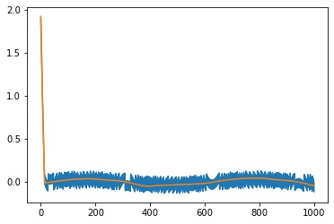 costs = (c1 * abs(newe_th) + 0.1 * abs(newe_thdot)) ** 2 + 0.15 * abs(u1) + 0.05 * u2
6 copy 9 | 用正弦函数训练 | 效果稍差 reward曲线不行
6 copy12 |  | 2021-04-11 |  | costs = (c1 * abs(newe_th) + 0.1 * abs(newe_thdot)) ** 2 + 0.13 * abs(u1) + 0.05 * u2
6 copy13 | range 20 20 | 2021-07-11 |  | costs = (c1 * abs(newe_th) + 0.1 * abs(newe_thdot)) ** 2 + 0.15 * abs(u1) + 0.05 * u2
 |  | 2021-08-11 |  | 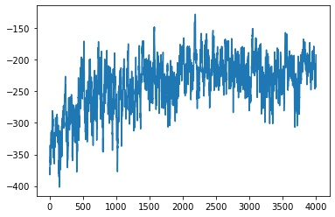 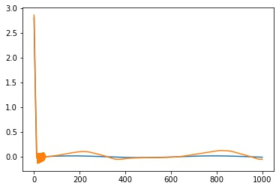 costs = (c1 * abs(newe_th) + 0.1 * abs(newe_thdot)) ** 2 + 0.5 * abs(np.arctan(u1)) + 0.03 * u2
 |  | 2021-11-09-3-Noise-Sine-SMC-actor.hdf5 |  | 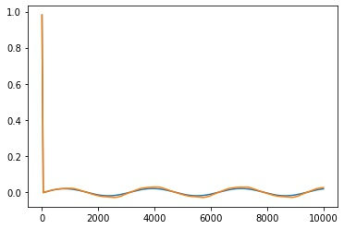 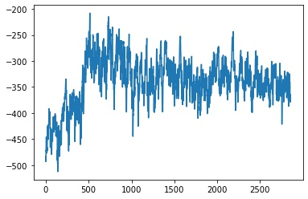 costs = (c1 * abs(newe_th) + 0.1 * abs(newe_thdot)) ** 2 + 0.8 * abs(np.arctan(u1)) + 0.03 * u2 | 输出范围 20 20
 |  |  | 不行 | costs = (c1 * abs(newe_th) + 0.1 * abs(newe_thdot)) ** 2 + 0.9 * abs(np.arctan(u1)) + 0.04 * u2
 |  |  | 不行 | costs = (c1 * abs(newe_th) + 0.1 * abs(newe_thdot)) ** 2 + 0.1 * abs(np.arctan(u1)) + 0.1 * abs(np.arctan(u2))
 |  |  | 不行 | costs = (c1 * abs(newe_th) + 0.1 * abs(newe_thdot)) ** 2 + abs(np.arctan(u1)) + 0.03 * u2
 |  |  | 11-11 3000轮 | 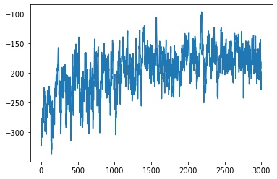 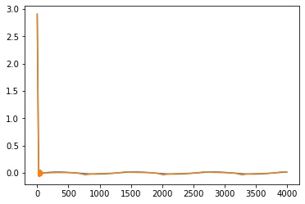 costs = (c1 * abs(newe_th) + 0.1 * abs(newe_thdot)) ** 2 + 0.05 * abs(np.arctan(u1)) + 0.05 * u2 | 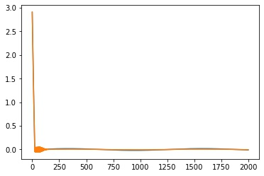 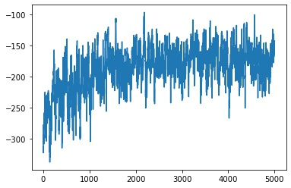 11-11-2 5000 | 2003-11-11
 |  |  | 不行 | costs = (c1 * abs(newe_th) + 0.1 * abs(newe_thdot)) ** 2 + 0.05 * abs(np.arctan(u1)) + 0.025 * u2 / 20 * np.pi
 |  |  | 不行 | costs = (c1 * abs(newe_th) + 0.1 * abs(newe_thdot)) ** 2 + 0.03 * abs(np.arctan(u1)) + 0.03 * u2
 |  |  | 11-11-3 5000 | 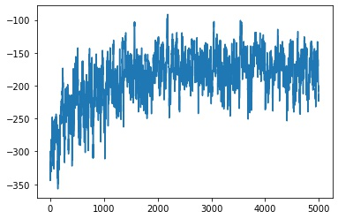 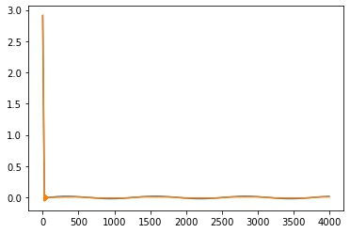 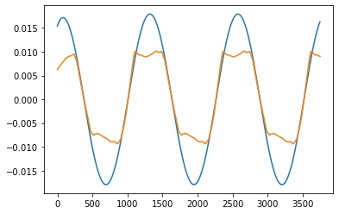 costs = (c1 * abs(newe_th) + 0.1 * abs(newe_thdot)) ** 2 + 0.06 * abs(np.arctan(u1)) + 0.06 * u2 | 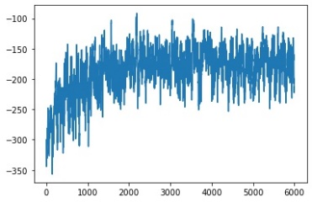 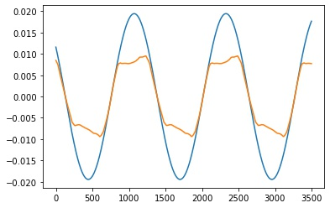
 |  |  |  | 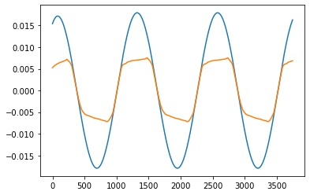
 |  |  | 效果一般 | costs = (c1 * abs(newe_th) + 0.1 * abs(newe_thdot)) ** 2 + 0.1 * abs(u1) + 0.02 * u2

PSO | target 0 0 4000steps | 0.005s | 13.43, 20 | target 0 0 10000steps | 11.85279156 20.
 |  | 0.01s | 6.29208904 20 |  | 5.50458315 20
 |  | 0.001s | 20 20 |  | 20 20
 | target 2 1 2 1 4000steps | 0.005s | 18.90983459 20. |  | 19.17896152 20.
 |  | 0.01s | 9.42655629 20.
 |  | 0.001s | 20 20 |  | 20 20
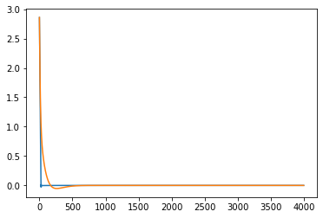
 | target 0 0 4000steps | 0.005s | 7.63689082

 | target = np.array([2 * np.sin(0.5*step*env.dt), 1 * np.cos(0.5*step*env.dt)]) |  | Q_LR = 1e-5 # q_net learning rate
 | costs = (c1 * newe_th + newe_thdot) ** 2 + 0.03 * abs(u1) + 0.03 * abs(u2) |  | POLICY_LR = 1e-5 # policy_net learning rate

 | target = np.array([0, 0]) |  | Q_LR = 1e-5 # q_net learning rate | target 0 0 testing perfomes great
 | costs = (c1 * abs(newe_th) + abs(newe_thdot)) ** 2 + 0.03 * abs(u1) + 0.03 * abs(u2) |  | POLICY_LR = 1e-5 # policy_net learning rate
 | model_policy_net-0202-1.npz

