FAK
GPIB CMD Tester ( A.02.02)
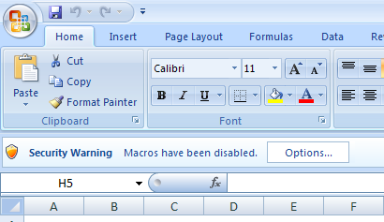
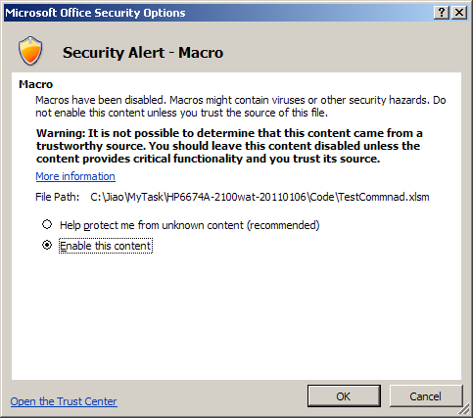
Please do this each time you open the excel tool
1
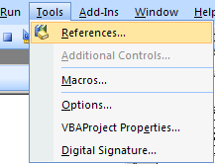
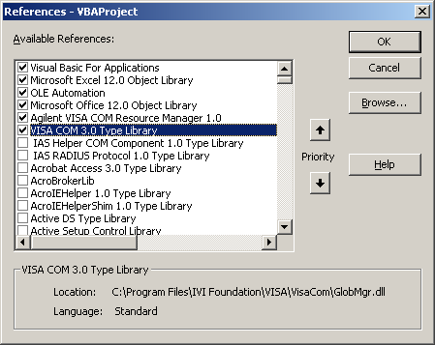
If debug error occurs, make sure following 2 items are selected.
2
Press Alt + F11 to toggle to the VBA editor

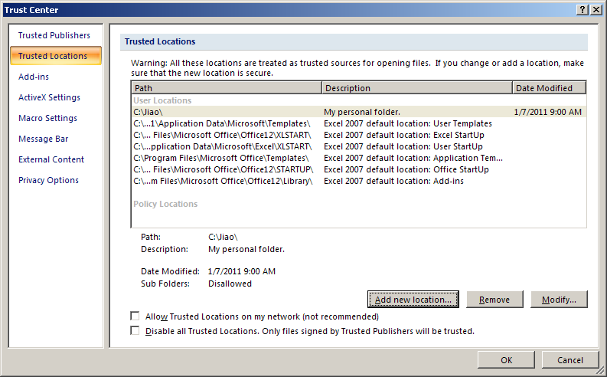
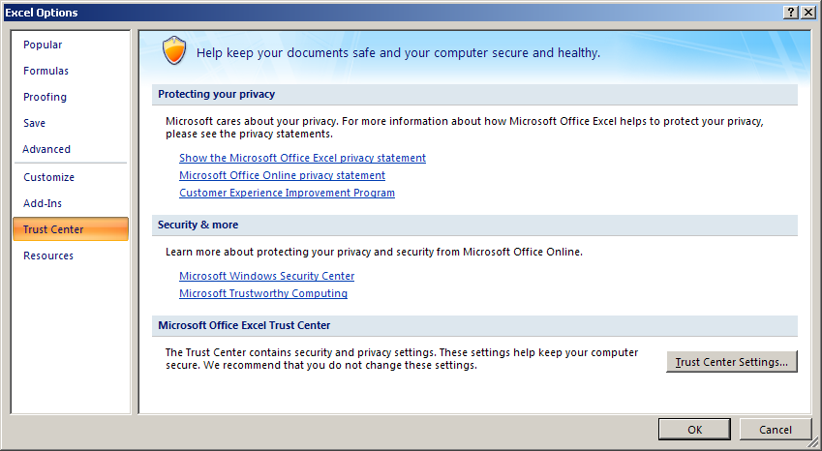
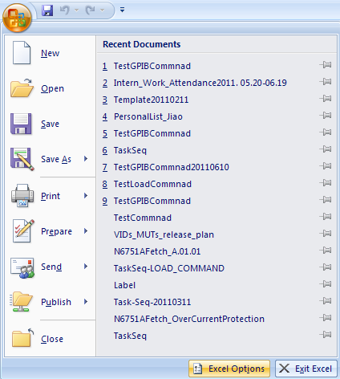
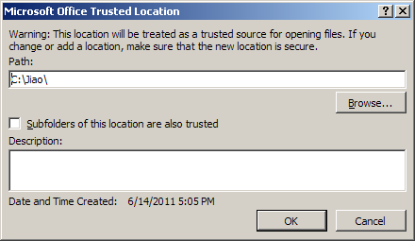
Start your excel with Macro always on: 1.Do the following setting 2. Put your file into it
Add your own secure folder and put your file in it.
Yu can also

ShortIntro
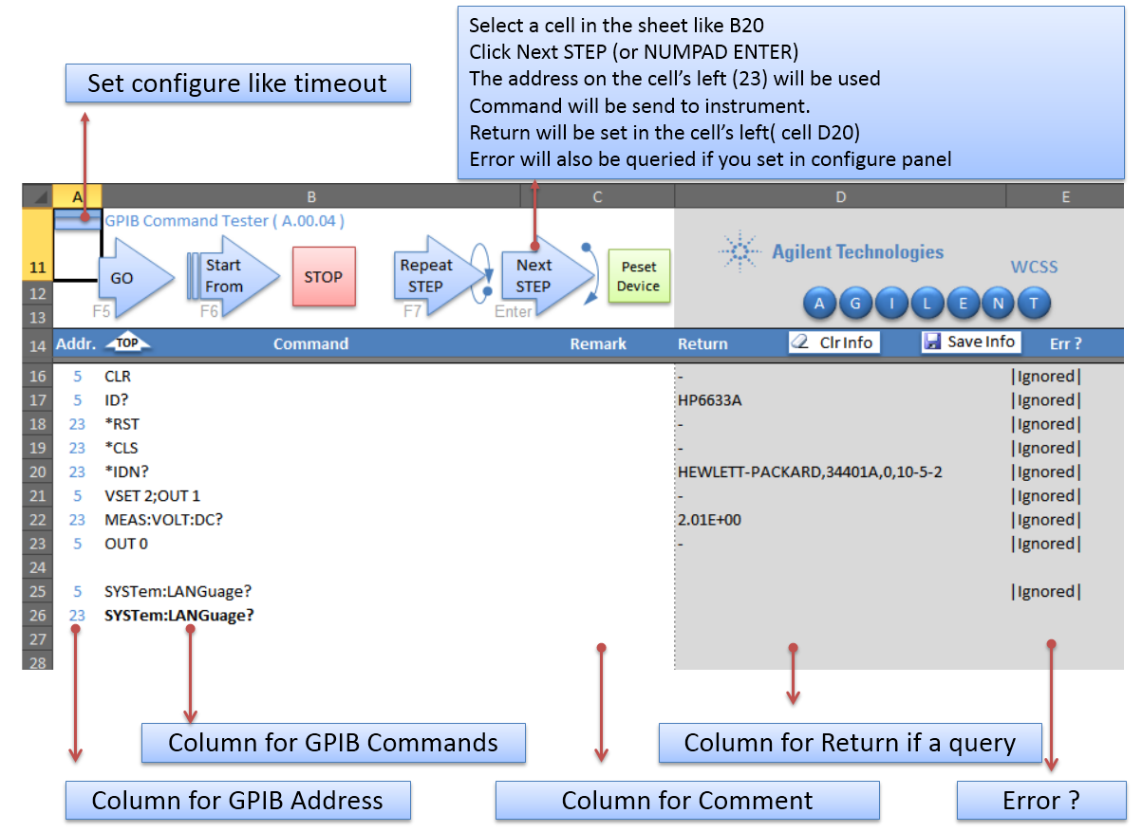
< Back

GPIB_Command_Tester
GO
Start From
Repeat
STEP
STOP
Next
STEP
K
E
Y
S
I
G
H
T
 | GPIB CMD Tester ( A.02.02) |  | WCSS
K
E
Y
S
I
G
H
T

TOP
Save Info
Clr Info
Addr. | Command | Remark | Return | Err ? | Addr. | Command | Remark | Addr. | Command | Remark | Addr. | Command | Remark | Addr. | Command | Remark | Addr. | Command | Remark | Addr. | Command | Remark | Addr. | Command | Remark | Addr. | Command | Remark
1
15 | *IDN? |  | +0.45842E+0 | 01 | 15 | CHAN 1;:INPUT OFF
15 | *IDN? |  | +0.45821E+0 | 01 | 15 | CURR .5
15 | *IDN? |  | +0.45773E+0 | 01 | 15 | CURR:TLEV 1; SLEW MAX
15 | *IDN? |  | +0.45788E+0 | 01 | 15 | TRAN:MODE TOGG
15 | *IDN? |  | +0.45833E+0 | 01 | 15 | CHAN 2;:INPUT OFF
15 | *IDN? |  | +0.45826E+0 | 01 | 15 | FUNC CURR
15 | *IDN? |  | +0.45866E+0 | 01 | 15 | CURR .5
15 | *IDN? |  | +0.45838E+0 | 01 | 15 | CURR:TLEV 1; SLEW MAX
15 | *IDN? |  | +0.45780E+0 | 01 | 15 | TRAN:MODE TOGG
15 | *IDN? |  | +0.45783E+0 | 01 | 15 | CHAN 1;:TRAN ON;:INPUT ON;:CHAN 2;:TRAN ON;:INPUT ON
15 | *IDN? |  | +0.45749E+0 | 01 | 15 | TRIG:TIM .005 | 100Hz
15 | *IDN? |  | +0.45705E+0 | 01 | 15 | TRIG:SOUR TIM

Err_Num
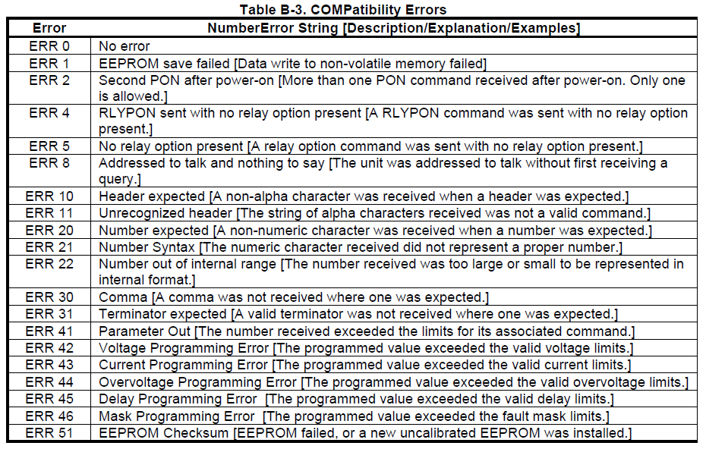
*HP6633B Programming Guid, Page 86

