Table 2
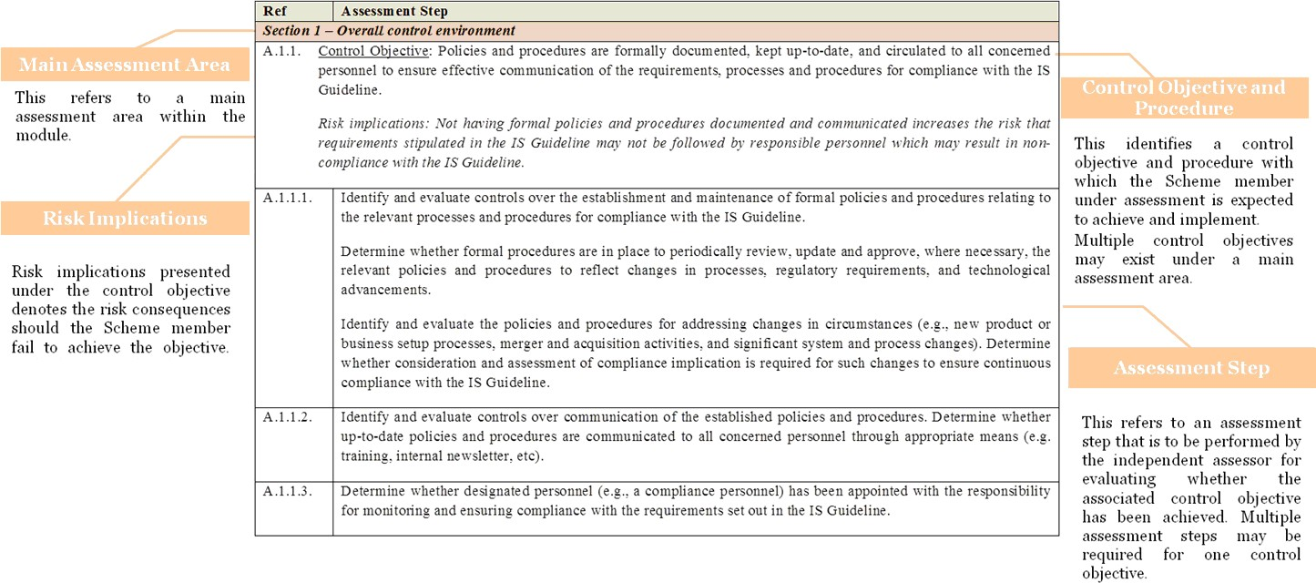
Assessment Steps
Ref | Assessment Step
Section 1 – Information identification, preparation, and data extraction
B.1.1. Control Objective: Formal operating manuals relating to the information identification, preparation, and data extraction processes are in place to provide guidance for all concerned personnel, facilitate understanding, and stipulate requirements for responsible personnel on the related operations. Risk implications: Not having proper documentation with sufficient details increases the risk that the intended operational flows and controls are misunderstood by the concerned personnel which may result in non-compliance with the IS Guideline.
B.1.1.1. | Identify and evaluate the operating manuals relating to the information identification, preparation and data extraction processes. Determine whether operational flows and controls, if applicable, are adequately covered in the documents.
B.1.1.2. | Review the operating manuals and determine whether an adequate level of detail and source of reference is provided to responsible personnel to facilitate their understanding of the processes and procedures to be performed. Determine whether the operating manuals contain the following details to ensure complete, accurate and timely compilation of the information to be submitted to the Board: • source or location of data and information to be extracted / retrieved from; • timing and checkpoints to extract / retrieve the required data and information; • list of programs and tools to extract / retrieve the required data and information; • information compilation procedures; and • other necessary procedures for information collection.
B.1.2. Control Objective: Clear definitions of roles and responsibilities relating to the information identification, preparation, data extraction, and performance of related processes are provided and effectively communicated to all concerned personnel. Risk implications: Lack of clear definitions and effective communication of roles and responsibilities for all concerned personnel increases the risk that personnel are unaware of their roles and the responsibilities are not fully discharged / fulfilled.
B.1.2.1. | Identify and review the written role description documents. Determine whether roles and responsibilities are adequately detailed in the documents and whether the documents are made available to all concerned personnel.
B.1.3. Control Objective: (For data extraction process which involves manual processing) Review procedures are in place for the manual processes in data identification, preparation and extraction processes to ensure that manual processing is complete, accurate, authorised, and in accordance with the IS Guideline. Risk implications: Without having monitoring controls over the manual processes, the risk of having inaccurate and incomplete data, and/or unauthorised adjustments being made to data increases.
B.1.3.1. | Identify and evaluate the controls over the manual processes in data identification, preparation and extraction. Determine whether secondary review on the information processing, output files and other compiled information is in place. In particular, determine: • whether proper segregation of preparation and review is in place; and • whether subsequent manual adjustments made to the output files are reviewed and authorised by appropriate management.

