Rising interest in RAE
Published RAE research has been increasing at a near-exponential rate since 2000.

 | Annual publications according to Google Scholar, using exact search string "Relative Age Effect"

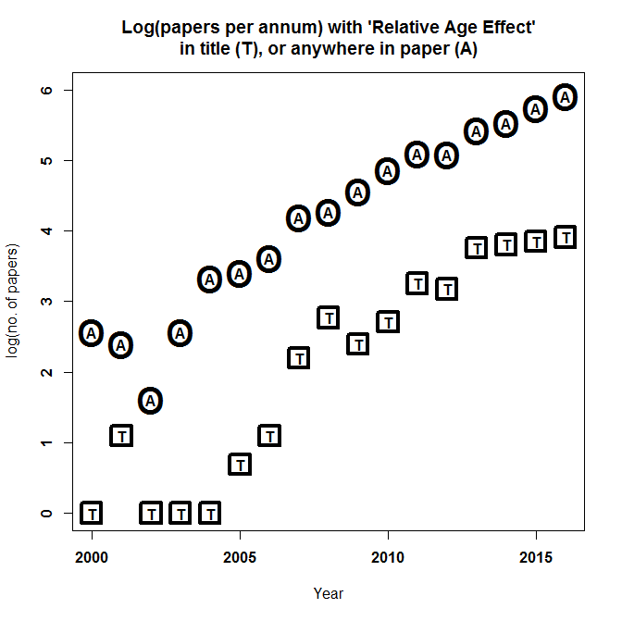
 |  | anywhere | in paper's
 | year | in paper | title
 | 2016 | 369 | 50
 | 2015 | 310 | 47
 | 2014 | 251 | 45
 | 2013 | 226 | 43
 | 2012 | 162 | 24
 | 2011 | 164 | 26
 | 2010 | 129 | 15
 | 2009 | 95 | 11
 | 2008 | 72 | 16
 | 2007 | 66 | 9
 | 2006 | 37 | 3
 | 2005 | 30 | 2
 | 2004 | 28 | 1
 | 2003 | 13 | 1
 | 2002 | 5 | 1
 | 2001 | 11 | 3
 | 2000 | 13 | 1

 | 2017 | 319 | 53 | (part year)

 | Sum(incl 2017) | 2300 | 351

