Sheet1
Id | Summary | Description | Steps to reproduce | Reproducibility | Severity | Priority | Symptom | Workaround | Additional inf | Attachments | Requirements ID | Expected Result | Actual Result
1 | The "2" button on the numbers panel has a different design | The "2" button on the numbers panel has bold text | 1. launch the "Глючный калькулятор" application 2. check the digital panel | always | minor | low | cosmetic |  |  | 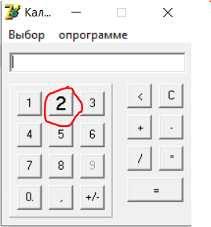 | R1 | the button text is not bold | the button text is bold
2 | The "9" button is not active | When pressing the "9" button, the number "9" does not appear in the input panel | 1. launch the "Глючный калькулятор" application 2. click on the "9" button on the numeric panel | always | major | high | missing feature | the number "9" can be entered in the input field via the keyboard |  | 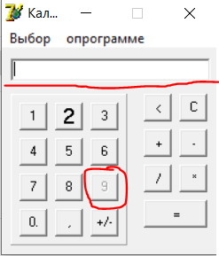 | R2 | When the "9" button is pressed, the number "9" appears in the input panel | When the "9" button is pressed, the number "9" doesn't appear in the input panel
3 | An error appears when clicking on the space outside the buttons | when you click on the space outside the buttons, the error "Exception occurred" appears in a separate window | 1. launch the "Глючный калькулятор" application 2. Click on the space outside the buttons | always | critical | ASAP | system crash |  |  | 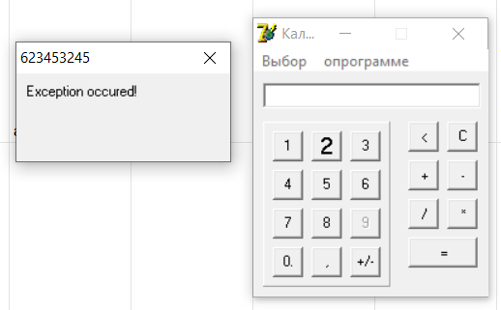 | R3 | Nothing happens | the error "Exception occurred" appears in a separate window
4 | Error in a separate window when pressing buttons "-", "+","=","/","*" without the entered number | when the buttons are pressed "-", "+","=","/","*" without the entered number, the error " " is not a valid floating point value" appears in the input field in a separate window | 1. launch the "Глючный калькулятор" application 2.Press the button "-", "+","=","/" or "*" | always | medium | normal | unexpected behavior |  |  |  | R4 | Nothing happens | the error " " is not a valid floating point value" appears in the input field in a separate window
5 | Error in a separate window when clicking on the "1" button when there are 6 or more characters in the input field | when pressing the "1" button and there are 6 or more characters in the input field, the error "Unable to enter so many digits, sorry :(" appears in a separate window | 1. launch the "Глючный калькулятор" application 2. Click on the input field 3. Enter number with 6 or more digits 4. Click on the button "1" | always | critical | ASAP | unexpected behavior | Digit '1' can be entered using a keyboard |  |  | R5 | the digit "1" appears at the end of the input field | the error "Unable to enter so many digits, sorry :(" appears in a separate window
6 | Error in a separate window when pressing buttons "-", "+","=","/","*" after entering number which contains the dot symbol | after entering number which contains the dot symbol and pressing buttons "-", "+","=","/","*" the error "is not a valid floating point value" appears in a separate window | 1. launch the "Глючный калькулятор" application 2. Click on the input field 3. Enter number "0.1" 4. Click on the button "+" | always | major | high | missing feature |  |  | 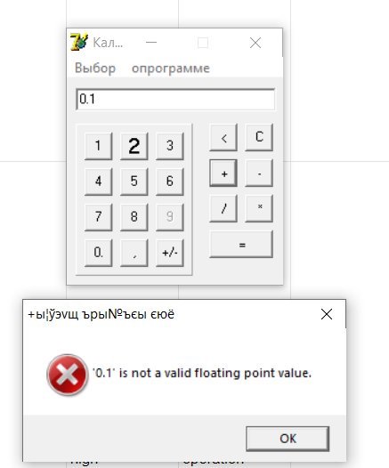 | R6 | Error is not appeared | the error "is not a valid floating point value" appears in a separate window
7 | The ability to enter incorrect characters in the input field using a keyboard | The input field allows you to enter incorrect characters using the keyboard. Incorrect symbols include everything except numbers, signs of mathematical operations (+, -, /, *), dots and commas | 1. launch the "Глючный калькулятор" application 2. Click on the input field 3. Enter "ololo" | always | critical | high | incorrect operation |  |  |  | R7 | The input field is empty | The input field contains "ololo" value
8 | Error after entering the mathematical operation "2+2" in the input field and pressing the "=" buttons | When entering the mathematical operation "2+2" in the input field and clicking on the "=" button, the error "2+2 is not a valid floating point value" appears in a separate window | 1. launch the "Глючный калькулятор" application 2. Click on the input field 3. Enter "2+2" 4. Click on the button "=" | always | critical | asap | missing feature |  |  | 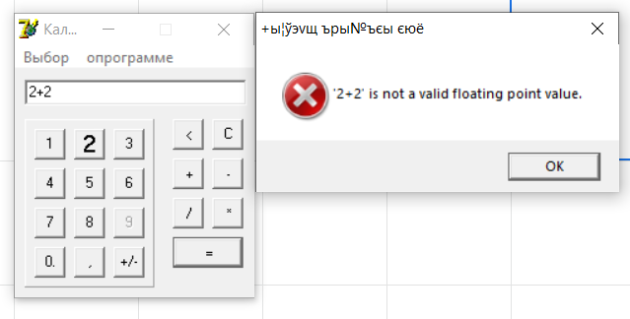 | R8 | The result "В результате получилось: 4" should appear in the input field | the error "2+2 is not a valid floating point value" appears in a separate window
9 | In the menu bar at the top there is a typo in the menu item "О программе" | In the menu bar at the top there is a typo in the menu item "О программе" | 1. launch the "Глючный калькулятор" application 2. Check the menu bar at the top | always | minor | low | cosmetic |  |  | 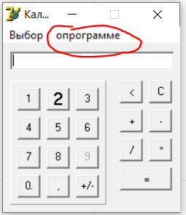 | R9 | The menu item has the name "О программе" | The menu item has the name "опрограмме"
10 | After switching to calculator type "Инженерный" there is no buttons specific for the "Инженерный" calculator type | When selecting the calculator type "Инженерный", the application expanded to the right, but there are no additional buttons specific for the calculator type "Инженерный" (such as "%", "^", "(", ")" ) | 1. launch the "Глючный калькулятор" application 2. Click on the menu button "Выбор" 3. Click on the "Инженерный" button in the expanded list 4. Check the right side of the application | always | critical | asap | missing feature |  |  |  | R10 | Buttons "%", "^", "(", ")" there in the right side of the application | Empty field in the right side of the application
11 | On the numeric panel, the "0" button has a typo | On the numeric panel, the "0" button has a typo. The name of the button should contain only the digit "0", but there is also a sign "." after the digit "0" | 1. launch the "Глючный калькулятор" application 2. Check the number panel | always | minor | low | cosmetic |  |  | 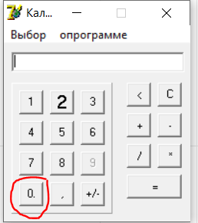 | R11 | The button to enter digit "0" in the input field has the name "0" | The button to enter digit "0" in the input field has the name "0."
12 | After closing the error that appears when dividing by zero, the input field is not cleared | The input field is not cleared after closing the error during division by zero. When dividing by 0, an error window appears. After clicking on the "X" button in the upper right corner of the error window (which leads to closing the error), the input field is not cleared | 1. launch the "Глючный калькулятор" application 2. Click on the button "2" 3. Click on the button "/" 4. Click on the button "0" 5. Click on the button "=" 6. Click on the "X" button in the upper right corner of the error window 7. Check the input field | always | medium | normal | unexpected behavior |  |  |  | R12 | Input field is clear | "0" is there in the input field
13 | In the empty input field can be entered more than one digit "0" using the button "0" or using a keyboard | When the input field is empty you have a possibility to enter more than one digit "0" using the button "0" or using a keyboard | 1. launch the "Глючный калькулятор" application 2. Click on the button "0" 3. Click on the button "0" 4. Click on the input field 5. Enter "0" using the keyboard at the end of the current input field value | always | critical | asap | unexpected behavior |  |  |  | R13 | Only one "0" is there in the input field | "000" is there in the input field
14 | The user can enter the digit "0" before the integer part of the number using the "0" button or using the keyboard | The user can enter the digit "0" using the "0" button or using the keyboard, and then start entering the integer part of the number using the numeric panel or keyboard. As a result, a number with leading zeros appears in the input line | 1. launch the "Глючный калькулятор" application 2. Click on the button "0" 3. Click on the input field 4. Enter "09" using the keyboard at the end of the current input field value | always | critical | asap | unexpected behavior |  |  |  | R14 | "9" is there in the input field | "009" is there in the input field
15 | For the number "0", the "-" sign appears in the input field when the "+/-" button is pressed | When you click on the "+/-" button at the moment when there is a number "0" in the input field, a "-" sign appears before the number "0" | 1. launch the "Глючный калькулятор" application 2. Click on the button "0" 3. Click on the button "+/-" | always | minor | low | incorrect operation |  |  | 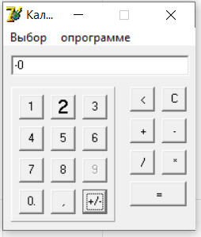 | R15 | "0" is there in the input field | "-0" is there in the input field
16 | When selecting the "Обычный" calculator type, the digital panel turns red | When the user selects a calculator type "Обычный" in the "Выбор" menu item at the top menu, the digital panel turns red | 1. launch the "Глючный калькулятор" application 2. Click on the menu button "Выбор" 3. Click on the "Обычный" button in the expanded list 4. Check the digital panel | always | minor | low | cosmetic |  |  |  | R16 | Nothing happens | The digital panel background turns red
17 | In the input field can be entered more than one sign "," using the button "," or using a keyboard | user has a possibility to enter more than one sign "," using the button "," or using a keyboard | 1. launch the "Глючный калькулятор" application 2. Click on the button "1" 3. Click on the button "," 4. Enter "," using the keyboard at the end of the current input field value 5. Click on the button "2" | always | medium | normal | unexpected behavior |  |  |  | R17 | "1,2" is there in the input field | "1,,2" is there in the input field
18 | user can enter the sign "," if the integer part of the number is not there in the input field using the "," button or using the keyboard | user can enter the sign "," using the "," button or using the keyboard when the integer part of the number is not there in the input field. The sign "," can be entered only if there is an integer part of the number in the input field. Otherwise sign "," doesn't appear in the input field after clicking on the button "," or entering "," using the keyboard | 1. launch the "Глючный калькулятор" application 2. Click on the button "," 3. Click on the button "2" | always | critical | asap | missing feature |  |  |  | R18 | "2" is there in the input field | ",2" is there in the input field
19 | Error in a separate window when trying to change a mathematical operation | When the user has selected a mathematical operation using the buttons "-", "+","/","*" and decides to select another mathematical operation, the error "is not a valid floating point value" appears in a separate window occurs in a separate window | 1. launch the "Глючный калькулятор" application 2. Click on the button "2" 3. Click on the button "+" 4. Click on the button "/" | always | critical | asap | missing feature |  |  |  | R19 | Math operation is changed to "/" and user can enter the second digit | the error "is not a valid floating point value" appears in a separate window
20 | Inability to obtain a result if a mathematical operation was selected | After selecting a mathematical operation, the user cannot get the result by clicking on the "=" button. The user will receive an error in a separate window | 1. launch the "Глючный калькулятор" application 2. Click on the button "2" 3. Click on the button "+" 4. Click on the button "2" 5. Click on the button "+" 6. Click on the button "=" | always | critical | asap | unexpected behavior |  |  |  | R20 | "В результате получилось: 4" is there in the input field | the error "is not a valid floating point value" appears in a separate window
21 | Ignoring a chain of math operations and getting the result of the last operation | When trying to calculate a chain of operations, the calculator calculates only the last operation in the chain and outputs the result | 1. launch the "Глючный калькулятор" application 2. Click on the button "1" 3. Click on the button "+" 4. Click on the button "1" 5. Click on the button "/" 6. Click on the button "2" 7. Click on the button "=" | always | critical | asap | incorrect operation |  |  |  | R21 | "В результате получилось: 1.5" is there in the input field | "В результате получилось: 0.5" is there in the input field
22 | The "C" button does not reset the mathematical operation | The "C" button does not reset the mathematical operation | 1. launch the "Глючный калькулятор" application 2. Click on the "2" button 3. Click on the "+" button 4. Click on the "C" button 5. Click on the "2" button 6. Click on the "=" button | always | critical | asap | unexpected behavior |  |  |  | R22 | "В результате получилось: 2" is there in the input field | "В результате получилось: 4" is there in the input field
23 | Math operations with huge numbers lead to an incorrect result | Math operations with huge numbers lead to an incorrect result (such as rounding up, inaccurate result, etc) | 1. launch the "Глючный калькулятор" application 2. Click on the input field 3. Enter "99999999999999999" using the keyboard 4. Click on the "*" button 5. Click on the "1" button 6. Click on the "=" button | always | critical | asap | incorrect operation |  |  |  | R23 | "В результате получилось: 99999999999999999" is there in the input field | "В результате получилось: 1E17" is there in the input field
24 | Problem with encoding of the application name when you hover the icon in the Windows applications panel | when customer hover the icon in the Windows applications panel customer see the illegible text | 1. launch the "Глючный калькулятор" application 2. Hover the application icon on Windows applications pannel | always | minor | low | localization issue |  |  | 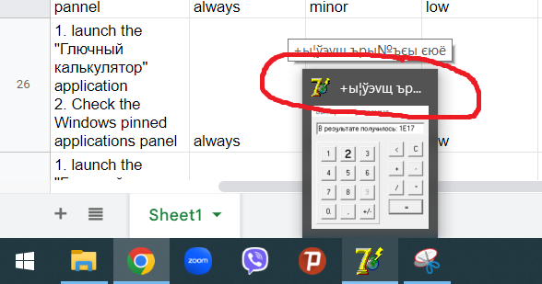 | R24 | Name "Глючный калькулятор" should appear | Illegible text appears
25 | Default Delphi icon in the Windows pinned applications panel | Default Delphi icon in the Windows pinned applications panel | 1. launch the "Глючный калькулятор" application 2. Check the Windows pinned applications panel | always | minor | low | cosmetic |  |  | 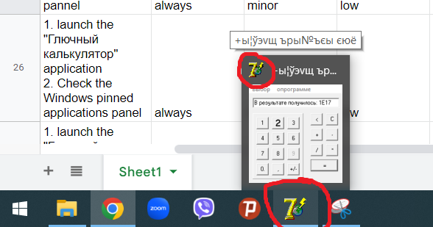 | R25 | Custom application icon is there | Default Delphi icon is there
26 | Not possible to use the result of the math operation | After getting the result of math operation customer get the error after clicking on the buttons "-", "+","/","*" when he/she tries to use the result for the upcomming math operation | 1. launch the "Глючный калькулятор" application 2. Click on the button "2" 3. Click on the button "+" 4. Click on the button "2" 5. Click on the button "=" 6. Click on the button "*" | always | major | high | missing feature |  |  | 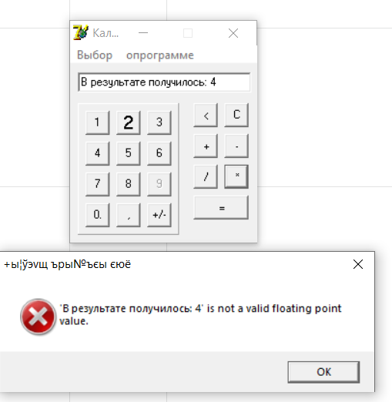 | R26 | Operation "*" is selected and customer can enter the second number | Error "'В результате получилось: 4' is not a valid floating point value" appears in the separate window
27 | Menu item "Выбор" at the top menu panel has noninformative name | Menu item "Выбор" at the top menu panel has noninformative name | 1. launch the "Глючный калькулятор" application | always | medium | normal | variance from spec |  |  | 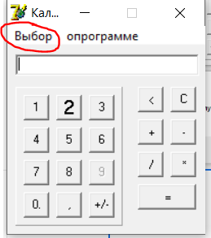 | R27 | Should be used the name "Тип калькулятора" | Menu item "Выбор" is there at the top menu panel
28 | user can enter the multiple signs "-" before the number in the input field using the keyboard | user can enter multiple signs "-" using the keyboard before the number in the input field | 1. launch the "Глючный калькулятор" application 2. Click on the input field 3. Enter "----" using the keyboard 4. Click on the button "5" | always | major | high | unexpected behavior |  |  | 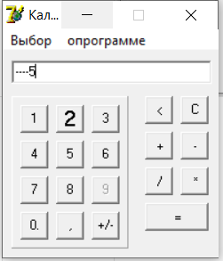 | R28 | "-5" is there in the input field | "----5" is there in the input field
29 | There is no cursor in the input field after selecting a mathematical operation | After entering a number in the input field and pressing the button "-", "+","/" or "*" cursor does not appear in the input field and user has to make an additional click on the input field so that he/she can enter a number | 1. launch the "Глючный калькулятор" application 2. Click on the input field 3. Enter "3" using the keyboard 4. Click on the "+" button 5. Enter "2" using the keyboard | always | medium | normal | unfriendly behavior |  |  |  | R29 | "2" is there in the input field and the cursor is there | The input field is empty

Вывод | Пока что это рекорд по количеству багов)) и по качеству у меня претензий особо нет - все на высшем уровне | ГОСПОДИ, КАК ЖЕ МНОГО БАГОВ ТЫ НАШЛА

