Puzzle A
Hashes Needed | Frequency | Average Hashes | Standard Deviation
1 | 1 | 32.5 | 18.472953202
2 | 1
3 | 1
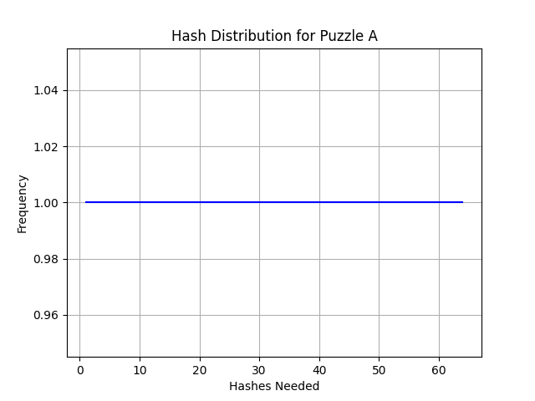
4 | 1
5 | 1
6 | 1
7 | 1
8 | 1
9 | 1
10 | 1
11 | 1
12 | 1
13 | 1
14 | 1
15 | 1
16 | 1
17 | 1
18 | 1
19 | 1
20 | 1
21 | 1
22 | 1
23 | 1
24 | 1
25 | 1
26 | 1
27 | 1
28 | 1
29 | 1
30 | 1
31 | 1
32 | 1
33 | 1
34 | 1
35 | 1
36 | 1
37 | 1
38 | 1
39 | 1
40 | 1
41 | 1
42 | 1
43 | 1
44 | 1
45 | 1
46 | 1
47 | 1
48 | 1
49 | 1
50 | 1
51 | 1
52 | 1
53 | 1
54 | 1
55 | 1
56 | 1
57 | 1
58 | 1
59 | 1
60 | 1
61 | 1
62 | 1
63 | 1
64 | 1

Puzzle B
Hashes Needed | Frequency | Average Hashes | Standard Deviation
6 | 1 | 51 | 11.291589791
7 | 6
8 | 21
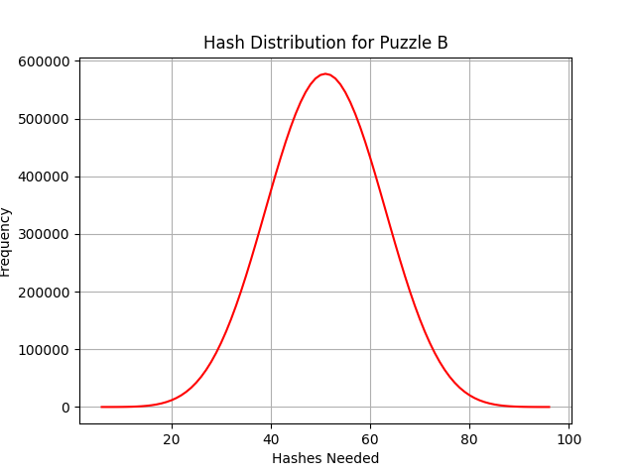
9 | 56
10 | 126
11 | 252
12 | 462
13 | 792
14 | 1287
15 | 2002
16 | 3003
17 | 4368
18 | 6188
19 | 8568
20 | 11628
21 | 15504
22 | 20343
23 | 26298
24 | 33523
25 | 42168
26 | 52374
27 | 64268
28 | 77958
29 | 93528
30 | 111033
31 | 130494
32 | 151893
33 | 175168
34 | 200208
35 | 226848
36 | 254864
37 | 283968
38 | 313818
39 | 344028
40 | 374178
41 | 403824
42 | 432508
43 | 459768
44 | 485148
45 | 508208
46 | 528534
47 | 545748
48 | 559518
49 | 569568
50 | 575688
51 | 577744
52 | 575688
53 | 569568
54 | 559518
55 | 545748
56 | 528534
57 | 508208
58 | 485148
59 | 459768
60 | 432508
61 | 403824
62 | 374178
63 | 344028
64 | 313818
65 | 283968
66 | 254864
67 | 226848
68 | 200208
69 | 175168
70 | 151893
71 | 130494
72 | 111033
73 | 93528
74 | 77958
75 | 64268
76 | 52374
77 | 42168
78 | 33523
79 | 26298
80 | 20343
81 | 15504
82 | 11628
83 | 8568
84 | 6188
85 | 4368
86 | 3003
87 | 2002
88 | 1287
89 | 792
90 | 462
91 | 252
92 | 126
93 | 56
94 | 21
95 | 6
96 | 1

