Sim Historica
 | HOMEX | BIMBO | ICA | REND HOMEX | REND BIMBO | REND ICA | Delta p | Delta p (-a+) |  | HOMEX | BIMBO | ICA
Sep 25, 2017 | 0.99 | 43.25 | 1.5 | 0.12121212121 | 0.010173410405 | 0.013333333333 | 17139 | -20735 | HOMEX | 0.035035651974 | 0.1558818641 | 0.0017778236915
Sep 22, 2017 | 0.87 | 42.81 | 1.48 | 0.12643678161 | 0.0046718056529 | 0 | 13111 | -17914 | BIMBO | 0.1558818641 | 1.4204742883 | 0.016624793388
Sep 21, 2017 | 0.76 | 42.61 | 1.48 | 0.013157894737 | -0.0093874677306 | 0 | 377 | -10373 | ICA | 0.0017778236915 | 0.016624793388 | 0.001899020979
Sep 20, 2017 | 0.75 | 43.01 | 1.48 | -0.026666666667 | -0.0011625203441 | 0 | -2783 | -9986
Sep 19, 2017 | 0.77 | 43.06 | 1.48 | -0.025974025974 | -0.011147236414 | 0 | -3712 | -8733 |  | HOMEX | BIMBO | ICA
Sep 18, 2017 | 0.79 | 43.54 | 1.48 | -0.037974683544 | -0.018603582912 | 0 | -5658 | -8601 | HOMEX | 1 | 0.69875318467 | 0.21962612328
Sep 15, 2017 | 0.82 | 44.35 | 1.48 | 0 | 0.0031567080045 | 0 | 316 | -8042 | BIMBO | 0.69875318467 | 1 | 0.3225447492
Sep 14, 2017 | 0.82 | 44.21 | 1.48 | -0.012195121951 | -0.0058810223931 | 0 | -1808 | -7629 | ICA | 0.21962612328 | 0.3225447492 | 1
Sep 13, 2017 | 0.83 | 44.47 | 1.48 | -0.036144578313 | 0.005172026085 | 0 | -3097 | -7001
Sep 12, 2017 | 0.86 | 44.24 | 1.48 | 0 | 0.010171790235 | 0 | 1017 | -6447 |  | Dinero Invertido
Sep 11, 2017 | 0.86 | 43.79 | 1.48 | 0 | 0.010733044074 | 0 | 1073 | -6368 |  | HOMEX | BIMBO | ICA
Sep 08, 2017 | 0.86 | 43.32 | 1.48 | 0.011627906977 | -0.0041551246537 | 0 | 747 | -5658 |  | 100000 | 100000 | 300000
Sep 07, 2017 | 0.85 | 43.5 | 1.48 | -0.047058823529 | 0.0041379310345 | -0.02027027027 | -10373 | -5086
Sep 06, 2017 | 0.89 | 43.32 | 1.51 | -0.011235955056 | 0.0073868882733 | 0 | -385 | -5028
Sep 05, 2017 | 0.9 | 43 | 1.51 | -0.011111111111 | -0.0058139534884 | 0 | -1693 | -4671 | VaR (1 semana) = | -19233
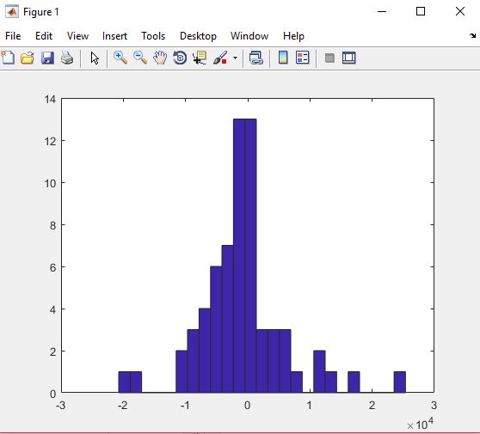
Sep 04, 2017 | 0.91 | 43.25 | 1.51 | 0 | -0.002774566474 | -0.0066225165563 | -2264 | -4668
Sep 01, 2017 | 0.91 | 43.37 | 1.52 | 0.021978021978 | 0.00069172238875 | 0 | 2267 | -4410
Aug 31, 2017 | 0.89 | 43.34 | 1.52 | -0.011235955056 | 0.012459621597 | 0.013157894737 | 4070 | -3712
Aug 30, 2017 | 0.9 | 42.8 | 1.5 | 0.022222222222 | -0.01308411215 | -0.02 | -5086 | -3639
Aug 29, 2017 | 0.88 | 43.36 | 1.53 | -0.022727272727 | -0.0080719557196 | -0.013071895425 | -7001 | -3304
Aug 28, 2017 | 0.9 | 43.71 | 1.55 | -0.011111111111 | -0.016243422558 | -0.0064516129032 | -4671 | -3097
Aug 25, 2017 | 0.91 | 44.42 | 1.56 | 0.032967032967 | 0.0060783430887 | 0 | 3905 | -3074
Aug 24, 2017 | 0.88 | 44.15 | 1.56 | -0.045454545455 | 0.0090600226501 | 0 | -3639 | -2783
Aug 23, 2017 | 0.92 | 43.75 | 1.56 | -0.032608695652 | 0.0029714285714 | -0.019230769231 | -8733 | -2543
Aug 22, 2017 | 0.95 | 43.62 | 1.59 | -0.010526315789 | 0.0050435580009 | 0.0062893081761 | 1339 | -2264
Aug 21, 2017 | 0.96 | 43.4 | 1.58 | -0.020833333333 | 0.0085253456221 | -0.012658227848 | -5028 | -2247
Aug 18, 2017 | 0.98 | 43.03 | 1.6 | 0 | 0.0051127120614 | -0.00625 | -1364 | -2243
Aug 17, 2017 | 0.98 | 42.81 | 1.61 | 0.040816326531 | -0.0077084793273 | 0.024844720497 | 10764 | -1917
Aug 16, 2017 | 0.94 | 43.14 | 1.57 | -0.010638297872 | -0.015530829856 | 0.019108280255 | 3116 | -1808
Aug 15, 2017 | 0.95 | 43.81 | 1.54 | -0.031578947368 | -0.0070760100434 | 0.0064935064935 | -1917 | -1706
Aug 14, 2017 | 0.98 | 44.12 | 1.53 | -0.030612244898 | 0.013145965549 | -0.019607843137 | -7629 | -1693
Aug 11, 2017 | 1.01 | 43.54 | 1.56 | -0.009900990099 | -0.0022967386311 | 0 | -1220 | -1600
Aug 10, 2017 | 1.02 | 43.64 | 1.56 | -0.0098039215686 | -0.01764436297 | -0.0064102564103 | -4668 | -1364
Aug 09, 2017 | 1.03 | 44.41 | 1.57 | 0.019417475728 | -0.0065300607971 | 0.012738853503 | 5110 | -1220
Aug 08, 2017 | 1.01 | 44.7 | 1.55 | -0.009900990099 | -0.007158836689 | 0 | -1706 | -929
Aug 07, 2017 | 1.02 | 45.02 | 1.55 | -0.0098039215686 | 0.023545091071 | -0.025806451613 | -6368 | -920
Aug 04, 2017 | 1.03 | 43.96 | 1.59 | -0.0097087378641 | 0.00022747952684 | 0.0062893081761 | 939 | -513
Aug 03, 2017 | 1.04 | 43.95 | 1.58 | 0.038461538462 | -0.0059158134243 | 0.012658227848 | 7052 | -391
Aug 02, 2017 | 1 | 44.21 | 1.56 | -0.02 | -0.0088215335897 | 0.032051282051 | 6733 | -385
Aug 01, 2017 | 1.02 | 44.6 | 1.51 | -0.039215686275 | -0.0091928251121 | -0.05298013245 | -20735 | 73
Jul 31, 2017 | 1.06 | 45.01 | 1.59 | -0.028301886792 | -0.0024439013553 | 0.031446540881 | 6359 | 169
Jul 28, 2017 | 1.09 | 45.12 | 1.54 | 0.036697247706 | -0.0037677304965 | -0.032467532468 | -6447 | 316
Jul 27, 2017 | 1.05 | 45.29 | 1.59 | -0.057142857143 | -0.023846323692 | -0.0062893081761 | -9986 | 377
Jul 26, 2017 | 1.11 | 46.37 | 1.6 | 0 | -0.028035367695 | 0.00625 | -929 | 747
Jul 25, 2017 | 1.11 | 47.67 | 1.59 | 0.009009009009 | 0.0062932662052 | -0.012578616352 | -2243 | 861
Jul 24, 2017 | 1.1 | 47.37 | 1.61 | -0.027272727273 | 0.015832805573 | -0.055900621118 | -17914 | 939
Jul 21, 2017 | 1.13 | 46.62 | 1.7 | -0.044247787611 | 0.015444015444 | 0.094117647059 | 25355 | 949
Jul 20, 2017 | 1.18 | 45.9 | 1.54 | -0.016949152542 | -0.0023965141612 | 0.012987012987 | 1962 | 1017
Jul 19, 2017 | 1.2 | 46.01 | 1.52 | -0.025 | -0.0058682895023 | 0.013157894737 | 861 | 1073
Jul 18, 2017 | 1.23 | 46.28 | 1.5 | -0.0081300813008 | -0.0023768366465 | 0.0066666666667 | 949 | 1339
Jul 17, 2017 | 1.24 | 46.39 | 1.49 | -0.008064516129 | 0.0025867643889 | -0.026845637584 | -8601 | 1962
Jul 14, 2017 | 1.25 | 46.27 | 1.53 | -0.024 | 0.0079965420359 | 0 | -1600 | 2267
Jul 13, 2017 | 1.28 | 45.9 | 1.53 | -0.03125 | 0.0067538126362 | -0.0065359477124 | -4410 | 3116
Jul 12, 2017 | 1.32 | 45.59 | 1.54 | -0.05303030303 | 0.0081158148717 | 0.0064935064935 | -2543 | 3485
Jul 11, 2017 | 1.39 | 45.22 | 1.53 | 0.057553956835 | -0.0030959752322 | -0.0065359477124 | 3485 | 3905
Jul 10, 2017 | 1.31 | 45.36 | 1.54 | 0.0076335877863 | 0.0079365079365 | -0.0064935064935 | -391 | 4070
Jul 07, 2017 | 1.3 | 45 | 1.55 | 0.0076923076923 | 0.011333333333 | 0.032258064516 | 11580 | 5110
Jul 06, 2017 | 1.29 | 44.49 | 1.5 | -0.015503875969 | -0.0069678579456 | 0 | -2247 | 6359
Jul 05, 2017 | 1.31 | 44.8 | 1.5 | -0.022900763359 | -0.0022321428571 | 0.0066666666667 | -513 | 6733
Jul 04, 2017 | 1.34 | 44.9 | 1.49 | 0.0074626865672 | -0.0073496659243 | -0.026845637584 | -8042 | 7052
Jul 03, 2017 | 1.33 | 45.23 | 1.53 | -0.022556390977 | -0.0081804112315 | 0 | -3074 | 10764
Jun 30, 2017 | 1.36 | 45.6 | 1.53 | -0.0073529411765 | 0.017763157895 | -0.0065359477124 | -920 | 11580
Jun 29, 2017 | 1.37 | 44.79 | 1.54 | -0.007299270073 | -0.010493413708 | 0.0064935064935 | 169 | 13111
Jun 28, 2017 | 1.38 | 45.26 | 1.53 | -0.0072463768116 | -0.0061864781264 | -0.0065359477124 | -3304 | 17139
Jun 27, 2017 | 1.39 | 45.54 | 1.54 | 0.028776978417 | -0.0085638998682 | -0.0064935064935 | 73 | 25355
Jun 26, 2017 | 1.35 | 45.93 | 1.55
 |  |  | PROMEDIO | -0.0053407348713 | -0.00097668230015 | -0.00070639863681
 |  |  | DESV.ESTA | 0.033007049463 | 0.010217665123 | 0.020086440119

Delta P
 | HOMEX | BIMBO | ICA |  | Montos |  |  |  | moto trans
HOMEX | 0.035035651974 | 0.1558818641 | 0.0017778236915 |  | 100000 | 100000 | 300000 |  | 100000
BIMBO | 0.1558818641 | 1.4204742883 | 0.016624793388 |  |  |  |  |  | 100000
ICA | 0.0017778236915 | 0.016624793388 | 0.001899020979 |  |  |  |  |  | 300000

alpha*matvar |  |  | luego |  | var delta p | Desvest delta p |  | VaR ( 5 días)= | 393387 | 1.28 corresponde al 10% de las pérdidas en la distribución normal
19625.098714 | 162623.05326 | 2409.9680017 |  |  | 18947805598 | 137651

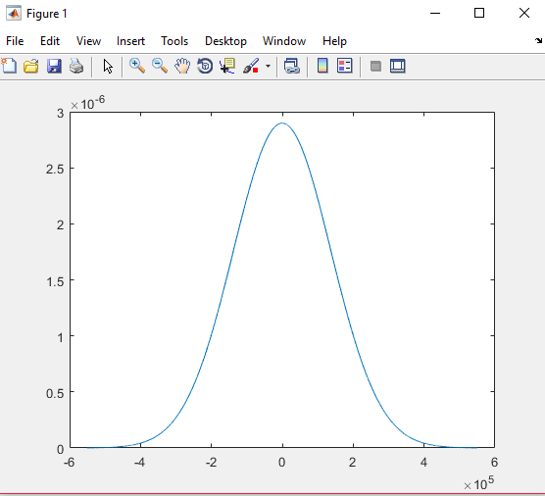
 | HOMEX | BIMBO | ICA
PROMEDIO | -0.0053407348713 | -0.00097668230015 | -0.00070639863681 | val esp delta p
DESV.ESTA | 0.033007049463 | 0.010217665123 | 0.020086440119 | -265
miu
-0.0053407348713
-0.00097668230015
-0.00070639863681

