Fucttion
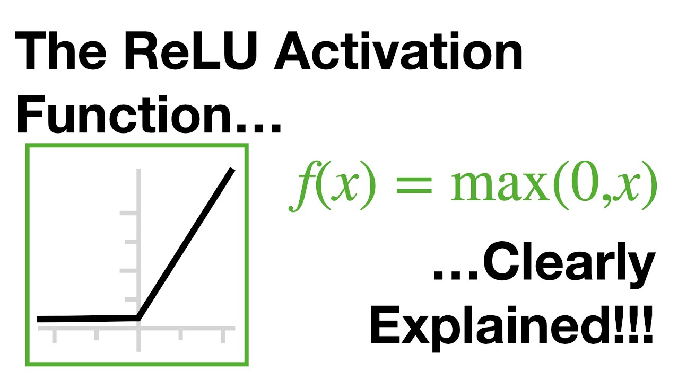

GRAPH
 | 2.6053365083 |  | 2.6053365083
 | 2.4534503446 |  | 2.4534503446
 | 2.4245019977 |  | 2.4245019977
 | 2.3839573257 |  | 2.3839573257
 | 2.3559805705 |  | 2.3559805705
 | 2.3328433686 |  | 2.3328433686
 | 2.3135450072 |  | 2.3135450072
 | 2.2972419662 |  | 2.2972419662
 | 2.2832611205 |  | 2.2832611205
 | 2.2710924549 |  | 2.2710924549
 | 2.2603516502 |  | 2.2603516502
 | 2.2507466344 |  | 2.2507466344
 | 2.2420525611 |  | 2.2420525611
...

