Fucttion
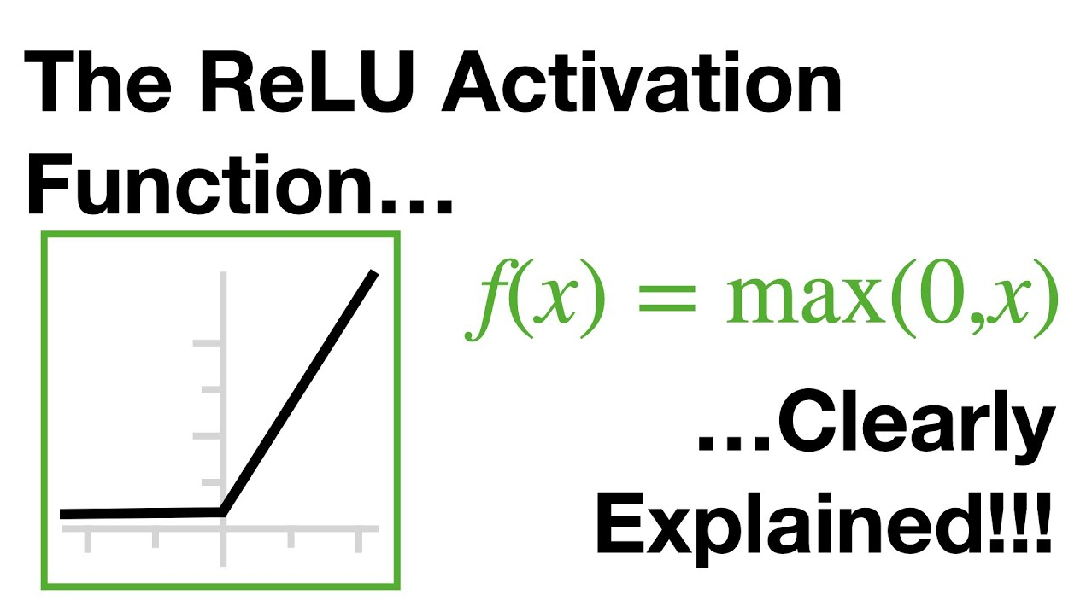

GRAPH
 | 2.5043919802 |  | 2.5043919802
 | 2.7936912941 |  | 2.7936912941
 | 2.6385068592 |  | 2.6385068592
 | 2.4996182485 |  | 2.4996182485
 | 2.3796064705 |  | 2.3796064705
 | 2.2888736254 |  | 2.2888736254
 | 2.2592593548 |  | 2.2592593548
 | 2.2358601849 |  | 2.2358601849
 | 2.2169844127 |  | 2.2169844127
 | 2.2014521407 |  | 2.2014521407
 | 2.1911566508 |  | 2.1911566508
 | 2.1849364745 |  | 2.1849364745
 | 2.1792173398 |  | 2.1792173398
...

