Test Case
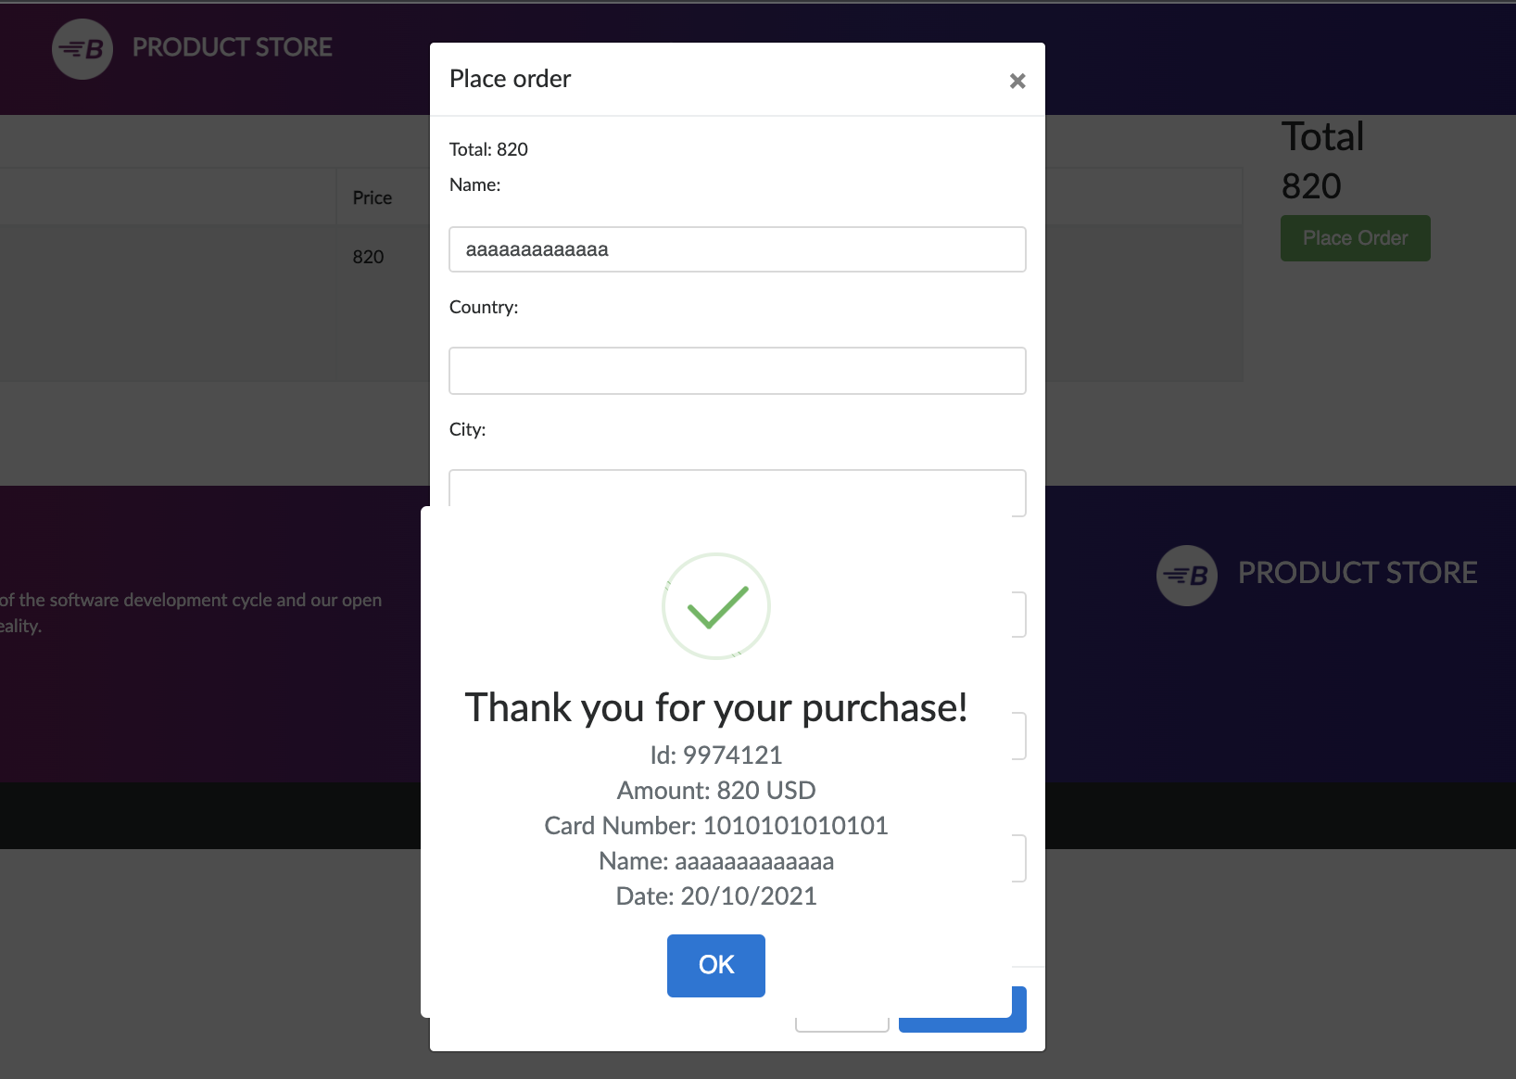
TestID | TC_01 | TC_02 | TC_03
Test Description | Checking if the Log in option on Demoblaze site allows you to log in before you register (on Sign in) | Signing in at Demoblaze site by the username and password | Checking the placing-order-window at Demoblaze site
Test Case Steps | 1.enter the Chrome browser 2.enter the site Demoblaze by the link you have 3.Click on the Log in option in the navigation bar 4.enter your username in the Userame box 5.enter your password in the Password box 6.assert if the log in is incorrect | 1.enter the Chrome browser 2.enter the site Demoblaze by the link you have 3.Click on the Sign in option in the navigation bar 4.enter your new username in the Userame box 5.enter your new password in the Password box 6.assert if the sign in is correct | 1.enter the Chrome browser 2.enter the site Demoblaze by the link you have 3.choose the Nexus 6 on the home screen 4.press on the Add to cart button 5.go to Cart option in the navigation bar 6.click on the Place order button 7.enter your name in the Place order pop-up modal 8.enter creditcard in the Place order pop-up modal 9.click on the Purchase button 10.wait for an assertion
Test Parameters | username=kkkkkkkkkkk password=kkkkkkkkkkkkkk | username=Andjelika password=Andjelika | name=aaaaaaaaaaaaa card=1010101010101
Expected | log in not available before sign in | sign in is correct | it demands the validation of credit card (more info) | OVO REALNO ne spada u case
Actual | log in not available before sign in | sign in is correct | it accepts any kind of information
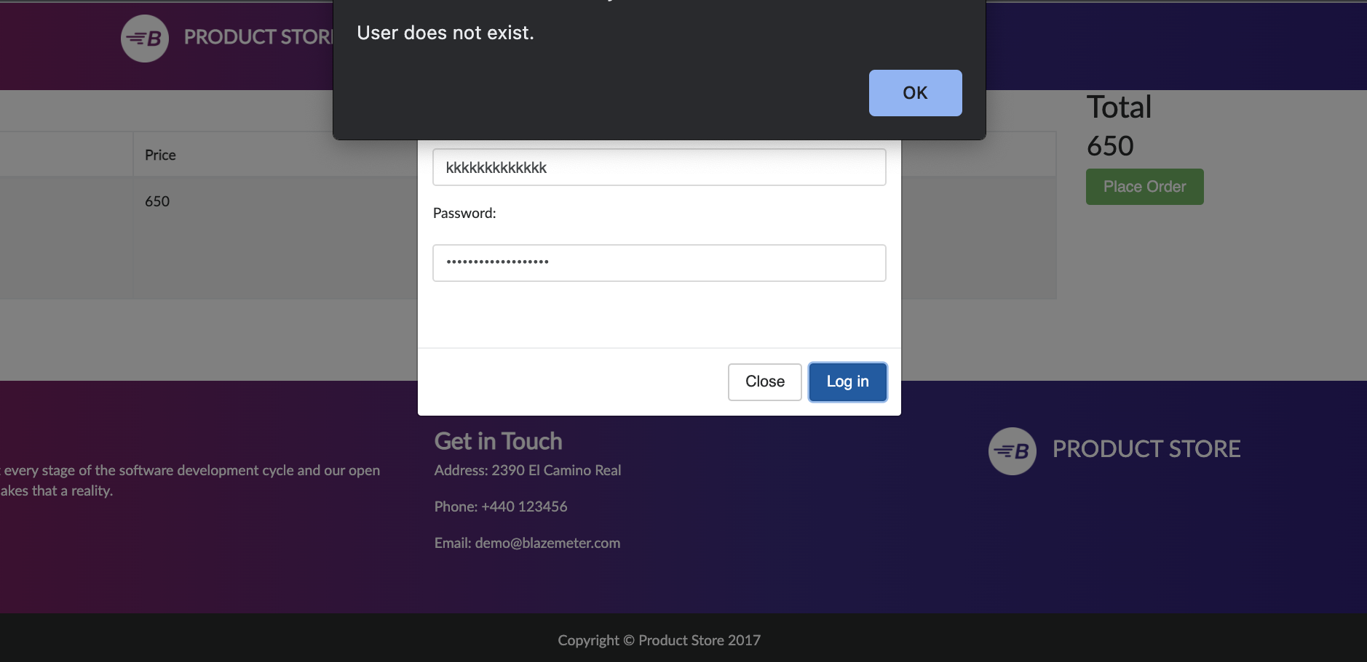
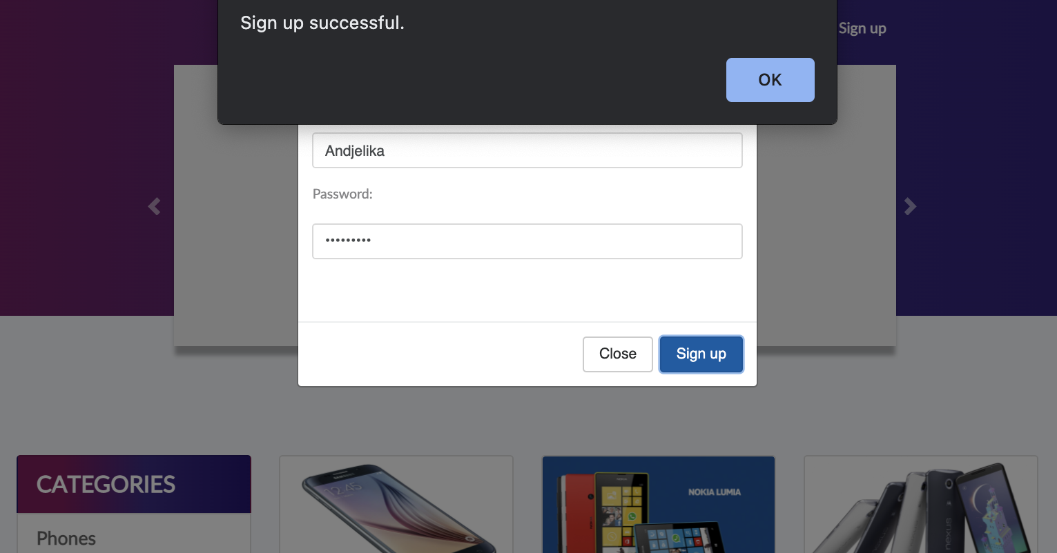
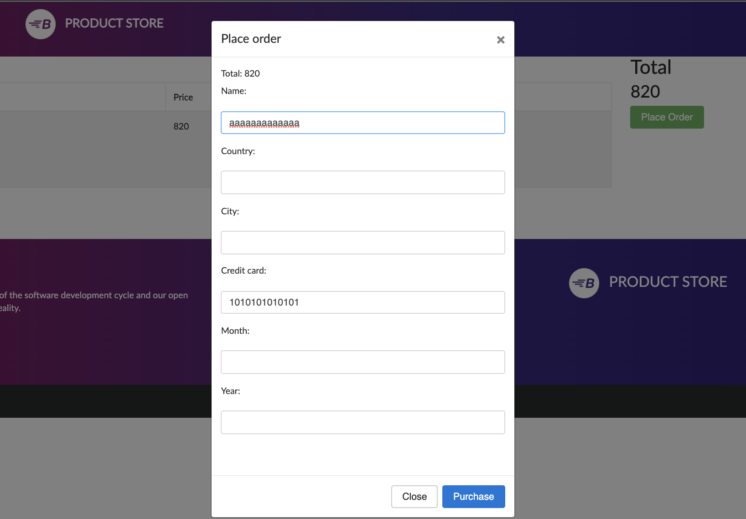
Test pass/fail | pass | pass | fail
Screenshot

