Tb
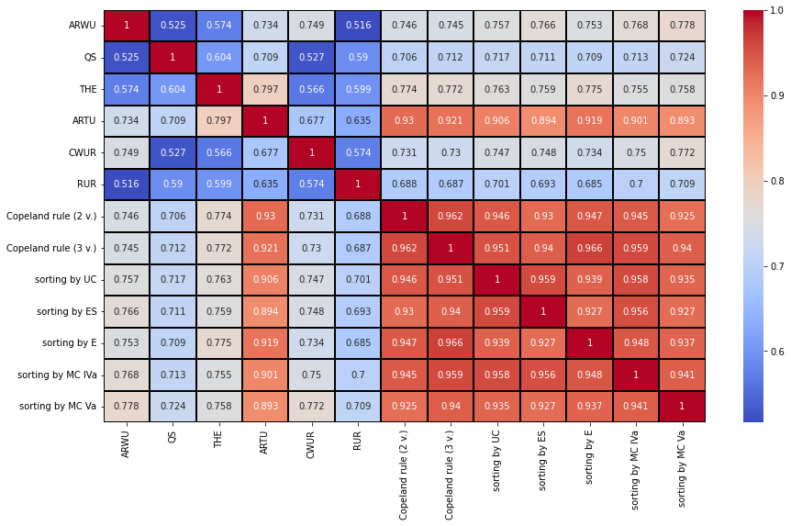
 | ARWU | QS | THE | ARTU | CWUR | RUR | Copeland rule (2 v.) | Copeland rule (3 v.) | sorting by UC | sorting by ES | sorting by E | sorting by MC IVa | sorting by MC Va
ARWU | 1 | 0.525 | 0.574 | 0.734 | 0.749 | 0.516 | 0.746 | 0.745 | 0.757 | 0.766 | 0.753 | 0.768 | 0.778
QS | 0.525 | 1 | 0.604 | 0.709 | 0.527 | 0.59 | 0.706 | 0.712 | 0.717 | 0.711 | 0.709 | 0.713 | 0.724
THE | 0.574 | 0.604 | 1 | 0.797 | 0.566 | 0.599 | 0.774 | 0.772 | 0.763 | 0.759 | 0.775 | 0.755 | 0.758
ARTU | 0.734 | 0.709 | 0.797 | 1 | 0.677 | 0.635 | 0.93 | 0.921 | 0.906 | 0.894 | 0.919 | 0.901 | 0.893
CWUR | 0.749 | 0.527 | 0.566 | 0.677 | 1 | 0.574 | 0.731 | 0.73 | 0.747 | 0.748 | 0.734 | 0.75 | 0.772
RUR | 0.516 | 0.59 | 0.599 | 0.635 | 0.574 | 1 | 0.688 | 0.687 | 0.701 | 0.693 | 0.685 | 0.7 | 0.709
Copeland rule (2 v.) | 0.746 | 0.706 | 0.774 | 0.93 | 0.731 | 0.688 | 1 | 0.962 | 0.946 | 0.93 | 0.947 | 0.945 | 0.925
Copeland rule (3 v.) | 0.745 | 0.712 | 0.772 | 0.921 | 0.73 | 0.687 | 0.962 | 1 | 0.951 | 0.94 | 0.966 | 0.959 | 0.94
sorting by UC | 0.757 | 0.717 | 0.763 | 0.906 | 0.747 | 0.701 | 0.946 | 0.951 | 1 | 0.959 | 0.939 | 0.958 | 0.935
sorting by ES | 0.766 | 0.711 | 0.759 | 0.894 | 0.748 | 0.693 | 0.93 | 0.94 | 0.959 | 1 | 0.927 | 0.956 | 0.927
sorting by E | 0.753 | 0.709 | 0.775 | 0.919 | 0.734 | 0.685 | 0.947 | 0.966 | 0.939 | 0.927 | 1 | 0.948 | 0.937
sorting by MC IVa | 0.768 | 0.713 | 0.755 | 0.901 | 0.75 | 0.7 | 0.945 | 0.959 | 0.958 | 0.956 | 0.948 | 1 | 0.941
sorting by MC Va | 0.778 | 0.724 | 0.758 | 0.893 | 0.772 | 0.709 | 0.925 | 0.94 | 0.935 | 0.927 | 0.937 | 0.941 | 1

r
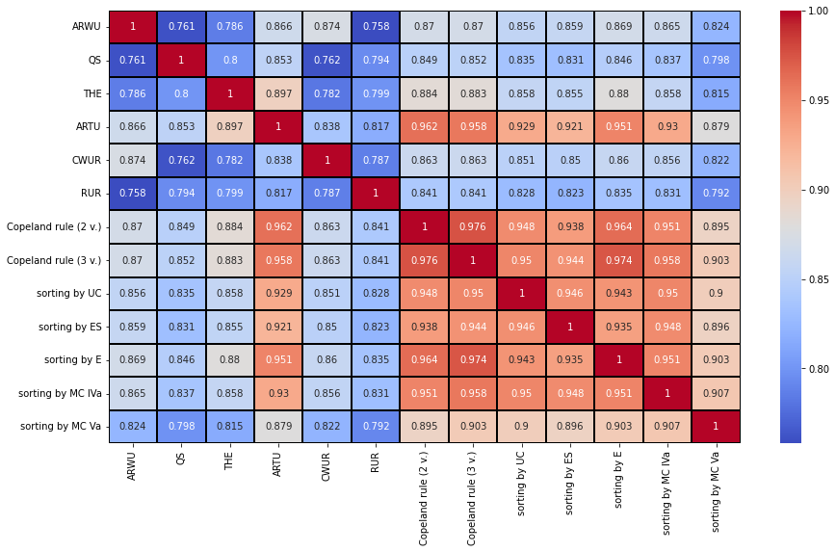
 | ARWU | QS | THE | ARTU | CWUR | RUR | Copeland rule (2 v.) | Copeland rule (3 v.) | sorting by UC | sorting by ES | sorting by E | sorting by MC IVa | sorting by MC Va
ARWU | 1 | 0.761 | 0.786 | 0.866 | 0.874 | 0.758 | 0.87 | 0.87 | 0.856 | 0.859 | 0.869 | 0.865 | 0.824
QS | 0.761 | 1 | 0.8 | 0.853 | 0.762 | 0.794 | 0.849 | 0.852 | 0.835 | 0.831 | 0.846 | 0.837 | 0.798
THE | 0.786 | 0.8 | 1 | 0.897 | 0.782 | 0.799 | 0.884 | 0.883 | 0.858 | 0.855 | 0.88 | 0.858 | 0.815
ARTU | 0.866 | 0.853 | 0.897 | 1 | 0.838 | 0.817 | 0.962 | 0.958 | 0.929 | 0.921 | 0.951 | 0.93 | 0.879
CWUR | 0.874 | 0.762 | 0.782 | 0.838 | 1 | 0.787 | 0.863 | 0.863 | 0.851 | 0.85 | 0.86 | 0.856 | 0.822
RUR | 0.758 | 0.794 | 0.799 | 0.817 | 0.787 | 1 | 0.841 | 0.841 | 0.828 | 0.823 | 0.835 | 0.831 | 0.792
Copeland rule (2 v.) | 0.87 | 0.849 | 0.884 | 0.962 | 0.863 | 0.841 | 1 | 0.976 | 0.948 | 0.938 | 0.964 | 0.951 | 0.895
Copeland rule (3 v.) | 0.87 | 0.852 | 0.883 | 0.958 | 0.863 | 0.841 | 0.976 | 1 | 0.95 | 0.944 | 0.974 | 0.958 | 0.903
sorting by UC | 0.856 | 0.835 | 0.858 | 0.929 | 0.851 | 0.828 | 0.948 | 0.95 | 1 | 0.946 | 0.943 | 0.95 | 0.9
sorting by ES | 0.859 | 0.831 | 0.855 | 0.921 | 0.85 | 0.823 | 0.938 | 0.944 | 0.946 | 1 | 0.935 | 0.948 | 0.896
sorting by E | 0.869 | 0.846 | 0.88 | 0.951 | 0.86 | 0.835 | 0.964 | 0.974 | 0.943 | 0.935 | 1 | 0.951 | 0.903
sorting by MC IVa | 0.865 | 0.837 | 0.858 | 0.93 | 0.856 | 0.831 | 0.951 | 0.958 | 0.95 | 0.948 | 0.951 | 1 | 0.907
sorting by MC Va | 0.824 | 0.798 | 0.815 | 0.879 | 0.822 | 0.792 | 0.895 | 0.903 | 0.9 | 0.896 | 0.903 | 0.907 | 1

