Tb
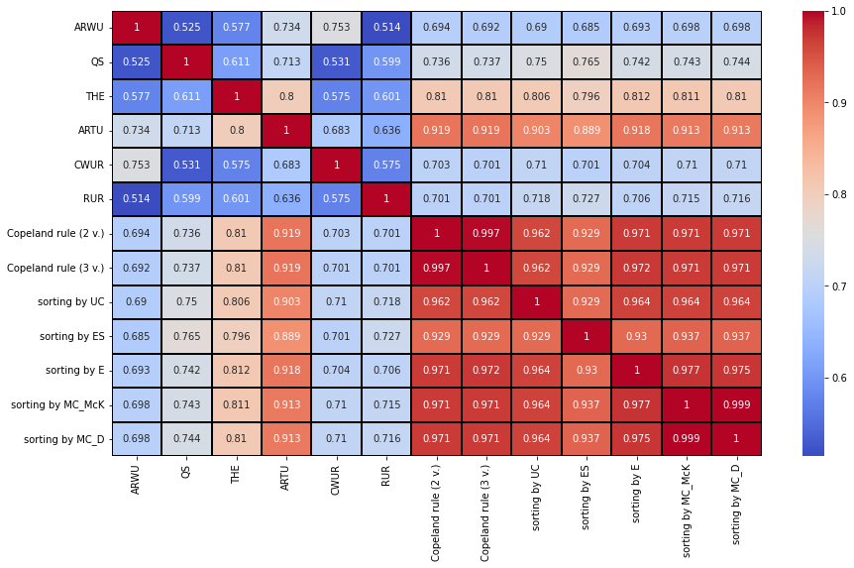
 | ARWU | QS | THE | ARTU | CWUR | RUR | Copeland rule (2 v.) | Copeland rule (3 v.) | sorting by UC | sorting by ES | sorting by E | sorting by MC_McK | sorting by MC_D
ARWU | 1 | 0.525 | 0.577 | 0.734 | 0.753 | 0.514 | 0.694 | 0.692 | 0.69 | 0.685 | 0.693 | 0.698 | 0.698
QS | 0.525 | 1 | 0.611 | 0.713 | 0.531 | 0.599 | 0.736 | 0.737 | 0.75 | 0.765 | 0.742 | 0.743 | 0.744
THE | 0.577 | 0.611 | 1 | 0.8 | 0.575 | 0.601 | 0.81 | 0.81 | 0.806 | 0.796 | 0.812 | 0.811 | 0.81
ARTU | 0.734 | 0.713 | 0.8 | 1 | 0.683 | 0.636 | 0.919 | 0.919 | 0.903 | 0.889 | 0.918 | 0.913 | 0.913
CWUR | 0.753 | 0.531 | 0.575 | 0.683 | 1 | 0.575 | 0.703 | 0.701 | 0.71 | 0.701 | 0.704 | 0.71 | 0.71
RUR | 0.514 | 0.599 | 0.601 | 0.636 | 0.575 | 1 | 0.701 | 0.701 | 0.718 | 0.727 | 0.706 | 0.715 | 0.716
Copeland rule (2 v.) | 0.694 | 0.736 | 0.81 | 0.919 | 0.703 | 0.701 | 1 | 0.997 | 0.962 | 0.929 | 0.971 | 0.971 | 0.971
Copeland rule (3 v.) | 0.692 | 0.737 | 0.81 | 0.919 | 0.701 | 0.701 | 0.997 | 1 | 0.962 | 0.929 | 0.972 | 0.971 | 0.971
sorting by UC | 0.69 | 0.75 | 0.806 | 0.903 | 0.71 | 0.718 | 0.962 | 0.962 | 1 | 0.929 | 0.964 | 0.964 | 0.964
sorting by ES | 0.685 | 0.765 | 0.796 | 0.889 | 0.701 | 0.727 | 0.929 | 0.929 | 0.929 | 1 | 0.93 | 0.937 | 0.937
sorting by E | 0.693 | 0.742 | 0.812 | 0.918 | 0.704 | 0.706 | 0.971 | 0.972 | 0.964 | 0.93 | 1 | 0.977 | 0.975
sorting by MC_McK | 0.698 | 0.743 | 0.811 | 0.913 | 0.71 | 0.715 | 0.971 | 0.971 | 0.964 | 0.937 | 0.977 | 1 | 0.999
sorting by MC_D | 0.698 | 0.744 | 0.81 | 0.913 | 0.71 | 0.716 | 0.971 | 0.971 | 0.964 | 0.937 | 0.975 | 0.999 | 1

r
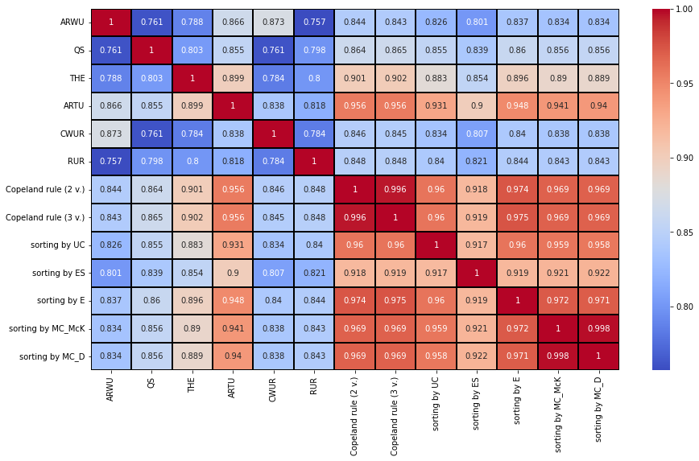
 | ARWU | QS | THE | ARTU | CWUR | RUR | Copeland rule (2 v.) | Copeland rule (3 v.) | sorting by UC | sorting by ES | sorting by E | sorting by MC_McK | sorting by MC_D
ARWU | 1 | 0.761 | 0.788 | 0.866 | 0.873 | 0.757 | 0.844 | 0.843 | 0.826 | 0.801 | 0.837 | 0.834 | 0.834
QS | 0.761 | 1 | 0.803 | 0.855 | 0.761 | 0.798 | 0.864 | 0.865 | 0.855 | 0.839 | 0.86 | 0.856 | 0.856
THE | 0.788 | 0.803 | 1 | 0.899 | 0.784 | 0.8 | 0.901 | 0.902 | 0.883 | 0.854 | 0.896 | 0.89 | 0.889
ARTU | 0.866 | 0.855 | 0.899 | 1 | 0.838 | 0.818 | 0.956 | 0.956 | 0.931 | 0.9 | 0.948 | 0.941 | 0.94
CWUR | 0.873 | 0.761 | 0.784 | 0.838 | 1 | 0.784 | 0.846 | 0.845 | 0.834 | 0.807 | 0.84 | 0.838 | 0.838
RUR | 0.757 | 0.798 | 0.8 | 0.818 | 0.784 | 1 | 0.848 | 0.848 | 0.84 | 0.821 | 0.844 | 0.843 | 0.843
Copeland rule (2 v.) | 0.844 | 0.864 | 0.901 | 0.956 | 0.846 | 0.848 | 1 | 0.996 | 0.96 | 0.918 | 0.974 | 0.969 | 0.969
Copeland rule (3 v.) | 0.843 | 0.865 | 0.902 | 0.956 | 0.845 | 0.848 | 0.996 | 1 | 0.96 | 0.919 | 0.975 | 0.969 | 0.969
sorting by UC | 0.826 | 0.855 | 0.883 | 0.931 | 0.834 | 0.84 | 0.96 | 0.96 | 1 | 0.917 | 0.96 | 0.959 | 0.958
sorting by ES | 0.801 | 0.839 | 0.854 | 0.9 | 0.807 | 0.821 | 0.918 | 0.919 | 0.917 | 1 | 0.919 | 0.921 | 0.922
sorting by E | 0.837 | 0.86 | 0.896 | 0.948 | 0.84 | 0.844 | 0.974 | 0.975 | 0.96 | 0.919 | 1 | 0.972 | 0.971
sorting by MC_McK | 0.834 | 0.856 | 0.89 | 0.941 | 0.838 | 0.843 | 0.969 | 0.969 | 0.959 | 0.921 | 0.972 | 1 | 0.998
sorting by MC_D | 0.834 | 0.856 | 0.889 | 0.94 | 0.838 | 0.843 | 0.969 | 0.969 | 0.958 | 0.922 | 0.971 | 0.998 | 1

