tau_b
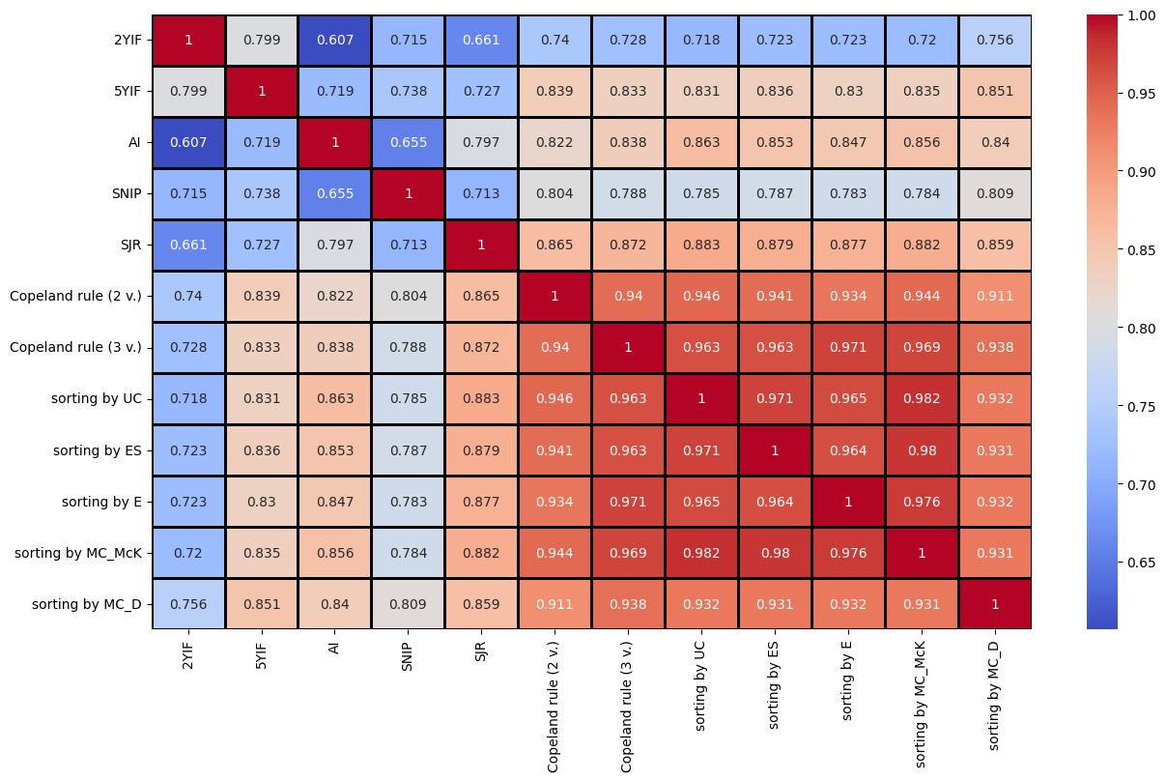
 | 2YIF | 5YIF | AI | SNIP | SJR | Copeland rule (2 v.) | Copeland rule (3 v.) | sorting by UC | sorting by ES | sorting by E | sorting by MC_McK | sorting by MC_D
2YIF | 1 | 0.79937072962 | 0.60655685097 | 0.71482694554 | 0.66054398046 | 0.73967726706 | 0.72782501792 | 0.71819792136 | 0.72301966339 | 0.7227752552 | 0.72030170611 | 0.75562794008
5YIF | 0.79937072962 | 1 | 0.71919348182 | 0.73819384288 | 0.72745955627 | 0.83880812319 | 0.83274061451 | 0.83132841525 | 0.83605577774 | 0.83042652128 | 0.83510005493 | 0.85145228815
AI | 0.60655685097 | 0.71919348182 | 1 | 0.65493658997 | 0.7966602457 | 0.82204740216 | 0.83799774243 | 0.86292350052 | 0.85267754265 | 0.84669015333 | 0.85582891119 | 0.84014223595
SNIP | 0.71482694554 | 0.73819384288 | 0.65493658997 | 1 | 0.7126481163 | 0.80362071838 | 0.7876432931 | 0.78478040582 | 0.7873274496 | 0.78347322175 | 0.78419576969 | 0.80879689644
SJR | 0.66054398046 | 0.72745955627 | 0.7966602457 | 0.7126481163 | 1 | 0.86459598179 | 0.87152984879 | 0.88329737748 | 0.87884368597 | 0.87686307165 | 0.88158121397 | 0.85895785937
Copeland rule (2 v.) | 0.73967726706 | 0.83880812319 | 0.82204740216 | 0.80362071838 | 0.86459598179 | 1 | 0.94033367119 | 0.94558350088 | 0.94139621091 | 0.93375901521 | 0.94373948135 | 0.91114758464
Copeland rule (3 v.) | 0.72782501792 | 0.83274061451 | 0.83799774243 | 0.7876432931 | 0.87152984879 | 0.94033367119 | 1 | 0.9628458483 | 0.96250505551 | 0.97137297698 | 0.96934070619 | 0.93776907299
sorting by UC | 0.71819792136 | 0.83132841525 | 0.86292350052 | 0.78478040582 | 0.88329737748 | 0.94558350088 | 0.9628458483 | 1 | 0.97121642961 | 0.96528092103 | 0.98234073113 | 0.93157434193
sorting by ES | 0.72301966339 | 0.83605577774 | 0.85267754265 | 0.7873274496 | 0.87884368597 | 0.94139621091 | 0.96250505551 | 0.97121642961 | 1 | 0.96402027587 | 0.97980666536 | 0.93149233342
sorting by E | 0.7227752552 | 0.83042652128 | 0.84669015333 | 0.78347322175 | 0.87686307165 | 0.93375901521 | 0.97137297698 | 0.96528092103 | 0.96402027587 | 1 | 0.97573444435 | 0.93198178765
sorting by MC_McK | 0.72030170611 | 0.83510005493 | 0.85582891119 | 0.78419576969 | 0.88158121397 | 0.94373948135 | 0.96934070619 | 0.98234073113 | 0.97980666536 | 0.97573444435 | 1 | 0.93121768398
sorting by MC_D | 0.75562794008 | 0.85145228815 | 0.84014223595 | 0.80879689644 | 0.85895785937 | 0.91114758464 | 0.93776907299 | 0.93157434193 | 0.93149233342 | 0.93198178765 | 0.93121768398 | 1

