Summary
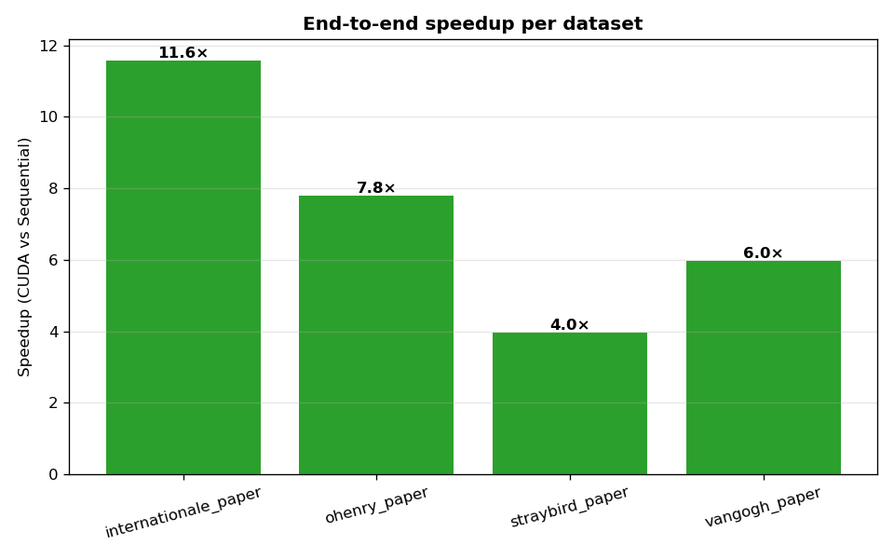
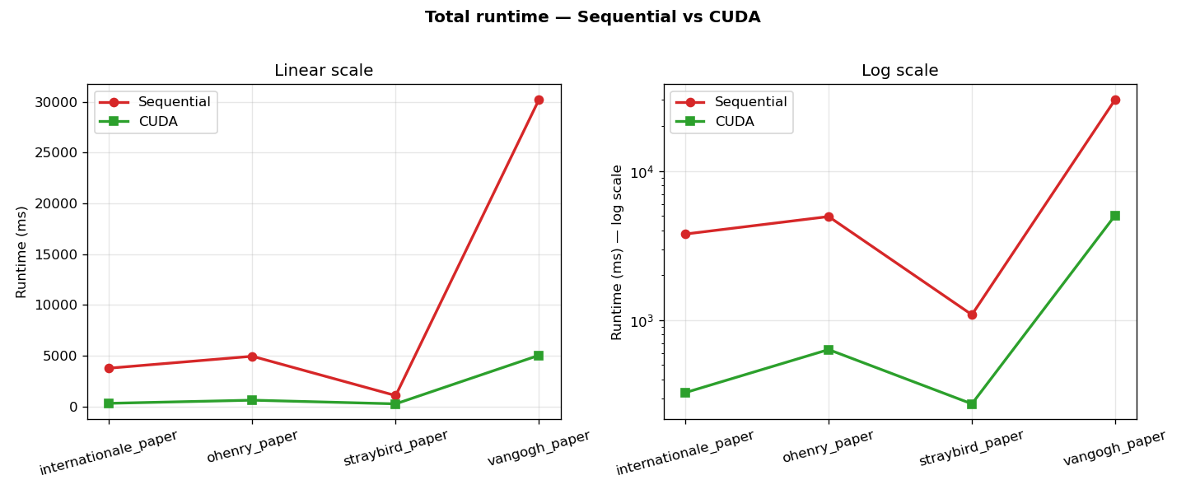
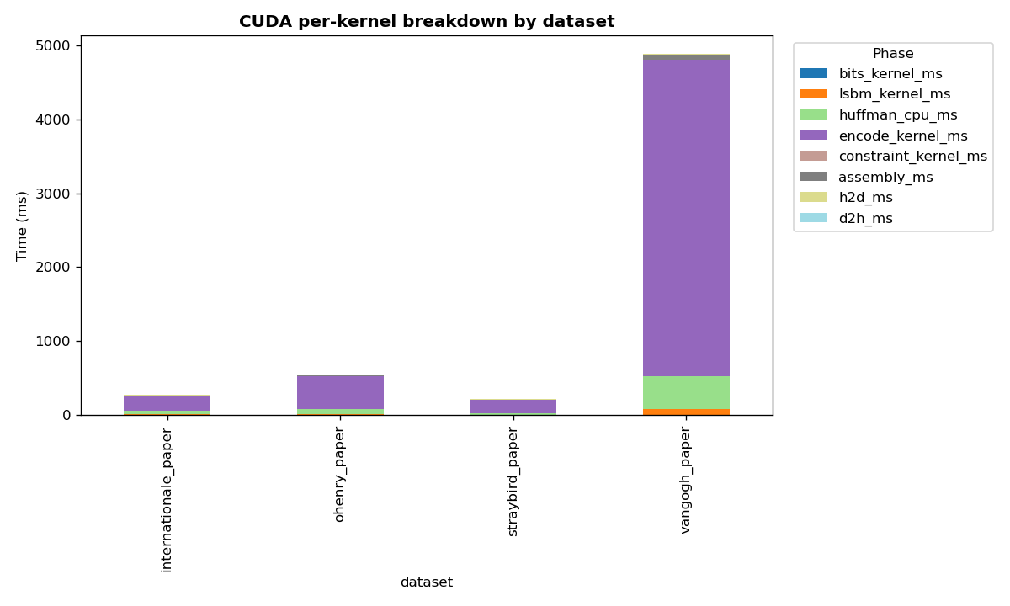
dataset | file_name | seq_total_ms | seq_hash | cuda_total_ms | cuda_hash | speedup | hash_match
internationale_paper | internationale_paper.pdf | 3785.37 | 10828de861b8217c | 326.863 | 10828de861b8217c | 11.580906985 | TRUE
ohenry_paper | ohenry_paper.txt | 4959.26 | 1897de5847872b0a | 635.528 | 1897de5847872b0a | 7.8033697965 | TRUE
straybird_paper | straybird_paper.txt | 1088.75 | 782b798184e00307 | 274.806 | 782b798184e00307 | 3.9618858395 | TRUE
vangogh_paper | vangogh_paper.jpg | 30224.6 | 87881bb08fa8798d | 5054.59 | 87881bb08fa8798d | 5.9796343521 | TRUE

