Image
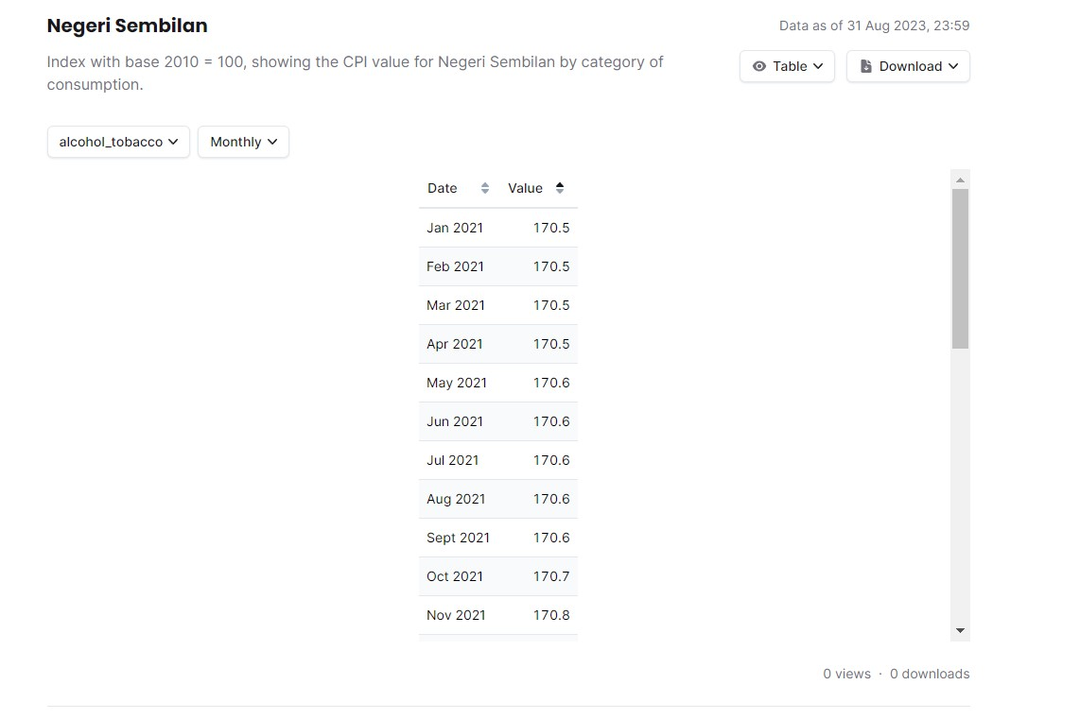
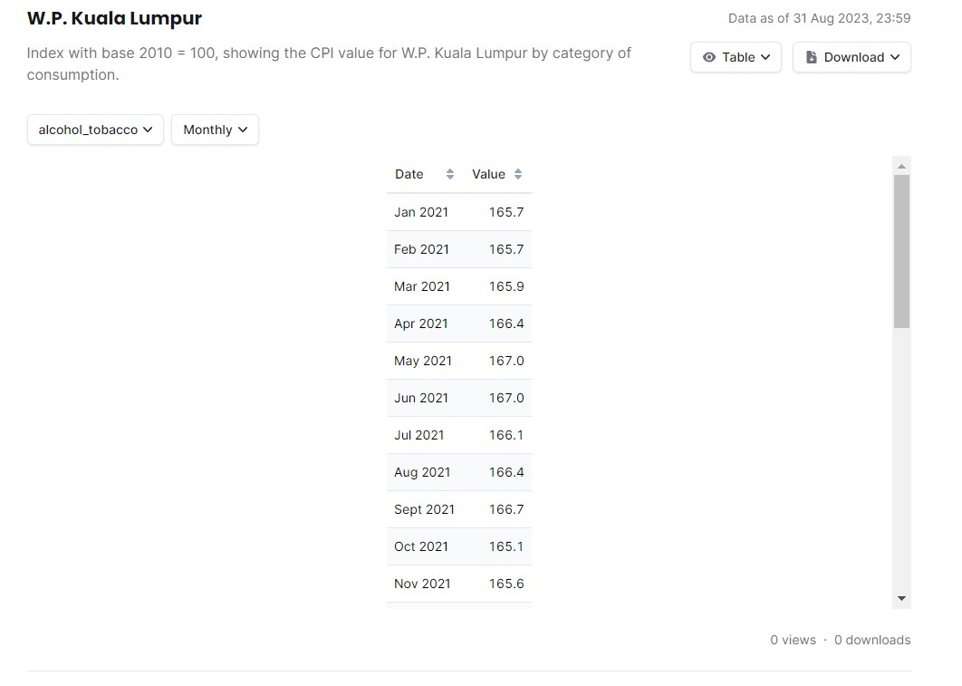

Kuala Lumpur CPI in 2022
Kuala Lumpur CPI in 2022
Row Labels | Sum of wp-kuala-lumpur
Cloth | 1005.1
Communication | 1103
Recreation | 1352.2
Health | 1384
Furnishings | 1489.7
Transport | 1498.9
Education | 1537.4
Housing Ultilities | 1562.7
Hospitality | 1654.4
Food & Beverage | 1759.8
Alcohol & Tobacco | 2019.8
Grand Total | 16367

Alcohol & Tobacco
Sum of wp-kuala-lumpur | Column Labels
Row Labels | Alcohol & Tobacco | Grand Total
Jan | 501.9 | 501.9
Feb | 501.1 | 501.1
Mar | 503.8 | 503.8
Apr | 503.7 | 503.7
May | 506.4 | 506.4
Jun | 506.4 | 506.4
Jul | 505.5 | 505.5
Aug | 505.8 | 505.8
Sep | 336.3 | 336.3
Oct | 334.6 | 334.6
Nov | 335.1 | 335.1
Dec | 333.4 | 333.4
Grand Total | 5374 | 5374

Food & Beverage
Sum of wp-kuala-lumpur | Column Labels
Row Labels | Food & Beverage | Grand Total
Jan | 433.9 | 433.9
Feb | 433.7 | 433.7
Mar | 434.4 | 434.4
Apr | 435.4 | 435.4
May | 437.6 | 437.6
Jun | 439.1 | 439.1
Jul | 439.8 | 439.8
Aug | 440.7 | 440.7
Sep | 288.2 | 288.2
Oct | 289.1 | 289.1
Nov | 291.2 | 291.2
Dec | 293 | 293
Grand Total | 4656.1 | 4656.1

Hospitality
Sum of wp-kuala-lumpur | Column Labels
Row Labels | Hospitality | Grand Total
Jan | 405.7 | 405.7
Feb | 407.8 | 407.8
Mar | 409.8 | 409.8
Apr | 408.1 | 408.1
May | 415.3 | 415.3
Jun | 416.9 | 416.9
Jul | 417.2 | 417.2
Aug | 419.4 | 419.4
Sep | 268.6 | 268.6
Oct | 267.9 | 267.9
Nov | 269 | 269
Dec | 271.6 | 271.6
Grand Total | 4377.3 | 4377.3

Dashboard
Kuala Lumpur Consumer Price Index in 2022
 | Total
Cloth | 1005.1
Communication | 1103
Recreation | 1352.2
Health | 1384
Furnishings | 1489.7
Transport | 1498.9
Education | 1537.4
Housing Ultilities | 1562.7
Hospitality | 1654.4
Food & Beverage | 1759.8
Alcohol & Tobacco | 2019.8

TOP 3

Hospitality
 | Hospitality
Jan | 405.7
Feb | 407.8
Mar | 409.8
Apr | 408.1
May | 415.3
Jun | 416.9
Jul | 417.2
Aug | 419.4
Sep | 268.6
Oct | 267.9
Nov | 269
Dec | 271.6
Food & Beverage
 | Food & Beverage
Jan | 433.9
Feb | 433.7
Mar | 434.4
Apr | 435.4
May | 437.6
Jun | 439.1
Jul | 439.8
Aug | 440.7
Sep | 288.2
Oct | 289.1
Nov | 291.2
Dec | 293
 | Alcohol & Tobacco
Jan | 501.9
Feb | 501.1
Mar | 503.8
Apr | 503.7
May | 506.4
Jun | 506.4
Jul | 505.5
Aug | 505.8
Sep | 336.3
Oct | 334.6
Nov | 335.1
Dec | 333.4
Agustus is the peak value of top 3 product

